Sheet1
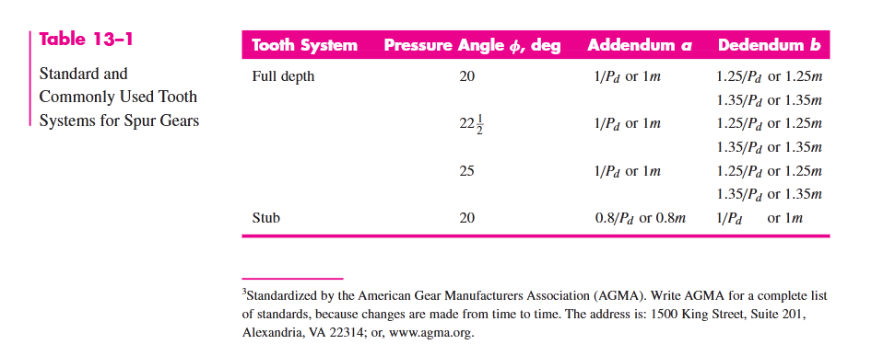
Gear Specs |  |  |  |  |  |  |  |  | Sheet metal
Parameter | Value | Unit | Comment
Module | 5 | ul |  |  |  | Max Load | 30 | kg | w | 600 | mm
Number_of_Teeth | 30 | ul |  |  |  | Drum Dia | 70 | mm | h | 3 | mm
Pressure_Angle | 20 | deg |  |  |  | Motor RPM | 1360 | rpm | l | 400 | mm
Pitch_Circle | 150 | mm |  |  |  | Stroke | 1600 | m
Addendum_Circle | 160 | mm |  |  |  |  | 80 | mm/s
Root_Circle | 137.5 | mm
Clearance_Circle | 140 | mm
Base_Circle | 140.95389312 | mm
Gear_Height | 10 | mm

Reduction Ratio | 44.505895926 | (Greater than 10 but less than 100 so two stage needed)
Per Stage work | 6.6712739358
Np | 16
Ng | 102
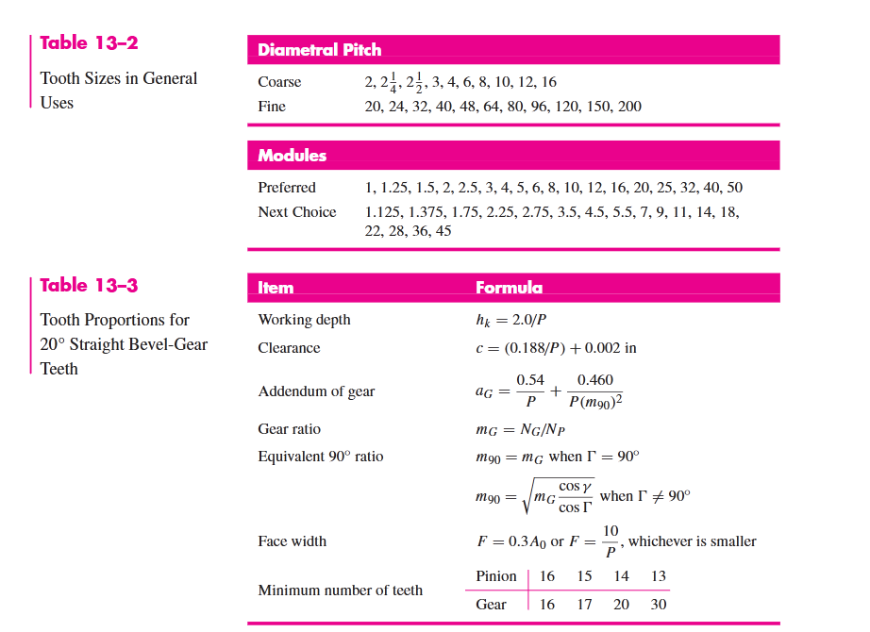
 |  |  |  | Drum Specs |  |  |  |  | Rope Specs |  |  | 3-Phase Motor Specs
 |  |  |  | Line Speed | 88 | mm/s |  |  | Diameter | 5 | mm | Power | 0.18 | kW
 |  |  |  | Circumference | 157.07963268 | mm |  |  | Length | 1600 | mm | Speed | 1360 | rpm
 |  |  |  | Diameter | 50 | mm |  |  | Wraps | 10.185916358 |  | Mass | 4.83 | kg
 |  |  |  | Height | 60 | mm |  |  |  |  |  | Shaft | 11 | mm
 |  |  |  | Loops of Circ fitted | 12 |  |  |  |  |  |  | Keyway | 4*16 | mm
 |  |  |  | Rope Length in 1 layer | 1884.9555922 |  |  |  |  |  |  | Rated Torque | 1.2638774893 | Nm
 |  |  |  | Rpm | 30.557749074 |  |  |  |  |  |  | Starting Torque | 3.7916324678 | Nm
 |  |  |  | Starting Serving Factor | 1.5
 |  |  |  | Torque | 11.03625
Gear tooth
Gear trains

Sheet2
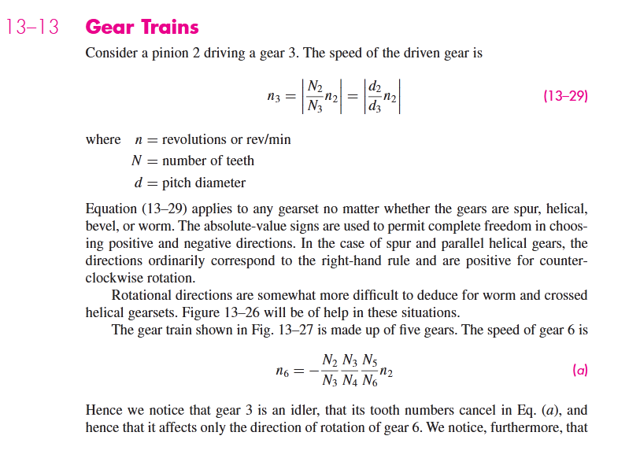
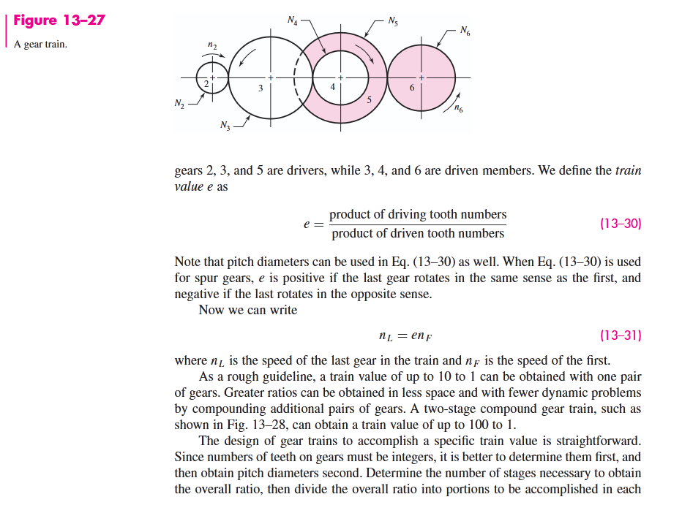
Home

Sheet3
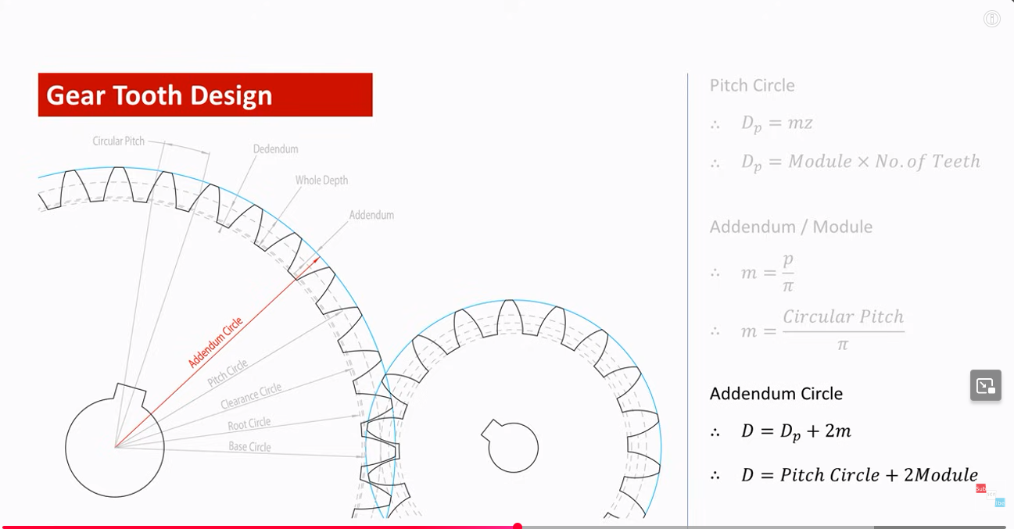
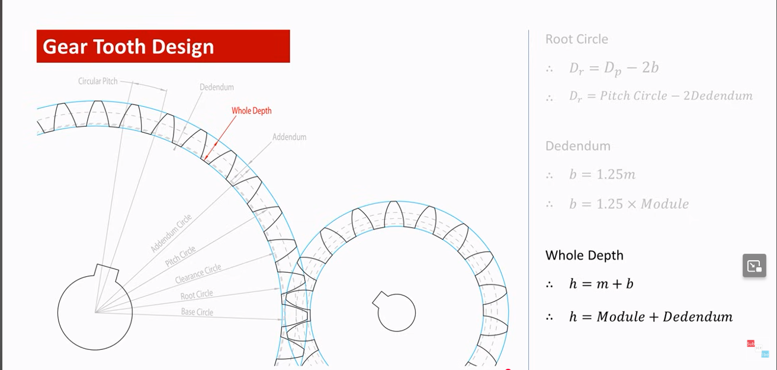

Home

