General
MAKE A COPY OF THIS SPREADSHEET TO USE ANY OF THE AVAILABLE CALCULATORS
For Auction items highlighted in red they are from CROSS SERVER AUCTION
WEB VERSION: | https://msr.rastargames.com/web/ldy/fzg/?ukey=23ee0f06f0427c8558826b6b7559e68d&appid=103429&pid=397&md_id=200000&ad_cchid=21 |  |  | Alternatively you can play this on Bluestacks (Support Auto Clicker) or any other form of Emulators. |  |  |  |  |  |  | Contact me on discord at : | zanfriege

AUCTION
Item | Shards Required Per Craft/LVL | Start | Buyout | Start | Buyout | Start | Buyout | Start | Buyout
 |  | Cost Per 5 Fragments |  | Cost Per 5 Fragments (20%) |  | Cost Per 10 Fragments (20%) |  | Cost Per 10 Fragments |  | Min Cost | Max Cost | Shop | Total Cost
UR | 120 | - | - | 440 | 665 | 880 | 1330 | 1100 | 1650 | 10560 | 19800 | 110 | 13200
SSR | 40 | 280 | 430 | 224 | 349 | - | - | - | - | 2240 | 2792 | 56 | 2240
SR | 40 | 60 | 160 | 48 | 173 | - | - | - | - | 480 | 1384 | 12 | 480
 |  | Cost Per 60 Fragments |  | World Auction 60 Frag (50%)
Silver Totem | 60 | 840 | 1265 | 420 | 645 |  |  |  |  | 420 | 1265
 |  | Cost Per 10 Fragments
Gold Totem | 120 | 337 |  | 547 |  |  |  |  |  | 337 | 547
Totem Transfer Stone Fragment | 120 | 1000 |  | 1500 |  |  |  |  |  | 1000 | 1500

Shards Per Set |  | Cost Per Set
Pure Intention | 30 | 480 | 880 |  |  |  |  |  |  | 480 | 880
Lithe Dream | 30 | 1500 | 2750 |  |  |  |  |  |  | 1500 | 2750
Flame Dancing Fury | 30 | 1500 | 2750 |  |  |  |  |  |  | 1500 | 2750

Glory Glit | 5 | 600 | 900 |  |  |  |  |  |  | 600 | 900
Cyber Exoskeleton | 5 | 600 | 900 |  |  |  |  |  |  | 600 | 900
 | 10 | 600 | 1260 |  |  |  |  |  |  | 600 | 1260
Green Blessing Wings | 5 | 767 | 1147 |  |  |  |  |  |  | 767 | 1147
 | 10 | 767 | 1527 |  |  |  |  |  |  | 767 | 1527
Ethereal Branch of Flowering Leaf Fragment | 5 | 767 | 1147 |  |  |  |  |  |  | 767 | 1147

 | SHARDS | Cost Per Set
Burning Tinder | 3 | 750 | 1125 |  |  |  |  |  |  | 750 | 1125
Sparkling Tinder | 10 | 600 | 1100 |  |  |  |  |  |  | 600 | 1100
Twinkling Tinder | 20 | 600 | 1100 |  |  |  |  |  |  | 600 | 1100
Silent Tinder | 50 | 450 | 1200 |  |  |  |  |  |  | 450 | 1200
Dusty Tinder | 70 | 210 | 560 |  |  |  |  |  |  | 210 | 560

Hormone Capsule |  | 3000 | 4500 |  |  |  |  |  |  | 3000 | 4500
 | Shards Per Purchase

Blue Stigmata | 15 | 426 | 626 |  |  |  |  |  |  | 426 | 626
Mystic Trail | 10 | 342 | 517 |  |  |  |  |  |  | 342 | 517
Burning Trail | 5 | 312 | 462 |  |  |  |  |  |  | 312 | 462
White Yaksha | 5 | 624 | 934 |  |  |  |  |  |  | 624 | 934
 | 10 | 624 | 1244 |  |  |  |  |  |  | 624 | 1244
Prom Mask | 5 | 624 | 934 |  |  |  |  |  |  | 624 | 934
 | 10 | 624 | 1244 |  |  |  |  |  |  | 624 | 1244
 | Level 1 |  | Level 2 |  | Level 3 |  | Level 4 |  | Level 5
Life Gem |  | 100 | 100 | 200 | 330 | 600
Power Gem |  | 100 | 100 | 200 | 330 | 600
Defense Gem |  | 100 | 100 | 200 | 330 | 600
Flame Gem |  |  | 640 | 1280 | 960 | 1920 | 1792 | 3582 | 2880 | 5760
Ocean Gem |  |  | 640 | 1280 | 960 | 1920 | 1792 | 3582 | 2880 | 5760
Earth Gem |  |  | 640 | 1280 | 960 | 1920 | 1792 | 3582 | 2880 | 5760

Beast Cultivation Pack | 1 | 50 | 650 |  |  |  |  |  |  | 50 | 650

Treasure-Hunting Chest | 1 | 300 | 750 |  |  |  |  |  |  | 300 | 750

Crimson Balrog Orb | 10 | 325 | 485 |  |  |  |  |  |  | 325 | 485

Netherworld Monk | 10 | 325 | 485 |  |  |  |  |  |  | 325 | 485

Ephenia Orb | 5 | 649 | 974 |  |  |  |  |  |  | 649 | 974
 | 5 | 812 | 1217 |  |  |  |  |  |  | 812 | 1217
 | 10 | 812 | 1622 |  |  |  |  |  |  | 812 | 1622

PROGRESSION
1 | Packs are generally more worth than straight up buying Diamond majority of the time. (Depending on resources sought for)
2 | Before using Quick Battle, attempt stage. Quick Battle until you level up -> Attempt -> Repeat.
3 | Check if you can hit the next level tier for Dailies, if yes, do (2) before finishing dailies. If required, do [Adventurer Training Field].
4 | Refer to [AUCTION/SHOP] before calculating whether to purchase/roll for what you need.
5 | If you are not rolling specifically for anything (Own what you already need), rolling [Pets/Monster Cards] can be considered, otherwise consult [4].
6 | [FURNITURE] If your shop does not have anything CHEAP for their cost, REROLL. Furniture Shop does not refresh on it's own. (i.e. Red Furniture can be purchased for 390 Tickets instead of 1000+)
7 | If you have spare resources, consider using your free rerolls in shop to purchase resources.
8 | For runes completing the stage rewards IS NOT REQUIRED. If you are able to proceed to the next stage already/soon, save and bring your tickets over. (Exception ONLY if you are nearing the final tier)
9 | OPTIONAL Shards (Totems/Monster Cards) should not be consumed UNLESS you are lacking X final piece which would make a difference.
10 | [PETS] If you are nearing the next Advancement for your UR/SSR pets, consider not using your spare SSR/SR copies to give your UR/SSR an extra advancement unless it is an active/eventual unit.
11 | Cultivation Tools are best to be used on every available Light Blue Ore during Dimension Trail, ESPECIALLY DURING RARE EXPLORATIONS THAT GIVES LIGHT BLUE ORE (See Image Below)
12 | For Dimensional Trail, the Rock-Paper-Scissors sequence is 2-2-2 (follow the sequence shown), whereas for the Dice, the sequence is 1-2-3-4-5-6
13 | Bigger Packs DOES NOT always give you better resources over Smaller Packs. Do make ample comparison before your every purchase.
14 | https://m.gamer.com.tw/forum/C.php?bsn=71463&snA=1025&bpage=1&ltype= (Will translate when free)
15 | ALWAYS Preplan your currencies during event. Good to use up event currencies FIRST before moving onto your other currencies (Earned through dailies etc)
16 | FAVOURITE whatever item you plan to buy from Auction, especially WORLD Auction. Filtering by favourite makes it faster to purchase.
17 | Higher Rating does not equate to more damage. I.e. for Runes, sometimes the skills are better than equipping although it might have lower rating.
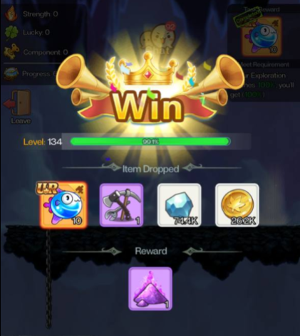 |  |  |  |  | For Rare Explorations, Multiple Variants exists. One of the variant provides Light Blue Ore whereas another variant provides UR Fragments, with Timer appearing at the end. During the UR Variant, you will be able to Spin the Wheel at the end of the exploration. REMOVE THE OPTION TO SPEND ALL. This step is especially important. Look at the amount of options that would provide URs, where the usual average is between 1-4 options. If there are less than 3 options then use the "REFRESH" option on the right side until you get at least 4 options. (Can settle for 3 if rerolling becomes too expensive for you, or if you have rolled a number of times. (Rerolls are limited) Roll individually until YOU HAVE OBTAINED ALL THE UR Options. The more non UR options you have remaining the better it would be. Afterwards, refresh the shop UNTIL more UR Options appear, and repeat the above steps. As there is a limit, you do NOT have to buyout ALL extra fragments at a go. (Refers to fragments for extra rolls) TRANSLATED FROM : https://m.gamer.com.tw/forum/C.php?bsn=71463&snA=1025&bpage=1&ltype=

MONSTER CARDS
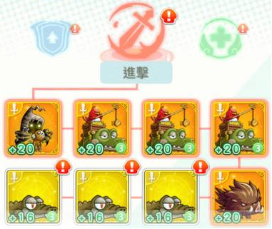
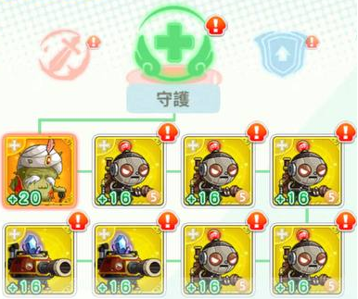
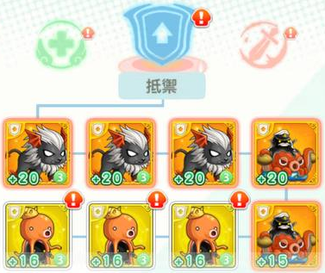
ATTACK |  |  |  | GUARD |  |  |  | DEFENSE |  | Semi - Mid to Pre Late Game: **
 |  |  |  |  |  |  |  |  |  | Attack: 5 Seruf + 3 Dyle [Recommended] or 8 Seruf
 |  |  |  |  |  |  |  |  |  | Defense: 5 Eliza + 3 Captain Darkgoo [Recommended] or 8 Eliza
 |  |  |  |  |  |  |  |  |  | Guard: 5 Deo + 3 DF Android [Recommended] or 8 Deo

 |  |  |  |  |  |  |  |  |  | The reason you don't go for 8 Seruf /8 Eliza / 8 Deo is because by the time you get all 8 for each category, the Soul Teddy/Captain Viking/Guardmaster card will be sold in exchange shop and going for them is much better. Also going for 3 Dyle/Captain Darkgoo/DF Android sets you in place for Late Game onwards.

 |  |  |  |  |  |  |  |  |  | Late Game onwards:
 |  |  |  |  |  |  |  |  |  | Attack: 5 Soul Teddy + 3 Dyle
 |  |  |  |  |  |  |  |  |  | Defense: 5 Captain Viking + 3 Captain Darkgoo
 |  |  |  |  |  |  |  |  |  | Guard: 5 Guardmaster + 3 DF Android

On Cards, Oranges are pretty much always used in any sets even without set bonus as they possess better stats when upgraded. I.e. Deo has 4% Attack compared to 1.7% on a AF Android Card
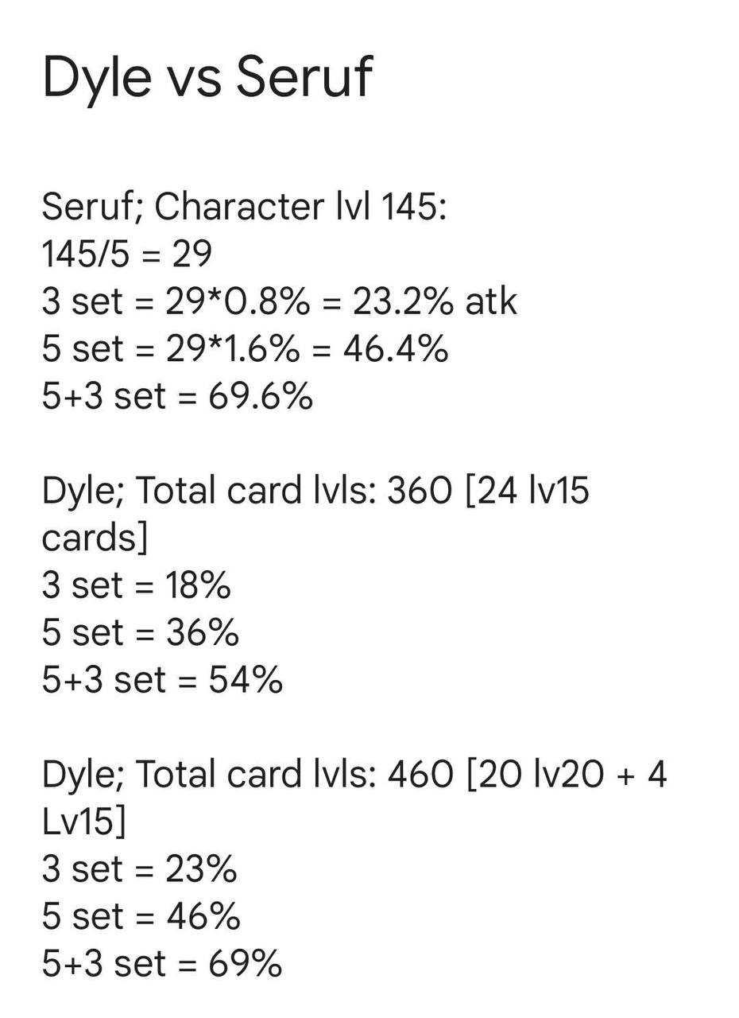
 |  |  |  |  |  | ATTACK | DEFENSE | GUARD | SET BONUS COMPARATOR
 |  |  |  |  | TIER 3 |  |  |  | LEVEL: | 200
 |  |  |  |  |  |  |  |  | TOTAL CARD LVL: | 640
 |  |  |  |  | TIER 2 |  |  |  | SOUL OF ATT/DEF/GUARD LVL: | 45
 |  |  |  |  |  |  |  |  | TIER: | T2
 |  |  |  |  | TIER 1 |  |  |  | 3 SET BONUS TOTAL % : | 32
 |  |  |  |  |  |  |  |  | 5 SET BONUS TOTAL % : | 64
 |  |  |  |  |  |  |  |  | TOTAL BONUS % : | 96
 |  |  |  |  |  |  |  |  | TIER: | T3
 |  |  |  |  |  |  |  |  | 3 SET BONUS TOTAL % : | 32
 |  |  |  |  |  |  |  |  | 5 SET BONUS TOTAL % : | 64
 |  |  |  |  |  |  |  |  | TOTAL BONUS % : | 96

 | BARTER
 | CARD USED |  | COST (RED GEM) |  | OBTAIN
 | Orange |  | 80 |  | 390 Yellow Fragments
 | Yellow |  | 15 |  | 200 Purple Fragments

 | ORANGE TO MAGIC CRYSTAL CONVERSION (125 Red Gems)
 | 30 Yellow Fragments |  | 20 Purple Fragments |  | 270 Magic Crystal
 | YELLOW TO MAGIC CRYSTAL CONVERSION (45 Red Gems)
 |  |  | 20 Purple Fragments |  | 90 Magic Crystal

 | MONSTER CARD RESOURCE BREAKDOWN
 |  | ORANGE |  |  | YELLOW
 | LEVEL | MAGIC CRYSTALS (MC) |  | GOLD | MAGIC CRYSTALS (MC) |  | GOLD
 | 1 | 40 |  | 2,200 | 20 |  | 500
 | 2 | 80 |  | 4,700 | 50 |  | 1,000
 | 3 | 130 |  | 7,600 | 80 |  | 1,700
 | 4 | 180 |  | 10,800 | 120 |  | 2,400
 | 5 | 240 |  | 14,400 | 160 |  | 3,200
 | 6 | 310 |  | 18,390 | 200 |  | 4,100
 | 7 | 380 |  | 22,700 | 250 |  | 5,000
 | 8 | 460 |  | 27,400 | 300 |  | 6,100
 | 9 | 540 |  | 32,400 | 360 |  | 7,200
 | 10 | 630 |  | 37,790 | 420 |  | 8,400
 | 11 | 730 |  | 43,900 | 490 |  | 9,800
 | 12 | 850 |  | 50,800 | 560 |  | 11,300
 | 13 | 970 |  | 58,300 | 650 |  | 13,000
 | 14 | 1,110 |  | 66,590 | 740 |  | 14,800
 | 15 | 1,260 |  | 76,000 | 840 |  | 17,000
 | 16 | 1,420 |  | 85,000 | 950 |  | 19,000
 | 17 | 1,600 |  | 96,000 | 1,060 |  | 21,000
 | 18 | 1,780 |  | 107,000 | 1,190 |  | 24,000
 | 19 | 1,980 |  | 119,000 | 1,320 |  | 26,000
 | 20 | 2,190 |  | 131,000 | 1,460 |  | 29,000
 | 21 | 2,420 |  | 145,000 | 1,620 |  | 32,000
 | 22 | 2,680 |  | 161,000 | 1,790 |  | 36,000
 | 23 | 2,960 |  | 178,000 | 1,980 |  | 40,000
 | 24 | 3,270 |  | 196,000 | 2,180 |  | 44,000
 | 25 | 3,600 |  | 216,000 | 2,400 |  | 48,000
 | 26 | 3,950 |  | 237,000 | 2,640 |  | 53,000
 | 27 | 4,330 |  | 260,000 | 2,890 |  | 58,000
 | 28 | 4,730 |  | 284,000 | 3,160 |  | 63,000
 | 29 | 5,160 |  | 310,000 | 3,440 |  | 69,000
 | 30 | 5,590 |  | 335,000 | 3,730 |  | 75,000

PETS
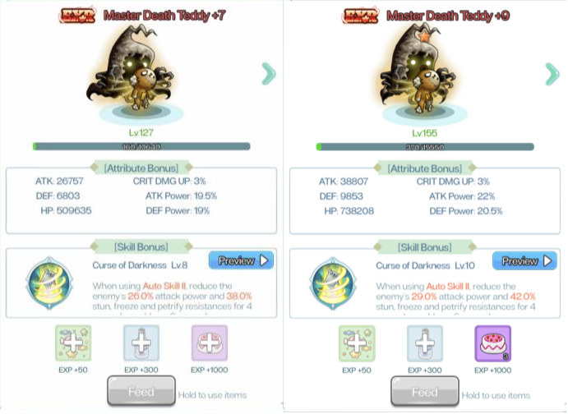
OPTIMAL PETS
ALL SITUATIONS |  |  |  |  |  |  |  | LEVEL | EXR | UR | SSR | SR
Viking | Bubble Fish | Bone Fish | Flying Fish Slime | Cellion | Goby | Skull Monster | Guard Robot | 0 | EXR | UR | SSR | SR
PVP |  |  |  |  |  |  |  | 1 | EXR | UR | SSR | SR
Teddy | Jr. Necki | Racoco |  |  |  |  |  | 2 | SSR | SSR | SSR | SR
 |  |  |  |  |  |  |  | 3 | EXR | UR | SSR | SR
EXR蜥蜴 / UR肥肥 / UR百列 / UR紅獨角獅 / UR骨骸魚 |  |  |  |  | 蜥蜴+9>綿羊+9>人馬+9>藍龍+9>侏儒+9>惡靈+4>守門+4 |  |  | 4 | SSR | SSR | SSR | SR
EXR Lizard, UR BubbleFish, UR Viking, UR Cellion, UR Bone Fish |  |  |  |  | Lizard > goat > humanhorse > blue dragon > goblin > ghost > golem |  |  | 5 | EXR | UR | SSR | SR
PVP |  |  |  |  | this is for F2P EXR pet sequence |  |  | 6 | SSR | SSR | SSR | SR
EXR蜥蜴 / 鬼兵 / 靈魂娃娃 -- UR肥肥 / 百列 / 骨骸魚 / 青蛇 |  |  |  |  |  |  |  | 7 | EXR | UR | SSR | SR
EXR Lizard / ? / ? -- UR Boar or BubbleFish / Viking / BoneFish / Necki |  |  |  |  |  |  |  | 8 | EXR + SSR | UR + SSR | SSR | SR
 |  |  |  |  |  |  |  | 9 | EXR + SSR | UR + SSR | 1 SSR + 1 SR | SR
https://m.gamer.com.tw/forum/C.php?bsn=71463&snA=1037&bpage=1&ltype= |  |  |  |  |  |  |  | 10 | EXR + SSR | UR + SSR | 1 SSR + 1 SR | SR
 |  |  |  |  |  |  |  | 11 | EXR + SSR | UR + SSR | 1 SSR + 1 SR | SR
 |  |  |  |  |  |  |  | 12 | EXR + SSR | UR + SSR | 1 SSR + 1 SR | SR
 |  |  |  |  |  |  |  | 13 | 2 EXR + 1 SSR | 2 UR + 1 SSR | 1 SSR + 1 SR | SR
 |  |  |  |  |  |  |  | TOTAL: | 12 EXR + 9 SSR | 12 UR + 9 SSR | 14 SSR + 5 SR | 14 SR

 |  |  |  |  |  |  | Cost Calculator | UR Copies | Max Pulls | Cost
 |  |  |  |  |  |  | Available Summons | 1 | 60 | 16200
 |  |  |  |  |  |  | 275 | 2 | 120 | 32400
 |  |  |  |  |  |  | Desired No. of UR | 3 | 180 | 48600
 |  |  |  |  |  |  | 11 | 4 | 240 | 64800
 |  |  |  |  |  |  | Remaining To Hit Pity | 5 | 300 | 81000
 |  |  |  |  |  |  | 59 | 6 | 360 | 97200
 |  |  |  |  |  |  | TOTAL REMAINING COST | 7 | 420 | 113400
 |  |  |  |  |  |  | 103680 | 8 | 480 | 16201
 |  |  |  |  |  |  |  | 9 | 540 | 145800
 |  |  |  |  |  |  |  | 10 | 600 | 162000
 |  |  |  |  |  |  |  | 11 | 660 | 178200
 |  |  |  |  |  |  |  | 12 | 720 | 194400

 | LEAPS |  |  |  |  |  | Cost Calculator | EXR Copies | Max Pulls | Cost
Pet | UR/EXR Bonds | Stats Leap | Skill Leap | Skill Leap |  |  | Available Summons | 1 | 75 | 20650
Bubble Fish | +6/7 | +8 | +9 |  |  |  | 86 | 2 | 150 | 40500
Viking | +6/7 | +8 | - | +13 |  |  | Desired No. of EXR | 3 | 225 | 61150
Flying Fish | +6/7 | +8 |  |  |  |  | 7 | 4 | 300 | 81000
Eliza | +6/7 | +8 | - | +13 |  |  | Remaining To Hit Pity | 5 | 375 | 101650
Bone Fish | +6/7 | +8 |  |  |  |  | 0 | 6 | 450 | 121500
Skull Monster | +6/7 | +8 | +9 |  |  |  | TOTAL REMAINING COST | 7 | 525 | 142150
Jr Necki | +6/7 | +8 |  |  |  |  | 100200 | 8 | 600 | 162000
Master Death Teddy | +4 | - | - | - |  |  |  | 9 | 675 | 182650
 |  |  |  |  |  |  |  | 10 | 750 | 202500
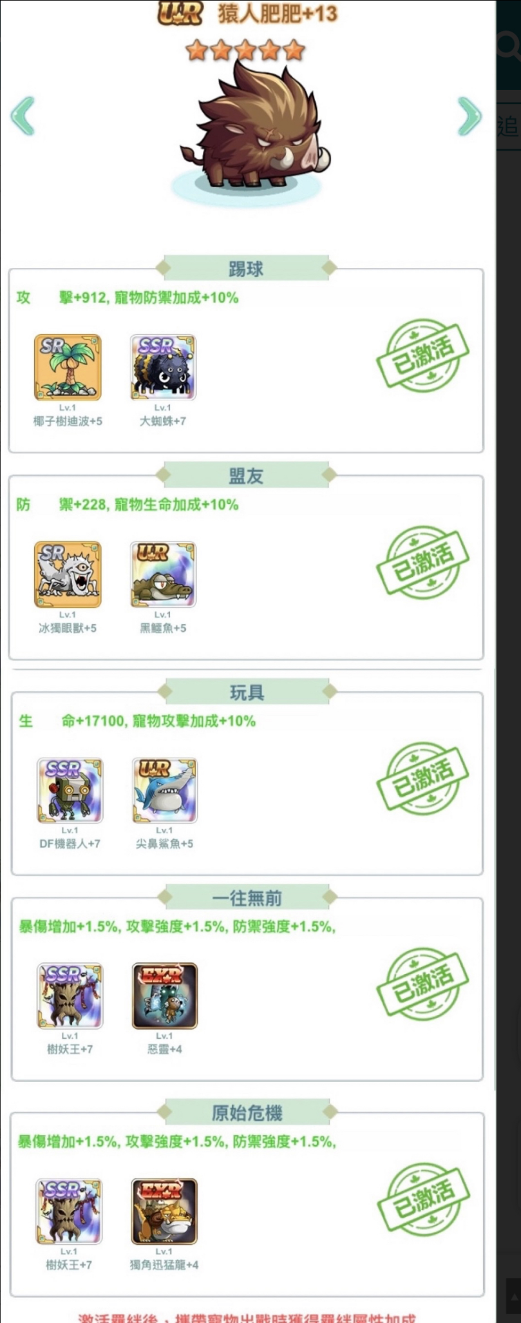
BOND SAMPLE |  |  | Sample Stats Leap from +7 to +8 |  |  |  |  | 11 | 825 | 223150
 |  |  | 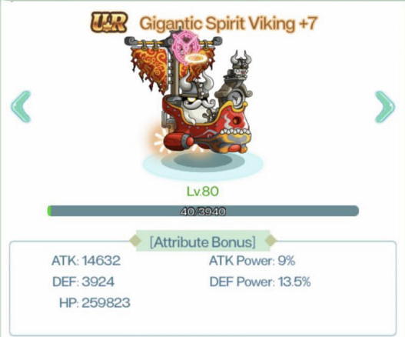 |  |  | 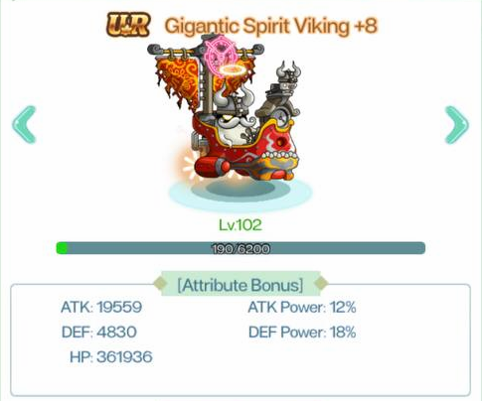 |  | 12 | 900 | 243000

 |  |  | Proof no leap from 7 to 9

PVP
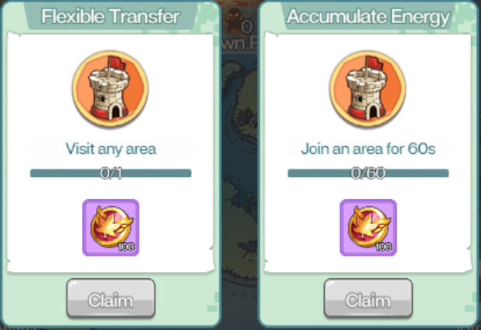
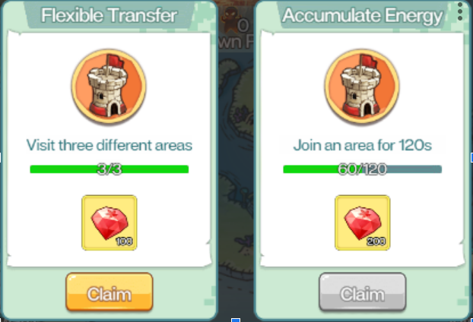
IGNORE SKILL LEVEL. HIGHEST DAMAGE % MIGHT BE THE SKILL YOU SHOULD BE DODGING
SKILL | WARRIOR | THIEVES | BOWMAN | MAGE | CANNONEER
PASSIVE

NORMAL ATTACK

AUTO SKILL I

AUTO SKILL II

AUTO SKILL III

AUTO SKILL IV

RAGE SKILL (5th Job)

WARRIOR -> THIEVES -> BOWMAN -> MAGE -> CANNONEERS

TIPS
1 | Always ignore summons
2 | Use Jr.Necki (Pet)
3 | Recognising skill animations potentially allows you to win by dodging crucial skills
4 | Gather as much INITIAL RAGE as possible
5 | Use Auto Skills that would give an extra rage at the start IMMEDIATELY
6 | Facing a higher BP Target you can hit them till they have lesser % hp than you and then keep running till the time runs out which still gives you a victory.

VICTORIA ISLAND RIVALRY
1 | Aim to conquer 3 Lands instead of all 5
2 | The lowest BP player on your team can be used to remove blessings from targets.
3 | If a higher BP player is targetting you, hit and run.

GEMS
GEMS ARE MAXED AT LEVEL 15
ALWAYS EMBED GEMS BEFORE CLICKING UPGRADE

QUANTITY | GEM LEVEL | CONVERSION | GEM LEVEL | CONVERSION | GEM LEVEL | CONVERSION | GEM LEVEL | CONVERSION | GEM LEVEL | CONVERSION | GEM LEVEL
1 | 2 | 2 | 1 | - | - | - | - | - | - | - | -
1 | 3 | 3 | 2 | 6 | 1 | - | - | - | - | - | -
1 | 4 | 1.666666667 | 3 | 5 | 2 | 10 | 1 | - | - | - | -
1 | 5 | 2 | 4 | 3.333333333 | 3 | 10 | 2 | 20 | 1 | - | -
1 | 6 |  | 5 | 0 | 4 | 0 | 3 | 0 | 2 |  | 1

The math for calculating gems required is kinda messed up as you can reverse calculate from below. Hence the chart above only gives you a rough idea, but it will not be accurate.
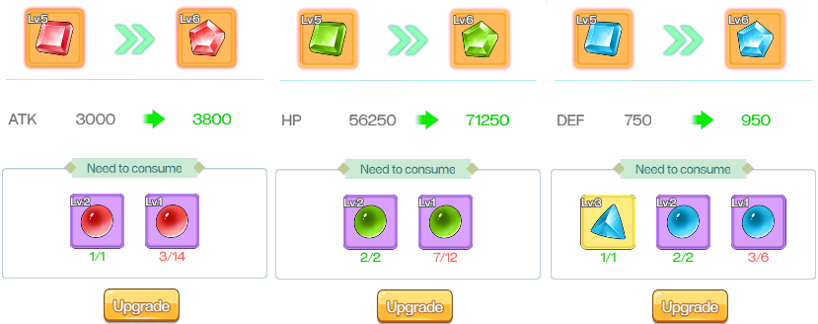

 | ASSUMING: | TOTAL LEVEL 1 REQUIRED (+5 to +6) = 16
 |  | 1 | 16 = 14 Level 1 + 1 Level 2
 |  | 2 | 16 = 12 Level 1 + 2 Level 2
 |  | 3 | 16 = 6 Level 1 + 2 Level 2 + 1 Level 3

 | BASED OFF (1) and (2)
 |  | 4 | 1 Level 2 = 2 Level 1
 | BASED OFF (3) and (4)
 |  | 5 | 1 Level 3 = 6 Level 1
 |  |  | Hence, value of 1x Level 3 = 6/2 Level 2

 |  |  | 1x Level 5 Gem = 20 Level 1

 | AUCTION GEM COST COMPARATOR
 | GEM | LEVEL 1 VALUE |  | COST | VALUE(Per level 1)
 | 3 | 6 |  | 1056 | 176 |  |  |  | ALWAYS OK TO BUY
 | 4 | 10 |  | 2150 | 215 |  |  |  | STILL CAN BUY
 | 5 | 20 |  | 4032 | 201.6 |  |  |  | SHOULDN'T BUY

TRANSLATIONS





MAPLE R EVOLUTION |  | 楓之谷 R
GRADE | TRAD CHI | CHI | ENG (Base Form)
EXR | 惡霸王 | 恶霸王 | ? |  |  | NOT AVAILABLE FOR NOW

EXR | 進化迅猛龍 | 进化迅猛龙 | ?
EXR | 格瑞芬多 | 格瑞芬多 | ?
EXR | 绵羊酋长 | 绵羊酋长 | ?
EXR | 守門人 | 守门人 | ?
EXR | 妖怪侏儒 | 妖怪侏儒 | ?
EXR | 蜥蜴人酋长 | 蜥蜴人酋长 | ?
UR | 猿人肥肥 | 猿人肥肥 | ? |  | Similar with bubble fish Not Available
UR | 艾利傑 | 艾利杰/ 紅獨角獅 | Cellion
UR | 骷髏指挥官 | 骷髅指挥官 | Skull Monster
UR | 沼澤巨鱷 | 沼泽巨鳄 | Jr Necki
UR | 船長黑迪波 | 船长黑迪波 | Flying Fish Slime
UR | 巨人維京 | 巨人维京/百列 | ? |  | Not available
UR | 海怒撕 | 海怒撕/ 骨骸魚 | Bone Fish
UR | 火蚌殼 | 火蚌壳 | Bubble Fish

RANGE CONVERTER
2368 | 億/亿 | 3696 | 萬/万
236,836,960,000

盗贼 | Thief
劍士 | Warrior |  |  | https://m.gamer.com.tw/forum/C.php?bsn=71463&snA=1482&bpage=1&ltype=
法师 | Magician
弓箭手 | Bowman |  | https://youtu.be/XuB0e-tROD0?si=3N2ceibXBny1ZUy9
砲手 | Cannoneer
寵物 | Pet
圣痕 | Stigmata | 聖痕
無盡狩獵 | Endless Hunting

