Sheet1
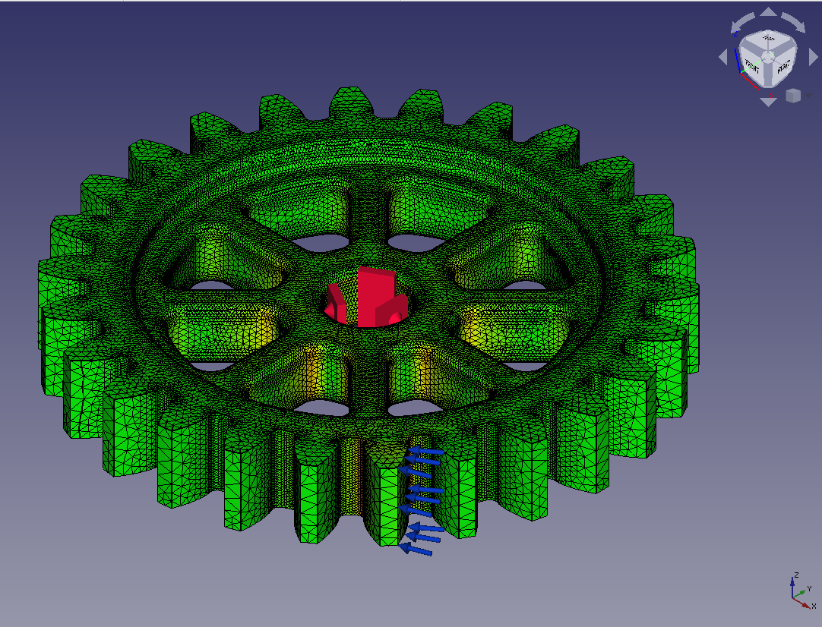
model | Solver | Matrix Solver | Tw (sec) | Ts (sec) | Tt (sec) | Tr (sec) | Max Mises (MPa) | iter | residual | threshold | rem
gear6 | Calculix | iterativecholesky | 61.9 | 2394.2 | 2648.5 | 254.3 | 63.71 | 1245 | 9.27E-06 | 9.30E-06
gear6 | Calculix | spooles | 64.3 | 1200.4 | N/A | N/A | N/A | N/A | N/A | N/A | (*1)
gear6 | FrontISTR | CG w/ AMG | 98.4 | 125.8 | 199.7 | 73.9 | 63.63 | 75 | 8.26E-07 | 1.00E-06
gear6 | FrontISTR | MUMPS | 94.1 | 365.8 | 486.8 | 121 | 63.63 | N/A | 1.44E-11 | N/A
(*1)FEM: No nodes found in Frd file.
Solver time for the large gear model with various mesh sizes
NODES |  | 1,177,532
ELEMENTS |  | 793,270 | secondorder

CPU |  | Ryzen 3700X | 8cores x 1
MEMORY |  | 64GB

Paralell settings |  | Calculix | OMP_NUM_THREADS=8
 |  | FrontISTR: | n_process=8

