Sheet1
 |  |  | Write Input Time | Solver Time(sec) | Total Time(sec) | Load Result Time
model | Solver | Matrix Solver | Tw (sec) | Ts (sec) | Tt (sec) | Tr (sec) | Max Mises(MPa) | iter | residual | threshold
1. small | Calculix | iterativecholesky | 8.5 | 30.2 | 35.0 | 4.8 | 70.14 | 1063 | 3.17E-02 | 3.67E-02
 | Calculix | spooles | 8.3 | 6.3 | 11.1 | 4.8 | 70.14 | N/A | N/A | N/A
 | FrontISTR | CG w/ AMG | 9.3 | 4.2 | 7.7 | 3.5 | 70.14 | 62 | 8.78E-07 | 1.00E-06
 | FrontISTR | MUMPS | 9.5 | 4.4 | 7.3 | 2.9 | 70.14 | N/A | 9.95E-12 | N/A
2. middle | Calculix | iterativecholesky | 33.4 | 244.9 | 269.5 | 24.6 | 93.81 | 1484 | 1.07E-05 | 1.26E-05
 | Calculix | spooles | 34.5 | 65.1 | 88.0 | 22.9 | 93.81 | N/A | N/A | N/A
 | FrontISTR | CG w/ AMG | 36.4 | 21.7 | 33.0 | 11.3 | 93.81 | 35 | 9.37E-07 | 1.00E-06
 | FrontISTR | MUMPS | 38.1 | 30.8 | 42.3 | 11.5 | 93.81 | N/A | 1.90E-11 | N/A
3. large | Calculix | iterativecholesky | 61.0 | 646.3 | 699.8 | 53.5 | 104.25 | 1575 | 1.29E-05 | 1.08E-05
 | Calculix | spooles | 58.0 | 306.4 | N/A* | N/A* | N/A* | N/A | N/A | N/A
 | FrontISTR | CG w/ AMG | 65.5 | 56.5 | 103.8 | 47.3 | 104.25 | 36 | 8.54E-07 | 1.00E-06
 | FrontISTR | MUMPS | 66.3 | 185.5 | 214.6 | 29.1 | 104.25 | N/A | 2.75E-11 | N/A

 | *Problem on frd file import. No nodes found in frd file.
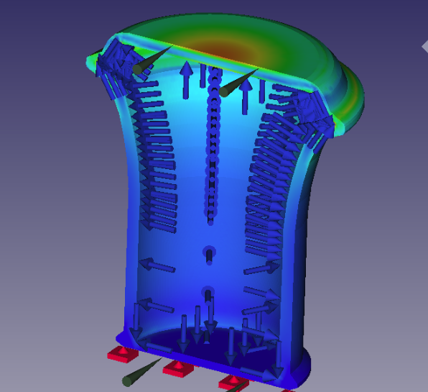
Solver time for the can model with various mesh sizes
[sec]
( )*1
 | Solver Time
 | Tool | Solver |  | 1. small 44k nodes, 22k elems | 2. middle 213k nodes, 117k elems | 3. large 453k nodes, 279k elems
 | Calculix | iterativecholesky |  | 30.2 | 244.9 | 646.3
 | Calculix | spooles |  | 6.3 | 65.1 | 306.4
 | FrontISTR | CG w/ AMG |  | 4.2 | 21.7 | 56.5
 | FrontISTR | MUMPS |  | 4.4 | 30.8 | 185.5

 | Write Input Time + Total Time
 | Tool | Solver
 | Calculix | iterativecholesky |  | 43.5 | 302.9 | 760.8
 | Calculix | spooles |  | 19.4 | 122.5 | #VALUE!
 | FrontISTR | CG w/ AMG |  | 17.0 | 69.4 | 169.3
 | FrontISTR | MUMPS |  | 16.8 | 80.4 | 280.9

