Sheet1
 |  |  | Write Input Time | Solver Time(sec) | Total Time(sec) | Load Result Time
model | Solver | Matrix Solver | Tw (sec) | Ts (sec) | Tt (sec) | Tr (sec) | Max Mises(MPa) | iter | residual | threshold
1. small | Calculix | iterativecholesky | 1.1 | 786.7 | 805.4 | 18.7 | 153.47 | 20592 | 2.72E-06 | 2.74E-06
 | Calculix | spooles | 1.2 | 6.1 | 11.4 | 5.3 | 152.59 | N/A | N/A | N/A
 | FrontISTR | CG w/ AMG | 2.0 | 3.8 | 7.1 | 3.3 | 153.52 | 27 | 8.30E-07 | 1.00E-06
 | FrontISTR | MUMPS | 1.8 | 3.7 | 7.1 | 3.4 | 153.52 | N/A | 5.96E-08 | N/A
2. middle | Calculix | iterativecholesky | 3.8 | 4022.5 | 4051.3 | 28.8 | 172.68 | 37560 | 1.67E-06 | 2.74E-06
 | Calculix | spooles | 3.5 | 19.7 | 33.8 | 14.1 | 1112.46 | N/A | N/A | N/A
 | FrontISTR | CG w/ AMG | 5.7 | 10.5 | 20.6 | 10.1 | 172.78 | 27 | 6.95E-07 | 1.00E-06
 | FrontISTR | MUMPS | 5.9 | 12.6 | 23.0 | 10.4 | 172.78 | N/A | 1.06E-07 | N/A
3. large | Calculix | iterativecholesky | 11.1 | 18029.2 | 18091.4 | 62.2 | 213.21 | 56535 | 9.87E-07 | 0.00000106
 | Calculix | spooles | 11.8 | 75.5 | N/A* | N/A* | N/A* | N/A | N/A | N/A
 | FrontISTR | CG w/ AMG | 19.3 | 35.9 | 57.1 | 21.2 | 213.24 | 26 | 4.91E-07 | 1.00E-06
 | FrontISTR | MUMPS | 18.9 | 48.3 | 69.7 | 21.4 | 213.24 | N/A | 2.10E-07 | N/A

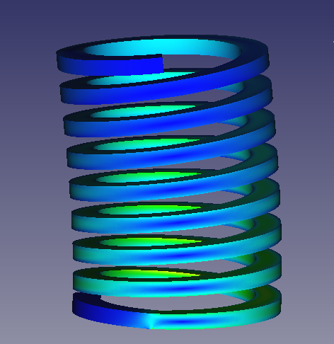
Solver time for the spring model with various mesh sizes
[sec]
*1 Inaccurate solution *2 Failed to load result file
786.7
18029.2
( )*1
( )*2
4022.5
 | *Problem on frd file import. No nodes found in frd file.
 | **Did not finish in 1800 sec.
 | Solver Time
 | Tool | Solver |  | 1. small 50k nodes, 25k elems | 2. middle 137k nodes, 75k elems | 3. large 402k nodes, 242k elems
 | Calculix | iterativecholesky |  | 786.7 | 4022.5 | 18029.2
 | Calculix | spooles |  | 6.1 | 19.7 | 75.5
 | FrontISTR | CG w/ AMG |  | 3.8 | 10.5 | 35.9
 | FrontISTR | MUMPS |  | 3.7 | 12.6 | 48.3

 | Write Input Time + Total Time
 | Tool | Solver
 | Calculix | iterativecholesky |  | 806.5 | 4055.1 | 18102.5
 | Calculix | spooles |  | 12.6 | 37.3 | #VALUE!
 | FrontISTR | CG w/ AMG |  | 9.1 | 26.3 | 76.4
 | FrontISTR | MUMPS |  | 8.9 | 28.9 | 88.6

