Sheet1
 |  |  | Write Input Time | Solver Time(sec) | Total Time(sec) | Load Result Time
model | Solver | Matrix Solver | Tw (sec) | Ts (sec) | Tt (sec) | Tr (sec) | Max Mises(MPa) | iter | residual | threshold
1. small | Calculix | iterativecholesky | 1.2 | 4.2 | 10.4 | 6.2 | 622.82 | 109 | 6.83E-01 | 6.89E-01
 | Calculix | spooles | 1.2 | 3.7 | 9.9 | 6.2 | 375.31 | N/A | N/A | N/A
 | FrontISTR | CG w/ AMG | 2.2 | 2.6 | 11.3 | 8.7 | 375.37 | 58 | 9.79E-07 | 1.00E-06
 | FrontISTR | MUMPS | 2.2 | 2.7 | 11.2 | 8.5 | 375.31 | N/A | 2.52E-15 | N/A
2. middle | Calculix | iterativecholesky | 4.0 | 61.4 | 82.3 | 20.9 | 1759.03 | 253 | 3.35E-01 | 3.42E-01
 | Calculix | spooles | 3.8 | 30.2 | 51.3 | 21.1 | 474.58 | N/A | N/A | N/A
 | FrontISTR | CG w/ AMG | 6.7 | 26.7 | 41.9 | 15.2 | 474.68 | 112 | 9.19E-07 | 1.00E-06
 | FrontISTR | MUMPS | 6.8 | 18.4 | 33.9 | 15.5 | 474.58 | N/A | 7.51E-15 | N/A
3. large | Calculix | iterativecholesky | 6.7 | 165.8 | 201.4 | 35.6 | 2397.54 | 463 | 2.54E-01 | 2.65E-01
 | Calculix | spooles | 6.7 | 64.0 | 98.7 | 34.7 | 520.71 | N/A | N/A | N/A
 | FrontISTR | CG w/ AMG | 11.5 | 52.9 | 70.3 | 17.4 | 520.79 | 120 | 9.18E-07 | 1.00E-06
 | FrontISTR | MUMPS | 11.6 | 35.1 | 51.9 | 16.8 | 520.71 | N/A | 1.03E-14 | N/A

 | *Problem on frd file import. No nodes found in frd file.
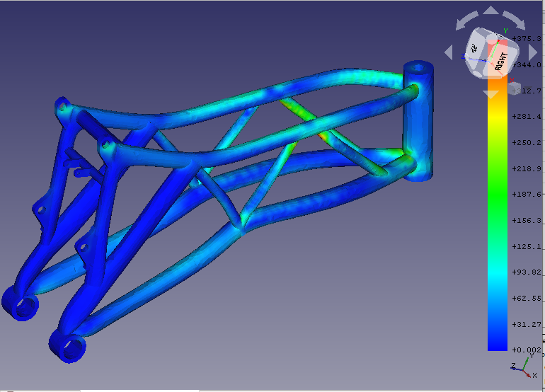
Solver time for the motorbike frame model with various mesh sizes
[sec]
*1 Inaccurate solution
( )*1
( )*1
( )*1
 | Solver Time
 | Tool | Solver |  | 1. small 30k nodes, 46k elems | 2. middle 187k nodes, 46k elems | 3. large 311k nodes, 177k elems
 | Calculix | iterativecholesky |  | 4.2 | 61.4 | 165.8
 | Calculix | spooles |  | 3.7 | 30.2 | 64.0
 | FrontISTR | CG w/ AMG |  | 2.6 | 26.7 | 52.9
 | FrontISTR | MUMPS |  | 2.7 | 18.4 | 35.1

 | Write Input Time + Total Time
 | Tool | Solver
 | Calculix | iterativecholesky |  | 11.6 | 86.3 | 208.1
 | Calculix | spooles |  | 11.1 | 55.1 | 105.4
 | FrontISTR | CG w/ AMG |  | 13.5 | 48.6 | 81.8
 | FrontISTR | MUMPS |  | 13.4 | 40.7 | 63.5

