Sheet1
 |  |  | Write Input Time | Solver Time(sec) | Total Time(sec) | Load Result Time
model | Solver | Matrix Solver | Tw (sec) | Ts (sec) | Tt (sec) | Tr (sec) | Max Mises(MPa) | iter | residual | threshold
1. small | Calculix | iterativecholesky | 4.8 | 8.6 | 18.7 | 10.1 | 334.16 | 151 | 2.02E-04 | 2.24E-04
 | Calculix | spooles | 4.3 | 13.4 | 23.1 | 9.7 | 334.16 | N/A | N/A | N/A
 | FrontISTR | CG w/ AMG | 6.9 | 5.8 | 14.3 | 8.5 | 334.16 | 11 | 6.64E-07 | 1.00E-06
 | FrontISTR | MUMPS | 6.1 | 7.0 | 15.3 | 8.3 | 334.16 | N/A | 2.25E-12 | N/A
2. middle | Calculix | iterativecholesky | 18.4 | 37.9 | 75.8 | 37.9 | 397.31 | 237 | 1.13E-04 | 1.24E-04
 | Calculix | spooles | 19.1 | 120.1 | 151.2 | 31.1 | 397.37 | N/A | N/A | N/A
 | FrontISTR | CG w/ AMG | 26.7 | 22.3 | 40.5 | 18.2 | 397.37 | 11 | 6.88E-07 | 1.00E-06
 | FrontISTR | MUMPS | 25.2 | 55.3 | 77.2 | 21.9 | 397.37 | N/A | 4.53E-12 | N/A
3. large | Calculix | iterativecholesky | 55.5 | 160.3 | 265.7 | 105.4 | 442.03 | 544 | 6.19E-05 | 6.50E-05
 | Calculix | spooles | 50.8 | 880.8 | N/A* | N/A* | N/A* | N/A | N/A | N/A
 | FrontISTR | CG w/ AMG | 79.4 | 198.0 | 256.3 | 58.3 | 442.02 | 12 | 3.06E-07 | 1.00E-06
 | FrontISTR | MUMPS | 74.4 | 590.5 | 651.5 | 61.0 | 442.02 | N/A | 9.37E-12 | N/A

 | *Problem on frd file import. No nodes found in frd file.
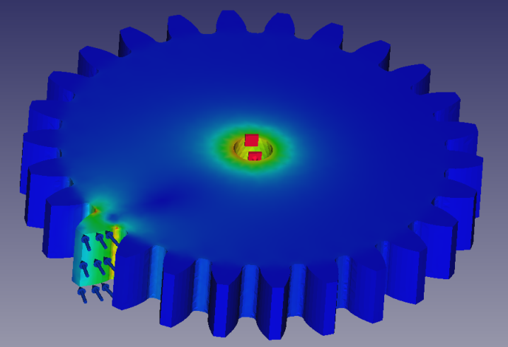
Solver time for the involute gear model with various mesh sizes
[sec]
*1 Failed to load result file
( )*1
 | Solver Time
 | Tool | Solver |  | 1. small 48k nodes, 36k elems | 2. middle 164k nodes, 69k elems | 3. large 434k nodes, 140k elems
 | Calculix | iterativecholesky |  | 8.6 | 37.9 | 160.3
 | Calculix | spooles |  | 13.4 | 120.1 | 880.8
 | FrontISTR | CG w/ AMG |  | 5.8 | 22.3 | 198.0
 | FrontISTR | MUMPS |  | 7.0 | 55.3 | 590.5

 | Write Input Time + Total Time
 | Tool | Solver |  | 1. small 48k nodes | 2. middle 164k nodes | 3. large 434k nodes
 | Calculix | iterativecholesky |  | 23.5 | 94.2 | 321.2
 | Calculix | spooles |  | 27.4 | 170.3 | #VALUE!
 | FrontISTR | CG w/ AMG |  | 21.2 | 67.2 | 335.7
 | FrontISTR | MUMPS |  | 21.4 | 102.4 | 725.9

