Sheet1
 |  |  | Write Input Time | Solver Time(sec) | Total Time(sec) | Load Result Time
model | Solver | Matrix Solver | Tw (sec) | Ts (sec) | Tt (sec) | Tr (sec) | Max Mises(MPa) | iter | residual | threshold
1. small | Calculix | iterativecholesky | 1.2 | 4.3 | 10.4 | 6.1 | 622.82 | 109 | 6.83E-01 | 6.89E-01
 | Calculix | spooles | 1.2 | 3.6 | 9.7 | 6.1 | 375.31 | N/A | N/A | N/A
 | FrontISTR | CG w/ AMG | 2.2 | 2.4 | 11.3 | 8.9 | 375.37 | 11 | 4.59E-07 | 1.00E-06
 | FrontISTR | MUMPS | 2.2 | 2.6 | 10.7 | 8.1 | 375.31 | N/A | 2.52E-15 | N/A
2. middle | Calculix | iterativecholesky | 4.0 | 61.4 | 82.3 | 20.9 | 1759.03 | 253 | 3.35E-01 | 3.42E-01
 | Calculix | spooles | 3.8 | 30.2 | 51.3 | 21.1 | 474.58 | N/A | N/A | N/A
 | FrontISTR | CG w/ AMG | 6.7 | 14.9 | 29.8 | 14.9 | 474.68 | 22 | 9.68E-07 | 1.00E-06
 | FrontISTR | MUMPS | 6.8 | 18.4 | 33.9 | 15.5 | 474.58 | N/A | 7.51E-15 | N/A
3. large | Calculix | iterativecholesky | 8.2 | 763.3 | 806.4 | 43.1 | 1171.69 | 5208 | 7.41E-03 | 7.52E-03
 | Calculix | spooles | 7.9 | 82.5 | 122.1 | 39.6 | 523.58 | N/A | N/A | N/A
 | FrontISTR | CG w/ AMG | 13.6 | 31.4 | 50.7 | 19.3 | 523.57 | 22 | 7.36E-07 | 1.00E-06
 | FrontISTR | MUMPS | 13.8 | 53.0 | 72.4 | 19.4 | 523.58 | N/A | 9.06E-15 | N/A

 | *Problem on frd file import. No nodes found in frd file.
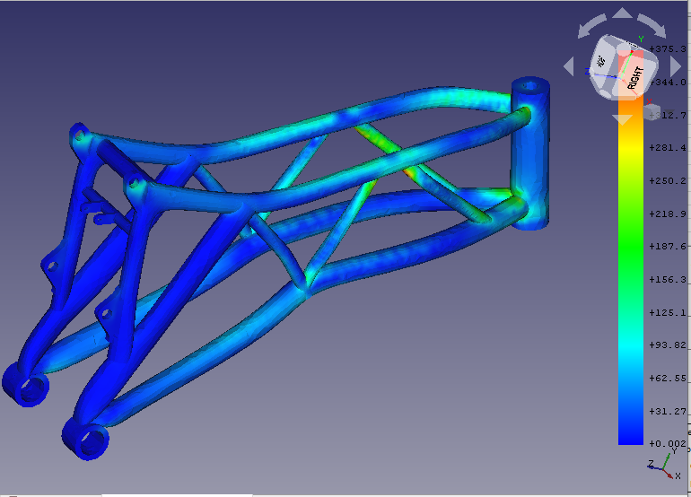
Solver time for the motorbike frame model with various mesh sizes
[sec]
*1 Inaccurate solution
(763.3)*1
( )*1
( )*1
[sec]
 | Solver Time
 | Tool | Solver |  | 1. small 30k nodes, 46k elems | 2. middle 187k nodes, 46k elems | 3. large 365k nodes, 77k elems
 | Calculix | iterativecholesky |  | 4.3 | 61.4 | 763.3
 | Calculix | spooles |  | 3.6 | 30.2 | 82.5
 | FrontISTR | CG w/ AMG |  | 2.4 | 14.9 | 31.4
 | FrontISTR | MUMPS |  | 2.6 | 18.4 | 53.0

 | Write Input Time + Total Time
 | Tool | Solver
 | Calculix | iterativecholesky |  | 11.6 | 86.3 | 814.6
 | Calculix | spooles |  | 10.9 | 55.1 | 130.0
 | FrontISTR | CG w/ AMG |  | 13.5 | 36.5 | 64.3
 | FrontISTR | MUMPS |  | 12.9 | 40.7 | 86.2

