modele
itération | Marqué | dist[0] | dist[1] | dist[2] | dist[3] | dist[4] | dist[5] | dist[6] | dist[7] | pred[0] | pred[1] | pred[2] | pred[3] | pred[4] | pred[5] | pred[6] | pred[7]
init | 0 | 0 | infini | infini | infini | infini | infini | infini | infini | 0 | null | null | null | null | null | null | null
1 | 0 | 0 | 6 | infini | 2 | infini | infini | 8 | infini | 0 | 0 | null | 0 | null | null | 0 | null
2 | 3 | 0 | 6 | infini | 2 | 3 | infini | 8 | infini | 0 | 0 | null | 0 | 3 | null | 0 | null
3 | 4 | 0 | 5 | 11 | 2 | 3 | 12 | 8 | infini | 0 | 4 | 4 | 0 | 3 | 4 | 0 | null
4 | 1 | 0 | 5 | 11 | 2 | 3 | 12 | 7 | infini | 0 | 4 | 4 | 0 | 3 | 4 | 1 | null
5 | 6 | 0 | 5 | 10 | 2 | 3 | 12 | 7 | 14 | 0 | 4 | 6 | 0 | 3 | 4 | 1 | 6
6 | 2 | 0 | 5 | 10 | 2 | 3 | 11 | 7 | 14 | 0 | 4 | 6 | 0 | 3 | 2 | 1 | 6
7 | 5 | 0 | 5 | 10 | 2 | 3 | 11 | 7 | 13 | 0 | 4 | 6 | 0 | 3 | 2 | 1 | 5
8 | 7 | 0 | 5 | 10 | 2 | 3 | 11 | 7 | 13 | 0 | 4 | 6 | 0 | 3 | 2 | 1 | 5

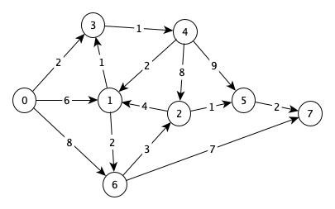

 |  | 0 | 1 | 2 | 3 | 4 | 5 | 6 | 7
 | 0 |  | 6 |  | 2
 | 1
 | 2
 | 3
 | 4
 | 5
 | 6
 | 7

