CoffeeOrders
Coffee orders
Row Labels | Count of item_name
Sandwich Ham&Cheese | 16
Espresso | 19
Sandwich Salami&Mozzarella | 19
Flat White | 27
Cold Coffee | 31
Hot Chocolate | 35
Iced Tea | 36
Caramel Macchiato | 37
Mocha | 38
Latte | 38
Lemonade | 40
Cappuccino | 40
White Mocha | 43
Cold Mocha | 47
N/A | 55
Grand Total | 521

InOrOut
"In" or "Out" distribution
Row Labels | Count of in_or_out
in | 203
N/A | 90
out | 228
Grand Total | 521

TotalSales
Total sales over time
Row Labels | Sum of item_price
12.Лют | 448.95
13.Лют | 287.85
14.Лют | 242.3
15.Лют | 264.7
16.Лют | 274.4
17.Лют | 339.25
Grand Total | 1857.45

TimeOrdered
Time ordered
Row Labels | Count of Hours2
7 | 77
8 | 74
9 | 64
10 | 27
11 | 25
12 | 80
13 | 76
14 | 45
15 | 27
16 | 20
17 | 6
Grand Total | 521

Dashboard
Coffee Sales



Загальний обсяг продажів по дням
 | Total
12.Лют | 448.95
13.Лют | 287.85
14.Лют | 242.3
15.Лют | 264.7
16.Лют | 274.4
17.Лют | 339.25
"Всередині" або "Зовні" розподіл
 | Total
in | 203
N/A | 90
out | 228

Кількість замовлення кави
 | Total
Sandwich Ham&Cheese | 16
Espresso | 19
Sandwich Salami&Mozzarella | 19
Flat White | 27
Cold Coffee | 31
Hot Chocolate | 35
Iced Tea | 36
Caramel Macchiato | 37
Mocha | 38
Latte | 38
Lemonade | 40
Cappuccino | 40
White Mocha | 43
Cold Mocha | 47
N/A | 55
Кількість замовлень за часом
 | Total
7 | 77
8 | 74
9 | 64
10 | 27
11 | 25
12 | 80
13 | 76
14 | 45
15 | 27
16 | 20
17 | 6

Tasks
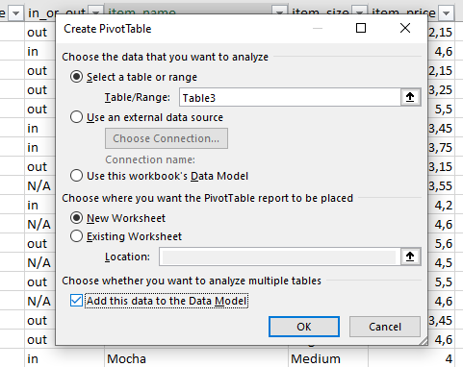
clean from N/A
insert more columns for analysis |  | 1. Using XLOOKUP I paired taibles into 1
 |  | 2. Cleaned the data from blanks and N/A
 |  | 3. Used IFERROR

1. Paired items with orders |  | Staff: Information on coffee shop staff, including their IDs, names, positions, and salary rates.
 |  | Shift: Details of work shifts, including shift IDs, days, start times, and end times.
2. pair with workers name according to coffe ordered date |  | Rota: Staff work schedules, linking staff members to specific shifts.

 | 1. What are the most popular Coffees | 1. Create Slicer
 | 2. What people prioritiza - drnk coffe "in" or "out"? | 2. Create Timeline
 | 3. Time and amount of orders during this time
 | 4. Orders by size

3. To select DISTINCT values in PivotTable --

