UK Net ave
Fuel Poverty threshold: UK weekly energy bill and average weekly income minus housing costs
 | average net weekly income after housing costs (£)[=average weekly earnings - housing costs] | total weekly energy (£) | weekly energy as % low net weekly earnings(£low income - £housing) | fuel poverty threshold
2010 | 394.02 | 17.97 | 4.5600437482 | 10.0
2011 | 402.68 | 19.62 | 4.8731871742 | 10.0
2012 | 404.40 | 21.29 | 5.2635013688 | 10.0
2013 | 406.08 | 22.59 | 5.5626494325 | 10.0
2014 | 411.45 | 23.14 | 5.6233082877 | 10.0
2015 | 422.78 | 22.22 | 5.2555761885 | 10.0
2016 | 430.98 | 21.09 | 4.8937427794 | 10.0
2017 | 437.63 | 21.86 | 4.9955362917 | 10.0
2018 | 449.85 | 23.23 | 5.1632565923 | 10.0
2019 | 463.20 | 24.48 | 5.2850897083 | 10.0
2020 | 471.96 | 23.65 | 5.0103761245 | 10.0
2021 | 503.21 | 25.08 | 4.9833641928 | 10.0
2022 | 520.45 | 39.80 | 7.6470636546 | 10.0

energy calculations
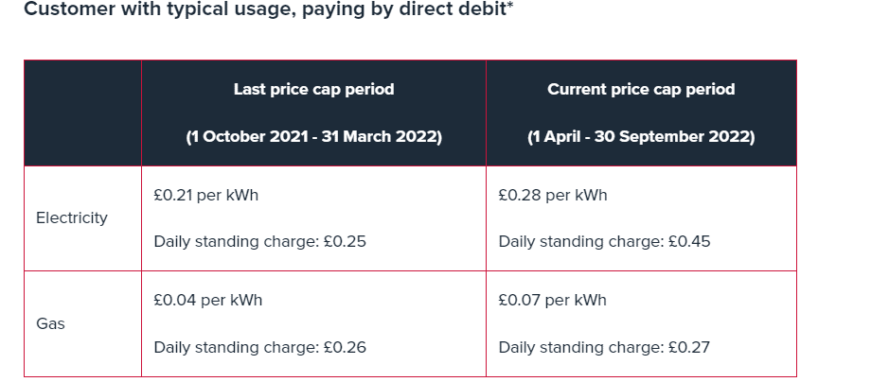
average usage elect kWh | 2900 | Southern Scotland
direct debit |  | 0.2784 | 807.36
 |  | 0.4965 | 181.2225
 |  |  | 988.5825

prepay |  | 0.276 | 800.4
 |  | 0.5456 | 199.144
 |  |  | 999.544

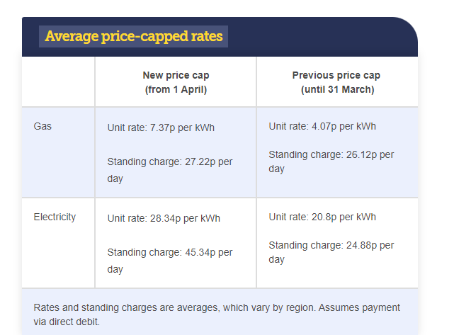
prepayment before 1 Apr |  | 0.2046 | 593.34
 |  | 0.2925 | 106.7625
 |  |  | 700.1025

prepayment post 1 Apr |  | 0.2811 | 815.19
 |  | 0.5027 | 183.4855
 |  |  | 998.6755
 | Electricity |  |  | Gas |  |  | vat: | 0.05
 |  | avg annual consumption kWh | 2900 |  | avg annual consumption kWh | 12000 | total energy | tot + Vat
direct debit beofre 1 Apr | Unit charge | 0.208 | 603.2 | Unit charge | 0.0407 | 488.4
 | Standing charge | 0.2488 | 90.812 | Standing charge | 0.2612 | 95.338
 |  |  | 694.012 |  |  | 583.738 | 1277.75 | 1341.6375

direct debit post 1 Apr | Unit charge | 0.2834 | 821.86 | Unit charge | 0.0737 | 884.4
 | Standing charge | 0.4534 | 165.491 | Standing charge | 0.2722 | 99.353
 |  |  | 987.351 |  |  | 983.753 | 1971.104 | 2069.6592

halve energy consumption
direct debit post 1 Apr | Unit charge | 0.2834 | 410.93 | Unit charge | 0.0737 | 442.2
 | Standing charge | 0.4534 | 165.491 | Standing charge | 0.2722 | 99.353
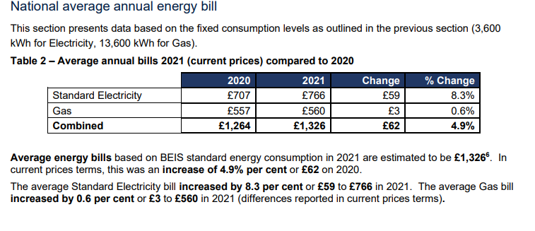
 |  |  | 576.421 |  |  | 541.553 | 1117.974 | 1173.8727
 |  |  |  |  |  |  | % of full consumption | 56.7

https://www.ofgem.gov.uk/information-consumers/energy-advice-households/check-if-energy-price-cap-affects-you

UK Net low inc halve energy use
Fuel Poverty threshold: UK weekly energy bill and low weekly income minus housing costs
 | low net weekly income after housing costs (£) [=60% average weekly pay - housing costs] | total weekly energy (£) | weekly energy as % low net weekly earnings(£low income - £housing) | halved energy % of (£low income - £housing) | fuel poverty threshold
2010 | 216.25 | 17.97 | 8.3 | 4.7 | 10.0
2011 | 220.85 | 19.62 | 8.9 | 5.0 | 10.0
2012 | 220.20 | 21.29 | 9.7 | 5.4 | 10.0
2013 | 219.85 | 22.59 | 10.3 | 5.8 | 10.0
2014 | 223.15 | 23.14 | 10.4 | 5.8 | 10.0
2015 | 229.95 | 22.22 | 9.7 | 5.4 | 10.0
2016 | 233.55 | 21.09 | 9.0 | 5.1 | 10.0
2017 | 235.70 | 21.86 | 9.3 | 5.2 | 10.0
2018 | 241.95 | 23.23 | 9.6 | 5.4 | 10.0
2019 | 248.20 | 24.48 | 9.9 | 5.5 | 10.0
2020 | 253.16 | 23.65 | 9.3 | 5.2 | 10.0
2021 | 271.61 | 25.08 | 9.2 | 5.2 | 10.0
2022 | 281.65 | 39.80 | 14.1 | 7.9 | 10.0

earnings_energy_comparison
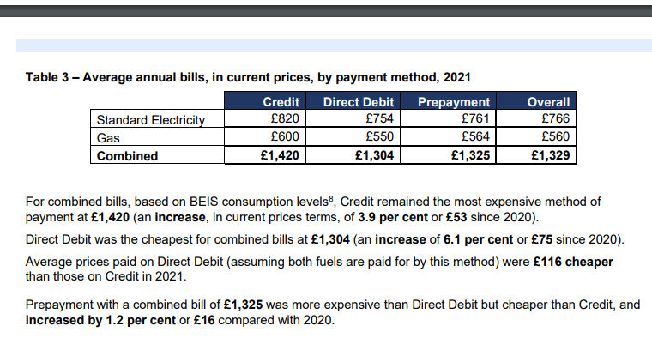
 | See Notes and references tab for details
year | average weekly earnings | AHC | 60% AHC - this would then reduce housing costs by 60% too…. | Low income : 60% of average weekly earnings | housing costs (£) | yearly change in housing costs (%) | low net weekly income after housing costs (£) [=60% average weekly pay - housing costs] | yearly change in net low income (%) | average electricity (DD) annual (GBP) | average gas (DD) annual (GBP) | total annual energy bill | average electricity (DD) weekly | average gas(DD) weekly | total weekly energy (£) | weekly energy as % low income | weekly energy as % low net weekly earnings(£low income - £housing) | reduce energy by half (£)(56% bill to reflect standing charges) | halved energy % of (£low income - £housing) | fuel poverty threshold | average net weekly income after housing costs (£)[=average weekly earnings - housing costs] | weekly energy as % low net weekly earnings(£low income - £housing)
2010 | 444.42 | 394.02 | 236.41 | 266.65 | 50.4 |  | 216.25 |  | 431 | 503 | 934 | 8.29 | 9.67 | 17.97 | 6.7 | 8.3 | 10.06170613 | 4.7 | 10.0 | 394.02 | 4.5600437482
2011 | 454.58 | 402.68 | 241.61 | 272.75 | 51.9 | 2.98 | 220.85 | 2.13 | 469 | 551 | 1020 | 9.03 | 10.60 | 19.62 | 7.2 | 8.9 | 10.98916703 | 5.0 | 10.0 | 402.68 | 4.8731871742
2012 | 460.50 | 404.40 | 242.64 | 276.30 | 56.1 | 8.09 | 220.20 | -0.29 | 497 | 610 | 1107 | 9.55 | 11.73 | 21.29 | 7.7 | 9.7 | 11.91993574 | 5.4 | 10.0 | 404.40 | 5.2635013688
2013 | 465.58 | 406.08 | 243.65 | 279.35 | 59.5 | 6.06 | 219.85 | -0.16 | 531 | 644 | 1175 | 10.20 | 12.38 | 22.59 | 8.1 | 10.3 | 12.649835653 | 5.8 | 10.0 | 406.08 | 5.5626494325
2014 | 470.75 | 411.45 | 246.87 | 282.45 | 59.3 | -0.34 | 223.15 | 1.50 | 542 | 661 | 1203 | 10.43 | 12.71 | 23.14 | 8.2 | 10.4 | 12.956777092 | 5.8 | 10.0 | 411.45 | 5.6233082877
2015 | 482.08 | 422.78 | 253.67 | 289.25 | 59.3 | 0.00 | 229.95 | 3.05 | 531 | 624 | 1155 | 10.22 | 12.00 | 22.22 | 7.7 | 9.7 | 12.443032109 | 5.4 | 10.0 | 422.78 | 5.2555761885
2016 | 493.58 | 430.98 | 258.59 | 296.15 | 62.60 | 5.56 | 233.55 | 1.57 | 533 | 564 | 1097 | 10.25 | 10.85 | 21.09 | 7.1 | 9.0 | 11.811080823 | 5.1 | 10.0 | 430.98 | 4.8937427794
2017 | 504.83 | 437.63 | 262.58 | 302.90 | 67.20 | 7.35 | 235.70 | 0.92 | 576 | 561 | 1137 | 11.07 | 10.79 | 21.86 | 7.2 | 9.3 | 12.242793915 | 5.2 | 10.0 | 437.63 | 4.9955362917
2018 | 519.75 | 449.85 | 269.91 | 311.85 | 69.90 | 4.02 | 241.95 | 2.65 | 628 | 580 | 1208 | 12.07 | 11.15 | 23.23 | 7.4 | 9.6 | 13.007069477 | 5.4 | 10.0 | 449.85 | 5.1632565923
2019 | 537.50 | 463.20 | 277.92 | 322.50 | 74.30 | 6.29 | 248.20 | 2.58 | 682 | 591 | 1273 | 13.12 | 11.37 | 24.48 | 7.6 | 9.9 | 13.709099896 | 5.5 | 10.0 | 463.20 | 5.2850897083
2020 | 547.00 | 471.96 | 283.17 | 328.20 | 75.04 | 1.00 | 253.16 | 2.00 | 690 | 540 | 1230 | 13.26 | 10.38 | 23.65 | 7.2 | 9.3 | 13.242219674 | 5.2 | 10.0 | 471.96 | 5.0103761245
2021 | 579.00 | 503.21 | 301.92 | 347.40 | 75.79 | 1.00 | 271.61 | 7.29 | 754 | 550 | 1304 | 14.50 | 10.58 | 25.08 | 7.2 | 9.2 | 14.042904974 | 5.2 | 10.0 | 503.21 | 4.9833641928
2022 | 597.00 | 520.45 | 312.27 | 358.20 | 76.55 | 1.00 | 281.65 | 3.70 |  |  | 2069.55 |  |  | 39.80 | 11.1 | 14.1 | 22.287461538 | 7.9 | 10.0 | 520.45 | 7.6470636546
 |  |  |  |  |  |  |  |  |  |  |  |  |  |  |  | =FUEL POVERTY
 |  |  |  |  | * need to find recent values for this - assumed 2019 levels but they will have risen
 |  |  |  |  | assume 1% increase per year
 |  |  |  |  | * used the energy cap of April 2022
Notes:
 | All bills are calculated using an annual consumption of 13,600 kWh. Figures are inclusive of VAT.

annual: | 31044 |  |  | 18626.4

these screenshots are from https://assets.publishing.service.gov.uk/government/uploads/system/uploads/attachment_data/file/1064828/quarterly-energy-prices-march-2022.pdf

UK Net low income weekly energy
UK net low income and weekly energy
 | low net weekly income after housing costs (£) [=60% average weekly pay - housing costs] | total weekly energy (£) | weekly energy as % low net weekly earnings(£low income - £housing)
2010 | 216.25 | 17.97 | 8.3
2011 | 220.85 | 19.62 | 8.9
2012 | 220.20 | 21.29 | 9.7
2013 | 219.85 | 22.59 | 10.3
2014 | 223.15 | 23.14 | 10.4
2015 | 229.95 | 22.22 | 9.7
2016 | 233.55 | 21.09 | 9.0
2017 | 235.70 | 21.86 | 9.3
2018 | 241.95 | 23.23 | 9.6
2019 | 248.20 | 24.48 | 9.9
2020 | 253.16 | 23.65 | 9.3
2021 | 271.61 | 25.08 | 9.2
2022 | 281.65 | 39.80 | 14.1

median weekly pay agg by year
Average Weekly Pay, UK 2000-2022
Average of weekly pay
year | Total
2000 | 313.25
2001 | 329.58
2002 | 340.00
2003 | 351.00
2004 | 366.08
2005 | 383.00
2006 | 400.83
2007 | 420.58
2008 | 435.50
2009 | 435.00
2010 | 444.42
2011 | 454.58
2012 | 460.50
2013 | 465.58
2014 | 470.75
2015 | 482.08
2016 | 493.58
2017 | 504.83
2018 | 519.75
2019 | 537.50
2020 | 547.00
2021 | 579.00
2022 | 597.00
Grand Total | 443.63533835

weeklypay_data
Figure 1: Average weekly earnings for total pay was £598 and regular pay was £556 in February 2022, showing a steady increase over time (except for early on in the coronavirus pandemic)
Average weekly earnings in Great Britain, seasonally adjusted, January 2000 to February 2022

Notes
Unit |  | £

month | year | weekly pay | Regular pay
Jan | 2000 | 307 | 293
Feb | 2000 | 300 | 293
Mar | 2000 | 310 | 293
Apr | 2000 | 310 | 293
May | 2000 | 312 | 294
Jun | 2000 | 311 | 295
Jul | 2000 | 314 | 296
Aug | 2000 | 315 | 297
Sep | 2000 | 317 | 299
Oct | 2000 | 318 | 300
Nov | 2000 | 320 | 302
Dec | 2000 | 325 | 303
Jan | 2001 | 324 | 304
Feb | 2001 | 326 | 304
Mar | 2001 | 325 | 306
Apr | 2001 | 328 | 309
May | 2001 | 328 | 309
Jun | 2001 | 329 | 310
Jul | 2001 | 329 | 311
Aug | 2001 | 331 | 313
Sep | 2001 | 332 | 314
Oct | 2001 | 333 | 315
Nov | 2001 | 334 | 316
Dec | 2001 | 336 | 316
Jan | 2002 | 336 | 317
Feb | 2002 | 335 | 320
Mar | 2002 | 335 | 321
Apr | 2002 | 338 | 321
May | 2002 | 340 | 322
Jun | 2002 | 341 | 324
Jul | 2002 | 342 | 324
Aug | 2002 | 342 | 323
Sep | 2002 | 342 | 324
Oct | 2002 | 342 | 325
Nov | 2002 | 343 | 326
Dec | 2002 | 344 | 325
Jan | 2003 | 345 | 328
Feb | 2003 | 343 | 329
Mar | 2003 | 348 | 330
Apr | 2003 | 349 | 331
May | 2003 | 349 | 332
Jun | 2003 | 350 | 333
Jul | 2003 | 351 | 334
Aug | 2003 | 353 | 335
Sep | 2003 | 354 | 336
Oct | 2003 | 356 | 337
Nov | 2003 | 356 | 338
Dec | 2003 | 358 | 339
Jan | 2004 | 359 | 340
Feb | 2004 | 354 | 340
Mar | 2004 | 361 | 341
Apr | 2004 | 364 | 343
May | 2004 | 364 | 344
Jun | 2004 | 365 | 345
Jul | 2004 | 367 | 346
Aug | 2004 | 368 | 348
Sep | 2004 | 371 | 348
Oct | 2004 | 373 | 350
Nov | 2004 | 373 | 351
Dec | 2004 | 374 | 353
Jan | 2005 | 377 | 354
Feb | 2005 | 374 | 354
Mar | 2005 | 377 | 357
Apr | 2005 | 378 | 357
May | 2005 | 381 | 358
Jun | 2005 | 381 | 359
Jul | 2005 | 384 | 361
Aug | 2005 | 387 | 363
Sep | 2005 | 388 | 364
Oct | 2005 | 388 | 365
Nov | 2005 | 390 | 366
Dec | 2005 | 391 | 366
Jan | 2006 | 393 | 368
Feb | 2006 | 397 | 369
Mar | 2006 | 398 | 370
Apr | 2006 | 396 | 371
May | 2006 | 398 | 373
Jun | 2006 | 402 | 375
Jul | 2006 | 401 | 374
Aug | 2006 | 401 | 375
Sep | 2006 | 401 | 377
Oct | 2006 | 404 | 379
Nov | 2006 | 406 | 380
Dec | 2006 | 413 | 381
Jan | 2007 | 421 | 382
Feb | 2007 | 426 | 384
Mar | 2007 | 417 | 385
Apr | 2007 | 413 | 386
May | 2007 | 416 | 388
Jun | 2007 | 419 | 390
Jul | 2007 | 420 | 392
Aug | 2007 | 421 | 393
Sep | 2007 | 423 | 394
Oct | 2007 | 421 | 394
Nov | 2007 | 425 | 396
Dec | 2007 | 425 | 397
Jan | 2008 | 439 | 398
Feb | 2008 | 445 | 400
Mar | 2008 | 440 | 402
Apr | 2008 | 430 | 404
May | 2008 | 433 | 403
Jun | 2008 | 432 | 404
Jul | 2008 | 434 | 405
Aug | 2008 | 434 | 406
Sep | 2008 | 434 | 407
Oct | 2008 | 435 | 408
Nov | 2008 | 434 | 409
Dec | 2008 | 436 | 409
Jan | 2009 | 434 | 409
Feb | 2009 | 419 | 410
Mar | 2009 | 435 | 410
Apr | 2009 | 437 | 411
May | 2009 | 436 | 412
Jun | 2009 | 436 | 412
Jul | 2009 | 435 | 411
Aug | 2009 | 436 | 411
Sep | 2009 | 437 | 413
Oct | 2009 | 437 | 413
Nov | 2009 | 439 | 413
Dec | 2009 | 439 | 415
Jan | 2010 | 440 | 417
Feb | 2010 | 442 | 416
Mar | 2010 | 442 | 418
Apr | 2010 | 442 | 417
May | 2010 | 444 | 417
Jun | 2010 | 444 | 418
Jul | 2010 | 443 | 420
Aug | 2010 | 445 | 421
Sep | 2010 | 447 | 422
Oct | 2010 | 447 | 422
Nov | 2010 | 448 | 423
Dec | 2010 | 449 | 423
Jan | 2011 | 453 | 426
Feb | 2011 | 453 | 425
Mar | 2011 | 453 | 425
Apr | 2011 | 452 | 426
May | 2011 | 453 | 427
Jun | 2011 | 457 | 426
Jul | 2011 | 456 | 427
Aug | 2011 | 454 | 427
Sep | 2011 | 454 | 429
Oct | 2011 | 456 | 430
Nov | 2011 | 457 | 430
Dec | 2011 | 457 | 431
Jan | 2012 | 455 | 430
Feb | 2012 | 457 | 432
Mar | 2012 | 457 | 433
Apr | 2012 | 460 | 433
May | 2012 | 460 | 434
Jun | 2012 | 462 | 435
Jul | 2012 | 463 | 435
Aug | 2012 | 464 | 436
Sep | 2012 | 462 | 435
Oct | 2012 | 462 | 435
Nov | 2012 | 463 | 436
Dec | 2012 | 461 | 436
Jan | 2013 | 461 | 434
Feb | 2013 | 462 | 435
Mar | 2013 | 456 | 436
Apr | 2013 | 475 | 438
May | 2013 | 468 | 438
Jun | 2013 | 467 | 438
Jul | 2013 | 466 | 439
Aug | 2013 | 466 | 438
Sep | 2013 | 466 | 438
Oct | 2013 | 466 | 439
Nov | 2013 | 466 | 438
Dec | 2013 | 468 | 441
Jan | 2014 | 469 | 441
Feb | 2014 | 472 | 440
Mar | 2014 | 461 | 439
Apr | 2014 | 469 | 440
May | 2014 | 469 | 441
Jun | 2014 | 470 | 441
Jul | 2014 | 468 | 441
Aug | 2014 | 470 | 443
Sep | 2014 | 473 | 446
Oct | 2014 | 475 | 447
Nov | 2014 | 475 | 445
Dec | 2014 | 478 | 447
Jan | 2015 | 476 | 448
Feb | 2015 | 479 | 450
Mar | 2015 | 480 | 451
Apr | 2015 | 481 | 452
May | 2015 | 482 | 452
Jun | 2015 | 481 | 453
Jul | 2015 | 484 | 454
Aug | 2015 | 484 | 454
Sep | 2015 | 483 | 454
Oct | 2015 | 484 | 454
Nov | 2015 | 484 | 455
Dec | 2015 | 487 | 457
Jan | 2016 | 489 | 459
Feb | 2016 | 486 | 460
Mar | 2016 | 492 | 461
Apr | 2016 | 493 | 463
May | 2016 | 493 | 462
Jun | 2016 | 493 | 464
Jul | 2016 | 496 | 464
Aug | 2016 | 495 | 465
Sep | 2016 | 495 | 466
Oct | 2016 | 497 | 466
Nov | 2016 | 498 | 467
Dec | 2016 | 496 | 467
Jan | 2017 | 497 | 468
Feb | 2017 | 499 | 468
Mar | 2017 | 502 | 469
Apr | 2017 | 502 | 471
May | 2017 | 503 | 473
Jun | 2017 | 507 | 473
Jul | 2017 | 504 | 474
Aug | 2017 | 507 | 475
Sep | 2017 | 509 | 476
Oct | 2017 | 508 | 477
Nov | 2017 | 509 | 478
Dec | 2017 | 511 | 479
Jan | 2018 | 510 | 480
Feb | 2018 | 513 | 482
Mar | 2018 | 519 | 484
Apr | 2018 | 513 | 484
May | 2018 | 515 | 485
Jun | 2018 | 518 | 486
Jul | 2018 | 520 | 489
Aug | 2018 | 523 | 491
Sep | 2018 | 524 | 491
Oct | 2018 | 530 | 494
Nov | 2018 | 525 | 494
Dec | 2018 | 527 | 495
Jan | 2019 | 529 | 498
Feb | 2019 | 531 | 498
Mar | 2019 | 533 | 499
Apr | 2019 | 533 | 503
May | 2019 | 535 | 504
Jun | 2019 | 538 | 506
Jul | 2019 | 541 | 507
Aug | 2019 | 540 | 508
Sep | 2019 | 546 | 509
Oct | 2019 | 542 | 509
Nov | 2019 | 542 | 510
Dec | 2019 | 540 | 511
Jan | 2020 | 545 | 511
Feb | 2020 | 546 | 512
Mar | 2020 | 542 | 510
Apr | 2020 | 527 | 502
May | 2020 | 528 | 503
Jun | 2020 | 530 | 505
Jul | 2020 | 540 | 512
Aug | 2020 | 550 | 518
Sep | 2020 | 557 | 524
Oct | 2020 | 562 | 528
Nov | 2020 | 570 | 531
Dec | 2020 | 567 | 533
Jan | 2021 | 568 | 533
Feb | 2021 | 567 | 535
Mar | 2021 | 568 | 536
Apr | 2021 | 572 | 540
May | 2021 | 575 | 540
Jun | 2021 | 577 | 541
Jul | 2021 | 579 | 542
Aug | 2021 | 582 | 544
Sep | 2021 | 584 | 546
Oct | 2021 | 586 | 548
Nov | 2021 | 590 | 550
Dec | 2021 | 600 | 553
Jan | 2022 | 596 | 556
Feb | 2022 | 598 | 556

