2021
 |  | Fulton County Government |  |  |  |  |  |  |  | Report-08-BLDG - Monthly Trends—One Page Per Year - Sites

Jan 2021 - Dec 2021
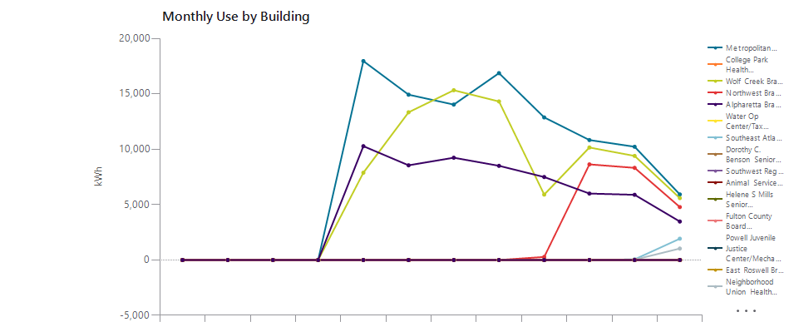

 |  |  | Jan | Feb | Mar | Apr | May | Jun | Jul |  | Aug | Sep | Oct | Nov | Dec | Total
 | Metropolitan Branch |  | 0 | 0 | 0 | 0 | 17,959 | 14,924 | 14,029 |  | 16,868 | 12,873 | 10,830 | 10,225 | 5,920 | 103,628
 | College Park Health Center |  | 0 | 0 | 0 | 0 | 0 | 0 | 0 |  | 0 | 0 | 0 | 0 | 0 | 0
 | Wolf Creek Branch |  | 0 | 0 | 0 | 0 | 7,882 | 13,335 | 15,325 |  | 14,312 | 5,904 | 10,156 | 9,396 | 5,591 | 81,900
 | Northwest Branch |  | 0 | 0 | 0 | 0 | 0 | 0 | 0 |  | 0 | 278 | 8,634 | 8,318 | 4,778 | 22,008
 | Alpharetta Branch |  | 0 | 0 | 0 | 0 | 10,275 | 8,547 | 9,233 |  | 8,503 | 7,492 | 5,998 | 5,888 | 3,474 | 59,408
 | Water Op Center/Tax Commissioner |  | 0 | 0 | 0 | 0 | 0 | 0 | 0 |  | 0 | 0 | 0 | 0 | 0 | 0
 | Southeast Atlanta Branch |  | 0 | 0 | 0 | 0 | 0 | 0 | 0 |  | 0 | 0 | 0 | 61 | 1,923 | 1,985
 | Dorothy C. Benson Senior Multipurpose Complex |  | 0 | 0 | 0 | 0 | 0 | 0 | 0 |  | 0 | 0 | 0 | 0 | 0 | 0
 | Southwest Regional Branch |  | 0 | 0 | 0 | 0 | 0 | 0 | 0 |  | 0 | 0 | 0 | 0 | 0 | 0
 | Animal Services Facility |  | 0 | 0 | 0 | 0 | 0 | 0 | 0 |  | 0 | 0 | 0 | 0 | 0 | 0
 | Helene S Mills Senior Multipurpose Facility |  | 0 | 0 | 0 | 0 | 0 | 0 | 0 |  | 0 | 0 | 0 | 0 | 0 | 0
 | Fulton County Board of Health |  | 0 | 0 | 0 | 0 | 0 | 0 | 0 |  | 0 | 0 | 0 | 0 | 0 | 0
 | Powell Juvenile Justice Center/Mechanicsville Lib |  | 0 | 0 | 0 | 0 | 0 | 0 | 0 |  | 0 | 0 | 0 | 0 | 0 | 0
 | East Roswell Branch |  | 0 | 0 | 0 | 0 | 0 | 0 | 0 |  | 0 | 0 | 0 | 0 | 0 | 0
 | Neighborhood Union Health Center |  | 0 | 0 | 0 | 0 | 0 | 0 | 0 |  | 0 | 0 | 0 | 33 | 1,035 | 1,068
 | Union City Jail |  | 0 | 0 | 0 | 0 | 0 | 0 | 0 |  | 0 | 0 | 0 | 0 | 0 | 0
 | Gladys S. Dennard Library at South Fulton |  | 0 | 0 | 0 | 0 | 0 | 0 | 0 |  | 0 | 0 | 0 | 0 | 0 | 0
 | Aviation Culture Center |  | 0 | 0 | 0 | 0 | 0 | 0 | 0 |  | 0 | 0 | 0 | 0 | 0 | 0
 | South Fulton Service Center |  | 0 | 0 | 0 | 0 | 0 | 0 | 0 |  | 0 | 0 | 0 | 0 | 0 | 0
 | Medical Examiners Facility |  | 0 | 0 | 0 | 0 | 0 | 0 | 0 |  | 0 | 0 | 0 | 0 | 0 | 0
 | Sandy Springs Branch |  | 0 | 0 | 0 | 0 | 0 | 0 | 0 |  | 0 | 0 | 0 | 0 | 0 | 0
 | HJC Bowden Senior Multi-Purpose Facility |  | 0 | 0 | 0 | 0 | 0 | 0 | 0 |  | 0 | 0 | 0 | 0 | 0 | 0
 | Milton Branch |  | 0 | 0 | 0 | 0 | 0 | 0 | 0 |  | 0 | 0 | 0 | 0 | 0 | 0
 | Ponce De Leon Branch |  | 0 | 0 | 0 | 0 | 0 | 0 | 0 |  | 0 | 0 | 0 | 0 | 0 | 0
 | Northeast Spruill Oaks Branch |  | 0 | 0 | 0 | 0 | 0 | 0 | 0 |  | 0 | 0 | 0 | 0 | 0 | 0
 | QLS Center for Senior Citizens |  | 0 | 0 | 0 | 0 | 0 | 0 | 0 |  | 0 | 0 | 0 | 0 | 0 | 0
 | North Fulton Service Center |  | 0 | 0 | 0 | 0 | 0 | 0 | 0 |  | 0 | 0 | 0 | 0 | 0 | 0
 | New Beginnings Neighborhood Senior Center |  | 0 | 0 | 0 | 0 | 0 | 0 | 0 |  | 0 | 0 | 0 | 0 | 0 | 0
 | Dogwood Branch |  | 0 | 0 | 0 | 0 | 0 | 0 | 0 |  | 0 | 0 | 0 | 0 | 0 | 0
 | Adamsville/Collier Heights Branch |  | 0 | 0 | 0 | 0 | 0 | 0 | 0 |  | 0 | 0 | 0 | 0 | 0 | 0
 | Palmetto Branch |  | 0 | 0 | 0 | 0 | 0 | 0 | 0 |  | 0 | 0 | 0 | 0 | 0 | 0
 | College Park Branch |  | 0 | 0 | 0 | 0 | 0 | 0 | 0 |  | 0 | 0 | 0 | 0 | 0 | 0
 | Dogwood Senior Center |  | 0 | 0 | 0 | 0 | 0 | 0 | 0 |  | 0 | 0 | 0 | 0 | 0 | 0
 | Adams Park Branch |  | 0 | 0 | 0 | 0 | 0 | 0 | 0 |  | 0 | 0 | 0 | 0 | 0 | 0
 | Ocee Branch |  | 0 | 0 | 0 | 0 | 0 | 0 | 0 |  | 0 | 0 | 0 | 0 | 0 | 0
 | Cleveland Avenue Branch |  | 0 | 0 | 0 | 0 | 0 | 0 | 0 |  | 0 | 0 | 0 | 0 | 0 | 0
 | Buckhead Branch |  | 0 | 0 | 0 | 0 | 0 | 0 | 0 |  | 0 | 0 | 0 | 0 | 0 | 0
 | Southeast Neighborhood Senior Center |  | 0 | 0 | 0 | 0 | 0 | 0 | 0 |  | 0 | 0 | 0 | 0 | 0 | 0
 | Northside Branch |  | 0 | 0 | 0 | 0 | 0 | 0 | 0 |  | 0 | 0 | 0 | 0 | 0 | 0
 | Hapeville Branch |  | 0 | 0 | 0 | 0 | 0 | 0 | 0 |  | 0 | 0 | 0 | 0 | 0 | 0
 | Auburn Avenue Research Branch |  | 0 | 0 | 0 | 0 | 0 | 0 | 0 |  | 0 | 0 | 0 | 0 | 0 | 0

 | Total |  | 0 | 0 | 0 | 0 | 36,115 | 36,807 | 38,587 |  | 39,682 | 26,546 | 35,618 | 33,921 | 22,721 | 269,997

2022
 |  | Fulton County Government |  |  |  |  |  |  |  | Report-08-BLDG - Monthly Trends—One Page Per Year - Sites

Jan 2022 - Dec 2022
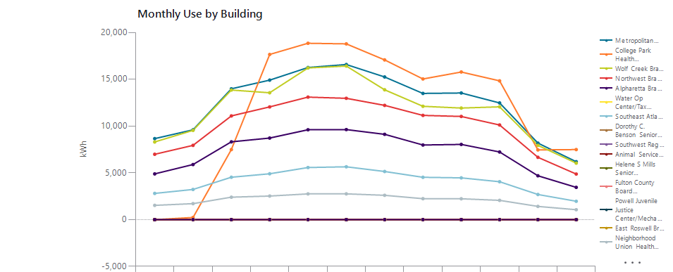

 |  |  | Jan | Feb | Mar | Apr | May | Jun | Jul |  | Aug | Sep | Oct | Nov | Dec | Total
 | Metropolitan Branch |  | 8,656 | 9,598 | 13,981 | 14,907 | 16,255 | 16,575 | 15,245 |  | 13,485 | 13,535 | 12,471 | 8,180 | 6,191 | 149,079
 | College Park Health Center |  | 0 | 230 | 7,489 | 17,650 | 18,847 | 18,780 | 17,069 |  | 15,031 | 15,775 | 14,830 | 7,452 | 7,487 | 140,639
 | Wolf Creek Branch |  | 8,301 | 9,537 | 13,848 | 13,558 | 16,207 | 16,412 | 13,876 |  | 12,110 | 11,924 | 12,053 | 7,940 | 6,039 | 141,806
 | Northwest Branch |  | 6,983 | 7,937 | 11,083 | 12,046 | 13,092 | 12,966 | 12,210 |  | 11,139 | 11,025 | 10,115 | 6,660 | 4,872 | 120,128
 | Alpharetta Branch |  | 4,888 | 5,889 | 8,315 | 8,717 | 9,605 | 9,625 | 9,117 |  | 7,975 | 8,038 | 7,231 | 4,688 | 3,449 | 87,538
 | Water Op Center/Tax Commissioner |  | 0 | 0 | 0 | 0 | 0 | 0 | 0 |  | 0 | 0 | 0 | 0 | 0 | 0
 | Southeast Atlanta Branch |  | 2,802 | 3,226 | 4,532 | 4,902 | 5,568 | 5,649 | 5,146 |  | 4,527 | 4,466 | 4,051 | 2,688 | 1,964 | 49,520
 | Dorothy C. Benson Senior Multipurpose Complex |  | 0 | 0 | 0 | 0 | 0 | 0 | 0 |  | 0 | 0 | 0 | 0 | 0 | 0
 | Southwest Regional Branch |  | 0 | 0 | 0 | 0 | 0 | 0 | 0 |  | 0 | 0 | 0 | 0 | 0 | 0
 | Animal Services Facility |  | 0 | 0 | 0 | 0 | 0 | 0 | 0 |  | 0 | 0 | 0 | 0 | 0 | 0
 | Helene S Mills Senior Multipurpose Facility |  | 0 | 0 | 0 | 0 | 0 | 0 | 0 |  | 0 | 0 | 0 | 0 | 0 | 0
 | Fulton County Board of Health |  | 0 | 0 | 0 | 0 | 0 | 0 | 0 |  | 0 | 0 | 0 | 0 | 0 | 0
 | Powell Juvenile Justice Center/Mechanicsville Lib |  | 0 | 0 | 0 | 0 | 0 | 0 | 0 |  | 0 | 0 | 0 | 0 | 0 | 0
 | East Roswell Branch |  | 0 | 0 | 0 | 0 | 0 | 0 | 0 |  | 0 | 0 | 0 | 0 | 0 | 0
 | Neighborhood Union Health Center |  | 1,528 | 1,710 | 2,401 | 2,523 | 2,750 | 2,757 | 2,600 |  | 2,241 | 2,230 | 2,062 | 1,416 | 1,061 | 25,277
 | Union City Jail |  | 0 | 0 | 0 | 0 | 0 | 0 | 0 |  | 0 | 0 | 0 | 0 | 0 | 0
 | Gladys S. Dennard Library at South Fulton |  | 0 | 0 | 0 | 0 | 0 | 0 | 0 |  | 0 | 0 | 0 | 0 | 0 | 0
 | Aviation Culture Center |  | 0 | 0 | 0 | 0 | 0 | 0 | 0 |  | 0 | 0 | 0 | 0 | 0 | 0
 | South Fulton Service Center |  | 0 | 0 | 0 | 0 | 0 | 0 | 0 |  | 0 | 0 | 0 | 0 | 0 | 0
 | Medical Examiners Facility |  | 0 | 0 | 0 | 0 | 0 | 0 | 0 |  | 0 | 0 | 0 | 0 | 0 | 0
 | Sandy Springs Branch |  | 0 | 0 | 0 | 0 | 0 | 0 | 0 |  | 0 | 0 | 0 | 0 | 0 | 0
 | HJC Bowden Senior Multi-Purpose Facility |  | 0 | 0 | 0 | 0 | 0 | 0 | 0 |  | 0 | 0 | 0 | 0 | 0 | 0
 | Milton Branch |  | 0 | 0 | 0 | 0 | 0 | 0 | 0 |  | 0 | 0 | 0 | 0 | 0 | 0
 | Ponce De Leon Branch |  | 0 | 0 | 0 | 0 | 0 | 0 | 0 |  | 0 | 0 | 0 | 0 | 0 | 0
 | Northeast Spruill Oaks Branch |  | 0 | 0 | 0 | 0 | 0 | 0 | 0 |  | 0 | 0 | 0 | 0 | 0 | 0
 | QLS Center for Senior Citizens |  | 0 | 0 | 0 | 0 | 0 | 0 | 0 |  | 0 | 0 | 0 | 0 | 0 | 0
 | North Fulton Service Center |  | 0 | 0 | 0 | 0 | 0 | 0 | 0 |  | 0 | 0 | 0 | 0 | 0 | 0
 | New Beginnings Neighborhood Senior Center |  | 0 | 0 | 0 | 0 | 0 | 0 | 0 |  | 0 | 0 | 0 | 0 | 0 | 0
 | Dogwood Branch |  | 0 | 0 | 0 | 0 | 0 | 0 | 0 |  | 0 | 0 | 0 | 0 | 0 | 0
 | Adamsville/Collier Heights Branch |  | 0 | 0 | 0 | 0 | 0 | 0 | 0 |  | 0 | 0 | 0 | 0 | 0 | 0
 | Palmetto Branch |  | 0 | 0 | 0 | 0 | 0 | 0 | 0 |  | 0 | 0 | 0 | 0 | 0 | 0
 | College Park Branch |  | 0 | 0 | 0 | 0 | 0 | 0 | 0 |  | 0 | 0 | 0 | 0 | 0 | 0
 | Dogwood Senior Center |  | 0 | 0 | 0 | 0 | 0 | 0 | 0 |  | 0 | 0 | 0 | 0 | 0 | 0
 | Adams Park Branch |  | 0 | 0 | 0 | 0 | 0 | 0 | 0 |  | 0 | 0 | 0 | 0 | 0 | 0
 | Ocee Branch |  | 0 | 0 | 0 | 0 | 0 | 0 | 0 |  | 0 | 0 | 0 | 0 | 0 | 0
 | Cleveland Avenue Branch |  | 0 | 0 | 0 | 0 | 0 | 0 | 0 |  | 0 | 0 | 0 | 0 | 0 | 0
 | Buckhead Branch |  | 0 | 0 | 0 | 0 | 0 | 0 | 0 |  | 0 | 0 | 0 | 0 | 0 | 0
 | Southeast Neighborhood Senior Center |  | 0 | 0 | 0 | 0 | 0 | 0 | 0 |  | 0 | 0 | 0 | 0 | 0 | 0
 | Northside Branch |  | 0 | 0 | 0 | 0 | 0 | 0 | 0 |  | 0 | 0 | 0 | 0 | 0 | 0
 | Hapeville Branch |  | 0 | 0 | 0 | 0 | 0 | 0 | 0 |  | 0 | 0 | 0 | 0 | 0 | 0
 | Auburn Avenue Research Branch |  | 0 | 0 | 0 | 0 | 0 | 0 | 0 |  | 0 | 0 | 0 | 0 | 0 | 0

 | Total |  | 33,158 | 38,127 | 61,649 | 74,302 | 82,324 | 82,764 | 75,264 |  | 66,508 | 66,992 | 62,812 | 39,023 | 31,063 | 713,987

2023
 |  | Fulton County Government |  |  |  |  |  |  |  | Report-08-BLDG - Monthly Trends—One Page Per Year - Sites

Jan 2023 - Dec 2023
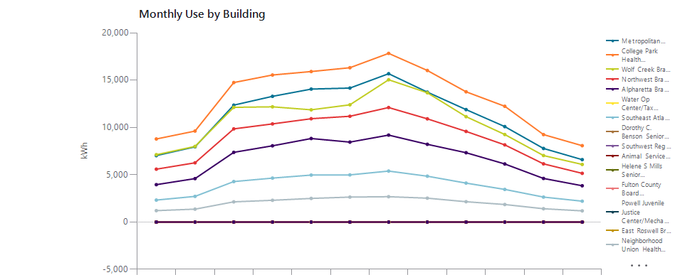

 |  |  | Jan | Feb | Mar | Apr | May | Jun | Jul |  | Aug | Sep | Oct | Nov | Dec | Total
 | Metropolitan Branch |  | 7,024 | 7,950 | 12,356 | 13,288 | 14,052 | 14,162 | 15,679 |  | 13,731 | 11,887 | 10,089 | 7,780 | 6,596 | 134,593
 | College Park Health Center |  | 8,781 | 9,617 | 14,744 | 15,544 | 15,907 | 16,314 | 17,829 |  | 16,022 | 13,768 | 12,238 | 9,245 | 8,073 | 158,081
 | Wolf Creek Branch |  | 7,120 | 7,996 | 12,124 | 12,180 | 11,864 | 12,393 | 15,039 |  | 13,665 | 11,140 | 9,253 | 7,031 | 6,089 | 125,895
 | Northwest Branch |  | 5,589 | 6,263 | 9,847 | 10,375 | 10,921 | 11,181 | 12,104 |  | 10,910 | 9,582 | 8,157 | 6,152 | 5,149 | 106,231
 | Alpharetta Branch |  | 3,952 | 4,593 | 7,368 | 8,059 | 8,829 | 8,451 | 9,191 |  | 8,219 | 7,329 | 6,141 | 4,611 | 3,838 | 80,580
 | Water Op Center/Tax Commissioner |  | 0 | 0 | 0 | 0 | 0 | 0 | 0 |  | 0 | 0 | 0 | 0 | 0 | 0
 | Southeast Atlanta Branch |  | 2,323 | 2,716 | 4,279 | 4,645 | 4,966 | 4,986 | 5,388 |  | 4,848 | 4,117 | 3,451 | 2,641 | 2,205 | 46,565
 | Dorothy C. Benson Senior Multipurpose Complex |  | 0 | 0 | 0 | 0 | 0 | 0 | 0 |  | 0 | 0 | 0 | 0 | 0 | 0
 | Southwest Regional Branch |  | 0 | 0 | 0 | 0 | 0 | 0 | 0 |  | 0 | 0 | 0 | 0 | 0 | 0
 | Animal Services Facility |  | 0 | 0 | 0 | 0 | 0 | 0 | 0 |  | 0 | 0 | 0 | 0 | 0 | 0
 | Helene S Mills Senior Multipurpose Facility |  | 0 | 0 | 0 | 0 | 0 | 0 | 0 |  | 0 | 0 | 0 | 0 | 0 | 0
 | Fulton County Board of Health |  | 0 | 0 | 0 | 0 | 0 | 0 | 0 |  | 0 | 0 | 0 | 0 | 0 | 0
 | Powell Juvenile Justice Center/Mechanicsville Lib |  | 0 | 0 | 0 | 0 | 0 | 0 | 0 |  | 0 | 0 | 0 | 0 | 0 | 0
 | East Roswell Branch |  | 0 | 0 | 0 | 0 | 0 | 0 | 0 |  | 0 | 0 | 0 | 0 | 0 | 0
 | Neighborhood Union Health Center |  | 1,209 | 1,366 | 2,138 | 2,302 | 2,500 | 2,640 | 2,679 |  | 2,527 | 2,151 | 1,855 | 1,408 | 1,185 | 23,959
 | Union City Jail |  | 0 | 0 | 0 | 0 | 0 | 0 | 0 |  | 0 | 0 | 0 | 0 | 0 | 0
 | Gladys S. Dennard Library at South Fulton |  | 0 | 0 | 0 | 0 | 0 | 0 | 0 |  | 0 | 0 | 0 | 0 | 0 | 0
 | Aviation Culture Center |  | 0 | 0 | 0 | 0 | 0 | 0 | 0 |  | 0 | 0 | 0 | 0 | 0 | 0
 | South Fulton Service Center |  | 0 | 0 | 0 | 0 | 0 | 0 | 0 |  | 0 | 0 | 0 | 0 | 0 | 0
 | Medical Examiners Facility |  | 0 | 0 | 0 | 0 | 0 | 0 | 0 |  | 0 | 0 | 0 | 0 | 0 | 0
 | Sandy Springs Branch |  | 0 | 0 | 0 | 0 | 0 | 0 | 0 |  | 0 | 0 | 0 | 0 | 0 | 0
 | HJC Bowden Senior Multi-Purpose Facility |  | 0 | 0 | 0 | 0 | 0 | 0 | 0 |  | 0 | 0 | 0 | 0 | 0 | 0
 | Milton Branch |  | 0 | 0 | 0 | 0 | 0 | 0 | 0 |  | 0 | 0 | 0 | 0 | 0 | 0
 | Ponce De Leon Branch |  | 0 | 0 | 0 | 0 | 0 | 0 | 0 |  | 0 | 0 | 0 | 0 | 0 | 0
 | Northeast Spruill Oaks Branch |  | 0 | 0 | 0 | 0 | 0 | 0 | 0 |  | 0 | 0 | 0 | 0 | 0 | 0
 | QLS Center for Senior Citizens |  | 0 | 0 | 0 | 0 | 0 | 0 | 0 |  | 0 | 0 | 0 | 0 | 0 | 0
 | North Fulton Service Center |  | 0 | 0 | 0 | 0 | 0 | 0 | 0 |  | 0 | 0 | 0 | 0 | 0 | 0
 | New Beginnings Neighborhood Senior Center |  | 0 | 0 | 0 | 0 | 0 | 0 | 0 |  | 0 | 0 | 0 | 0 | 0 | 0
 | Dogwood Branch |  | 0 | 0 | 0 | 0 | 0 | 0 | 0 |  | 0 | 0 | 0 | 0 | 0 | 0
 | Adamsville/Collier Heights Branch |  | 0 | 0 | 0 | 0 | 0 | 0 | 0 |  | 0 | 0 | 0 | 0 | 0 | 0
 | Palmetto Branch |  | 0 | 0 | 0 | 0 | 0 | 0 | 0 |  | 0 | 0 | 0 | 0 | 0 | 0
 | College Park Branch |  | 0 | 0 | 0 | 0 | 0 | 0 | 0 |  | 0 | 0 | 0 | 0 | 0 | 0
 | Dogwood Senior Center |  | 0 | 0 | 0 | 0 | 0 | 0 | 0 |  | 0 | 0 | 0 | 0 | 0 | 0
 | Adams Park Branch |  | 0 | 0 | 0 | 0 | 0 | 0 | 0 |  | 0 | 0 | 0 | 0 | 0 | 0
 | Ocee Branch |  | 0 | 0 | 0 | 0 | 0 | 0 | 0 |  | 0 | 0 | 0 | 0 | 0 | 0
 | Cleveland Avenue Branch |  | 0 | 0 | 0 | 0 | 0 | 0 | 0 |  | 0 | 0 | 0 | 0 | 0 | 0
 | Buckhead Branch |  | 0 | 0 | 0 | 0 | 0 | 0 | 0 |  | 0 | 0 | 0 | 0 | 0 | 0
 | Southeast Neighborhood Senior Center |  | 0 | 0 | 0 | 0 | 0 | 0 | 0 |  | 0 | 0 | 0 | 0 | 0 | 0
 | Northside Branch |  | 0 | 0 | 0 | 0 | 0 | 0 | 0 |  | 0 | 0 | 0 | 0 | 0 | 0
 | Hapeville Branch |  | 0 | 0 | 0 | 0 | 0 | 0 | 0 |  | 0 | 0 | 0 | 0 | 0 | 0
 | Auburn Avenue Research Branch |  | 0 | 0 | 0 | 0 | 0 | 0 | 0 |  | 0 | 0 | 0 | 0 | 0 | 0

 | Total |  | 35,998 | 40,501 | 62,856 | 66,393 | 69,039 | 70,127 | 77,910 |  | 69,922 | 59,974 | 51,185 | 38,867 | 33,134 | 675,905

2024
 |  | Fulton County Government |  |  |  |  |  |  |  | Report-08-BLDG - Monthly Trends—One Page Per Year - Sites

Jan 2024 - Dec 2024
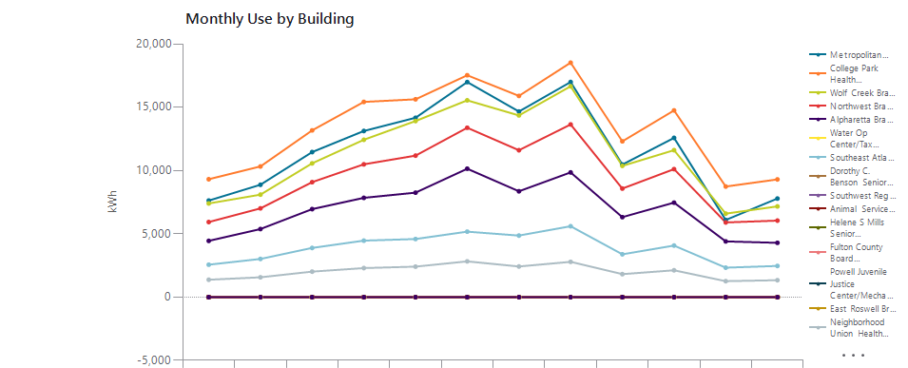

 |  |  | Jan | Feb | Mar | Apr | May | Jun | Jul |  | Aug | Sep | Oct | Nov | Dec | Total
 | Metropolitan Branch |  | 7,627 | 8,877 | 11,458 | 13,124 | 14,169 | 16,989 | 14,660 |  | 16,990 | 10,471 | 12,579 | 6,096 | 7,790 | 140,828
 | College Park Health Center |  | 9,313 | 10,323 | 13,171 | 15,422 | 15,625 | 17,525 | 15,894 |  | 18,520 | 12,306 | 14,746 | 8,736 | 9,301 | 160,882
 | Wolf Creek Branch |  | 7,401 | 8,095 | 10,569 | 12,429 | 13,907 | 15,545 | 14,352 |  | 16,653 | 10,368 | 11,609 | 6,597 | 7,168 | 134,694
 | Northwest Branch |  | 5,933 | 7,012 | 9,082 | 10,493 | 11,178 | 13,379 | 11,605 |  | 13,639 | 8,575 | 10,110 | 5,899 | 6,048 | 112,952
 | Alpharetta Branch |  | 4,446 | 5,379 | 6,953 | 7,844 | 8,254 | 10,143 | 8,363 |  | 9,852 | 6,318 | 7,466 | 4,405 | 4,293 | 83,716
 | Water Op Center/Tax Commissioner |  | 0 | 0 | 0 | 0 | 0 | 0 | 0 |  | 0 | 0 | 0 | 0 | 0 | 0
 | Southeast Atlanta Branch |  | 2,564 | 3,018 | 3,889 | 4,463 | 4,593 | 5,174 | 4,865 |  | 5,600 | 3,384 | 4,074 | 2,329 | 2,464 | 46,417
 | Dorothy C. Benson Senior Multipurpose Complex |  | 0 | 0 | 0 | 0 | 0 | 0 | 0 |  | 0 | 0 | 0 | 0 | 0 | 0
 | Southwest Regional Branch |  | 0 | 0 | 0 | 0 | 0 | 0 | 0 |  | 0 | 0 | 0 | 0 | 0 | 0
 | Animal Services Facility |  | 0 | 0 | 0 | 0 | 0 | 0 | 0 |  | 0 | 0 | 0 | 0 | 0 | 0
 | Helene S Mills Senior Multipurpose Facility |  | 0 | 0 | 0 | 0 | 0 | 0 | 0 |  | 0 | 0 | 0 | 0 | 0 | 0
 | Fulton County Board of Health |  | 0 | 0 | 0 | 0 | 0 | 0 | 0 |  | 0 | 0 | 0 | 0 | 0 | 0
 | Powell Juvenile Justice Center/Mechanicsville Lib |  | 0 | 0 | 0 | 0 | 0 | 0 | 0 |  | 0 | 0 | 0 | 0 | 0 | 0
 | East Roswell Branch |  | 0 | 0 | 0 | 0 | 0 | 0 | 0 |  | 0 | 0 | 0 | 0 | 0 | 0
 | Neighborhood Union Health Center |  | 1,378 | 1,567 | 2,017 | 2,295 | 2,411 | 2,828 | 2,423 |  | 2,790 | 1,818 | 2,123 | 1,262 | 1,340 | 24,252
 | Union City Jail |  | 0 | 0 | 0 | 0 | 0 | 0 | 0 |  | 0 | 0 | 0 | 0 | 0 | 0
 | Gladys S. Dennard Library at South Fulton |  | 0 | 0 | 0 | 0 | 0 | 0 | 0 |  | 0 | 0 | 0 | 0 | 0 | 0
 | Aviation Culture Center |  | 0 | 0 | 0 | 0 | 0 | 0 | 0 |  | 0 | 0 | 0 | 0 | 0 | 0
 | South Fulton Service Center |  | 0 | 0 | 0 | 0 | 0 | 0 | 0 |  | 0 | 0 | 0 | 0 | 0 | 0
 | Medical Examiners Facility |  | 0 | 0 | 0 | 0 | 0 | 0 | 0 |  | 0 | 0 | 0 | 0 | 0 | 0
 | Sandy Springs Branch |  | 0 | 0 | 0 | 0 | 0 | 0 | 0 |  | 0 | 0 | 0 | 0 | 0 | 0
 | HJC Bowden Senior Multi-Purpose Facility |  | 0 | 0 | 0 | 0 | 0 | 0 | 0 |  | 0 | 0 | 0 | 0 | 0 | 0
 | Milton Branch |  | 0 | 0 | 0 | 0 | 0 | 0 | 0 |  | 0 | 0 | 0 | 0 | 0 | 0
 | Ponce De Leon Branch |  | 0 | 0 | 0 | 0 | 0 | 0 | 0 |  | 0 | 0 | 0 | 0 | 0 | 0
 | Northeast Spruill Oaks Branch |  | 0 | 0 | 0 | 0 | 0 | 0 | 0 |  | 0 | 0 | 0 | 0 | 0 | 0
 | QLS Center for Senior Citizens |  | 0 | 0 | 0 | 0 | 0 | 0 | 0 |  | 0 | 0 | 0 | 0 | 0 | 0
 | North Fulton Service Center |  | 0 | 0 | 0 | 0 | 0 | 0 | 0 |  | 0 | 0 | 0 | 0 | 0 | 0
 | New Beginnings Neighborhood Senior Center |  | 0 | 0 | 0 | 0 | 0 | 0 | 0 |  | 0 | 0 | 0 | 0 | 0 | 0
 | Dogwood Branch |  | 0 | 0 | 0 | 0 | 0 | 0 | 0 |  | 0 | 0 | 0 | 0 | 0 | 0
 | Adamsville/Collier Heights Branch |  | 0 | 0 | 0 | 0 | 0 | 0 | 0 |  | 0 | 0 | 0 | 0 | 0 | 0
 | Palmetto Branch |  | 0 | 0 | 0 | 0 | 0 | 0 | 0 |  | 0 | 0 | 0 | 0 | 0 | 0
 | College Park Branch |  | 0 | 0 | 0 | 0 | 0 | 0 | 0 |  | 0 | 0 | 0 | 0 | 0 | 0
 | Dogwood Senior Center |  | 0 | 0 | 0 | 0 | 0 | 0 | 0 |  | 0 | 0 | 0 | 0 | 0 | 0
 | Adams Park Branch |  | 0 | 0 | 0 | 0 | 0 | 0 | 0 |  | 0 | 0 | 0 | 0 | 0 | 0
 | Ocee Branch |  | 0 | 0 | 0 | 0 | 0 | 0 | 0 |  | 0 | 0 | 0 | 0 | 0 | 0
 | Cleveland Avenue Branch |  | 0 | 0 | 0 | 0 | 0 | 0 | 0 |  | 0 | 0 | 0 | 0 | 0 | 0
 | Buckhead Branch |  | 0 | 0 | 0 | 0 | 0 | 0 | 0 |  | 0 | 0 | 0 | 0 | 0 | 0
 | Southeast Neighborhood Senior Center |  | 0 | 0 | 0 | 0 | 0 | 0 | 0 |  | 0 | 0 | 0 | 0 | 0 | 0
 | Northside Branch |  | 0 | 0 | 0 | 0 | 0 | 0 | 0 |  | 0 | 0 | 0 | 0 | 0 | 0
 | Hapeville Branch |  | 0 | 0 | 0 | 0 | 0 | 0 | 0 |  | 0 | 0 | 0 | 0 | 0 | 0
 | Auburn Avenue Research Branch |  | 0 | 0 | 0 | 0 | 0 | 0 | 0 |  | 0 | 0 | 0 | 0 | 0 | 0

 | Total |  | 38,662 | 44,271 | 57,137 | 66,070 | 70,137 | 81,584 | 72,161 |  | 84,044 | 53,239 | 62,707 | 35,324 | 38,404 | 703,741

2025
 |  | Fulton County Government |  |  |  |  |  |  |  | Report-08-BLDG - Monthly Trends—One Page Per Year - Sites

Jan 2025 - Dec 2025
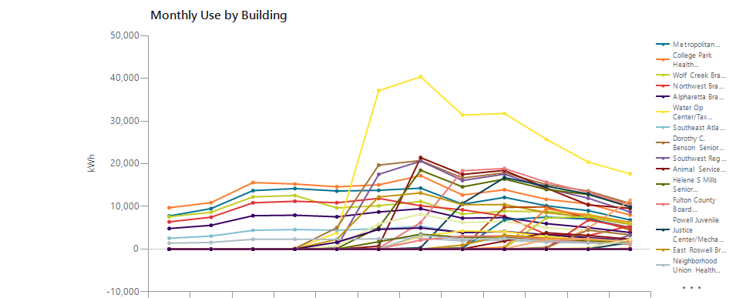

 |  |  | Jan | Feb | Mar | Apr | May | Jun | Jul |  | Aug | Sep | Oct | Nov | Dec | Total
 | Metropolitan Branch |  | 7,771 | 9,497 | 13,711 | 14,185 | 13,619 | 13,774 | 14,279 |  | 10,518 | 12,121 | 10,164 | 9,024 | 6,829 | 135,492
 | College Park Health Center |  | 9,696 | 10,902 | 15,602 | 15,249 | 14,607 | 15,059 | 17,207 |  | 12,674 | 13,909 | 11,669 | 10,575 | 7,992 | 155,142
 | Wolf Creek Branch |  | 7,584 | 8,652 | 12,241 | 12,560 | 9,666 | 10,152 | 11,175 |  | 8,220 | 8,881 | 8,803 | 8,165 | 6,228 | 112,329
 | Northwest Branch |  | 6,381 | 7,487 | 10,857 | 11,218 | 10,877 | 11,884 | 10,161 |  | 9,210 | 7,734 | 3,450 | 3,176 | 5,430 | 97,864
 | Alpharetta Branch |  | 4,827 | 5,586 | 7,834 | 7,951 | 7,574 | 8,700 | 9,476 |  | 7,252 | 7,410 | 5,974 | 5,058 | 3,901 | 81,544
 | Water Op Center/Tax Commissioner |  | 0 | 0 | 0 | 86 | 3,801 | 37,109 | 40,351 |  | 31,402 | 31,766 | 25,719 | 20,376 | 17,627 | 208,236
 | Southeast Atlanta Branch |  | 2,550 | 3,063 | 4,414 | 4,596 | 4,438 | 4,798 | 5,334 |  | 3,908 | 4,193 | 3,225 | 2,830 | 2,106 | 45,454
 | Dorothy C. Benson Senior Multipurpose Complex |  | 0 | 0 | 0 | 146 | 5,028 | 19,674 | 20,748 |  | 16,658 | 17,890 | 15,128 | 13,596 | 10,693 | 119,560
 | Southwest Regional Branch |  | 0 | 0 | 0 | 0 | 581 | 17,511 | 20,619 |  | 16,072 | 17,558 | 14,231 | 11,926 | 8,702 | 107,201
 | Animal Services Facility |  | 0 | 0 | 0 | 0 | 0 | 695 | 21,420 |  | 17,490 | 18,447 | 14,294 | 10,363 | 9,552 | 92,261
 | Helene S Mills Senior Multipurpose Facility |  | 0 | 0 | 0 | 0 | 154 | 5,061 | 18,469 |  | 14,599 | 16,405 | 13,977 | 12,793 | 9,980 | 91,439
 | Fulton County Board of Health |  | 0 | 0 | 0 | 0 | 0 | 188 | 6,226 |  | 18,359 | 18,891 | 15,683 | 13,318 | 10,311 | 82,976
 | Powell Juvenile Justice Center/Mechanicsville Lib |  | 0 | 0 | 0 | 0 | 0 | 0 | 338 |  | 10,711 | 16,749 | 14,747 | 12,919 | 9,838 | 65,302
 | East Roswell Branch |  | 0 | 0 | 0 | 63 | 2,287 | 12,226 | 13,169 |  | 10,438 | 10,449 | 8,572 | 7,461 | 5,791 | 70,456
 | Neighborhood Union Health Center |  | 1,403 | 1,590 | 2,302 | 2,339 | 2,274 | 2,428 | 2,583 |  | 1,936 | 2,114 | 1,634 | 1,449 | 1,119 | 23,170
 | Union City Jail |  | 0 | 0 | 0 | 0 | 0 | 0 | 0 |  | 0 | 0 | 157 | 4,943 | 11,446 | 16,546
 | Gladys S. Dennard Library at South Fulton |  | 0 | 0 | 0 | 0 | 0 | 0 | 0 |  | 327 | 9,802 | 9,884 | 7,279 | 4,542 | 31,834
 | Aviation Culture Center |  | 0 | 0 | 0 | 18 | 731 | 5,927 | 8,153 |  | 6,231 | 6,502 | 5,055 | 4,342 | 3,283 | 40,243
 | South Fulton Service Center |  | 0 | 0 | 0 | 0 | 0 | 0 | 0 |  | 229 | 6,869 | 7,499 | 7,033 | 5,090 | 26,719
 | Medical Examiners Facility |  | 0 | 0 | 0 | 0 | 0 | 0 | 0 |  | 6 | 466 | 9,468 | 7,845 | 6,277 | 24,062
 | Sandy Springs Branch |  | 0 | 0 | 0 | 0 | 0 | 0 | 0 |  | 0 | 234 | 7,287 | 7,628 | 5,999 | 21,148
 | HJC Bowden Senior Multi-Purpose Facility |  | 0 | 0 | 0 | 0 | 0 | 0 | 0 |  | 0 | 0 | 229 | 6,808 | 5,042 | 12,078
 | Milton Branch |  | 0 | 0 | 0 | 49 | 1,613 | 4,626 | 4,970 |  | 3,899 | 4,124 | 3,381 | 2,689 | 2,018 | 27,369
 | Ponce De Leon Branch |  | 0 | 0 | 0 | 0 | 0 | 97 | 3,039 |  | 4,287 | 4,095 | 3,037 | 2,194 | 1,706 | 18,455
 | Northeast Spruill Oaks Branch |  | 0 | 0 | 0 | 0 | 0 | 0 | 0 |  | 0 | 0 | 0 | 0 | 130 | 130
 | QLS Center for Senior Citizens |  | 0 | 0 | 0 | 0 | 0 | 0 | 0 |  | 0 | 9 | 415 | 4,476 | 3,368 | 8,267
 | North Fulton Service Center |  | 0 | 0 | 0 | 0 | 0 | 0 | 0 |  | 0 | 0 | 1 | 133 | 3,294 | 3,428
 | New Beginnings Neighborhood Senior Center |  | 0 | 0 | 0 | 0 | 0 | 0 | 0 |  | 61 | 1,906 | 3,838 | 3,205 | 2,341 | 11,351
 | Dogwood Branch |  | 0 | 0 | 0 | 0 | 56 | 1,736 | 3,498 |  | 2,747 | 2,906 | 2,189 | 1,857 | 1,471 | 16,459
 | Adamsville/Collier Heights Branch |  | 0 | 0 | 0 | 0 | 0 | 68 | 2,124 |  | 3,042 | 3,078 | 2,263 | 1,579 | 1,156 | 13,310
 | Palmetto Branch |  | 0 | 0 | 0 | 0 | 0 | 0 | 0 |  | 0 | 0 | 0 | 48 | 1,578 | 1,626
 | College Park Branch |  | 0 | 0 | 0 | 0 | 0 | 0 | 28 |  | 950 | 3,275 | 2,605 | 2,226 | 1,727 | 10,811
 | Dogwood Senior Center |  | 0 | 0 | 0 | 0 | 0 | 107 | 3,288 |  | 2,294 | 2,510 | 1,934 | 1,518 | 1,357 | 13,009
 | Adams Park Branch |  | 0 | 0 | 0 | 0 | 0 | 0 | 0 |  | 0 | 73 | 2,269 | 2,468 | 1,795 | 6,606
 | Ocee Branch |  | 0 | 0 | 0 | 0 | 0 | 0 | 0 |  | 0 | 0 | 0 | 0 | 82 | 82
 | Cleveland Avenue Branch |  | 0 | 0 | 0 | 0 | 0 | 0 | 0 |  | 0 | 0 | 12 | 428 | 2,320 | 2,761
 | Buckhead Branch |  | 0 | 0 | 0 | 0 | 0 | 0 | 0 |  | 0 | 0 | 0 | 0 | 0 | 0
 | Southeast Neighborhood Senior Center |  | 0 | 0 | 0 | 0 | 0 | 0 | 0 |  | 0 | 0 | 0 | 4 | 183 | 187
 | Northside Branch |  | 0 | 0 | 0 | 0 | 0 | 0 | 0 |  | 0 | 0 | 0 | 0 | 0 | 0
 | Hapeville Branch |  | 0 | 0 | 0 | 0 | 0 | 0 | 0 |  | 0 | 0 | 0 | 0 | 0 | 0
 | Auburn Avenue Research Branch |  | 0 | 0 | 0 | 0 | 0 | 0 | 0 |  | 0 | 0 | 0 | 0 | 0 | 0

 | Total |  | 40,212 | 46,777 | 66,961 | 68,459 | 77,307 | 171,818 | 236,656 |  | 213,520 | 250,367 | 228,792 | 211,731 | 182,304 | 1,794,904

2026
 |  | Fulton County Government |  |  |  |  |  |  |  | Report-08-BLDG - Monthly Trends—One Page Per Year - Sites

Jan 2026 - Dec 2026
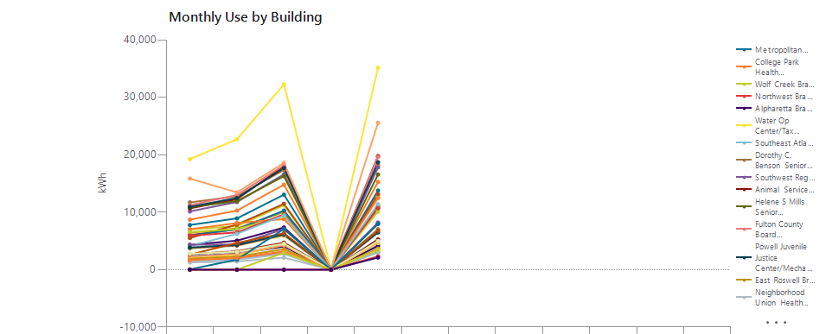

 |  |  | Jan | Feb | Mar | Apr | May | Jun | Jul |  | Aug | Sep | Oct | Nov | Dec | Total
 | Metropolitan Branch |  | 7,784 | 8,926 | 13,060 | 0 | 13,771 | 13,060 |  |  | 13,060 | 13,060 | 13,060 | 13,060 | 13,060 | 43,542
 | College Park Health Center |  | 8,711 | 10,286 | 14,800 | 0 | 15,275 | 14,800 |  |  | 14,800 | 14,800 | 14,800 | 14,800 | 14,800 | 49,072
 | Wolf Creek Branch |  | 7,003 | 7,607 | 11,221 | 0 | 12,687 | 11,221 |  |  | 11,221 | 11,221 | 11,221 | 11,221 | 11,221 | 38,518
 | Northwest Branch |  | 6,048 | 7,011 | 10,156 | 0 | 11,050 | 10,156 |  |  | 10,156 | 10,156 | 10,156 | 10,156 | 10,156 | 34,266
 | Alpharetta Branch |  | 4,322 | 5,055 | 7,339 | 0 | 8,025 | 7,339 |  |  | 7,339 | 7,339 | 7,339 | 7,339 | 7,339 | 24,741
 | Water Op Center/Tax Commissioner |  | 19,238 | 22,690 | 32,264 | 0 | 35,147 | 32,264 |  |  | 32,264 | 32,264 | 32,264 | 32,264 | 32,264 | 109,339
 | Southeast Atlanta Branch |  | 2,406 | 2,815 | 4,130 | 0 | 4,424 | 4,130 |  |  | 4,130 | 4,130 | 4,130 | 4,130 | 4,130 | 13,774
 | Dorothy C. Benson Senior Multipurpose Complex |  | 11,713 | 12,776 | 17,380 | 0 | 18,168 | 17,380 |  |  | 17,380 | 17,380 | 17,380 | 17,380 | 17,380 | 60,037
 | Southwest Regional Branch |  | 10,144 | 11,775 | 16,597 | 0 | 17,805 | 16,597 |  |  | 16,597 | 16,597 | 16,597 | 16,597 | 16,597 | 56,321
 | Animal Services Facility |  | 10,670 | 12,272 | 18,042 | 0 | 19,751 | 18,042 |  |  | 18,042 | 18,042 | 18,042 | 18,042 | 18,042 | 60,735
 | Helene S Mills Senior Multipurpose Facility |  | 10,888 | 11,931 | 16,281 | 0 | 16,559 | 16,281 |  |  | 16,281 | 16,281 | 16,281 | 16,281 | 16,281 | 55,659
 | Fulton County Board of Health |  | 11,241 | 13,001 | 18,173 | 0 | 19,621 | 18,173 |  |  | 18,173 | 18,173 | 18,173 | 18,173 | 18,173 | 62,036
 | Powell Juvenile Justice Center/Mechanicsville Lib |  | 10,948 | 12,481 | 17,674 | 0 | 18,683 | 17,674 |  |  | 17,674 | 17,674 | 17,674 | 17,674 | 17,674 | 59,785
 | East Roswell Branch |  | 6,431 | 7,201 | 10,050 | 0 | 11,078 | 10,050 |  |  | 10,050 | 10,050 | 10,050 | 10,050 | 10,050 | 34,759
 | Neighborhood Union Health Center |  | 1,268 | 1,428 | 2,104 | 0 | 2,230 | 2,104 |  |  | 2,104 | 2,104 | 2,104 | 2,104 | 2,104 | 7,030
 | Union City Jail |  | 15,864 | 13,461 | 18,594 | 0 | 25,566 | 18,594 |  |  | 18,594 | 18,594 | 18,594 | 18,594 | 18,594 | 73,485
 | Gladys S. Dennard Library at South Fulton |  | 5,509 | 7,855 | 11,472 | 0 | 13,120 | 11,472 |  |  | 11,472 | 11,472 | 11,472 | 11,472 | 11,472 | 37,957
 | Aviation Culture Center |  | 3,671 | 4,307 | 5,801 | 0 | 7,023 | 5,801 |  |  | 5,801 | 5,801 | 5,801 | 5,801 | 5,801 | 20,802
 | South Fulton Service Center |  | 5,959 | 7,027 | 10,279 | 0 | 10,663 | 10,279 |  |  | 10,279 | 10,279 | 10,279 | 10,279 | 10,279 | 33,928
 | Medical Examiners Facility |  | 7,041 | 8,117 | 8,809 | 0 | 12,467 | 8,809 |  |  | 8,809 | 8,809 | 8,809 | 8,809 | 8,809 | 36,434
 | Sandy Springs Branch |  | 6,547 | 7,071 | 9,302 | 0 | 10,113 | 9,302 |  |  | 9,302 | 9,302 | 9,302 | 9,302 | 9,302 | 33,033
 | HJC Bowden Senior Multi-Purpose Facility |  | 5,923 | 6,491 | 9,630 | 0 | 10,702 | 9,630 |  |  | 9,630 | 9,630 | 9,630 | 9,630 | 9,630 | 32,746
 | Milton Branch |  | 2,302 | 2,769 | 4,030 | 0 | 4,136 | 4,030 |  |  | 4,030 | 4,030 | 4,030 | 4,030 | 4,030 | 13,237
 | Ponce De Leon Branch |  | 1,993 | 2,529 | 4,275 | 0 | 4,628 | 4,275 |  |  | 4,275 | 4,275 | 4,275 | 4,275 | 4,275 | 13,425
 | Northeast Spruill Oaks Branch |  | 4,126 | 6,240 | 9,442 | 0 | 11,393 | 9,442 |  |  | 9,442 | 9,442 | 9,442 | 9,442 | 9,442 | 31,201
 | QLS Center for Senior Citizens |  | 3,751 | 4,177 | 6,023 | 0 | 7,046 | 6,023 |  |  | 6,023 | 6,023 | 6,023 | 6,023 | 6,023 | 20,997
 | North Fulton Service Center |  | 4,326 | 4,405 | 7,080 | 0 | 8,216 | 7,080 |  |  | 7,080 | 7,080 | 7,080 | 7,080 | 7,080 | 24,027
 | New Beginnings Neighborhood Senior Center |  | 2,733 | 3,205 | 4,700 | 0 | 5,264 | 4,700 |  |  | 4,700 | 4,700 | 4,700 | 4,700 | 4,700 | 15,902
 | Dogwood Branch |  | 1,654 | 1,927 | 2,852 | 0 | 3,059 | 2,852 |  |  | 2,852 | 2,852 | 2,852 | 2,852 | 2,852 | 9,492
 | Adamsville/Collier Heights Branch |  | 1,506 | 1,935 | 3,052 | 0 | 3,564 | 3,052 |  |  | 3,052 | 3,052 | 3,052 | 3,052 | 3,052 | 10,058
 | Palmetto Branch |  | 3,862 | 4,306 | 6,170 | 0 | 6,477 | 6,170 |  |  | 6,170 | 6,170 | 6,170 | 6,170 | 6,170 | 20,815
 | College Park Branch |  | 1,937 | 2,275 | 3,568 | 0 | 3,655 | 3,568 |  |  | 3,568 | 3,568 | 3,568 | 3,568 | 3,568 | 11,434
 | Dogwood Senior Center |  | 1,486 | 1,749 | 2,732 | 0 | 3,070 | 2,732 |  |  | 2,732 | 2,732 | 2,732 | 2,732 | 2,732 | 9,036
 | Adams Park Branch |  | 2,258 | 2,732 | 4,290 | 0 | 4,787 | 4,290 |  |  | 4,290 | 4,290 | 4,290 | 4,290 | 4,290 | 14,067
 | Ocee Branch |  | 2,626 | 4,661 | 6,350 | 0 | 6,764 | 6,350 |  |  | 6,350 | 6,350 | 6,350 | 6,350 | 6,350 | 20,401
 | Cleveland Avenue Branch |  | 2,772 | 3,130 | 4,526 | 0 | 4,999 | 4,526 |  |  | 4,526 | 4,526 | 4,526 | 4,526 | 4,526 | 15,427
 | Buckhead Branch |  | 65 | 1,757 | 7,089 | 0 | 7,968 | 7,089 |  |  | 7,089 | 7,089 | 7,089 | 7,089 | 7,089 | 16,879
 | Southeast Neighborhood Senior Center |  | 1,661 | 2,044 | 3,199 | 0 | 3,550 | 3,199 |  |  | 3,199 | 3,199 | 3,199 | 3,199 | 3,199 | 10,454
 | Northside Branch |  | 0 | 0 | 2,943 | 0 | 3,480 | 2,943 |  |  | 2,943 | 2,943 | 2,943 | 2,943 | 2,943 | 6,423
 | Hapeville Branch |  | 0 | 0 | 0 | 0 | 2,321 |  |  |  |  |  |  |  |  | 2,321
 | Auburn Avenue Research Branch |  | 0 | 0 | 0 | 0 | 2,116 |  |  |  |  |  |  |  |  | 2,116

 | Total |  | 218,387 | 251,426 | 365,479 | 0 | 410,421 |  |  |  |  |  |  |  |  | 1,245,712

