Calculator
Glazing
Help
1. Enter building name and description below - identifying the particular part(s) covered by this assessment.
 |  |  |  |  |  |  |  |  |  |  |  |  |  |  |  |  |  |  |  |  |  | 
Calculator
 |  |  |  |  |  |  |  |  |  |  |  |  |  |  |  |  |  |  | Climate zone |  | Constants: |  | CU | CSHGC
 | 1 Wallis Pl Spence (Block 4 Section 50) |  |  |  |  |  |  |  |  |  |  |  |  |  |  |  |  |  | 7 |  |  |  | 7.96 | 0.0773
 |  |  |  | Floor construction | Area |  |  |  | Number of storeys | One
 |  |  |  | Direct contact
 | Ground |  |  | Ground suspended | 169m²
 |  |  |  | Suspended upper floor(s) |  |  |  |  | No wall insulation concession used |  |  |  |  |  |  |  |  |  |  |  |  | Allowances | CU / CSHGC W | CSHGC S x area
 | Standard |  |  | Area of dwelling | 169m² |  |  |  |  |  |  |  |  |  |  |  |  |  |  |  |  |  | 8.0 | 13.1
 |  |  |  | Area of glazing | 42.2m² | (25% of floor area)
 | Number of rows for table below |  |  |  | 26 | (as currently displayed)

 | Glazing elements, orientation sector, size and performance characteristics |  |  |  |  |  |  |  |  |  |  |  |  |  |  | Shading |  | Calculation data |  |  | Winter outcomes |  | Summer outcomes
 | Glazing element |  |  |  | Orient-ation | Size |  |  | Factors affecting impact of glazing performance |  |  |  |  | Performance |  | P&H or Device |  | Exposure |  | Size | Conduction / Solar gain - FAILED 134.7% |  | Solar heat gain - PASSED 96.5%
 |  | ID | Description (optional) |  | Facing sector | Height (m) | Width (m) | Area (m²) | Room type Bedroom / Utility? / Other | Level/ Floor type | Adjacent Floor Covering | Frame colour | Openability | Total System U-Value (AFRC) | Total System SHGC (AFRC) | P (m) | H (m) | P/H | Es | Area used (m²) | % of winter heat loss | % of winter heat gain | SHGC x Es x Area | Element share % of allowance used
 | 26 | 1 | Master-SD |  | NE | 2.10 | 3.60 |  | Bedroom | Ground: Suspended | Floating Timber | Dark | Sliding Door | 4.00 | 0.61 | 0.45 | 2.20 | 0.20 | 0.34 | 7.56 | 12% | 14% | 1.6 | 12% of 97%
 | 26 | 2 | Ensuite-1 |  | SE | 1.20 | 0.90 |  | Utility | Ground: Suspended | Ceramic Tile | Dark | Awning | 4.23 | 0.58 | 0.45 | 1.60 | 0.28 | 0.21 | 1.08 | 1% | 1% | 0.1 | 1% of 97%
 | 26 | 3 | Ensuite--2 |  | SW | 1.20 | 0.90 |  | Utility | Ground: Suspended | Ceramic Tile | Dark | Awning | 4.23 | 0.58 | 0.45 | 1.50 | 0.30 | 0.21 | 1.08 | 1% | 1% | 0.1 | 1% of 97%
 | 26 | 4 | Hall-1 |  | SW | 2.10 | 0.90 |  | Other | Ground: Suspended | Floating Timber | Dark | Fixed | 3.20 | 0.68 | 0.45 | 2.40 | 0.19 | 0.59 | 1.89 | 2% | 4% | 0.8 | 6% of 97%
 | 26 | 5 | Hall-2 |  | SW | 2.10 | 0.90 |  | Other | Ground: Suspended | Floating Timber | Dark | Fixed | 3.20 | 0.68 | 0.45 | 2.40 | 0.19 | 0.59 | 1.89 | 2% | 4% | 0.8 | 6% of 97%
 | 26 | 6 | Family-1 |  | SE | 2.10 | 0.40 |  | Other | Ground: Suspended | Floating Timber | Dark | Fixed | 3.20 | 0.68 | 0.45 | 2.20 | 0.20 | 0.56 | 0.84 | 1% | 2% | 0.3 | 3% of 97%
 | 26 | 7 | e-Family-SD |  | SW | 2.10 | 1.80 |  | Other | Ground: Suspended | Floating Timber | Light | Sliding Door | 6.70 | 0.67 | 0.45 | 2.50 | 0.18 | 0.50 | 3.78 | 10% | 8% | 1.3 | 10% of 97%
 | 26 | 8 | e-Family-2 |  | NW | 2.10 | 1.20 |  | Other | Ground: Suspended | Floating Timber | Light | Awning | 6.70 | 0.67 | 0.45 | 2.10 | 0.21 | 0.75 | 2.52 | 8% | 11% | 1.3 | 10% of 97%
 | 26 | 9 | e-Kitchen |  | SW | 1.00 | 1.20 |  | Other | Ground: Suspended | Floating Timber | Light | Sliding | 6.70 | 0.67 | 0.45 | 1.00 | 0.45 | 0.38 | 1.20 | 3% | 2% | 0.3 | 2% of 97%
 | 26 | 10 | e- Laundry |  | SW | 1.00 | 1.20 |  | Utility | Ground: Suspended | Ceramic Tile | Light | Sliding | 6.70 | 0.67 | 0.45 | 1.00 | 0.45 | 0.15 | 1.20 | 3% | 1% | 0.1 | 1% of 97%
 | 26 | 11 | e-Dining |  | NW | 1.10 | 1.00 |  | Other | Ground: Suspended | Floating Timber | Light | Sliding | 6.70 | 0.67 | 0.45 | 1.90 | 0.12 | 0.85 | 1.10 | 4% | 5% | 0.6 | 5% of 97%
 | 26 | 12 | e-Living-1 |  | NW | 1.10 | 1.00 |  | Other | Ground: Suspended | Floating Timber | Light | Sliding | 6.70 | 0.67 | 0.45 | 1.90 | 0.12 | 0.85 | 1.10 | 4% | 5% | 0.6 | 5% of 97%
 | 26 | 13 | e-Living-2 |  | NE | 2.10 | 3.60 |  | Other | Ground: Suspended | Floating Timber | Light | Sliding | 6.70 | 0.67 | 0.45 | 2.10 | 0.21 | 0.71 | 7.56 | 24% | 29% | 3.6 | 28% of 97%
 | 26 | 14 | e-Bed 3 |  | NE | 1.30 | 1.20 |  | Bedroom | Ground: Suspended | Carpet | Light | Sliding | 6.70 | 0.67 | 1.80 | 1.00 | 1.80 | 0.07 | 1.56 | 4% | 1% | 0.1 | 1% of 97%
 | 26 | 15 | e-Bed 2-1 |  | NE | 1.30 | 1.20 |  | Bedroom | Ground: Suspended | Carpet | Light | Sliding | 6.70 | 0.67 | 0.45 | 1.00 | 0.45 | 0.21 | 1.56 | 4% | 3% | 0.2 | 2% of 97%
 | 26 | 16 | e-Bed 2-2 |  | NE | 1.30 | 1.20 |  | Bedroom | Ground: Suspended | Carpet | Light | Sliding | 6.70 | 0.67 | 0.45 | 1.00 | 0.45 | 0.21 | 1.56 | 4% | 3% | 0.2 | 2% of 97%
 | 26 | 17 | e-Bed 1-1 |  | NE | 1.30 | 1.20 |  | Bedroom | Ground: Suspended | Carpet | Light | Sliding | 6.70 | 0.67 | 0.45 | 1.00 | 0.45 | 0.21 | 1.56 | 4% | 3% | 0.2 | 2% of 97%
 | 26 | 18 | e-Bed 1-2 |  | NE | 1.30 | 1.20 |  | Bedroom | Ground: Suspended | Carpet | Light | Sliding | 6.70 | 0.67 | 0.45 | 1.00 | 0.45 | 0.21 | 1.56 | 4% | 3% | 0.2 | 2% of 97%
 | 26 | 19 | e-Bed 1-2 |  | NE | 1.30 | 1.20 |  | Bedroom | Ground: Suspended | Carpet | Light | Sliding | 6.70 | 0.67 | 0.45 | 1.00 | 0.45 | 0.21 | 1.56 | 4% | 3% | 0.2 | 2% of 97%
 | 26 | 20
 | 26 | 21 | e-Existing Window
 | 26 | 22
 | 26 | 23 | Windows modelled as AWS
 | 26 | 24 | Aluminium DG Residential
 | 26 | 25 | Series (516 Awning / 516
 | 26 | 26 | Fixed / 542 Sliding Door)

By accessing or using this calculator, you agree to the following: While care has been taken in the preparation of this calculator, it may not be complete or up-to-date. You can ensure that you are using a complete and up-to-date version by checking the Australian Building Codes Board website (abcb.gov.au). The Australian Building Codes Board, the Commonwealth of Australia and States and Territories of Australia do not accept any liability, including liability for negligence, for any loss (howsoever caused), damage, injury, expense or cost incurred by any person as a result of accessing, using or relying upon this publication, to the maximum extent permitted by law. No representation or warranty is made or given as to the currency, accuracy, reliability, merchantability, fitness for any purpose or completeness of this publication or any information which may appear on any linked websites, or in other linked information sources, and all such representations and warranties are excluded to the extent permitted by law. This calculator is not legal or professional advice. Persons rely upon this calculator entirely at their own risk and must take responsibility for assessing the relevance and accuracy of the information in relation to their particular circumstances.
© Commonwealth of Australia and the States and Territories of Australia 2023, published by the Australian Building Codes Board.
The material in this publication is licensed under a Creative Commons Attribution—4.0 International licence, with the exception of third party materials and any trade marks. It is provided for general information only and without warranties of any kind. More information on this CC BY licence is set out at the Creative Commons website (creativecommons.org). For information regarding this publication, see abcb.gov.au.
 | IMPORTANT NOTICE AND DISCLAIMER IN RESPECT OF THE GLAZING CALCULATOR |  |  |  |  |  |  |  |  |  |  |  |  |  |  |  |  |  |  |  |  |  |  | û

Help
Glazing
Help guide
Calculator

 | Tips for using the Glazing Calculator:

 |  | Calculator version (4.3):
 | 1 |  | Version 4.3 of the Glazing Calculator (calculator) was first issued for use under Part 13.3 External glazing of the NCC 2022 ABCB Housing Provisions Standard.
 | 2 |  | Updates to this file may be available for download from the ABCB website from time to time. The file name will include the version number. The latest version for the relevant NCC edition should always be used.
 | 3 |  | A record of changes made to each version of the calculator appears at the end of this Help section. (Scroll down to see the version history.)
 |  | Operating system:
 | 4 |  | The calculator has been developed in the Windows ® versions of Microsoft Excel ® 2007 and above.
Screenshot 1
 | 5 |  | The .xlsx file is suitable for use in the 2007 and 2010 versions of Excel for Windows and in the 2011 version of Excel for Apple Mac ®. These Help instructions and the screenshots refer to the Windows version and may not fully reflect the Mac interface.
 |  | Displaying the calculator form:
 | 6 |  | The calculator form has been designed for viewing as a whole "page" with 10 rows visible in the glazing elements table (at 70% zoom - assuming a minimum screen resolution of 1024 x 768 pixels).
 | 7 |  | Some users may need to adjust the screen zoom setting to see the whole form at once. The worksheet background does not change when zoom settings are altered and also does not print.
 | 8 |  | Users with Excel 2002 (Excel XP) or later for Windows and 2011 for Mac can change the number of rows visible by using the arrow to the left of the 'ID' heading near the top left of the glazing elements table. First set the number of rows preferred (maximum 80) in the input cell immediately above the table and press Enter. Next, click the arrow beside 'ID' and select that number in the drop-down list which opens. (The number set will be the only number shown in the list.)
Screenshot 2
 | 9 |  | The input cell for the number of rows preferred will not accept numbers that would cause data used by calculations to be hidden. (This data includes inputs to the 'Facing sector' column and those to its right.) A warning message will be displayed if this is attempted.
 |  | Adding and changing glazing details:
 | 10 |  | Unlocked cells on the calculator form are accessible for user input. (Other cells generally cannot be selected or edited, except as noted below for the glazing elements table.)
 | 11 |  | When all input cells at the top of the calculator form are blank, advisory messages will appear in sequence above each of the cells needing input. Press Enter or Tab after typing inputs to move to the next available cell.
 | 12 |  | Cells to the right of the table contain calculations whose results can be seen but not edited. To change results, change the user inputs.
 | 13 |  | Any of the unlocked cells can be selected and edited. Adjoining unlocked cells can be selected in a block (or range) to clear their contents at the same time.
 | 14 |  | To remove unwanted data, select the cell or range, right click to show the context menu and select Clear Contents from that menu. Alternatively (in Windows), use the Delete key.
 | 15 |  | If copying data between cells, always use Paste Special | Paste Values to avoid formatting errors on the calculator form.
Screenshot 3
 | 16 |  | Details above the glazing elements table (including at least one floor type) and at least one glazing element must be supplied for calculator outcomes to be displayed.
 |  | Error and alert messages:
 | 17 |  | The calculator has been designed to identify anticipated input errors but may not trap all invalid inputs.
 | 18 |  | Identified issues concerning inputs above the glazing elements table are flagged above the input cells.
 | 19 |  | Input issues in each row of the glazing elements table are identified in bold red font to the right of the row (overlaying the calculations area).
 | 20 |  | Missing inputs anywhere on the form are generally highlighted by error messages. Invalid inputs or those which may be contributing to outcomes failures are highlighted by red fill.
 | 21 |  | Calculator outcomes cannot be displayed until all input issues have been resolved (which will clear any colour highlighting and advisory messages). Several messages may appear in sequence for the same row as issues are resolved.
 | 22 |  | Calculator outcomes resulting in a "tick" are valid only if all of the input details comply with NCC elemental DTS requirements. The claimed air movement level must be verified by separate calculation, since this is not checked by the calculator.
 |  | Printing:
 | 23 |  | The calculator form can be printed using the File | Print menu.
 | 24 |  | The print area has been pre-set to allow printing as one or more A4 pages (landscape format), depending on the number of rows displayed in the form. Some margins may need to be adjusted to suit some printers (particularly inkjets).
 | 25 |  | The Help button shown on the bottom left of the calculator form.
 | 26 |  | These Help instructions can be printed (using File | Print) for ready reference while using the calculator form.
 |  | Users' worksheet:
 | 27 |  | A protected worksheet with most cells accessible has been provided for users' notes and calculations. (Protection is essential to maintain the integrity of the calculator but does restrict the functions and operations available to the user.) The worksheet can be accessed by selecting its tab at the bottom of the Excel window.
 | 28 |  | Use of this worksheet is optional and responsibility for its contents and consequences remains entirely with the user.

 |  | Version history:

 |  |  | 4.3 (November 2023)
 |  | • | Minor editorial to column headings

 |  |  | 4.2 (September 2023)
 |  | • | Minor edit to correct drop down box for climate zone 5

 |  | 4.1 (March 2023):
 |  | • | Minor style updates to remove beta stage

 |  | 4.0 (September 2022):
 |  | • | Extensively revised calculator for use with NCC 2022 ABCB Housing Provisions Standard

 |  | 3.00 (June 2019):
 |  | • | Revised styling and branding to match other NCC 2019 calculators
 |  | • | Renewed protection

 |  | 2.05 (May 2014):
 |  | • | Removed case sensitivity of inputs for Air Movement on the Calculator form.
 |  | • | Revised text of cell tips behind the "Total System U-Value" and "Total System SHGC" column headings on the Calculator form.

 |  | 2.04 (May 2013):
 |  | • | Changed "Total U-Value" and "SHGC" to "Total System U-Value" and "Total System SHGC" to reflect changes to BCA 2013.

 |  | 2.03 (December 2011):
 |  | • | Modified Calculator formatting and error reporting for compatibility with Excel 2010 on Windows and 2011 on Mac.
 |  | • | Increased the maximum number of rows available in the glazing elements table from 40 to 80.
 |  | • | Revised Help notes and screenshots to suit Calculator changes.

 |  | 2.02:
 |  | • | Fixed display of constants at upper right of form for Suspended floors.

 |  | 2.01:
 |  | • | Changed "NFRC" to "AFRC" in headings of Total U-Value and SHGC columns.
 |  |  | (AFRC refers to the Australian Fenestration Rating Council. See cell comments in headings,)

 |  | 2.00:
 |  | • | First public issue of extensively revised version for use with BCA 2010.

 |  | 1.03:
 |  | • | Merged building description text box to become one cell.
 |  | • | Added additional explanatory information for entering Standard and High Air Movement levels.

 |  | 1.02:
 |  | • | Enabled interpolation of Air Movement levels between Standard and High
 |  | • | Fixed display of glazing percentages below Floor type table when both floor types are used.
 |  | • | Changed second row title of Floor type table to "Area of floor" to match term in Clause 3.12.2.1(a).
 |  | • | Added input tips (describing Floor types A and B) to the input cells for "Area of floor".
 |  | • | Added a worksheet for users' notes and calculations (and displayed worksheet tabs for access).
 |  | • | Updated screenshots.

 |  | 1.01:
 |  | • | Enhanced input cues for data needed above the glazing elements table.
 |  | • | Added a new note 3 to Help notes and revised text of note 18 (formerly note 17).
 |  | • | Added this Version history to the Help screen.

 |  | 1.00:
 |  | • | First public issue.

New Features NCC 2022
Glazing
New features for NCC 2022
Calculator

 | New features of NCC Volume Two Glazing Calculator for NCC 2022

 |  | Calculator version (4.1):
 | 1 |  | The calculator achieves a better alignment with the requirements of NatHERS simulations at 7 stars.
 | 2 |  | Winter requirements pass if the glazing performance is equivalent to the average heating load at 7 stars.
 | 3 |  | Summer requirements pass if the glazing performance is equivalent to the average cooling load at 7 stars.
 | 4 |  | There are a number of new data inputs required. These define similar properties to those assumed for NatHERS simulation. The reason for the inclusion of these new inputs are described below.
 | 5 |  | All new data entries have fixed options available, accessed by clicking on the down arrow next to the selected cell. Guidance on what to select is shown in Tips, displayed when the mouse hovers over the column heading.
 | 6 |  | Is the window in a bedroom or utility room?
 |  |  | Bedrooms are assumed to be occupied at different times and are heated and cooled to different thermostat temperatures. Therefore, solar gains and conduction heat flows through glass affect these rooms differently from other areas in the house. In NatHERS ratings, it was clear the most cost-effective method of achieving compliance is to install higher performance glazing in living areas first. This factor ensures that a similar outcome is achieved with the calculator.
 |  |  | A utility room is a bathroom, laundry or WC that does not contain space or central heating or cooling outlets. This does not include electric radiators which are designed to be used only when the room is occupied.
 | 7 |  | Number of storeys
 |  |  | The 2019 Glazing Calculator required users to produce one calculator for each level. The 2022 Glazing Calculator now allows multiple level dwellings to be assessed. To do this the user must specify that the building is "Two or more storeys" above the window inputs.
 | 8 |  | Is the window on the ground level or an upper level?
 |  |  | The level factor was developed to allow the calculator to model all storeys in a dwelling in one calculation rather than require a separate calculator for each level.
 | 9 |  | What is the floor covering of the floor immediately adjacent to the window?
 |  |  | The floor covering on a slab on ground (SOG) significantly affects the ability of the concrete slab to store solar gains through windows. Dwellings that achieve a NatHERS 7-star rating using ceramic tiles or a polished concrete floor finish are able to use higher windows areas and use less high-performance glazing. Including the floor covering in the calculator allows similar benefits of greater design flexibility and lower cost compliance found in NatHERS. Note in the calculator a hard floor surface means a floor covering with a low thermal resistance like a ceramic tile. A floating timber floor has a much higher thermal resistance than a ceramic tile, so is classified as a soft floor even though it is hard to touch.
 | 10 |  | What is the colour of the window frame?
 |  |  | The colour of the frame affects the amount of solar radiation it absorbs. NatHERS ratings show that adjusting the window frame colour (solar absorptance) to suit the climate better was not only a no-cost improvement but also facilitated the use of larger glazing areas or reduced the need for high-performance glazing. Given the higher stringency of building fabric requirements, not allowing for frame colour would have unnecessarily limited design freedom and imposed additional cost.
 | 11 |  | What is the openability of the window?
 |  |  | Window openability is now entered into the calculator. It is equal to the area of the openable sash(as) divided by the total area of the window and expressed as a percentage (%). Window openability is one of the main determinants of air flow through a dwelling. Air flow through a dwelling can make internal conditions feel comfortable even when the air temperature is above the cooling thermostat by increasing the body's heat loss by evaporation. NatHERS simulations show that greater air flow through the dwelling allows occupants to avoid the use of cooling. The calculator assesses the openable window area to floor area ratio and allows higher heat gains through windows in summer at higher openable window areas. In locations like Darwin and Sydney, this new factor allows window areas to be increased by significantly more than the previous "highly ventilated" dwelling allowance in NCC 2019.
 | 12 |  | Floor area of the dwelling
 |  |  | Floor areas must be measured to the inside of external and internal walls. A new data input for the area of upper floors is also required.
 | 13 |  | Winter outcomes
 |  |  | NCC 2019 showed the proportion of conduction heat loss for each window as a percentage of the winter CU/CSHGC score.
 |  |  | The proportion of winter heat loss and winter heat gain for each window is now shown. The proportion of the target achieved is now shown in the column heading.
 | 14 |  | Differences between suspended floors and floors in direct contact with the ground
 |  |  | NCC 2019 set different targets for dwellings with suspended floors and floors in direct contact with the ground, but used the same summer and winter solar exposure factors for both types. The winter and summer exposure factors have been developed for each type of floor to reflect the different impacts of solar gains through windows for dwellings with each type of floor.
 | 15 |  | Changes to seasonal requirements for climate zone 1 (hot humid) and climate zone 8 (alpine)
 |  |  | In climate zone 1, there is now no requirement for meeting conductance performance targets.
 |  |  | In climate zone 8, there is now no requirement to meet a summer solar gain target.
 | 16 |  | Window default openability assumptions
 |  |  | See Table 1.
 |  |  | The values in the table opposite were obtained by inspecting window sizing charts from the largest manufacturers in Australia and obtaining an average value.
 |  |  | Table 1: Default openability assumptions for windows
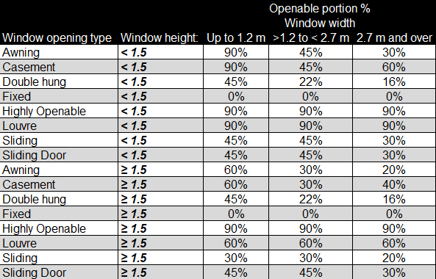

 | 17 |  | Overhang projection and depth measurements.
 |  |  | Overhang projection and depth measurements are needed for the calculator. See figure 13.3.2b from the ABCB Housing Provisions Standards for details on P and H.

Screenshots
Glazing
Screenshots
Calculator

 | 1. Displaying the calculator form

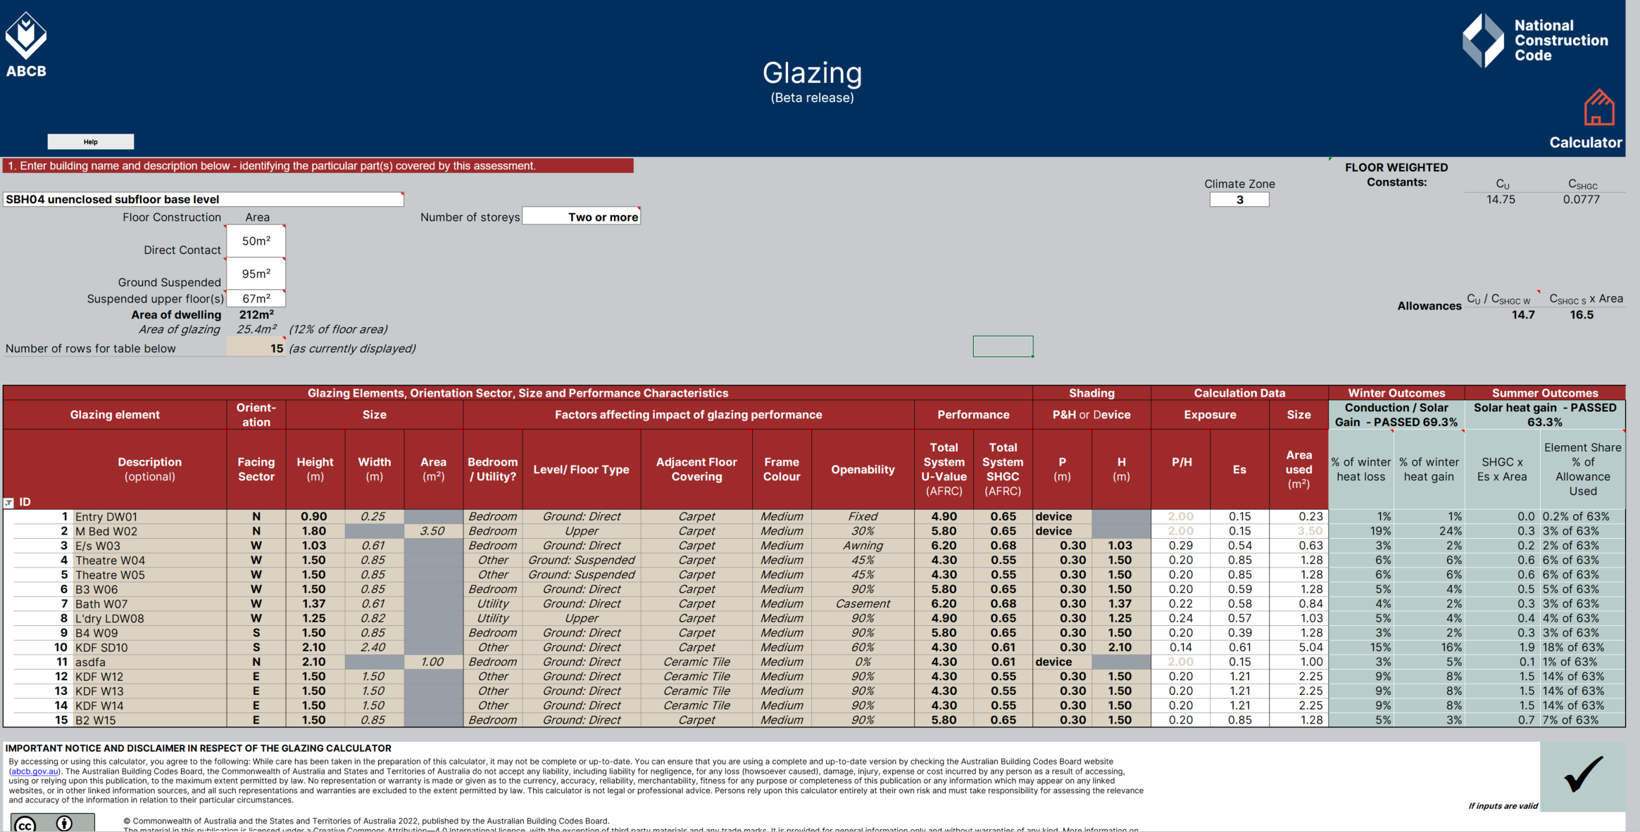
To change the number of rows displayed (step 1 of 2):
Input the required number of rows here and press Enter. Note the advice in red to the right of the number.
(This cell will not accept numbers that would cause rows with data to be hidden)

To change the number of rows displayed (step 2 of 2):
Click the arrow in the red filled cell and then select the only number in the drop down list.
(This number will always match the number set in step 1.)

 | 2. Adding and changing details
Glazing allowances:
The calculator provides these details once necessary information have been given.
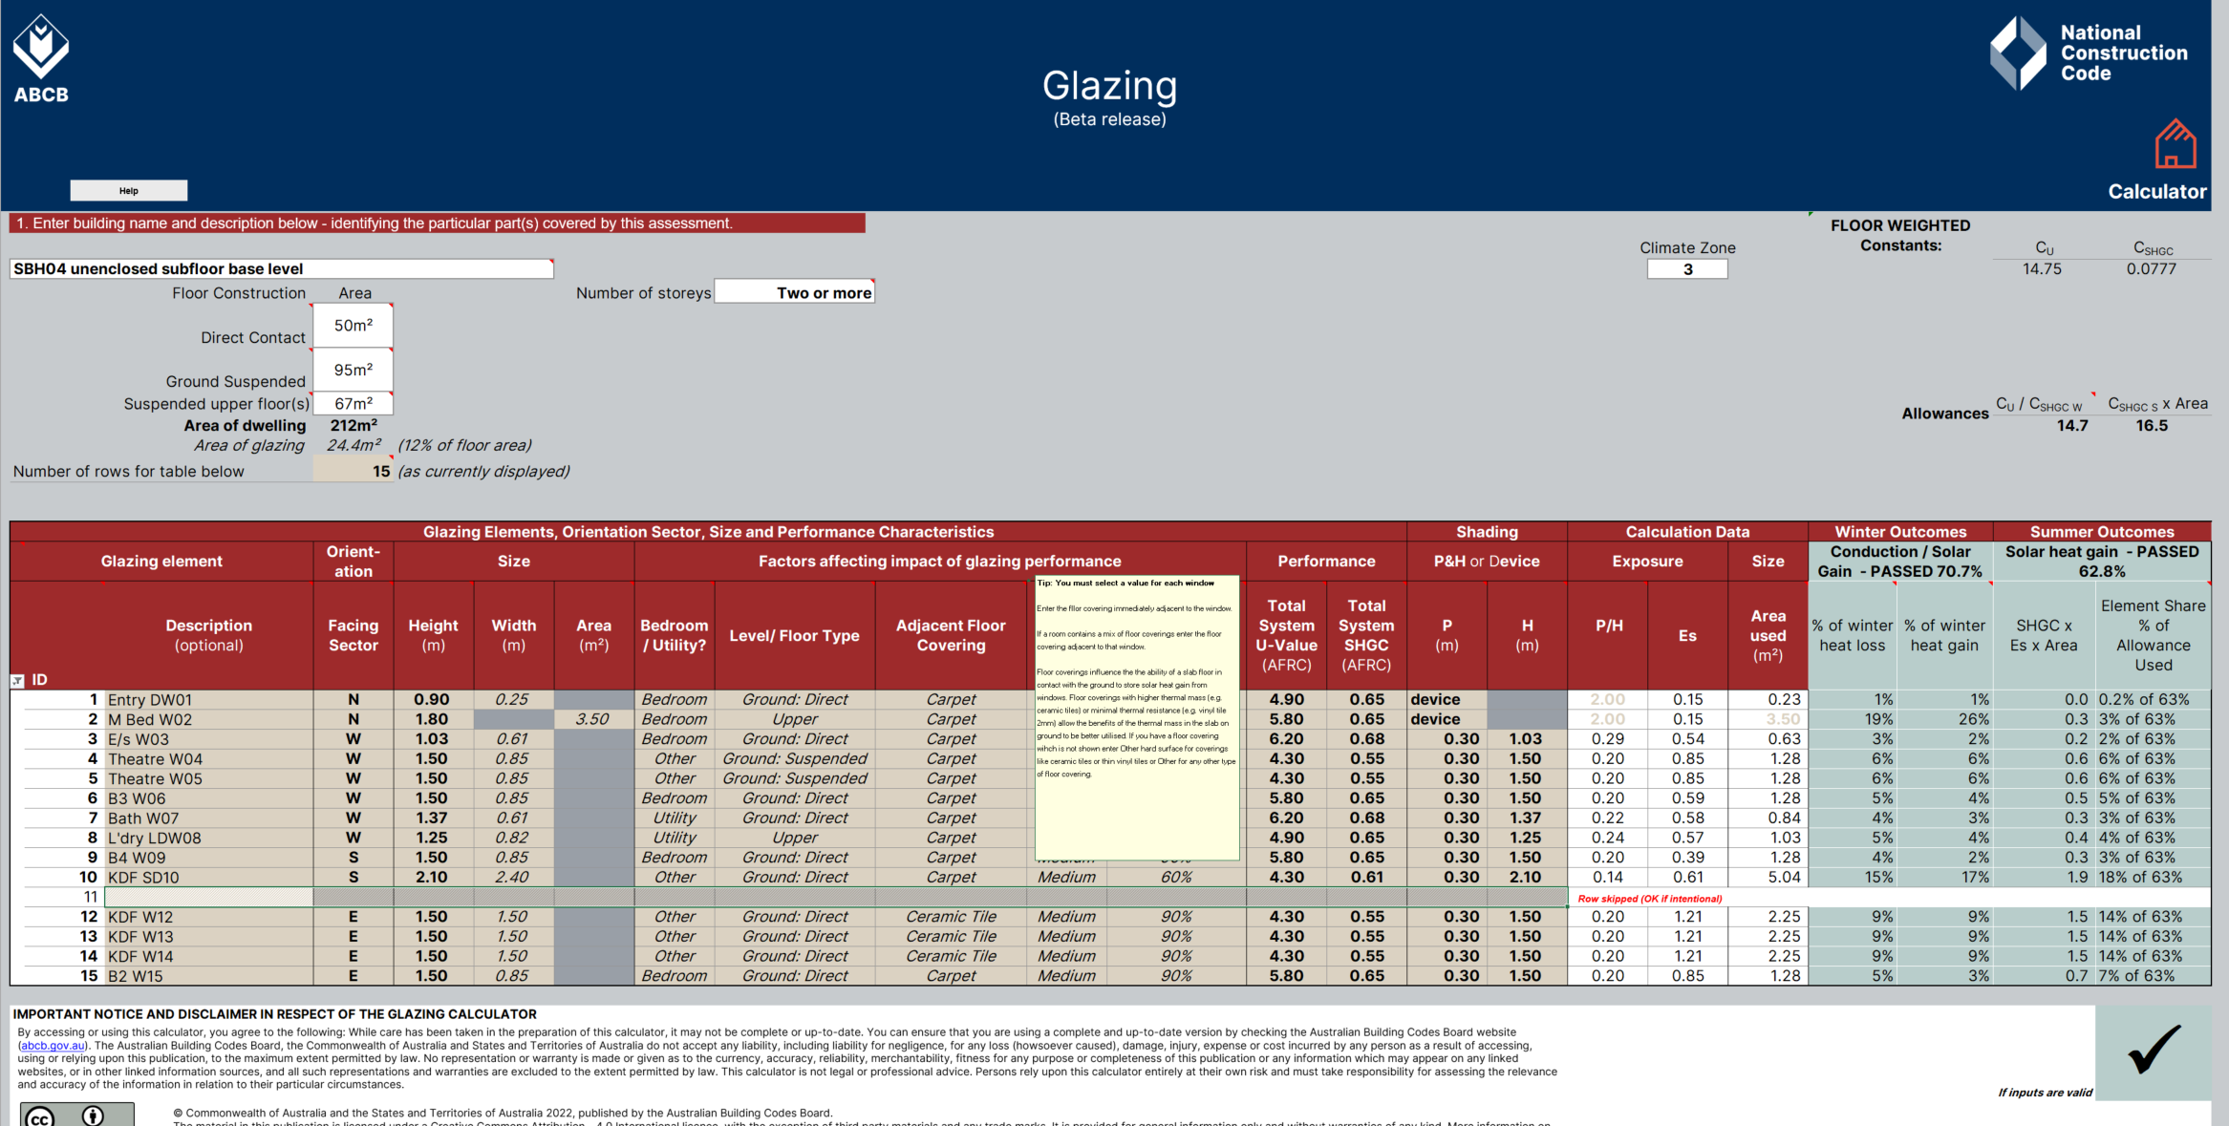
Areas of each floor type for all storeys:
An area must be given for at least on type of floor consturction but a second floor type on the same storey can also be entered. (i.e slab on ground and raised timber floor sections on ground floor of house).

Inputs above the glazing table:
Upper inputs should be copmleted before listing glazing elements

Calculation data:
These columns show results of user inputs to the left. These results are for information and cannot be modified except by changing the inputs.

Cell tips:
Cells with red triangles have popup tips with advice on explanations about inputs or outcomes.

Inputs to the glazing elements table:
Rows remain hatched until the facing sector input has been given. Yellow filled cells in each row except inputs.

Calculated outcomes:
Outcomes for the glazing design appear here (unless the calculator identifies input issues).
The column headings, a tick and green cell fill indicate passes. A cross and red cell fill ighilight failures.

Messages within the glazing elements table:
Each message here refers to the individual row in which it apears. The text will alert you two what your issues is.

Glazing area:
Window glazing size can be defined either by using height and width or height and area. The calculator will use whichever combination provides the greater area. The unused cell will be greyed out.

 | 3. Error and alert messages
Message above the glazing elements table:
Red text highlight inputs missing after glazing elements have been listed.
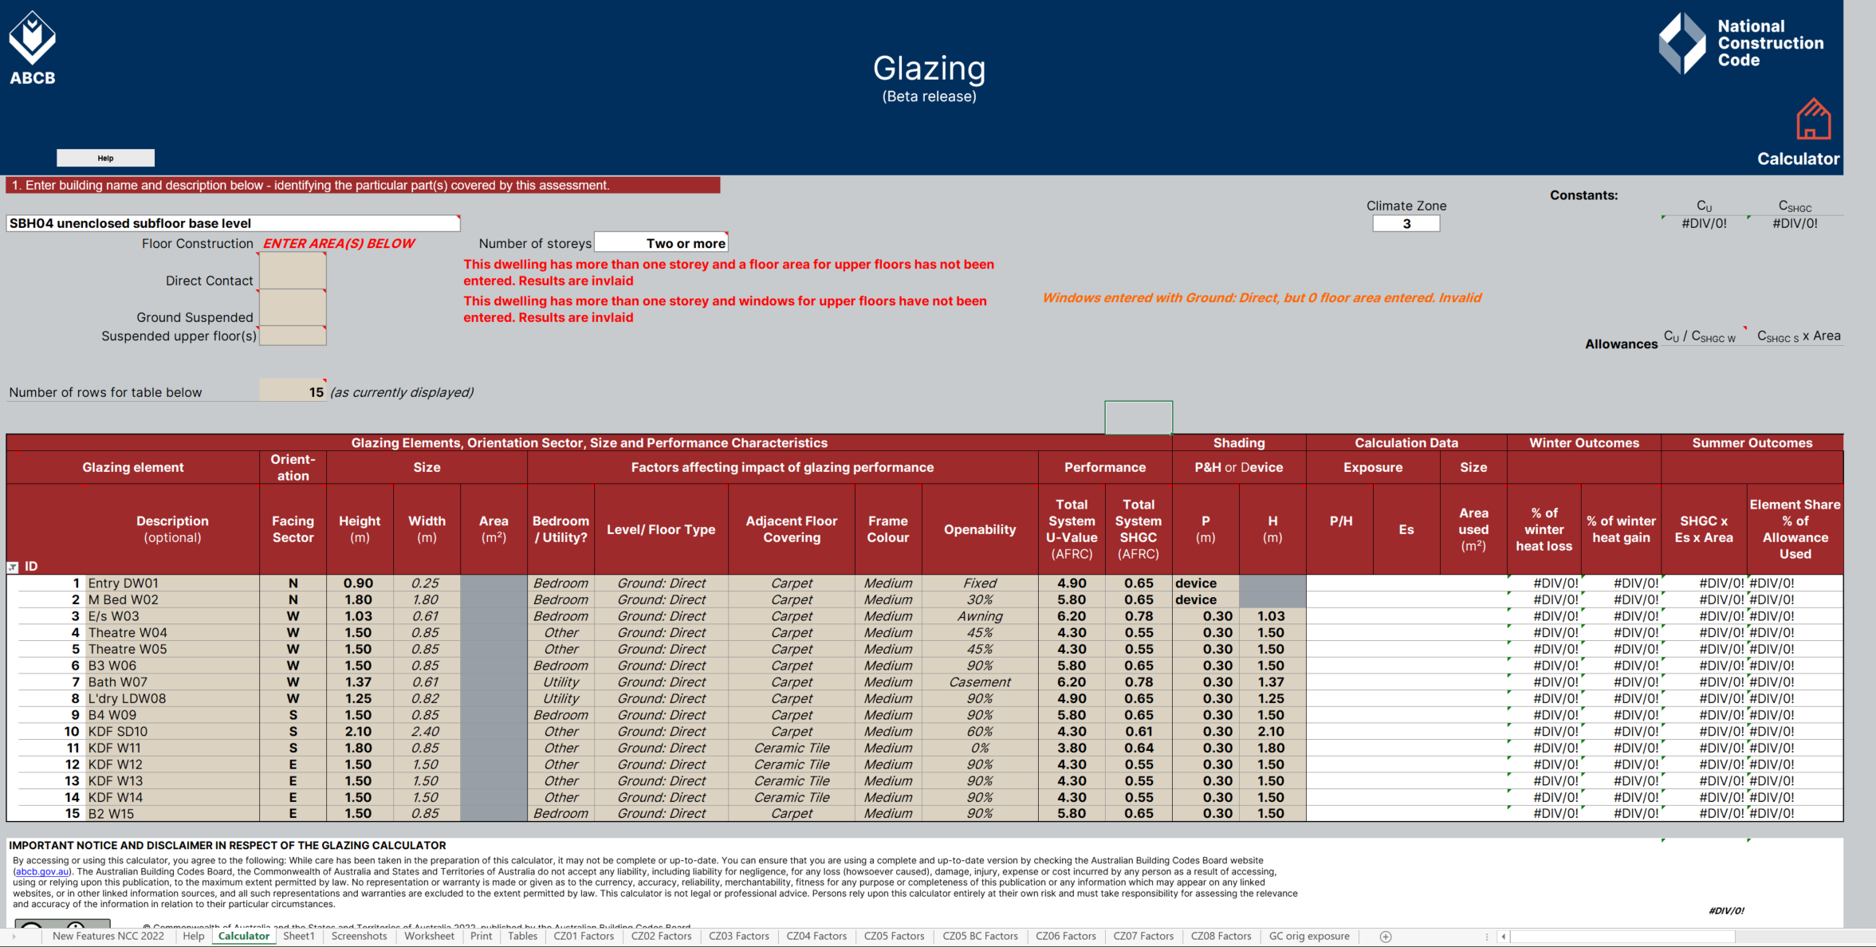
Message above the glazing elements table:
If you have a two or more storey dwelling and the area of the upper floors have not been entered, or windows have not been allocated to upper floors, these message will appear to alert you.

#DIV0 message within the coutcomes section:
This indicates that the area of floors has not been entered.

Worksheet
Users' worksheet:
This worksheet has been added at the request of industry for recording notes and making calculations (where desired).
To maintain the integrity of the Calculator, this sheet is protected causing some unavoidable restrictions on the functions available.
All cells below row 8 are accessible for user input, editing and formatting, subject to the limitations due to protection.
Use of this worksheet is optional and responsibility for its contents and consequences remains entirely with the user.
Return to calculator

