Insert Data
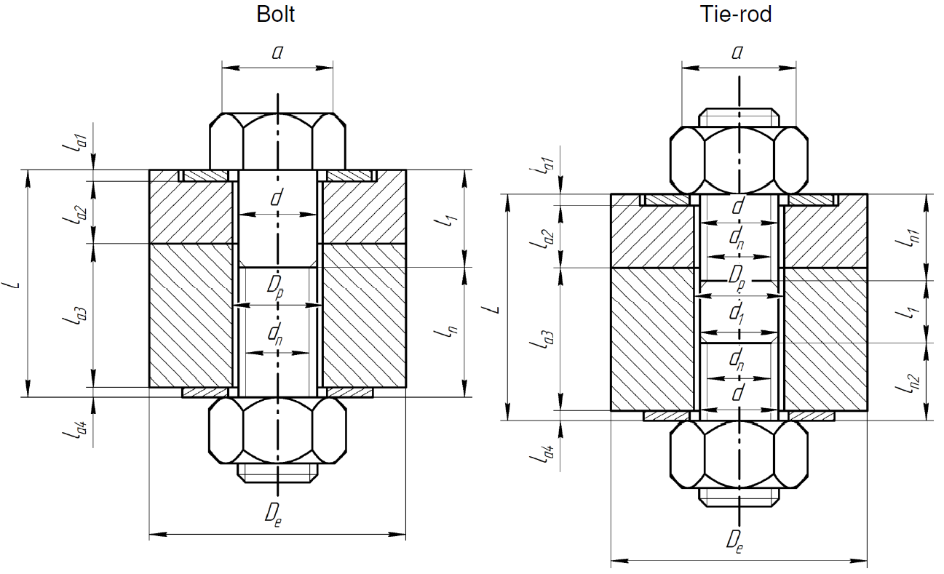
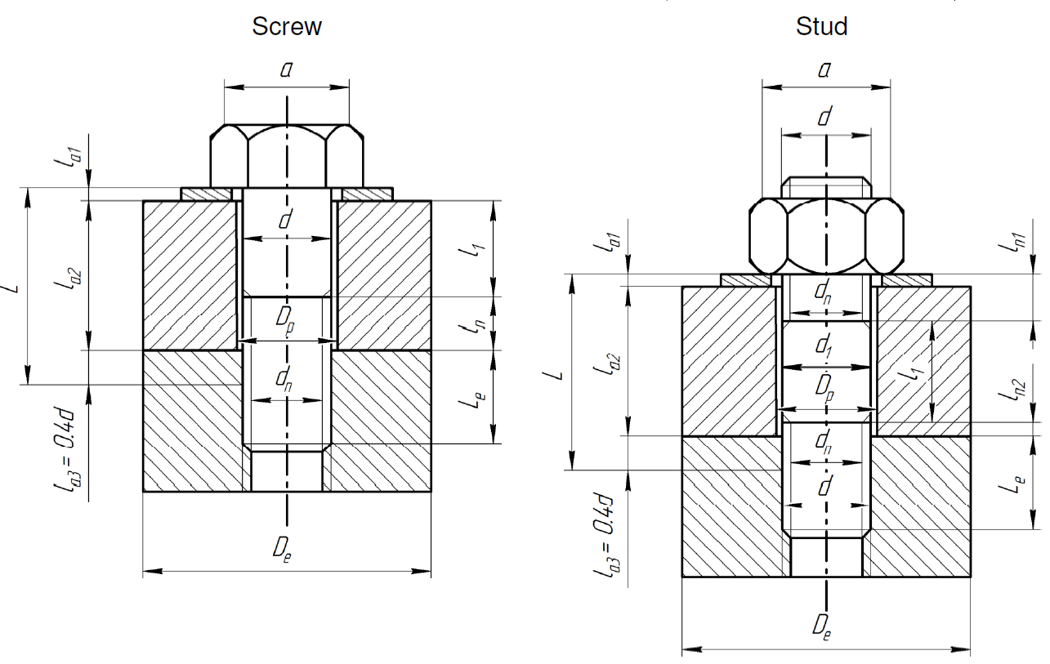
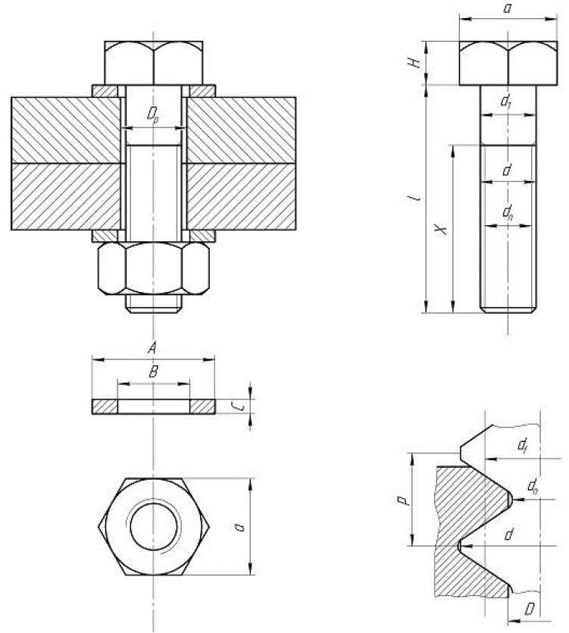
Dimensions of the bolts and assembled parts
SYMBOL | PARAMETER | VALUE | UNIT
p | threatd pitch | 1.75 | [mm]
d | maximum diameter (nominale) | 12.00 | [mm]
dn | core diameter (minor) | 11.73 | [mm]
d1 | diameter of smooth shank | 12.00 | [mm]
df | pitch diameter (mean) | 12.00 | [mm]
D | minor diameter of tapping | 11.43 | [mm]
Dp | diameter of drilling circle | 13.00 | [mm]
Dm | mean diameter under head | 13.70 | [mm]
Le | insertion length | 60.00 | [mm]
f | friction coefficient between engaged threads | 0.15 | -
f_prime | friction coefficient under head | 0.15
material | Material name | SS660 (non leak-tight) | -

