Bolt Data
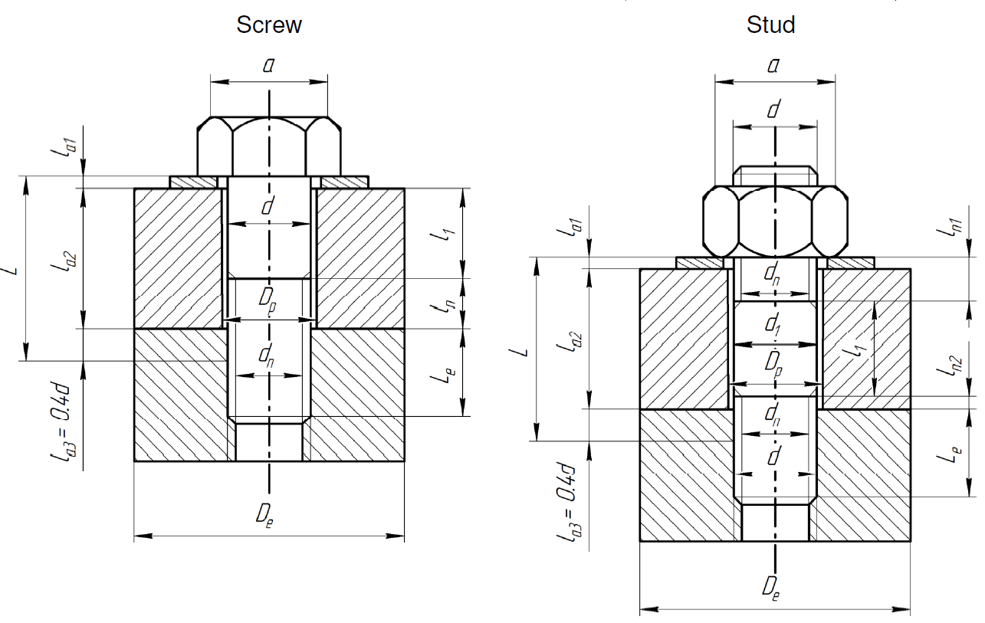
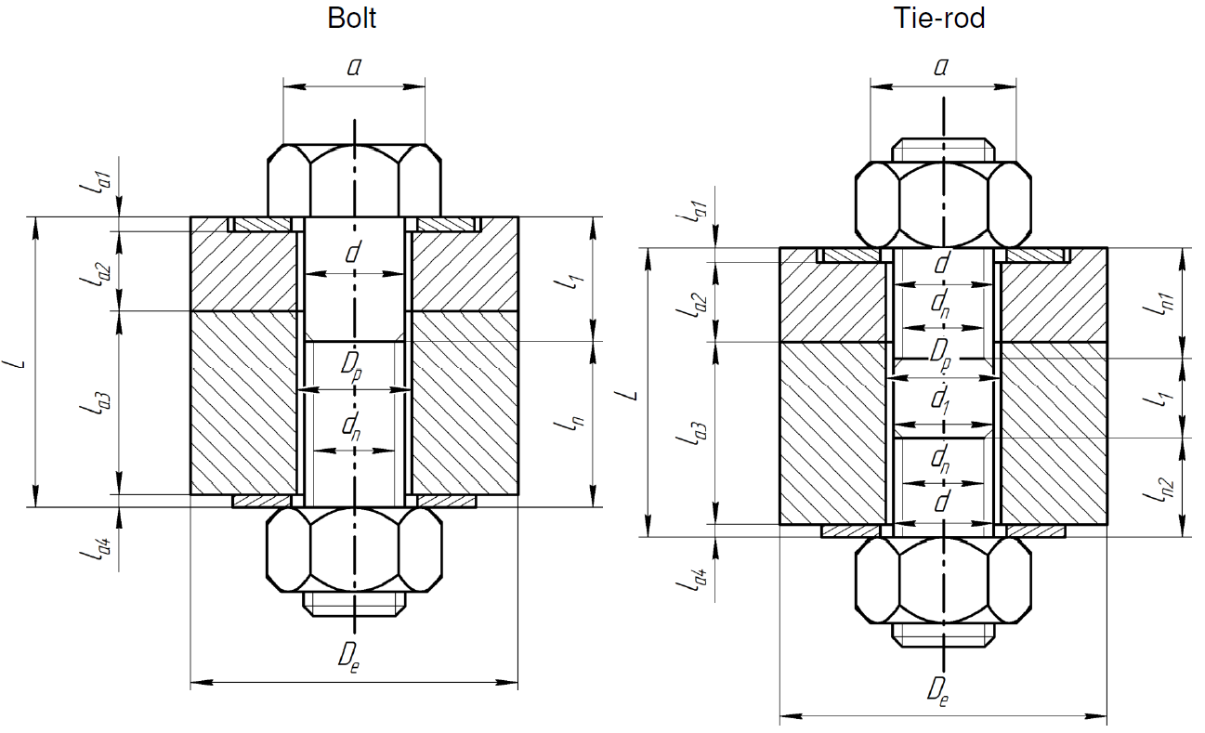
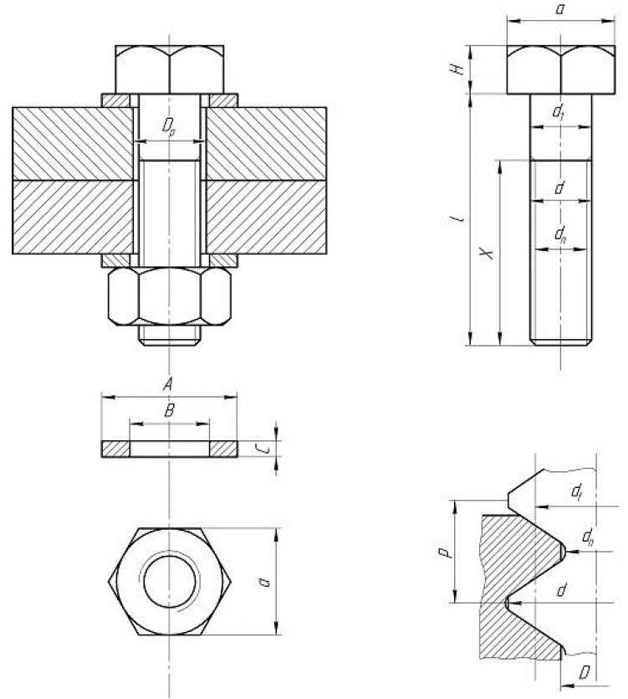
Dimensions of the bolts and assembled parts
SYMBOL | PARAMETER | VALUE | UNIT
p | threatd pitch | 1.75 | [mm]
d | maximum diameter (nominal) | 12.00 | [mm]
Le | insertion length | 60.00 | [mm]
B | inside diameter of washer | 0.00 | [mm]
C | thickness of washer | 0.00 | [mm]
d_vh | venting hole | 0.00 | [mm]
dn | core diameter (minor) |  | [mm]
d1 | diameter of smooth shank |  | [mm]
df | pitch diameter (mean) |  | [mm]
D | minor diameter of tapping |  | [mm]
Dp | diameter of drilling circle |  | [mm]
Dm | mean diameter under head |  | [mm]
H | height of head |  | [mm]
a | diameter of head |  | [mm]
KF | fatigue stress coefficient (RB 3285.11) | 4.0 | -
f | friction coefficient between engaged threads | 0.15 | -
f_prime | friction coefficient under head | 0.15 | -
material | Material name | Inconel 718 (non leak tight) SDC-IC | -

Only parameters in blue are mandatory. If the others are not provided (i.e., left empty) they will be computed according to ISO metric.

