Insert Data
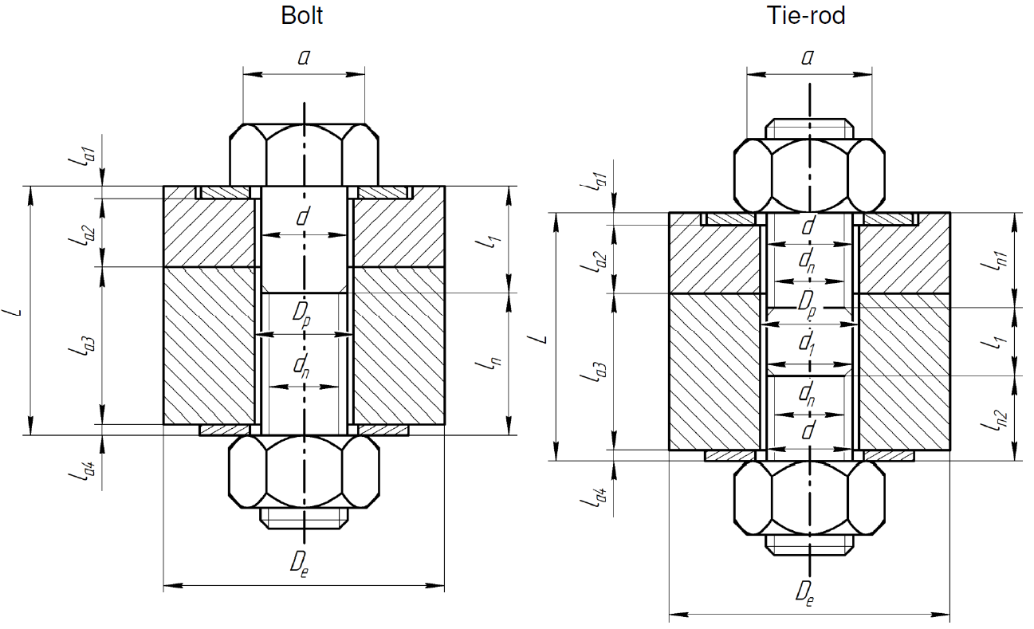
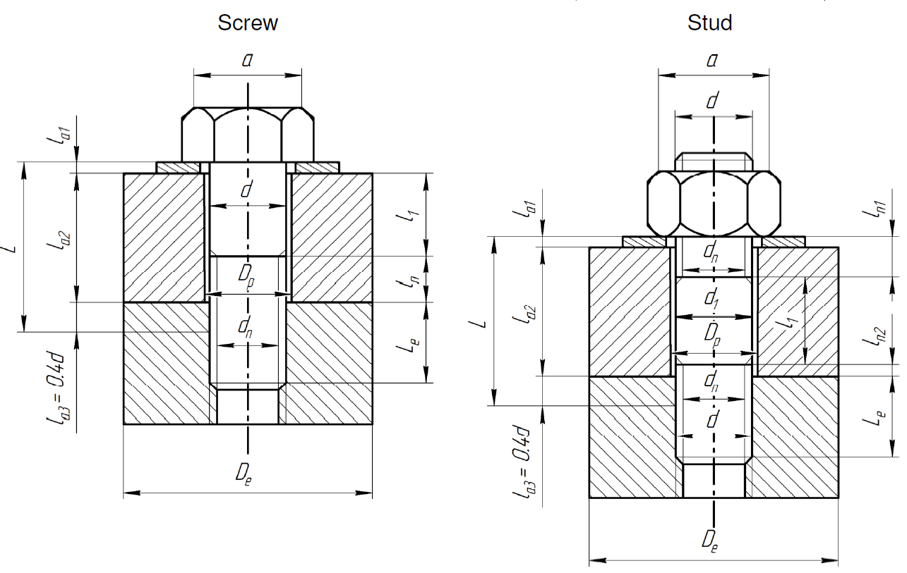
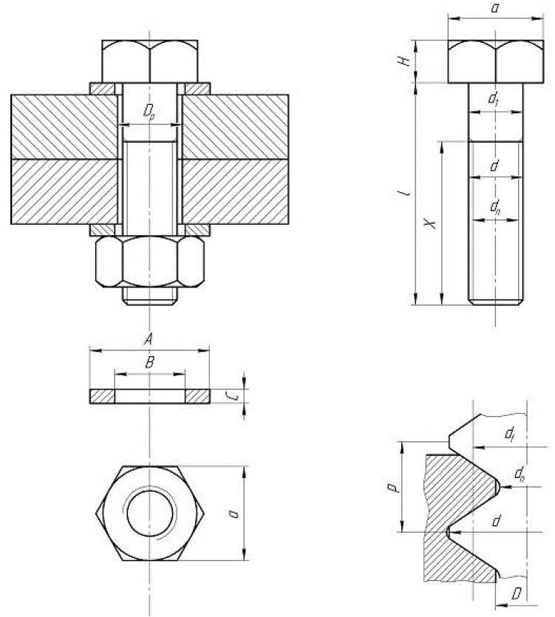
Dimensions of the bolts and assembled parts
SYMBOL | PARAMETER | VALUE | UNIT
p | threatd pitch | 1.75 | [mm]
d | maximum diameter (nominale) | 32.00 | [mm]
Le | insertion length | 50.00 | [mm]
d_vh | venting hole | 0.00 | [mm]
dn | core diameter (minor) |  | [mm]
df | pitch diameter (mean) |  | [mm]
D | minor diameter of tapping |  | [mm]
f | friction coefficient between engaged threads | 0.15 | -
material | Material name | SS316L(N)-IG_SDC-IC | -

Only parameters in blue are mandatory. If the others are not provided (i.e., left empty) they will be computed according to ISO metric.

