Bolt Data
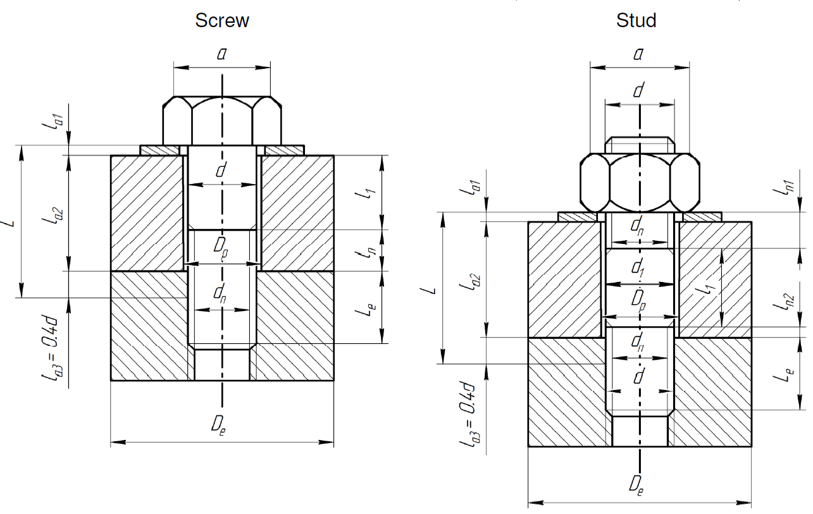
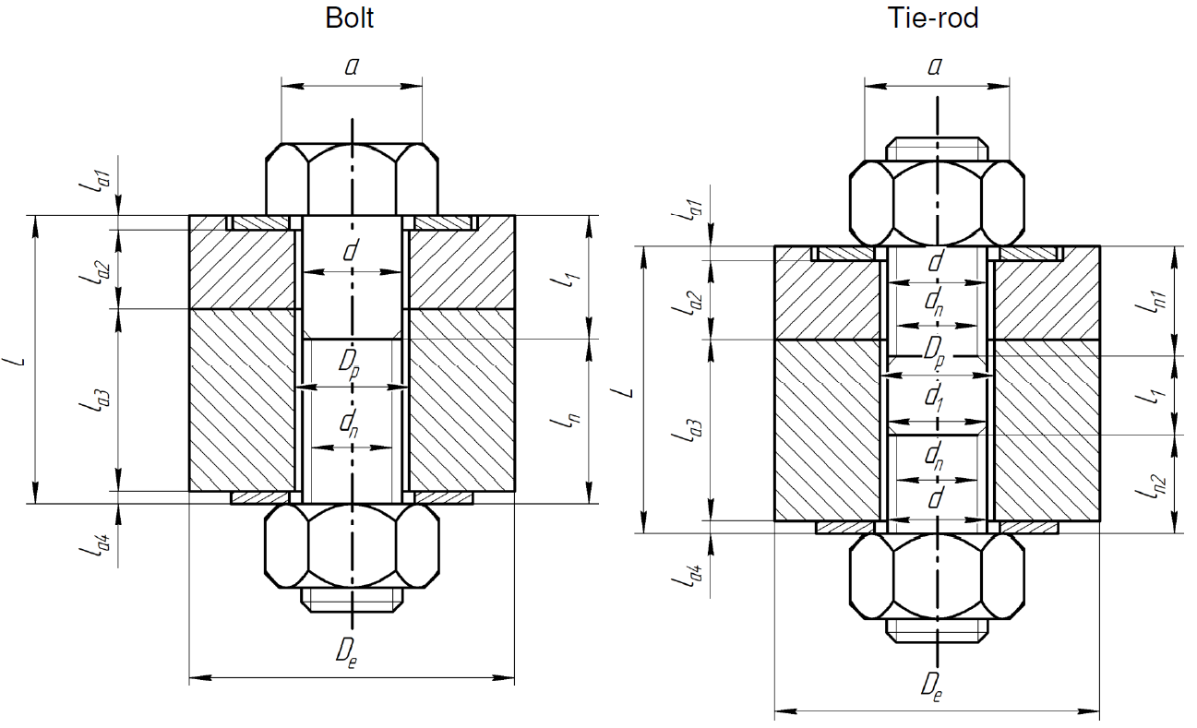
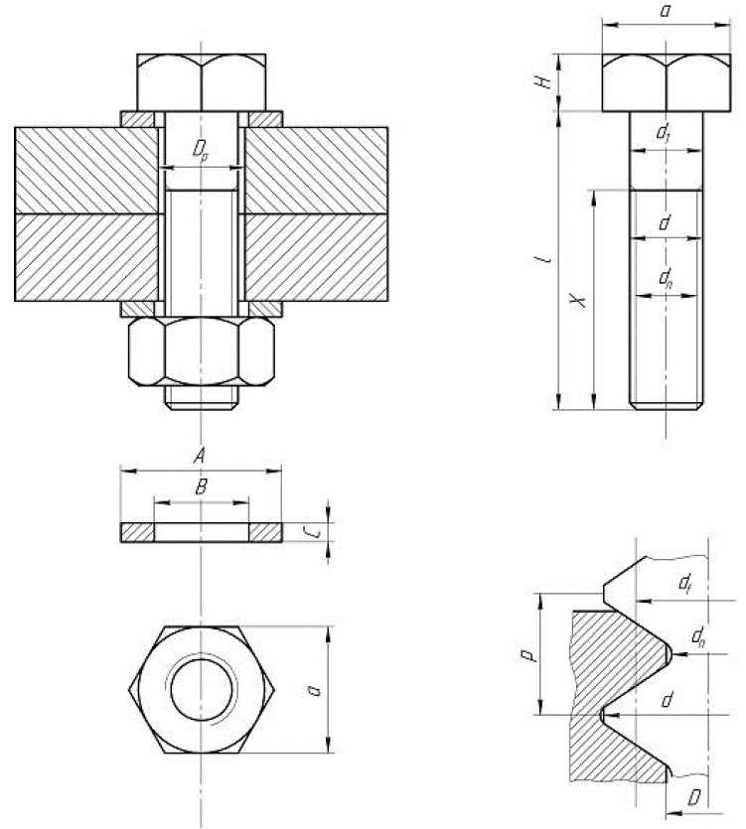
Dimensions of the bolts and assembled parts
SYMBOL | PARAMETER | VALUE | UNIT
p | threatd pitch | 2.00 | [mm]
d | maximum diameter (nominale) | 16.00 | [mm]
dn | core diameter (minor) | 13.83 | [mm]
d1 | diameter of smooth shank | 16.00 | [mm]
df | pitch diameter (mean) | 16.00 | [mm]
D | minor diameter of tapping | 15.57 | [mm]
Dp | diameter of drilling circle | 17.00 | [mm]
Dm | mean diameter under head | 16.00 | [mm]
Le | insertion length | 60.00 | [mm]
H | height of head | 16.00 | [mm]
a | diameter of head | 24.00 | [mm]
B | inside diameter of washer | 0.00 | [mm]
C | thickness of washer | 0.00 | [mm]
KF | fatigue stress coefficient (RB 3285.11) | 4.0 | -
f | friction coefficient between engaged threads | 0.15 | -
f_prime | friction coefficient under head | 0.15 | -
Material | Material name | SS660 (non leak-tight) | -

