Information
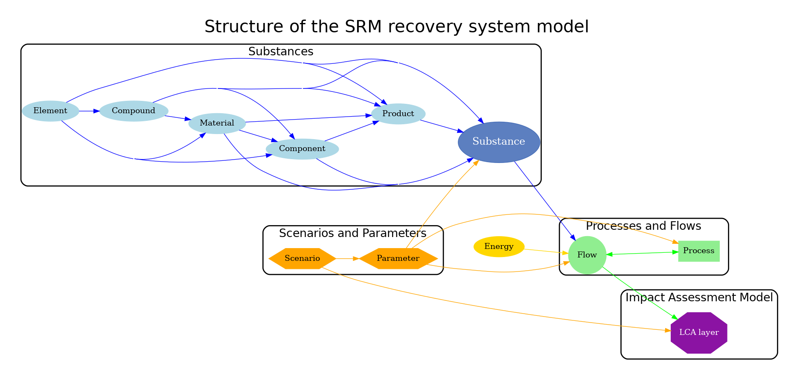
This file contains the templates for the parameters. Please fill in the information for each in the corresponding sheet.
Each parameter should have it’s own data sheet

