Summary
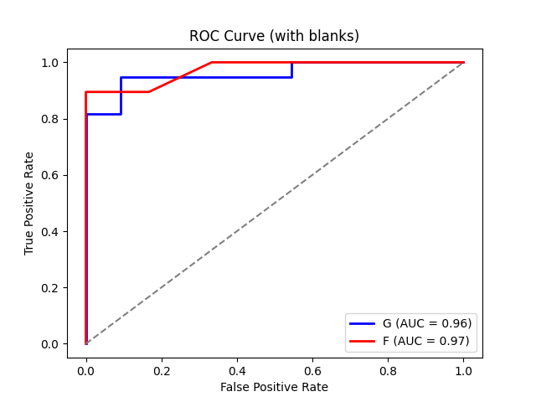
Compound | AUC (With Blanks) | AUC (Non-Blanks Only)
Compound G | 0.95933014354 | 1
Compound F | 0.97368421053 | 1

Sample ID | Intensity (cps) | Above Threshold | Sample ID | Intensity (cps) | Above Threshold | Sample ID | Intensity (cps) | Above Threshold | Sample ID | Intensity (cps) | Above Threshold
01_Blank_2 | 173.25 | FALSE | 02_Analyte4_1 | 168 | FALSE | 01_Blank_1 | 147 | FALSE | 02_Analyte4_1 | 180 | FALSE
01_Blank_3 | 173.25 | FALSE | 02_Analyte4_2 | 168 | FALSE | 01_Blank_2 | 147 | FALSE | 02_Analyte4_2 | 180 | FALSE
01_Blank_4 | 173.25 | FALSE | 02_Analyte4_3 | 180 | FALSE | 01_Blank_3 | 147 | FALSE | 02_Analyte4_3 | 180 | FALSE
01_Blank_5 | 173.25 | FALSE | 02_Analyte4_4 | 180 | FALSE | 01_Blank_4 | 147 | FALSE | 02_Analyte4_4 | 180 | FALSE
01_Blank_6 | 179.55 | FALSE | 02_Analyte4_5 | 180 | FALSE | 01_Blank_5 | 147 | FALSE | 02_Analyte4_5 | 180 | FALSE
01_Blank_7 | 171 | FALSE | 02_Analyte4_6 | 180 | FALSE | 01_Blank_6 | 157.5 | FALSE | 02_Analyte4_6 | 180 | FALSE
01_Blank_8 | 150 | FALSE | 02_Analyte4_7 | 180 | FALSE | 01_Blank_7 | 150 | FALSE | 02_Analyte4_7 | 160 | FALSE
01_Blank_9 | 150 | FALSE | 02_Analyte4_8 | 175 | FALSE | 01_Blank_8 | 150 | FALSE | 02_Analyte4_8 | 160 | FALSE
01_Blank_10 | 150 | FALSE | 02_Analyte4_9 | 175 | FALSE | 01_Blank_9 | 160 | FALSE | 02_Analyte4_9 | 160 | FALSE
01_Blank_11 | 150 | FALSE | 02_Analyte4_10 | 175 | FALSE | 01_Blank_10 | 160 | FALSE | 02_Analyte4_10 | 160 | FALSE
01_Blank_12 | 150 | FALSE | 02_Analyte4_11 | 175 | FALSE | 01_Blank_11 | 170 | FALSE | 02_Analyte4_11 | 200 | FALSE
 |  |  | 02_Analyte4_12 | 175 | FALSE | 01_Blank_12 | 170 | FALSE | 02_Analyte4_12 | 200 | FALSE
 |  |  | 02_Analyte4_10 | 190 | FALSE |  |  |  | 02_Analyte4_10 | 200 | FALSE
 |  |  | 02_Analyte4_11 | 190 | FALSE |  |  |  | 02_Analyte4_11 | 200 | FALSE
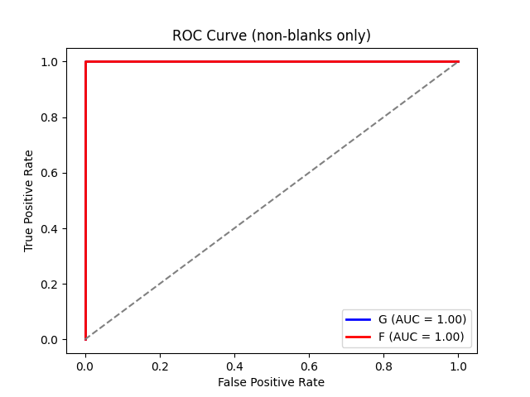
 |  |  | 02_Analyte4_12 | 190 | FALSE |  |  |  | 02_Analyte4_12 | 200 | FALSE
 |  |  | 03_ANALYTE10_1 | 200 | FALSE |  |  |  | 03_ANALYTE10_1 | 190 | FALSE
 |  |  | 03_ANALYTE10_2 | 200 | FALSE |  |  |  | 03_ANALYTE10_2 | 190 | FALSE
 |  |  | 03_ANALYTE10_3 | 200 | FALSE |  |  |  | 03_ANALYTE10_3 | 260 | FALSE
 |  |  | 03_ANALYTE10_4 | 200 | FALSE |  |  |  | 03_ANALYTE10_4 | 260 | FALSE
 |  |  | 03_ANALYTE10_5 | 200 | FALSE |  |  |  | 03_ANALYTE10_5 | 260 | FALSE
 |  |  | 03_ANALYTE10_6 | 190 | FALSE |  |  |  | 03_ANALYTE10_6 | 260 | FALSE
 |  |  | 03_ANALYTE10_7 | 190 | FALSE |  |  |  | 03_ANALYTE10_7 | 260 | FALSE
 |  |  | 03_ANALYTE10_8 | 190 | FALSE |  |  |  | 03_ANALYTE10_8 | 270 | FALSE
 |  |  | 03_ANALYTE10_9 | 190 | FALSE |  |  |  | 03_ANALYTE10_9 | 270 | FALSE
 |  |  | 03_ANALYTE10_10 | 210 | FALSE |  |  |  | 03_ANALYTE10_10 | 270 | FALSE
 |  |  | 03_ANALYTE10_11 | 210 | FALSE |  |  |  | 03_ANALYTE10_11 | 270 | FALSE
 |  |  | 03_ANALYTE10_12 | 210 | FALSE |  |  |  | 03_ANALYTE10_12 | 270 | FALSE
 |  |  | 04_AnalytE25_1 | 400 | FALSE |  |  |  | 04_AnalytE25_1 | 360 | FALSE
 |  |  | 04_AnalytE25_2 | 400 | FALSE |  |  |  | 04_AnalytE25_2 | 360 | FALSE
 |  |  | 04_AnalytE25_3 | 400 | FALSE |  |  |  | 04_AnalytE25_3 | 360 | FALSE
 |  |  | 04_AnalytE25_4 | 400 | FALSE |  |  |  | 04_AnalytE25_4 | 360 | FALSE
 |  |  | 04_AnalytE25_5 | 400 | FALSE |  |  |  | 04_AnalytE25_5 | 360 | FALSE
 |  |  | 04_AnalytE25_6 | 350 | FALSE |  |  |  | 04_AnalytE25_6 | 360 | FALSE
 |  |  | 04_AnalytE25_7 | 350 | FALSE |  |  |  | 04_AnalytE25_7 | 280 | FALSE
 |  |  | 04_AnalytE25_8 | 350 | FALSE |  |  |  | 04_AnalytE25_8 | 280 | FALSE
 |  |  | 04_AnalytE25_9 | 350 | FALSE |  |  |  | 04_AnalytE25_9 | 500 | TRUE
 |  |  | 04_AnalytE25_10 | 500 | FALSE |  |  |  | 04_AnalytE25_10 | 500 | TRUE
 |  |  | 04_AnalytE25_11 | 500 | FALSE |  |  |  | 04_AnalytE25_11 | 500 | TRUE

