Summary
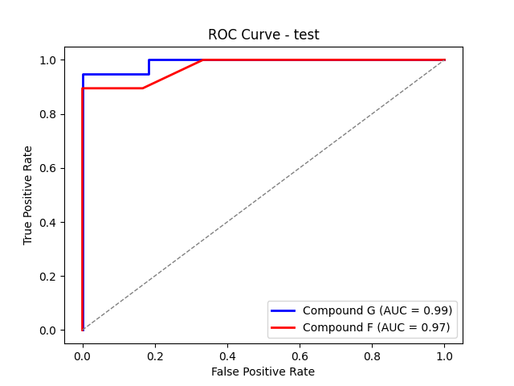
Compound | Z-Value | Threshold | AUC | Min ROC Threshold | Max ROC Threshold
Compound G | 1.1 | 187 | 0.99043062201 | 150 | inf
Compound F | 1.1 | 180.4 | 0.97368421053 | 140 | inf

