SPICE Import Screenshots
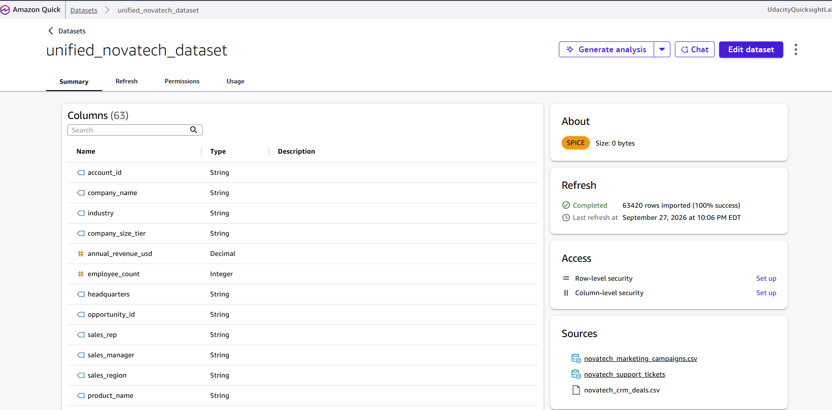
SPICE Import Confirmation — All Three Source Datasets
Screenshot 1: CRM Deals — 499 rows imported (100% success), SPICE badge visible, 20 columns
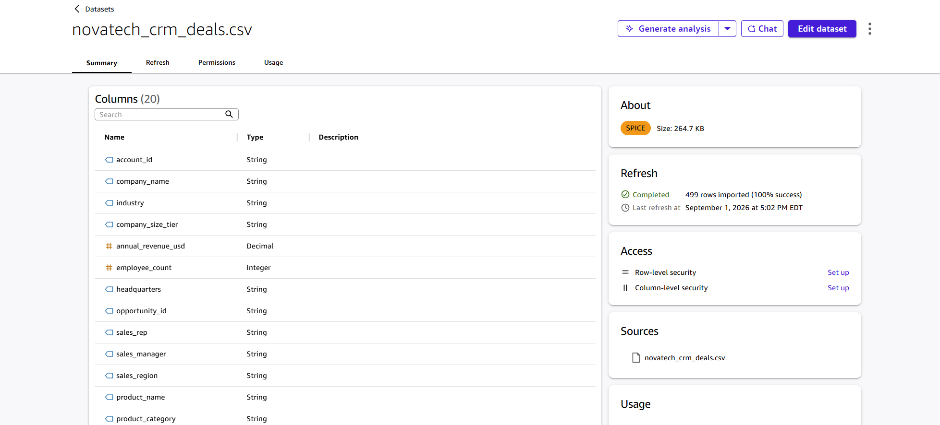

Screenshot 2: Marketing Campaigns — 2,240 rows imported (100% success), SPICE badge visible, 20 columns
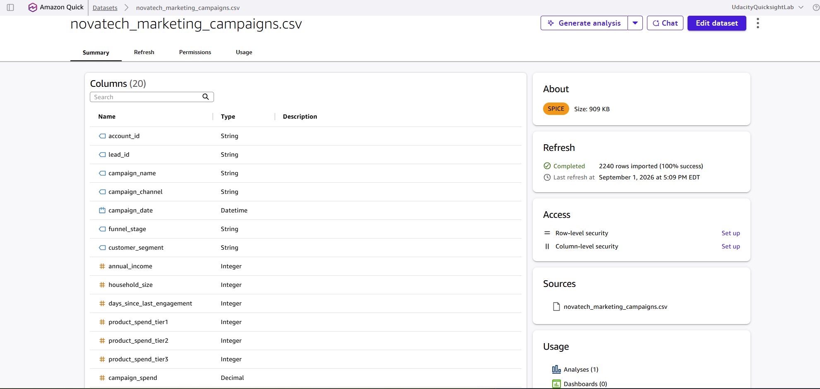

Screenshot 3: Support Tickets — 3,000 rows imported (100% success), SPICE badge visible, 20 columns
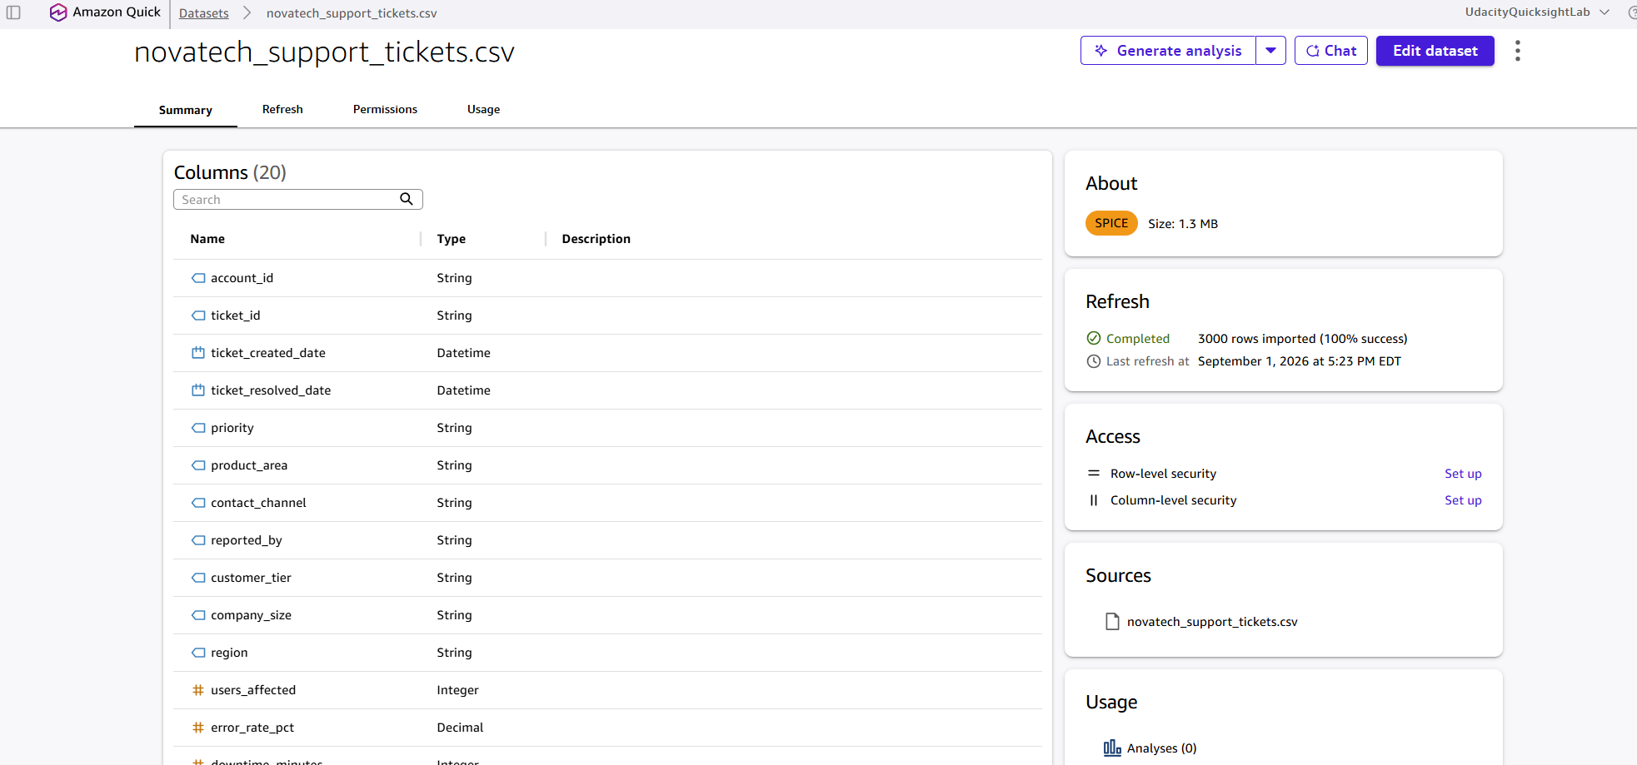

Screenshot 4: Unified Dataset — SPICE confirmation. This is the unified dataset, unified_novatech_dataset: its Sources panel (bottom right) lists all three source files (novatech_marketing_campaigns.csv, novatech_support_tickets, and novatech_crm_deals.csv), and it shows 63 columns and 63,420 rows imported (100% success). The row count is far higher than the 499-row CRM source, confirming it is the joined (left join on account_id) output saved to SPICE.

