Product_backlog_START
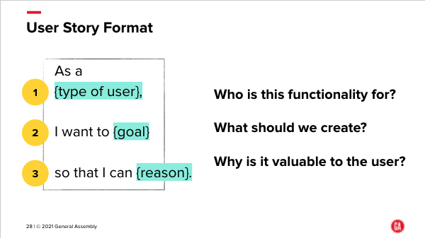
ID | User Story | Additional detail | Priority # | Story Points |  |  |  | start priority
003 | As an investor, I want to know the dynamics of the Wind Turbine market in the US, so I can work out whether to invest in it | * How strong is the wind power market in the US? * Is the wind power market a good market to be in? | 4 | 21 |  |  | vague…. | 1 | Tom
013 | As an investor, I want to see the locations and output power (capacity) of wind turbines across the USA. | * Map showing the current state of the US Wind Turbine market * Evolution of the US wind turbine market over time | 12 | 13 | DONE |  |  | 2 | John
010 | As an investor, I want to know who owns which plants (and their turbines) across the USA, so I can assess the footprint of turbine owners in the USA. | * Owners (operators) of wind turbines in the USA * Wind energy generation per owner * Identify potential companies to approach to fund | 8 | 34 | DONE. Related to 16 |  |  | 3 | Ang
008 | As an investor, I want to better understand wind turbines so that I can make an informed decision on where to invest. | * How large are they? * Who are the manufacturers? * What is the capacity? * How large are the power plants? * Are there any manufacturers that require more maintenance than others? | 3 | 13 | DONE inspo for 12 | john answered detail 3 with his map from 13. Ang did detail 4 from 10. |  | 4 | Hemal
014 | As an Investor, I want to know who operates the wind turbines in the USA, and also whether they operate other types of power plants, so I can assess potential takeover targets. | * Owners (operators) of wind turbines in the USA * Wind energy generation per owner * Which other types of power the wind owners already own * Identify potential companies to approach to fund | 13 | 21 | DONErelated to 10 |  |  | 5 | Ang
004 | Are there any trends in the wind turbine industry over time? | * Analyze the wind turbine industry in the last few years | 6 | 13 | related to 08 |  | needs further definition... | 6 | Tom
001 | As an investor, I want to understand the global energy market and what part wind turbines play within it. | * Place of wind power in the global energy market * Growth of wind power over recent years, both globally and in the USA * Number of operators in the Wind Turbine market in the USA. (ang, ID 10. get quick count) * Onshore vs offshore wind turbines. (john ID 13 get quick count) * Profitability of the industry * Types of power plants being built (S-M-L) * Future trends (COP26, IPCC) and regulations for the industry (e.g. more offshore may be allowed...?) (ties to 003 detail 2) * Trends over time can be found in the spreadsheet at the bottom of the Land-Based Wind Market Report (https://emp.lbl.gov/wind-technologies-market-report) | 2 | 89 | ang built detail1and 2 |  |  | 7 | All
012 | Who are the main players in the original equipment manufacturer (OEM) market for wind turbines in the USA? How good are their turbines? | * Who are the key players? * How does the quality of their equipment vary? | 11 | 8 | ang helping |  |  | 8 | Hemal
016 | As a potential investor, I want a recommendation on which wind turbine operators in the US market I should approach to invest in |  | 1 | 55 | we could start by selecting operators that demonstrate high capacity. At least we know site selection was done well . High cap and low num turbines. Consider overall region attractiveness. |  |  | 11 | all.
015 | Average wind speeds overlaid on a map of all wind turbines in the US, to show potential opportunities | * What about offshore, where winds are stronger? * Sources: AWS Truepower, National Renewable Energy Laboratory (NREL) * Source of wind speed data per US county per month from s 1930-1996: https://www.ncdc.noaa.gov/sites/default/files/attachments/wind1996.pdf | 14 | 34 |  |  |  | 10 | TBD. Ang?
007 | As an investor, I want to understand the locations that the wind turbines are in, and how that matches with population data. | * Analyze the demographics of the location of the wind turbines * Connect the data to the Census data in Tableau using the t_fips feature. | 9 | 34 | pop v plant size (capacity)? Paused |  |  | 9 | John
002 | How transferable is wind power that is generated? How far can it travel and still be useful? | Need to know when assessing operators | 15 | 1
005 | What is the future of wind turbines? Use machine learning to predict the future. | Possible areas to predict: * The size of wind turbines * The capacity of wind turbines * The size of the power plant * The location of the power plant | 7 | 34 | great but not for prediction. Current #s?
006 | As an investor, I want to understand whether wind power capacity can be forecast, to maximise the amount of wind power that can be generated, and minimise the amount of electricity that is wasted to produce wind power. |  | 16 | 55
009 | As an investor, I want to better understand any environmental issues with building wind turbines. | Wild life or airplane obstructions. | 5 | 55
011 | What is the total capacity per equipment manufacturer (OEM) of wind turbines? |  | 10 | 2

 | Notes
 | - Story Points These are estimates, and are not fixed units of time. They are relative to each other, so an item with a Story Point estimate of 8 is bigger than one with Story Point estimate of 5. The Story Point scale used is a Fibonacci scale, where each number in the scale is the sum of the two previous numbers, so 1,2,3,5,8,13,21,34,55,89. It's used so it's easier to estimate an item: rather than saying 'this one is a 13 and that one is a 12', you are saying things are considerably different in size to each other (or roughly the same, if you give them the same Story Points value). This is common in Spring and Backlog planning, and reflects the fact that things are estimated with the knowledge that the estimation won't be that accurate.

 | - User Stories: as a reminder, this slide shows the ideal format for a User Story

