Model Summary
Combinations Tested (Total of 48) | Test Accuracy | Test Loss | Best Val Acc | Best Val Loss | Final Train Acc | Final Train Loss | Epochs Run | Rank (Lowest Val Loss, Highest Val Accuracy for combination) | Trainng vs Validation plots | Confusion Matrix | Architecture Graph | Epochs Run is based on early stopping except for simple_reduce training Pipeline

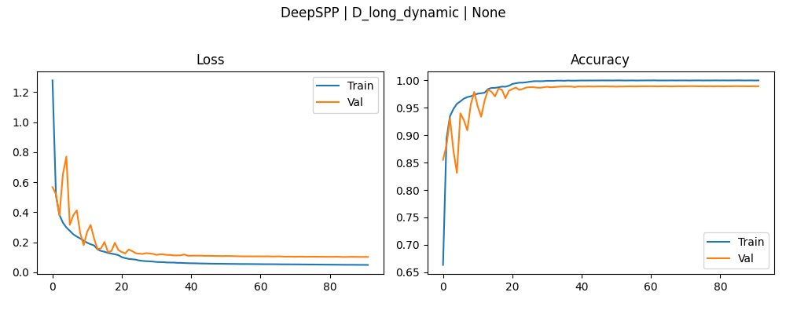
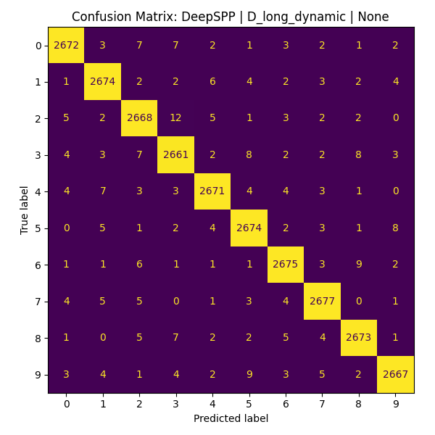
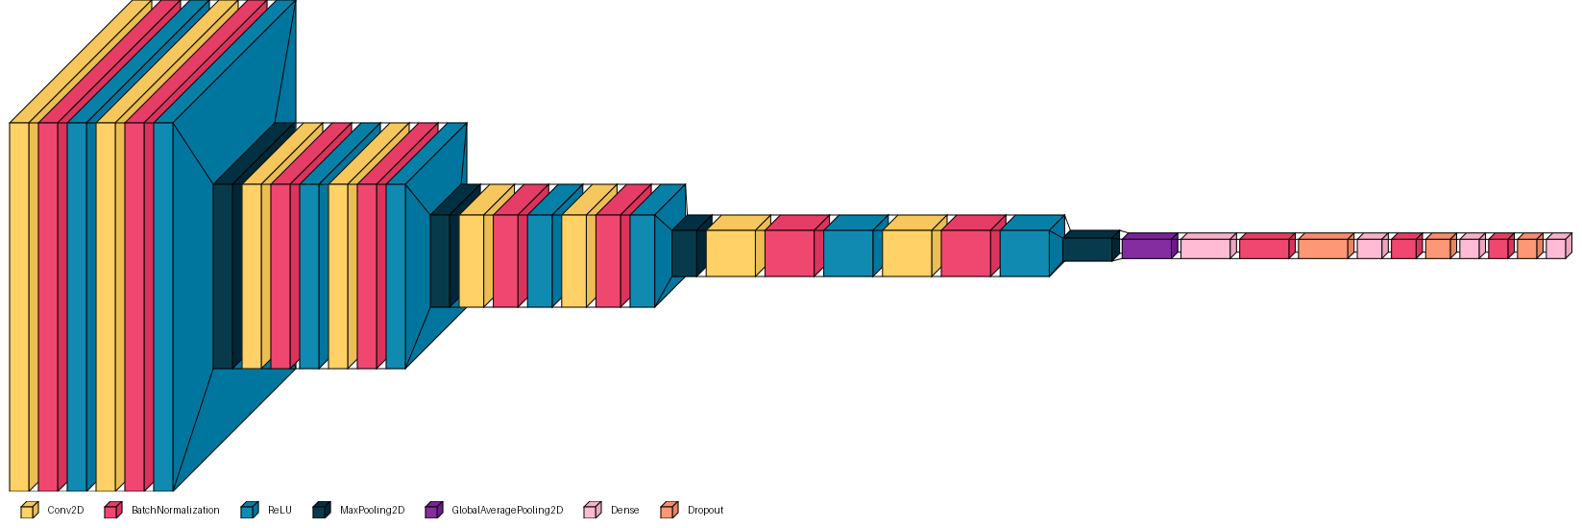
 |  |  |  |  |  |  |  |  |  |  |  | Archetctures tested:
DeepSPP | D_long_dynamic | None | 0.98933333158 | 0.10247910023 | 0.98937034607 | 0.10247910023 | 0.99988889694 | 0.049425300211 | 92 | 1 |  |  |  |  |  | Specrogram Level Augmentations tested: |  | Training Pipelines tested:
 |  |  |  |  |  |  |  |  |  |  |  |  | models_dict = {
 |  |  |  |  |  |  |  |  |  |  |  |  | "BaseCNN": build_base_cnn, |  | augment_types = { |  | pipelines = {
 |  |  |  |  |  |  |  |  |  |  |  |  | "SmallCNN": build_small_cnn, |  | "None": "none", |  | "A_val_loss": ("val_loss", 20),
 |  |  |  |  |  |  |  |  |  |  |  |  | "DeepSPP": build_deep_spp_cnn, |  | "Static": "static", |  | "B_val_acc": ("val_accuracy", 50),
 |  |  |  |  |  |  |  |  |  |  |  |  | "ResidualFace": build_residual_face |  | "Dynamic": "dynamic" |  | "C_reduce": ("simple_reduce", 20),
 |  |  |  |  |  |  |  |  |  |  |  |  | } |  | } |  | "D_long_dynamic": ("long_dynamic", 100)
 |  |  |  |  |  |  |  |  |  |  |  |  |  |  | current_augment_prob = 0.0 |  | }
 |  |  |  |  |  |  |  |  |  |  |  |  |  |  |  |  | def get_callbacks(mode):
 |  |  |  |  |  |  |  |  |  |  |  |  | def build_base_cnn(): |  | def get_current_augment_prob(): |  | if mode == 'val_loss':
 |  |  |  |  |  |  |  |  |  |  |  |  | model = tf.keras.models.Sequential([ |  | global current_augment_prob |  | return [ModelCheckpoint("best_model.keras", monitor="val_loss", save_best_only=True, verbose=0),
 |  |  |  |  |  |  |  |  |  |  |  |  | layers.Input(shape=(IMAGE_HEIGHT, IMAGE_WIDTH, N_CHANNELS)), |  | return current_augment_prob |  | EarlyStopping(monitor="val_loss", patience=5, restore_best_weights=True, verbose=0),
 |  |  |  |  |  |  |  |  |  |  |  |  | layers.Conv2D(32, 3, strides=2, padding='same', activation='relu', kernel_regularizer=regularizers.l2(1e-3)), |  |  |  | ReduceLROnPlateau(monitor="val_loss", factor=0.5, patience=3, min_lr=5e-5)]
 |  |  |  |  |  |  |  |  |  |  |  |  | layers.BatchNormalization(), |  | def static_spec_augment(spectrogram, label): |  | elif mode == 'val_accuracy':
 |  |  |  |  |  |  |  |  |  |  |  |  | layers.MaxPooling2D(2), |  | def augment(x): |  | return [ModelCheckpoint("best_model.keras", monitor="val_accuracy", save_best_only=True, verbose=0),
 |  |  |  |  |  |  |  |  |  |  |  |  | layers.Conv2D(64, 3, padding='same', activation='relu', kernel_regularizer=regularizers.l2(1e-3)), |  | x = tf.image.random_flip_left_right(x) |  | EarlyStopping(monitor="val_accuracy", patience=5, restore_best_weights=True, verbose=0),
 |  |  |  |  |  |  |  |  |  |  |  |  | layers.BatchNormalization(), |  | x = tf.image.random_brightness(x, 0.1) |  | ReduceLROnPlateau(monitor="val_loss", factor=0.5, patience=3, min_lr=1e-6)]
 |  |  |  |  |  |  |  |  |  |  |  |  | layers.MaxPooling2D(2), |  | return x |  | elif mode == 'simple_reduce':
 |  |  |  |  |  |  |  |  |  |  |  |  | layers.Conv2D(128, 3, padding='same', activation='relu', kernel_regularizer=regularizers.l2(1e-3)), |  | return augment(spectrogram), label |  | return [ModelCheckpoint("best_model.keras", monitor="val_loss", save_best_only=True, verbose=0),
 |  |  |  |  |  |  |  |  |  |  |  |  | layers.BatchNormalization(), |  |  |  | ReduceLROnPl ( ateau(monitor="val_loss", factor=0.5, patience=3, min_lr=1e-6)]
 |  |  |  |  |  |  |  |  |  |  |  |  | layers.MaxPooling2D(2), |  | def dynamic_spec_augment(): |  | elif mode == 'long_dynamic':
 |  |  |  |  |  |  |  |  |  |  |  |  | layers.Flatten(), |  | def augment(x, y): |  | return [ModelCheckpoint("best_model.keras", monitor="val_loss", save_best_only=True, verbose=0),
 |  |  |  |  |  |  |  |  |  |  |  |  | layers.Dense(256, activation='relu'), |  | prob = get_current_augment_prob() |  | ReduceLROnPlateau(monitor="val_loss", factor=0.5, patience=3, min_lr=1e-6),
 |  |  |  |  |  |  |  |  |  |  |  |  | layers.BatchNormalization(), |  | x = tf.cond(tf.random.uniform([]) < prob, lambda: tf.image.random_flip_left_right(x), lambda: x) |  | EarlyStopping(monitor="val_loss", patience=7, restore_best_weights=True, verbose=0),
 |  |  |  |  |  |  |  |  |  |  |  |  | layers.Dropout(0.5), |  | x = tf.cond(tf.random.uniform([]) < prob, lambda: tf.image.random_brightness(x, 0.1), lambda: x) |  | AugmentProbScheduler()]
 |  |  |  |  |  |  |  |  |  |  |  |  | layers.Dense(N_CLASSES, activation='softmax') |  | return x, y
 |  |  |  |  |  |  |  |  |  |  |  |  | ]) |  | return augment
 |  |  |  |  |  |  |  |  |  |  |  |  | return model
 |  |  |  |  |  |  |  |  |  |  |  |  |  |  | class AugmentProbScheduler(Callback):
 |  |  |  |  |  |  |  |  |  |  |  |  | def build_small_cnn(): |  | def __init__(self, start_prob=0.0, end_prob=0.25, step_epochs=10):
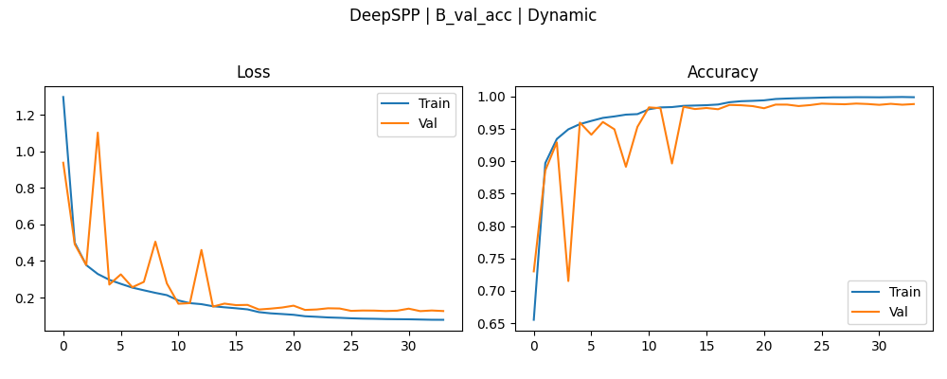
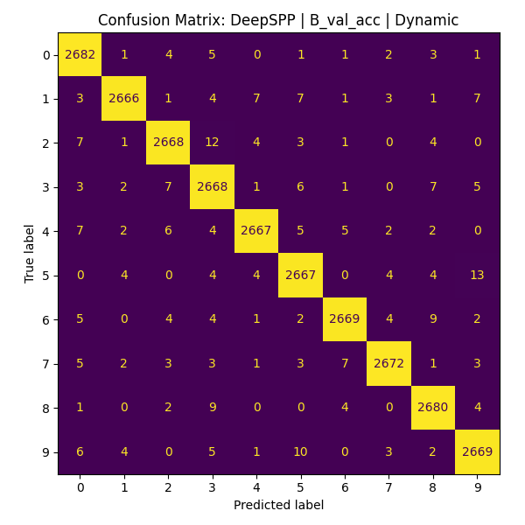
DeepSPP | B_val_acc | Dynamic | 0.98918521404 | 0.12629772723 | 0.98918521404 | 0.12579160929 | 0.99898409843 | 0.078323587775 | 34 | 2 |  |  |  |  | model = tf.keras.models.Sequential([ |  | super().__init__()
 |  |  |  |  |  |  |  |  |  |  |  |  | layers.Input(shape=(IMAGE_HEIGHT, IMAGE_WIDTH, N_CHANNELS)), |  | self.start_prob = start_prob
 |  |  |  |  |  |  |  |  |  |  |  |  | layers.Conv2D(16, 3, padding='same', activation='relu', kernel_regularizer=regularizers.l2(1e-3)), |  | self.end_prob = end_prob
 |  |  |  |  |  |  |  |  |  |  |  |  | layers.BatchNormalization(), |  | self.step_epochs = step_epochs
 |  |  |  |  |  |  |  |  |  |  |  |  | layers.MaxPooling2D(2), |  | def on_epoch_begin(self, epoch, logs=None):
 |  |  |  |  |  |  |  |  |  |  |  |  | layers.Conv2D(32, 3, padding='same', activation='relu', kernel_regularizer=regularizers.l2(1e-3)), |  | global current_augment_prob
 |  |  |  |  |  |  |  |  |  |  |  |  | layers.BatchNormalization(), |  | steps = epoch // self.step_epochs
 |  |  |  |  |  |  |  |  |  |  |  |  | layers.MaxPooling2D(2), |  | new_prob = self.start_prob + (0.05 * steps)
 |  |  |  |  |  |  |  |  |  |  |  |  | layers.Conv2D(32, 3, padding='same', activation='relu', kernel_regularizer=regularizers.l2(1e-3)), |  | current_augment_prob = min(new_prob, self.end_prob)
 |  |  |  |  |  |  |  |  |  |  |  |  | layers.BatchNormalization(), |  | print(f"Epoch {epoch+1}: Augment prob = {current_augment_prob:.2f}")
 |  |  |  |  |  |  |  |  |  |  |  |  | layers.MaxPooling2D(2),
 |  |  |  |  |  |  |  |  |  |  |  |  | layers.GlobalAveragePooling2D(), |  | def prepare_dataset(X, y, batch_size, shuffle=True, augment_type='none'):
 |  |  |  |  |  |  |  |  |  |  |  |  | layers.Dense(64, activation='relu'), |  | ds = tf.data.Dataset.from_tensor_slices((X, y))
 |  |  |  |  |  |  |  |  |  |  |  |  | layers.BatchNormalization(), |  | if shuffle:
 |  |  |  |  |  |  |  |  |  |  |  |  | layers.Dropout(0.5), |  | ds = ds.shuffle(len(X))
 |  |  |  |  |  |  |  |  |  |  |  |  | layers.Dense(N_CLASSES, activation='softmax') |  | if augment_type == 'static':
 |  |  |  |  |  |  |  |  |  |  |  |  | ]) |  | ds = ds.map(static_spec_augment, num_parallel_calls=tf.data.AUTOTUNE)
 |  |  |  |  |  |  |  |  |  |  |  |  | return model |  | elif augment_type == 'dynamic':
 |  |  |  |  |  |  |  |  |  |  |  |  |  |  | ds = ds.map(dynamic_spec_augment(), num_parallel_calls=tf.data.AUTOTUNE)
 |  |  |  |  |  |  |  |  |  |  |  |  | def build_deep_spp_cnn(): |  | ds = ds.batch(batch_size).prefetch(tf.data.AUTOTUNE)
 |  |  |  |  |  |  |  |  |  |  |  |  | def conv_block(filters): |  | return ds
 |  |  |  |  |  |  |  |  |  |  |  |  | return [
 |  |  |  |  |  |  |  |  |  |  |  |  | layers.Conv2D(filters, 3, padding='same', kernel_regularizer=regularizers.l2(1e-4)),
 |  |  |  |  |  |  |  |  |  |  |  |  | layers.BatchNormalization(),
 |  |  |  |  |  |  |  |  |  |  |  |  | layers.ReLU()
 |  |  |  |  |  |  |  |  |  |  |  |  | ]
 |  |  |  |  |  |  |  |  |  |  |  |  | return tf.keras.Sequential([
 |  |  |  |  |  |  |  |  |  |  |  |  | layers.Input(shape=(IMAGE_HEIGHT, IMAGE_WIDTH, N_CHANNELS)),
 |  |  |  |  |  |  |  |  |  |  |  |  | *conv_block(64), *conv_block(64), layers.MaxPooling2D(2),
 |  |  |  |  |  |  |  |  |  |  |  |  | *conv_block(128), *conv_block(128), layers.MaxPooling2D(2),
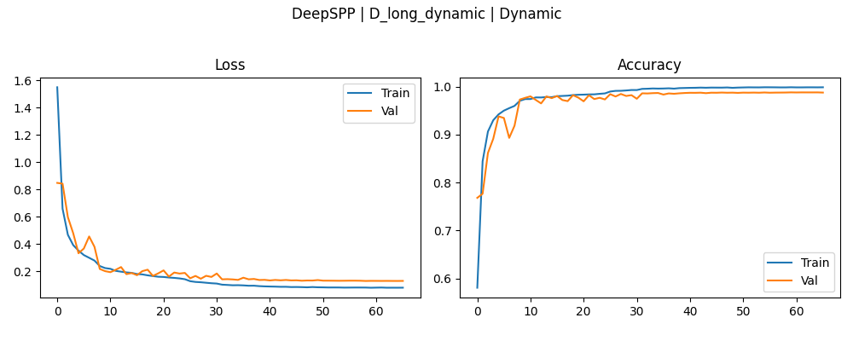

DeepSPP | D_long_dynamic | Dynamic | 0.98792594671 | 0.12925969064 | 0.9882222414 | 0.12925969064 | 0.99885714054 | 0.080081798136 | 66 | 3 |  |  |  |  | *conv_block(256), *conv_block(256), layers.MaxPooling2D(2),
 |  |  |  |  |  |  |  |  |  |  |  |  | *conv_block(512), *conv_block(512), layers.MaxPooling2D(2),
 |  |  |  |  |  |  |  |  |  |  |  |  | layers.GlobalAveragePooling2D(),
 |  |  |  |  |  |  |  |  |  |  |  |  | layers.Dense(512, activation='relu'), layers.BatchNormalization(), layers.Dropout(0.5),
 |  |  |  |  |  |  |  |  |  |  |  |  | layers.Dense(256, activation='relu'), layers.BatchNormalization(), layers.Dropout(0.5),
 |  |  |  |  |  |  |  |  |  |  |  |  | layers.Dense(128, activation='relu'), layers.BatchNormalization(), layers.Dropout(0.5),
 |  |  |  |  |  |  |  |  |  |  |  |  | layers.Dense(N_CLASSES, activation='softmax', dtype=tf.float32)
 |  |  |  |  |  |  |  |  |  |  |  |  | ])

 |  |  |  |  |  |  |  |  |  |  |  |  | def build_residual_face():
 |  |  |  |  |  |  |  |  |  |  |  |  | def residual_block(x, out_channels):
 |  |  |  |  |  |  |  |  |  |  |  |  | shortcut = x
 |  |  |  |  |  |  |  |  |  |  |  |  | x = layers.DepthwiseConv2D(3, padding='same', use_bias=False)(x)
 |  |  |  |  |  |  |  |  |  |  |  |  | x = layers.BatchNormalization()(x)
 |  |  |  |  |  |  |  |  |  |  |  |  | x = layers.LeakyReLU()(x)
 |  |  |  |  |  |  |  |  |  |  |  |  | x = layers.Conv2D(out_channels, 1, padding='same', use_bias=False,
 |  |  |  |  |  |  |  |  |  |  |  |  | kernel_regularizer=regularizers.l2(1e-3))(x)
 |  |  |  |  |  |  |  |  |  |  |  |  | x = layers.BatchNormalization()(x)
 |  |  |  |  |  |  |  |  |  |  |  |  | if shortcut.shape[-1] != out_channels:
 |  |  |  |  |  |  |  |  |  |  |  |  | shortcut = layers.Conv2D(out_channels, 1, padding='same', use_bias=False)(shortcut)
 |  |  |  |  |  |  |  |  |  |  |  |  | shortcut = layers.BatchNormalization()(shortcut)
 |  |  |  |  |  |  |  |  |  |  |  |  | x = layers.Add()([x, shortcut])
 |  |  |  |  |  |  |  |  |  |  |  |  | return layers.LeakyReLU()(x)

 |  |  |  |  |  |  |  |  |  |  |  |  | inputs = layers.Input(shape=(IMAGE_HEIGHT, IMAGE_WIDTH, N_CHANNELS))
 |  |  |  |  |  |  |  |  |  |  |  |  | x = layers.Conv2D(16, 3, padding='same', use_bias=False)(inputs)
 |  |  |  |  |  |  |  |  |  |  |  |  | x = layers.BatchNormalization()(x)
 |  |  |  |  |  |  |  |  |  |  |  |  | x = layers.LeakyReLU()(x)
 |  |  |  |  |  |  |  |  |  |  |  |  | x = layers.MaxPooling2D(2)(x)
 |  |  |  |  |  |  |  |  |  |  |  |  | for filters in [32, 64, 128, 128]:
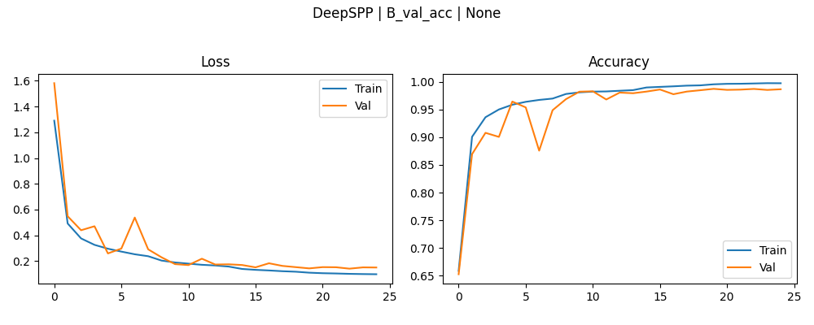
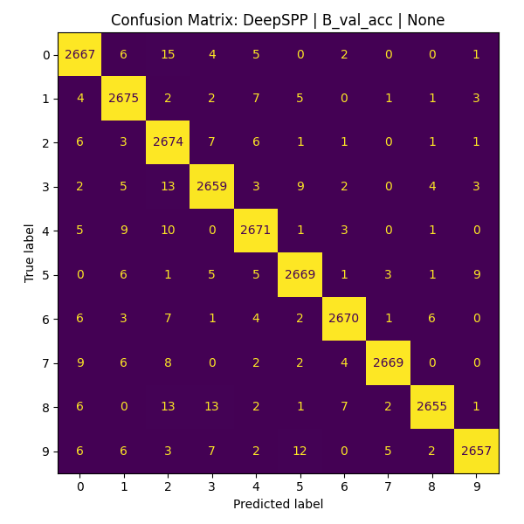
DeepSPP | B_val_acc | None | 0.98762965202 | 0.1430632621 | 0.98762965202 | 0.14090001583 | 0.99777776003 | 0.097599051893 | 25 | 4 |  |  |  |  | x = residual_block(x, filters)
 |  |  |  |  |  |  |  |  |  |  |  |  | x = layers.MaxPooling2D(2)(x)
 |  |  |  |  |  |  |  |  |  |  |  |  | x = layers.GlobalAveragePooling2D()(x)
 |  |  |  |  |  |  |  |  |  |  |  |  | x = layers.Dropout(0.4)(x)
 |  |  |  |  |  |  |  |  |  |  |  |  | outputs = layers.Dense(N_CLASSES, activation='softmax')(x)
 |  |  |  |  |  |  |  |  |  |  |  |  | return tf.keras.Model(inputs, outputs)

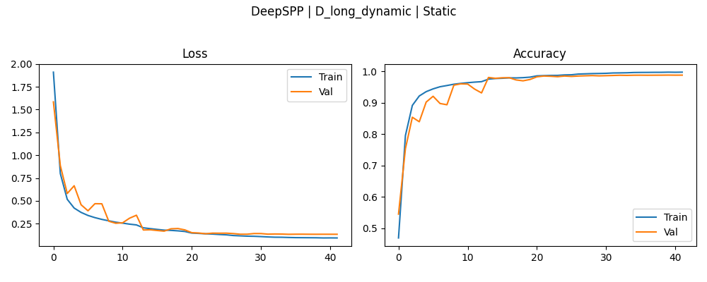

DeepSPP | D_long_dynamic | Static | 0.98748147488 | 0.13287100196 | 0.98788887262 | 0.13287100196 | 0.99722224474 | 0.092764601111 | 42 | 5

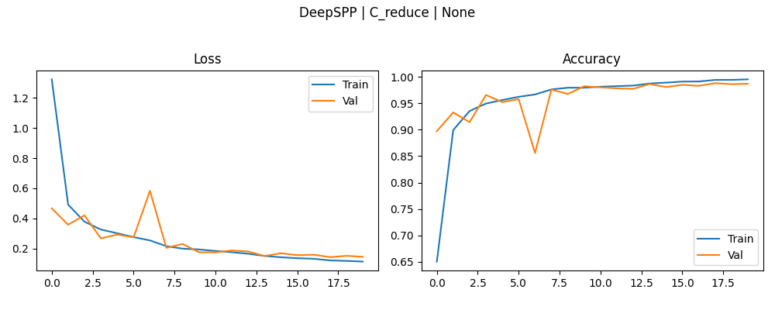

DeepSPP | C_reduce | None | 0.98737037182 | 0.14478638768 | 0.98837035894 | 0.1422431618 | 0.99573016167 | 0.11283171177 | 20 | 6

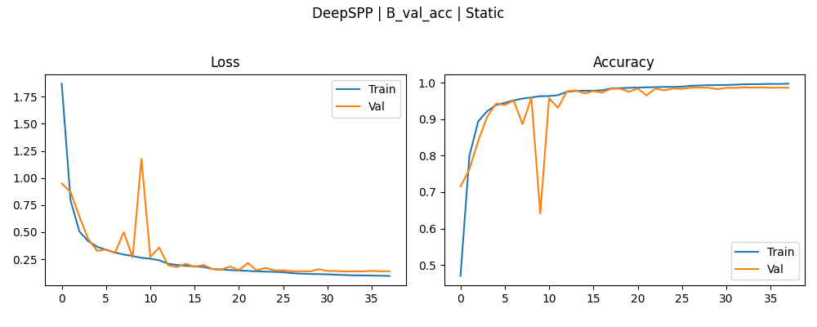

DeepSPP | B_val_acc | Static | 0.98703706264 | 0.13649308681 | 0.98703706264 | 0.13649308681 | 0.99717462063 | 0.095649063587 | 38 | 7

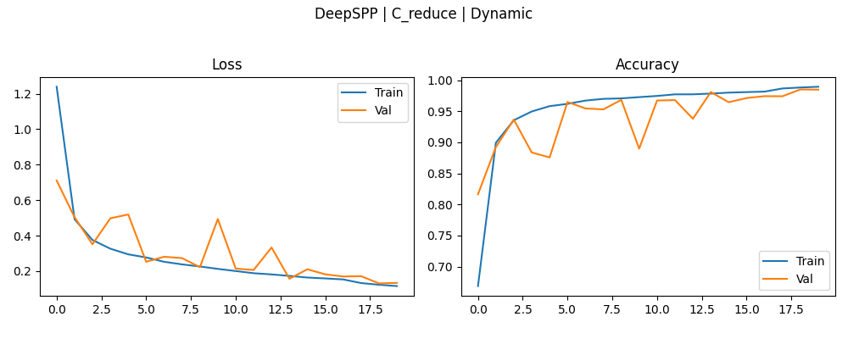

DeepSPP | C_reduce | Dynamic | 0.98466664553 | 0.13384307921 | 0.98500001431 | 0.13100552559 | 0.98933333158 | 0.11606271565 | 20 | 8

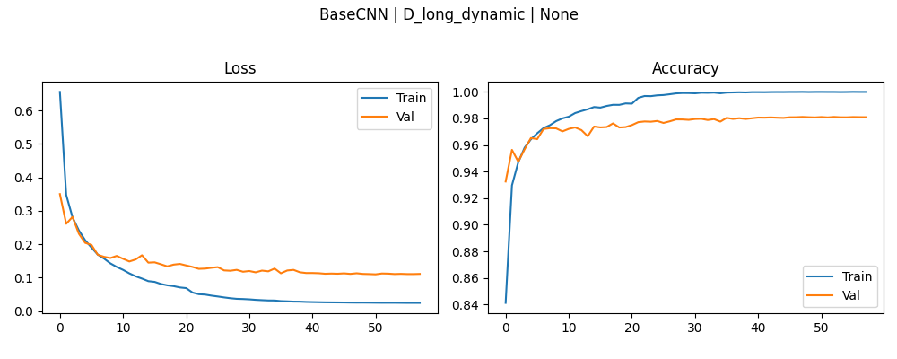

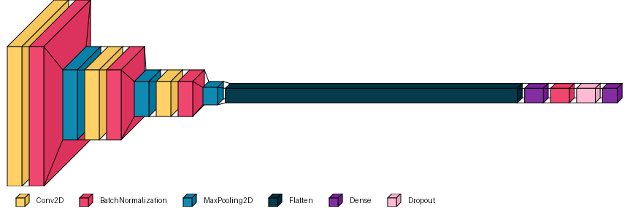
BaseCNN | D_long_dynamic | None | 0.9810000062 | 0.10989376158 | 0.98107409477 | 0.10989376158 | 0.99988889694 | 0.024348918349 | 58 | 9

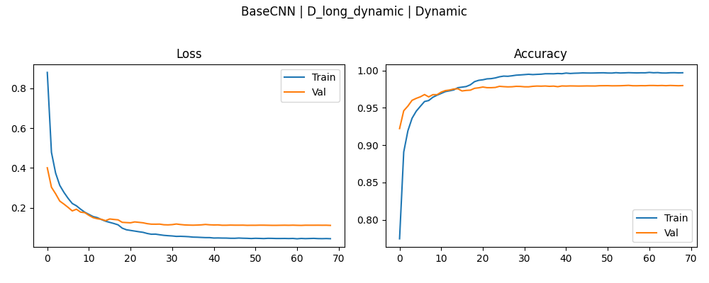

BaseCNN | D_long_dynamic | Dynamic | 0.97988891602 | 0.11182722449 | 0.98003703356 | 0.11182722449 | 0.99693650007 | 0.045086368918 | 69 | 10

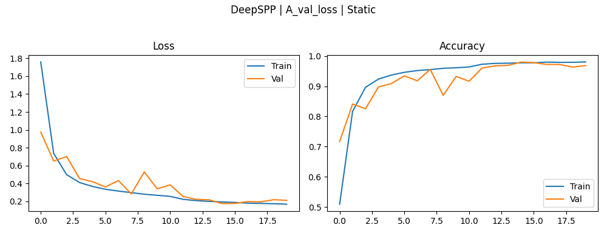

DeepSPP | A_val_loss | Static | 0.97977775335 | 0.17388322949 | 0.97977775335 | 0.17388322949 | 0.98052382469 | 0.16656853259 | 20 | 11

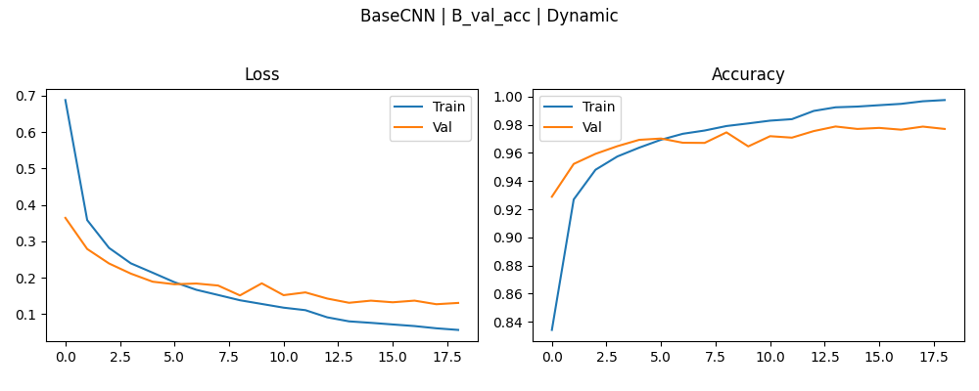

BaseCNN | B_val_acc | Dynamic | 0.97881484032 | 0.13084250689 | 0.97881484032 | 0.12689045072 | 0.99761903286 | 0.05627797544 | 19 | 12

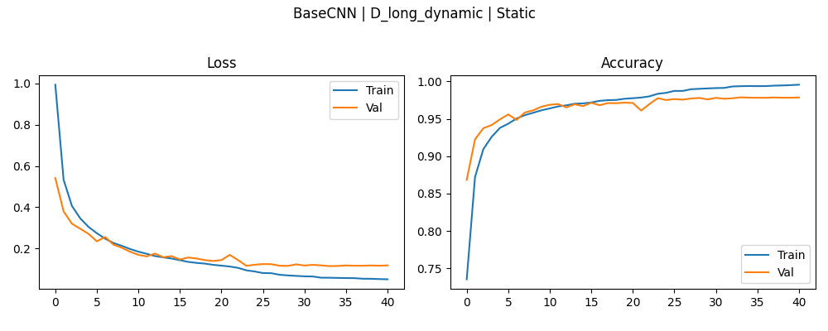

BaseCNN | D_long_dynamic | Static | 0.97866666317 | 0.11478506774 | 0.97866666317 | 0.11478506774 | 0.99552381039 | 0.050793081522 | 41 | 13

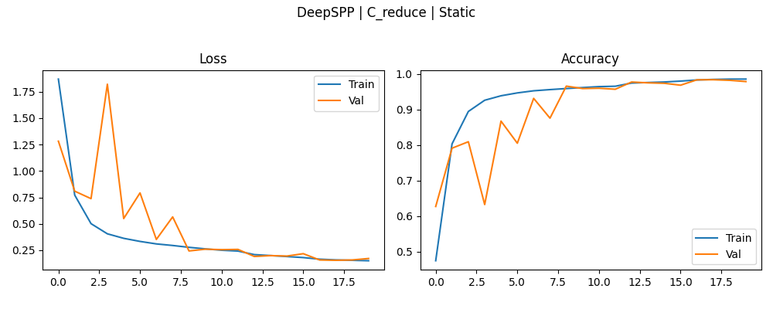

DeepSPP | C_reduce | Static | 0.97825926542 | 0.171762079 | 0.9834073782 | 0.15494786203 | 0.9852539897 | 0.15065747499 | 20 | 14

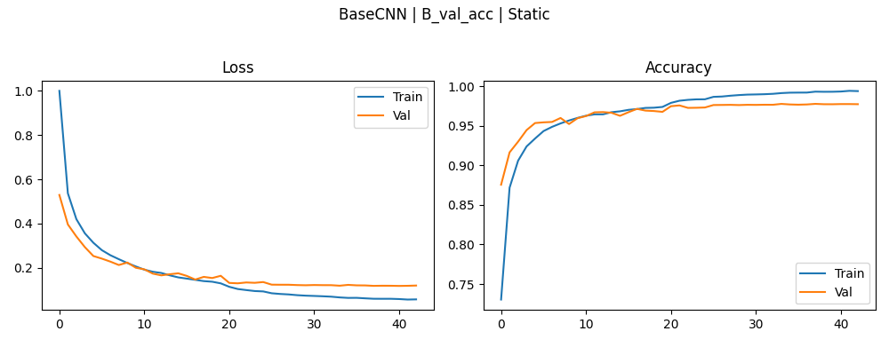

BaseCNN | B_val_acc | Static | 0.97796297073 | 0.11769744754 | 0.97796297073 | 0.11739549041 | 0.99412697554 | 0.056498143822 | 43 | 15

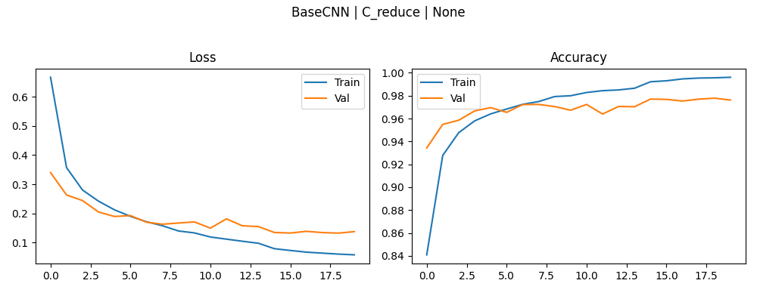

BaseCNN | C_reduce | None | 0.97622221708 | 0.13776126504 | 0.97781479359 | 0.13255827129 | 0.99609524012 | 0.058179866523 | 20 | 16

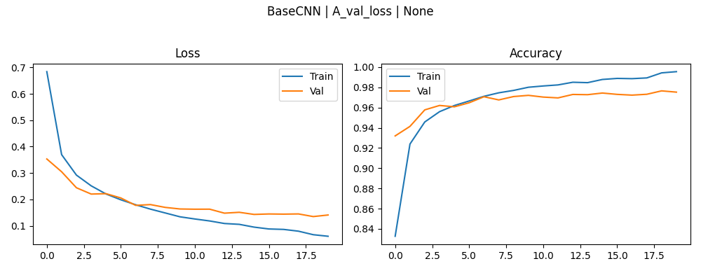

BaseCNN | A_val_loss | None | 0.97529631853 | 0.14083880186 | 0.97655552626 | 0.13486531377 | 0.9955714345 | 0.060273002833 | 20 | 17

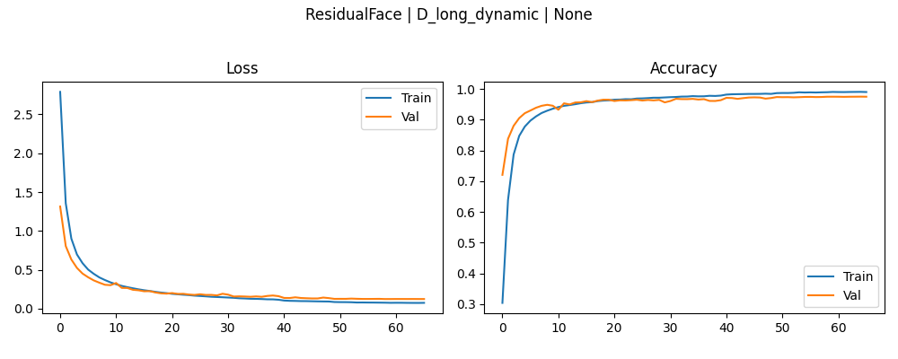

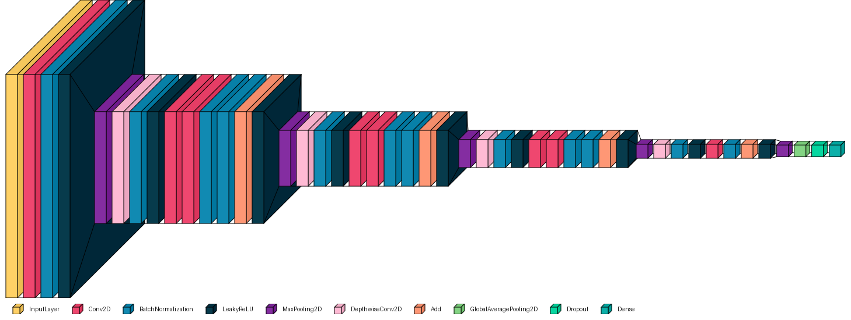
ResidualFace | D_long_dynamic | None | 0.97481483221 | 0.12434207648 | 0.97507405281 | 0.12434207648 | 0.99007934332 | 0.075434334576 | 66 | 18

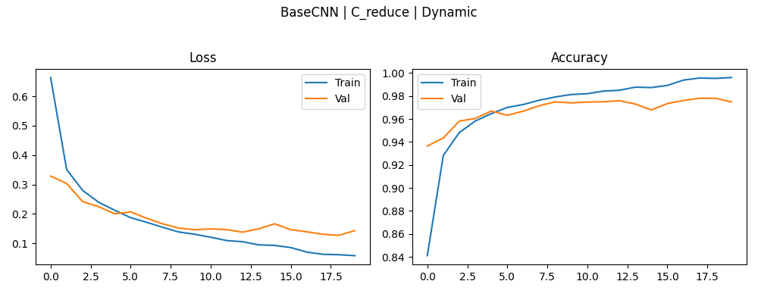

BaseCNN | C_reduce | Dynamic | 0.97477775812 | 0.14280065894 | 0.97796297073 | 0.12698289752 | 0.99598413706 | 0.057775326073 | 20 | 19

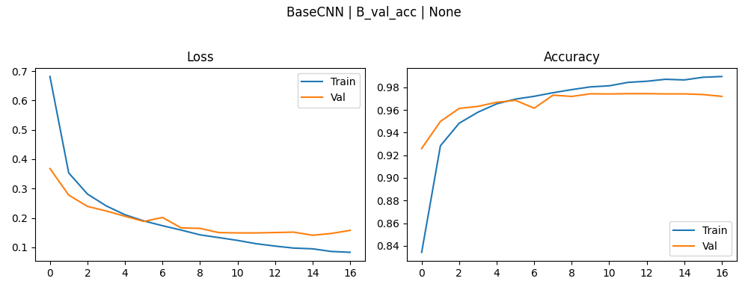

BaseCNN | B_val_acc | None | 0.97437036037 | 0.1489444375 | 0.97437036037 | 0.14097492397 | 0.98950791359 | 0.08299895376 | 17 | 20

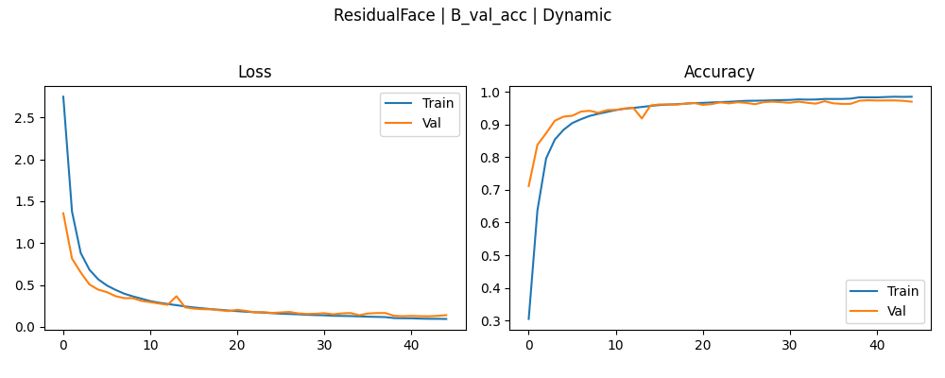

ResidualFace | B_val_acc | Dynamic | 0.97396296263 | 0.12842556834 | 0.97396296263 | 0.12765993178 | 0.98458731174 | 0.095576569438 | 45 | 21

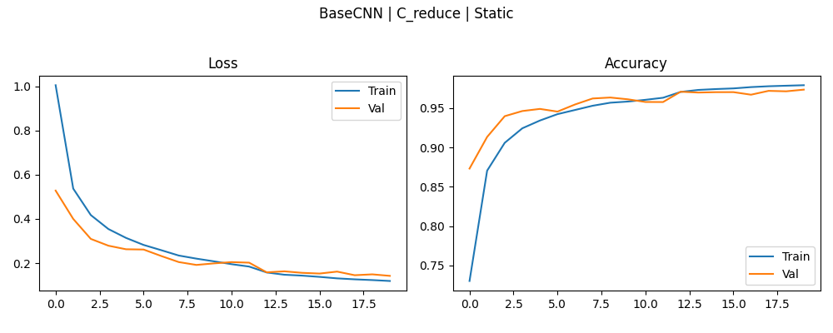

BaseCNN | C_reduce | Static | 0.97359257936 | 0.14216986299 | 0.97359257936 | 0.14216986299 | 0.97920632362 | 0.11899582297 | 20 | 22

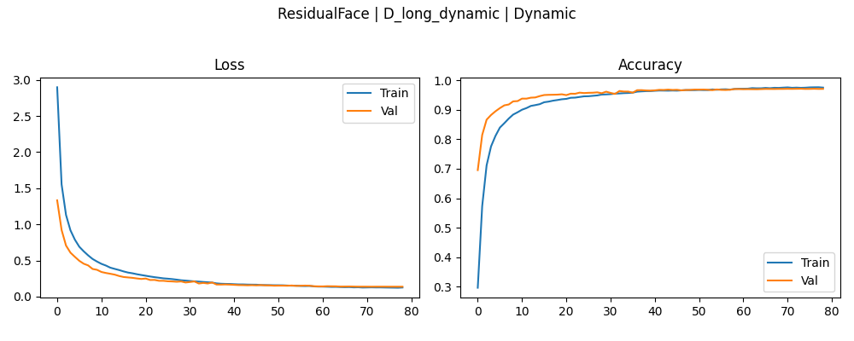

ResidualFace | D_long_dynamic | Dynamic | 0.97155553102 | 0.13659483194 | 0.97203701735 | 0.13659483194 | 0.97587299347 | 0.12567283213 | 79 | 23

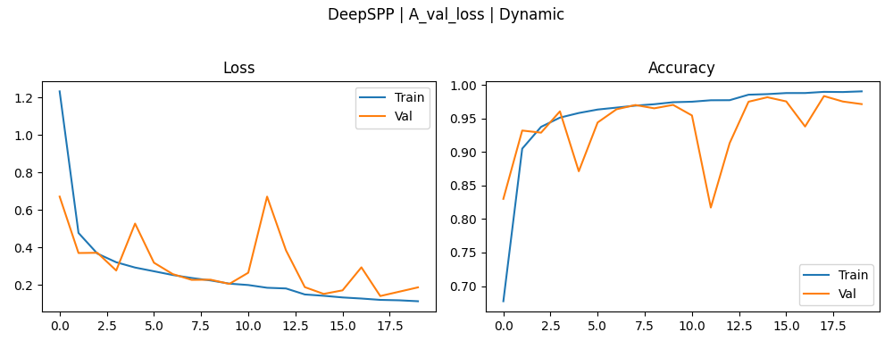

DeepSPP | A_val_loss | Dynamic | 0.97151851654 | 0.18781711161 | 0.98351854086 | 0.14168792963 | 0.99053966999 | 0.11398625374 | 20 | 24

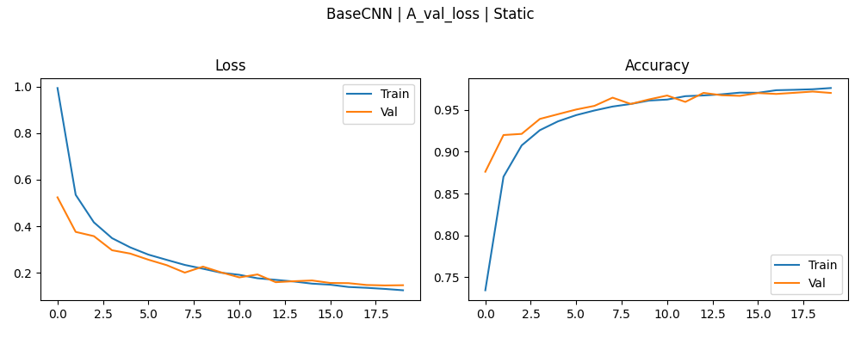

BaseCNN | A_val_loss | Static | 0.97011113167 | 0.14667531848 | 0.97177779675 | 0.14574122429 | 0.97598415613 | 0.12499929965 | 20 | 25

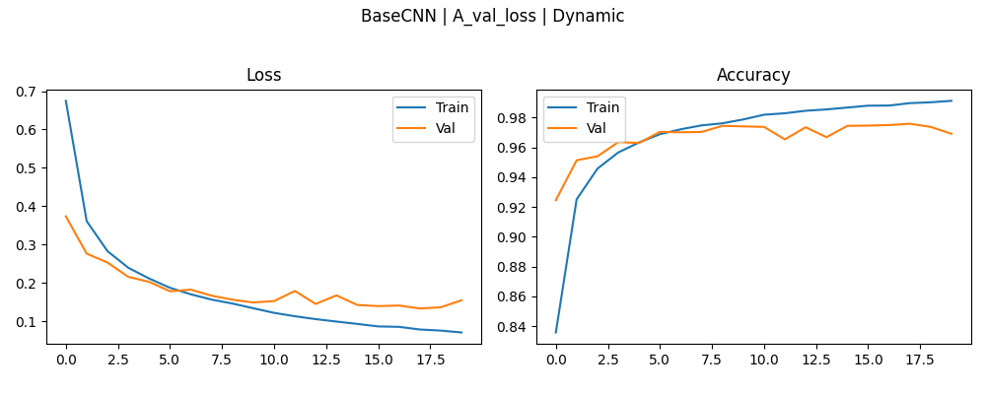

BaseCNN | A_val_loss | Dynamic | 0.96907407045 | 0.15433953702 | 0.97581481934 | 0.13304251432 | 0.99117457867 | 0.070456072688 | 20 | 26

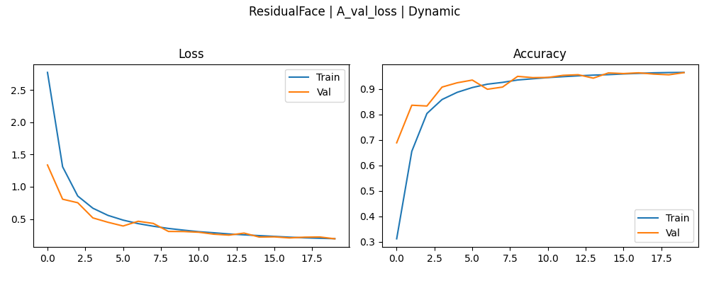

ResidualFace | A_val_loss | Dynamic | 0.96448147297 | 0.19251354039 | 0.96448147297 | 0.19251354039 | 0.96530157328 | 0.19394190609 | 20 | 27

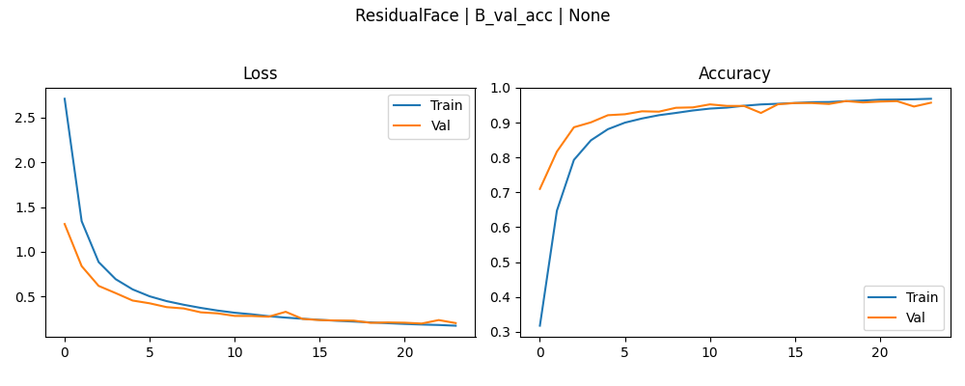

ResidualFace | B_val_acc | None | 0.96162962914 | 0.20422461629 | 0.96162962914 | 0.19644108415 | 0.96828573942 | 0.17222429812 | 24 | 28

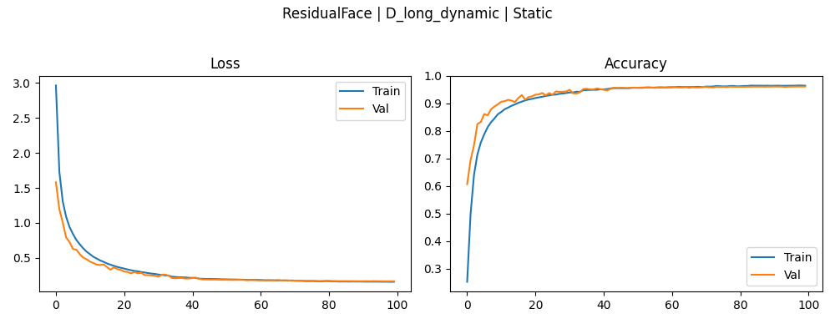

ResidualFace | D_long_dynamic | Static | 0.9614444375 | 0.16804991663 | 0.9614444375 | 0.16746385396 | 0.96438097954 | 0.16038562357 | 100 | 29



ResidualFace | C_reduce | Dynamic | 0.9611851573 | 0.19879728556 | 0.96125924587 | 0.19879728556 | 0.96707934141 | 0.18493559957 | 20 | 30

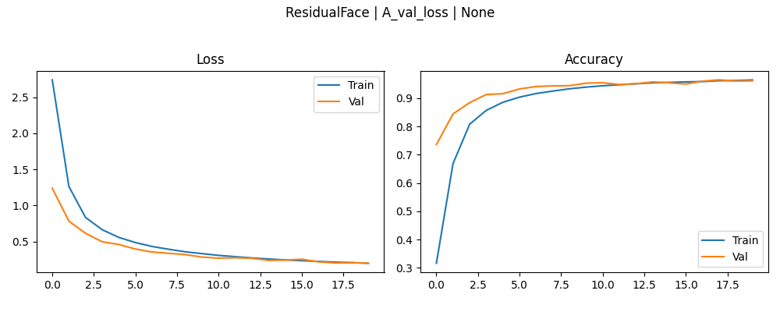

ResidualFace | A_val_loss | None | 0.96103703976 | 0.1989954114 | 0.96444445848 | 0.1989954114 | 0.96411108971 | 0.19848826528 | 20 | 31

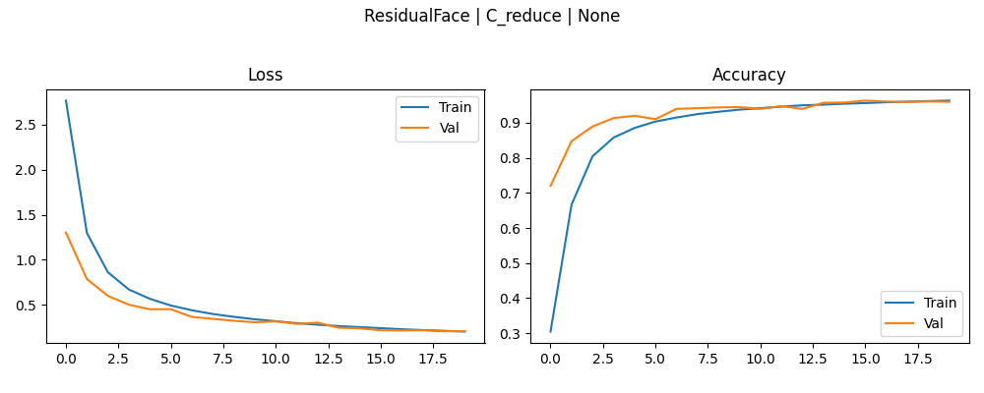

ResidualFace | C_reduce | None | 0.95911109447 | 0.20904168487 | 0.96266669035 | 0.20604681969 | 0.9627301693 | 0.20274457335 | 20 | 32

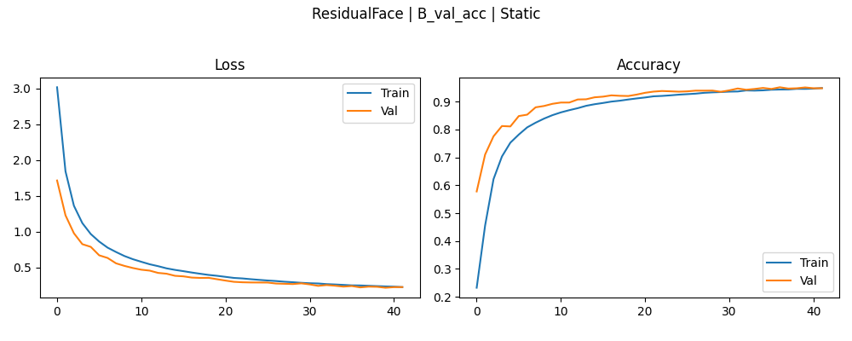
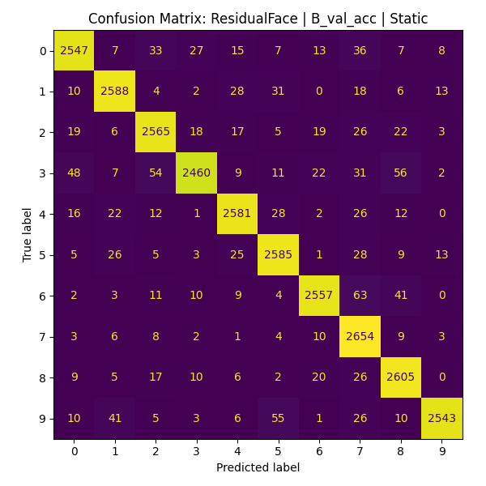
ResidualFace | B_val_acc | Static | 0.95129626989 | 0.22202305496 | 0.95129626989 | 0.21697354317 | 0.94852381945 | 0.22584788501 | 42 | 33

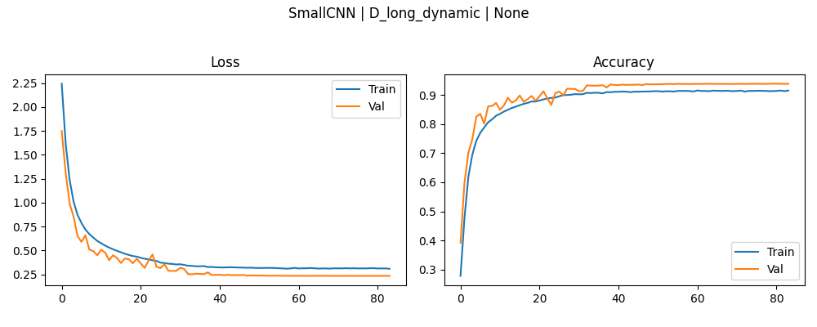

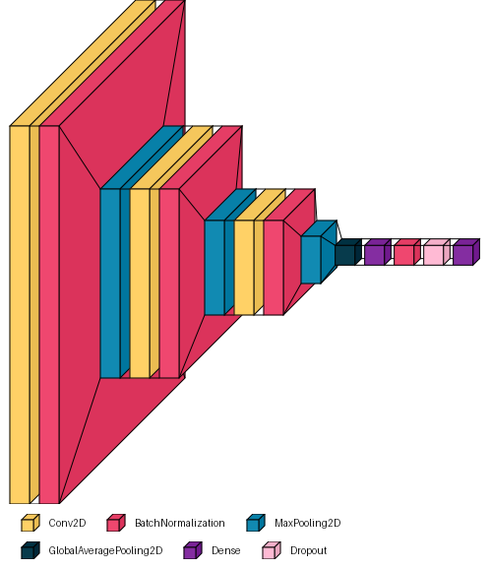
SmallCNN | D_long_dynamic | None | 0.93807405233 | 0.23274484277 | 0.93866664171 | 0.23274484277 | 0.91501587629 | 0.30735275149 | 84 | 34

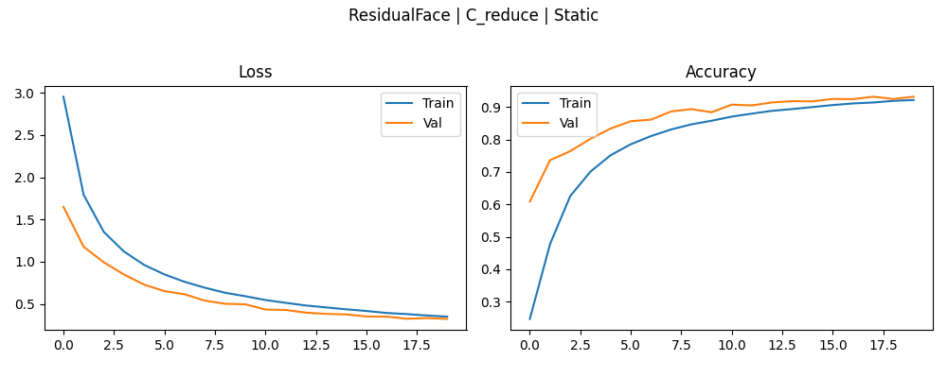

ResidualFace | C_reduce | Static | 0.93144446611 | 0.32185721397 | 0.93151849508 | 0.32185721397 | 0.92139685154 | 0.3496991694 | 20 | 35

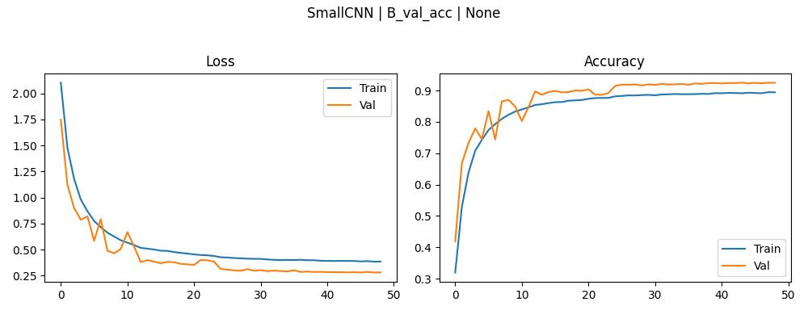

SmallCNN | B_val_acc | None | 0.92496293783 | 0.28038731217 | 0.92496293783 | 0.27914851904 | 0.89414286613 | 0.3842458725 | 49 | 36

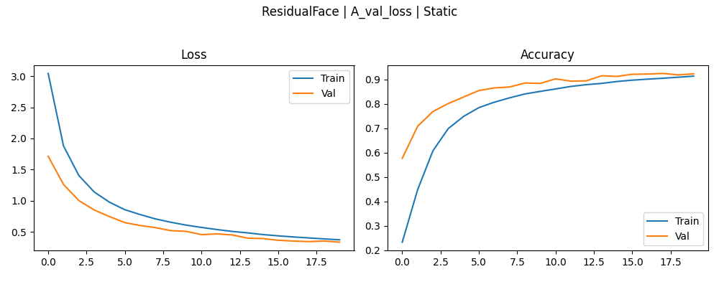

ResidualFace | A_val_loss | Static | 0.92277777195 | 0.33540585637 | 0.92440742254 | 0.33540585637 | 0.91333335638 | 0.37336221337 | 20 | 37

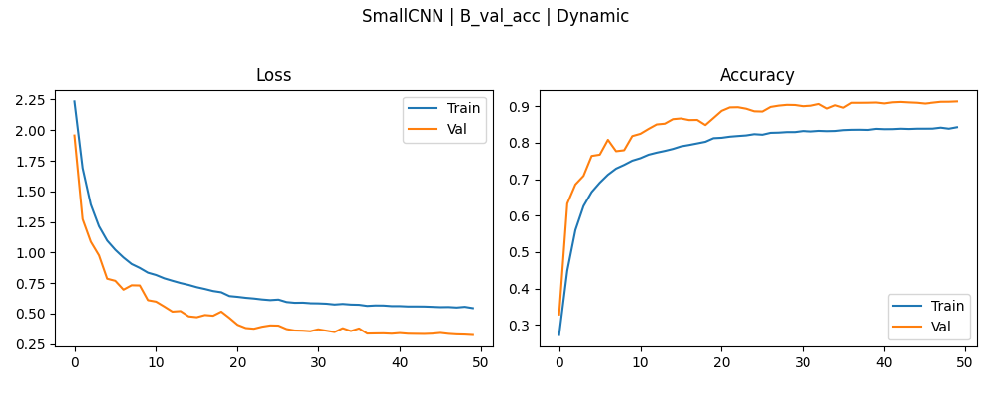

SmallCNN | B_val_acc | Dynamic | 0.91337037086 | 0.32507747412 | 0.91337037086 | 0.32507747412 | 0.84263491631 | 0.54484045506 | 50 | 38

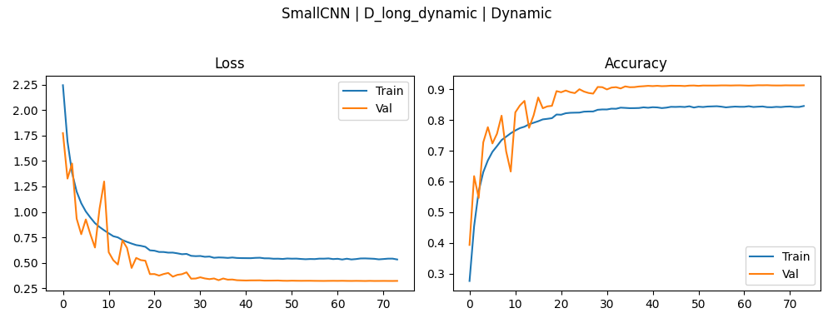

SmallCNN | D_long_dynamic | Dynamic | 0.91259258986 | 0.32156327367 | 0.91325926781 | 0.32156327367 | 0.84561902285 | 0.53280085325 | 74 | 39

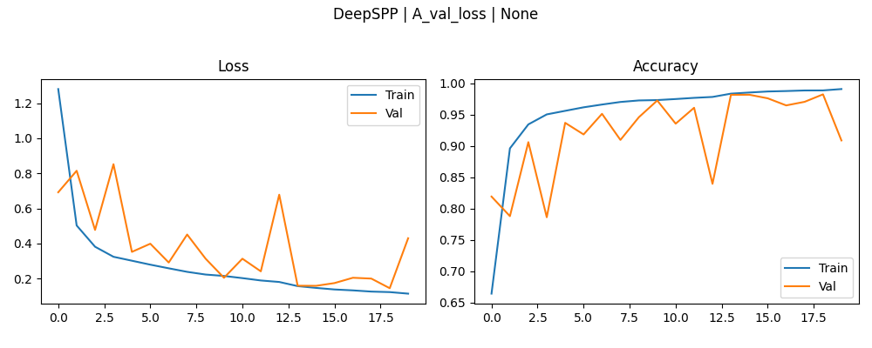
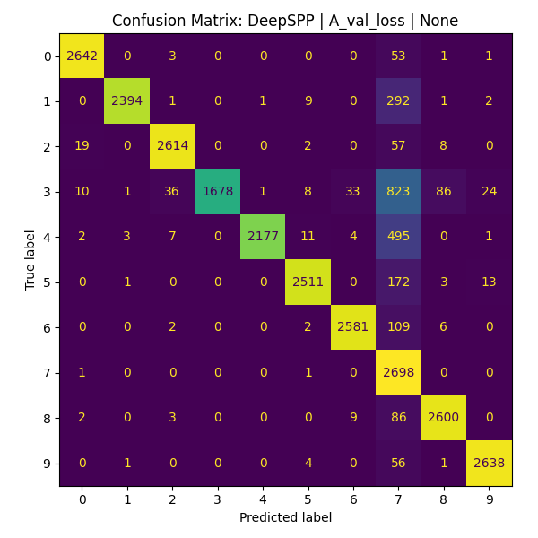
DeepSPP | A_val_loss | None | 0.90862965584 | 0.42979189754 | 0.98218518496 | 0.14460612833 | 0.99065077305 | 0.11361888051 | 20 | 40

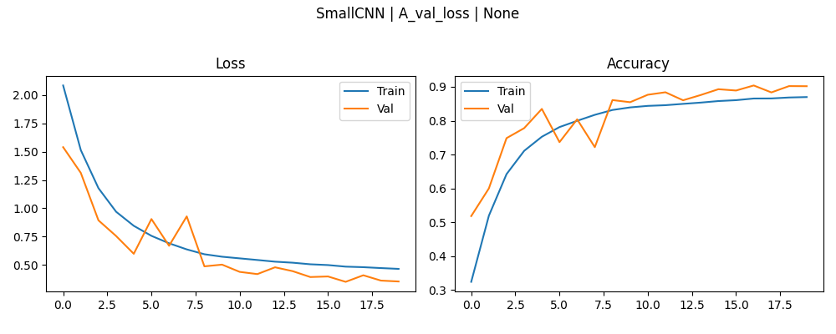
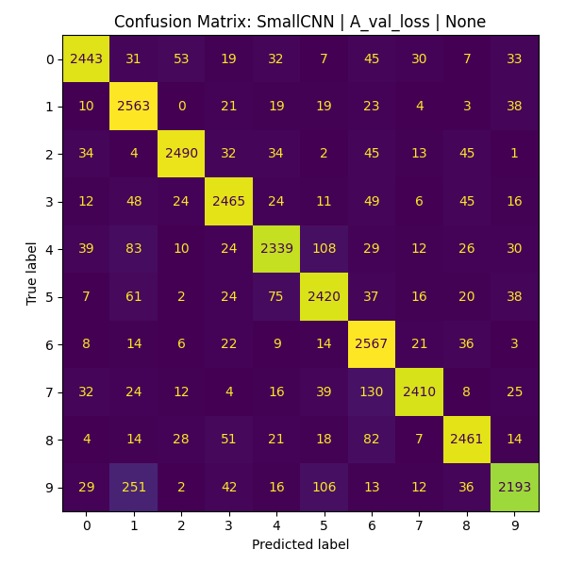
SmallCNN | A_val_loss | None | 0.90188890696 | 0.35211414099 | 0.90403705835 | 0.34905284643 | 0.86977779865 | 0.46359020472 | 20 | 41



SmallCNN | C_reduce | Dynamic | 0.89366668463 | 0.39729547501 | 0.89366668463 | 0.39729547501 | 0.81752383709 | 0.62883526087 | 20 | 42



SmallCNN | C_reduce | None | 0.8929259181 | 0.37959399819 | 0.90274071693 | 0.35520449281 | 0.87622219324 | 0.4463223815 | 20 | 43



SmallCNN | D_long_dynamic | Static | 0.86548149586 | 0.45808669925 | 0.8664444685 | 0.45808669925 | 0.80466663837 | 0.65006369352 | 73 | 44



SmallCNN | B_val_acc | Static | 0.85255557299 | 0.49206998944 | 0.85344445705 | 0.48957151175 | 0.78711110353 | 0.70277869701 | 50 | 45



SmallCNN | A_val_loss | Static | 0.8195925951 | 0.59682011604 | 0.82311111689 | 0.59670329094 | 0.75320637226 | 0.80473804474 | 20 | 46



SmallCNN | A_val_loss | Dynamic | 0.81618517637 | 0.61027771235 | 0.86233335733 | 0.47143995762 | 0.80114287138 | 0.67086547613 | 20 | 47



SmallCNN | C_reduce | Static | 0.7853333354 | 0.70966845751 | 0.7853333354 | 0.70966845751 | 0.73073017597 | 0.87881600857 | 20 | 48

