Sheet1
Interface | #No | Horloge | Vitesse max | Fonctions | Broche | GPIO Mode | AFR |  | Fonctionnalités utiles | Informations
SPI | 1 | APB2 | 50Mbits/s | SCK | PA5 | Alternate | AF5 |  | FSMC | 8-16bits data bus width
 |  |  |  | MISO | PA6 | Alternate | AF5 |  |  | FSMC_CLK 90MHz
 |  |  |  | MOSI | PA7 | Alternate | AF5 |  | CRC | 32bits embdeed
 |  |  |  | NSS (CS) | PA4 | Alternate | AF5 |  | DMA | DMA1, DMA2 8 channels
 | 2 | APB1 | 25Mbits/s | SCK | PB13 | Alternate | AF5 |  |  | circular buffer embdeed
 |  |  |  | MISO | PB14 | Alternate | AF5 |  | NVIC | internal interrupt 16 lines
 |  |  |  | MOSI | PB15 | Alternate | AF5 |  | EXTI | external interrupt
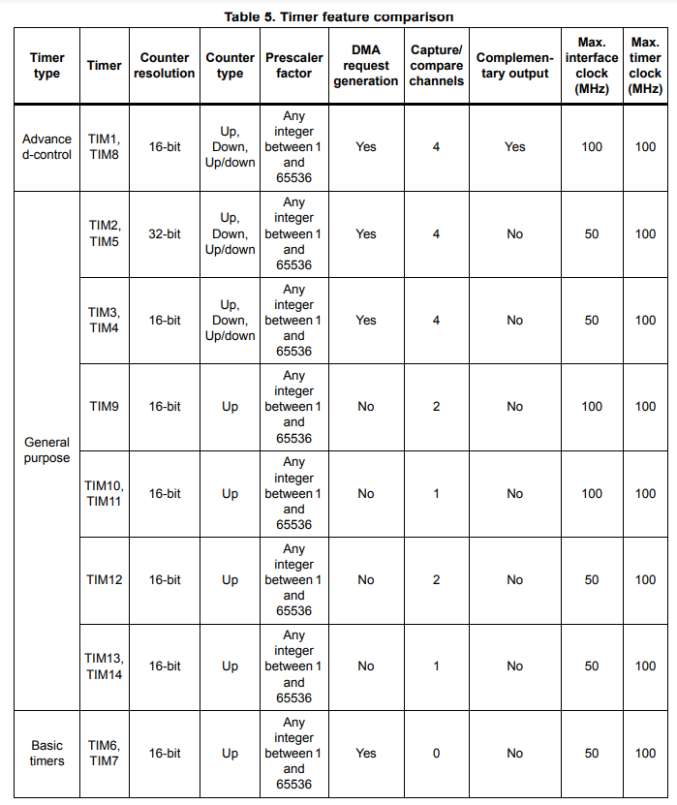
 |  |  |  | NSS (CS) | PB12 | Alternate | AF5 |  | Timers
 | 3 | APB1 | 25Mbits/s | SCK | PB3 | Alternate | AF6
 |  |  |  | MISO | PB4 | Alternate | AF6
 |  |  |  | MOSI | PB5 | Alternate | AF6
 |  |  |  | NSS (CS) | PA15 | Alternate | AF6
 | 4 | APB2 | 50Mbits/s | SCK | PE12 | Alternate | AF5
 |  |  |  | MISO | PE13 | Alternate | AF5
 |  |  |  | MOSI | PE14 | Alternate | AF5
 |  |  |  | NSS (CS) | PE4 | Alternate | AF5
 | 5 | APB2 | 50Mbits/s | SCK | PB0 | Alternate | AF6
 |  |  |  | MISO | PA12 | Alternate | AF6
 |  |  |  | MOSI | PA10 | Alternate | AF6
 |  |  |  | NSS (CS) | PA4 | Alternate | AF6
UART | 1 | APB2 | 12.5Mbit/s | TX | PA9 | Alternate | AF7
 |  |  |  | RX | PA10 | Alternate | AF7
 |  |  |  | CTS | PA11 | Alternate | AF7
 |  |  |  | RTS | PA12 | Alternate | AF7
 |  |  |  | CK | PA8 | Alternate | AF7 |  | RTC
 | 2 | APB1 | 6.25Mbit/s | TX | PD5 | Alternate | AF7
 |  |  |  | RX | PD6 | Alternate | AF7
 |  |  |  | CTS | PD3 | Alternate | AF7
 |  |  |  | RTS | PD4 | Alternate | AF7
 |  |  |  | CK | PD7 | Alternate | AF7
 | 3 | APB1 | 6.25Mbit/s | TX | PD8 / PB10 | Alternate | AF7 |  | Interfaces Composants |  |  | Équipe
 |  |  |  | RX | PD9 / PB11 | Alternate | AF7 |  | ICM-20948 (SPI) | SPI1 | + | Mathis
 |  |  |  | CTS | PD11 | Alternate | AF7 |  | RFM22B-433-S2 (SPI) + RF connector | SPI2 |  | Victor, Yannis
 |  |  |  | RTS | PD12 | Alternate | AF7 |  | MS5803 (SPI) | SPI4 | + | Sam
 |  |  |  | CK | PD10 | Alternate | AF7 |  | L76LM33 (UART) | UART1 | + | Mathis
 | 6 | APB2 | 12.5Mbit/s | TX | PC6 | Alternate | AF8 |  | HM-10 (UART) | UART2 |  | Sam
 |  |  |  | RX | PC7 | Alternate | AF8 |  | RFD900x (UART) + RF connector | UART6 | + | Brieuc
 |  |  |  | CTS | PG13 | Alternate | AF8 |  | MX30UF4G28AD (FSMC) | FSMC 8bits |  | Sam
 |  |  |  | RTS | PG12 | Alternate | AF8
 |  |  |  | CK | PG7 | Alternate | AF8
I2C | 1 | APB1 | ~400kHz ~1MHz | SCL | PB6 | Alternate | AF4
 |  |  |  | SDA | PB7 | Alternate | AF4
 |  |  |  | SMBA | PB5 | Alternate | AF4
 | 2 | APB1 | ~400kHz | SCL | PB10 / PF1 | Alternate | AF4
 |  |  |  | SDA | PB11 / PF0 | Alternate | AF4
 |  |  |  | SMBA | PB12 / PF2 | Alternate | AF4
 | 3 | APB1 | ~400kHz | SCL | PA8 | Alternate | AF4
 |  |  |  | SDA | PC9 | Alternate | AF4
 |  |  |  | SMBA | PA9 | Alternate | AF4
ADC | 0 | APB2 | - | 12bits | PA0 | Analog | -
 | 1 | APB2 | - | 12bits | PA1 | Analog | -
 | 2 | APB2 | - | 12bits | PA2 | Analog | -
 | 3 | APB2 | - | 12bits | PA3 | Analog | -
 | 4 | APB2 | - | 12bits | PA4 | Analog | -
 | 5 | APB2 | - | 12bits | PA5 | Analog | -
 | 6 | APB2 | - | 12bits | PA6 | Analog | -
 | 7 | APB2 | - | 12bits | PA7 | Analog | -
 | 8 | APB2 | - | 12bits | PB0 | Analog | -
 | 9 | APB2 | - | 12bits | PB1 | Analog | -
 | 10 | APB2 | - | 12bits | PC0 | Analog | -
 | 11 | APB2 | - | 12bits | PC1 | Analog | - |  | *Datasheet p.66
 | 12 | APB2 | - | 12bits | PC2 | Analog | - |  | *Datasheet p.17
 | 13 | APB2 | - | 12bits | PC3 | Analog | -
 | 14 | APB2 | - | 12bits | PC4 | Analog | -
 | 15 | APB2 | - | 12bits | PC5 | Analog | - | NAND
FSMC | D0 | - | - | Data | PD14 | Alternate | AF12 | I/O0
 | D1 | - | - | Data | PD15 | Alternate | AF12 | I/O1
 | D2 | - | - | Data | PD0 | Alternate | AF12 | I/O2
 | D3 | - | - | Data | PD1 | Alternate | AF12 | I/O3
 | D4 | - | - | Data | PE7 | Alternate | AF12 | I/O4
 | D5 | - | - | Data | PE8 | Alternate | AF12 | I/O5
 | D6 | - | - | Data | PE9 | Alternate | AF12 | I/O6
 | D7 | - | - | Data | PE10 | Alternate | AF12 | I/O7
 | ? | - | - | Command Latch | PD11 | Alternate | AF12 | CLW | *Vérifier
 | ? | - | - | Address Latch | PD12 | Alternate | AF12 | ALE | *Vérifier
 | NWE | - | - | Write Enable | PD5 | Alternate | AF12 | WE# | Active low
 | NOE | - | - | Read Enable | PD4 | Alternate | AF12 | RE# | Bank select + Active low
 | NE(1234) | - | - | Chip Enable | PD7 | Alternate | AF12 | CE# | Active low
 | NWAIT | - | - | Ready/Busy Signal | PG6 | Push-Pull | - | R/B# | *Vérifier

 | CLK |  |  |  |  |  |  | WP# | Active low
 | NL |  |  |  |  |  |  | PT | GND / Floating | STM32 : p63 à 65
 | NBL(01) |  |  |  |  |  |  |  |  | NAND : p12-13

