1. Title Page
Python Analysis

Project Name: Instacart Python Analysis
Date: Nov 21, 2023
Analyst Name: Gabriel Confrey

Contents: | Key Questions | Data Citations
Population Flow | The sales team needs to know what the busiest days of the week and hours of the day are (i.e., the days and times with the most orders) in order to schedule ads at times when there are fewer orders. ● They also want to know whether there are particular times of the day when people spend the most money, as this might inform the type of products they advertise at these times. ● Instacart has a lot of products with different price tags. Marketing and sales want to use simpler price range groupings to help direct their efforts. ● Are there certain types of products that are more popular than others? The marketing and sales teams want to know which departments have the highest frequency of product orders. ● The marketing and sales teams are particularly interested in the different types of customers in their system and how their ordering behaviors differ. For example: ○ What’s the distribution among users in regards to their brand loyalty (i.e., how often do they return to Instacart)? ○ Are there differences in ordering habits based on a customer’s loyalty status? ○ Are there differences in ordering habits based on a customer’s region? ○ Is there a connection between age and time of day in terms of ordering habits? ○ What different classifications does the demographic information suggest? Age? Income? Certain types of goods? Family status? ○ What differences can you find in ordering habits of different customer profiles? Consider the price of orders, the frequency of orders, the products customers are ordering, and anything else you can think of.. | “The Instacart Online Grocery Shopping Dataset 2017”, Accessed from www.instacart.com/datasets/grocery-shopping-2017 via Kaggle on <date>.
Consistency checks
Wrangling steps
Column derivations
Visualizations |  | Customer Data was also fabricated by CareerFoundry as an academic practice dataset
Recommendations

 |  | Q's to A
 |  | 1 busiest days of the week
 |  | 2 times of the day when people spend the most money
 |  | 3 products that are more popular
 |  | 4 which departments have the highest frequency of product order
 |  | 5 loyalty
 |  | 6 region
 |  | 7 age + time of day profiles

2. Population Flow
Title page

Population flow

Exclusion flag
Condition: max_order <
Observations to be removed:
Final total count of order_products_all: 30964564

Orders_products_combined
Orders_products_merged
Orders_products_all

Total: 32435059
Total:
32434489
Total: 30964564

1.) The grey boxes in the first row of the population flow represent the original data sets as they were when you downloaded them. In the Total fields you need to add the count of the rows when you imported the data set into Jupyter.
2.) The second row of boxes (coloured) represents the data sets after you manipulated them, e.g., removed missing values and duplicates. In the Total fields you need to add the count of the rows after conducting these operations. This offers a visual oveview of how the data flows throughout the data consistency checks.
3.) The third row, where also the arrows are coloured, represents the merges you performed between the datasets. In the Total fields you need to add the count of the rows in the merged datasets, so that you end up with the final dataset (in the red box). Keep in mind the final dataset should be without exclusions (based on the exclusion flag).

3. Consistency checks
 |  |  |  | Title page
Consistency checks

Dataset | Missing values | Missing values treatment | Duplicates
orders | 206209 | Left in to denote 1st time order | None
products | 16 | Rows dropped | 5
orders_products_prior | None | None | None
customers | 11259 | Left in, other identifiers available | None

4. Wrangling steps
 |  |  |  | Title page
Wrangling steps

Columns dropped | Columns renamed | Columns' type changed | Comment/Reason
eval_set |  |  | Irrelevant
 |  | order_id | Practice, assurance
 |  | user_id | Practice, assurance
 |  | product_id | Practice, assurance
 |  | aisle_id | Practice, assurance
 |  | department_id | Practice, assurance
 | order_dow |  | orders_day_of_week, for clarity
 | 'First Name' : 'first_name', 'Surnam' : 'surname', 'Gender' : 'gender', 'STATE' : 'state', 'Age' : 'age', 'n_dependants' : 'nr_dependants' |  | Clarity

5. Column derivations
 |  |  |  |  | Title page

Column derivations and aggregations

In this tab you should add tables below that the frequences of flags/label variables that you produced after deriving them. NB: don't do this for continuous variables, only for flags.
Dataset | New column | Column/s it was derived from | Conditions
df_merged | price_label | prices | < 5, 15>x>5, 15<
df_merged | busiest_day | orders_day_of_week | equal 0, equal 4, else
df_merged | busiest_period_of_day | order_hour_of_day | in 6 busiest, 6 least; list based
df_merged | max_order | user_id, order_number | over 40, under 10, between
df_merged | avg_price | user_id, prices | over 10, 10 and under
df_merged | median_days_prior | user_id, days_since_prior_order | over 20, under 10, between
dfmerge | region | state | list-based | region
 |  |  |  | South 10311139
 |  |  |  | West 7927227
 |  |  |  | Midwest 7261513
 |  |  |  | Northeast 5464685

 |  |  |  |  | spending_flag
price_label |  |  | busiest_day |  | Low spender 31800381
Mid-range product 21860860 |  |  | Regularly busy 22437988 |  | High spender 634678
Low-range product 10126321 |  |  | Busiest day 6209808
High-range product 417678 |  |  | Least busy 3787263
NaN 30200

 |  |  | loyalty_flag |  | order_freq_flag
busiest_period_of_day |  |  | Regular customer 15891507 |  | Frequent customer 21578273
Most orders 16143548 |  |  | Loyal customer 10294027 |  | Regular customer 7217066
Average orders 15694669 |  |  | New customer 6249525 |  | Non-frequent customer 3639720
Fewest orders 596842

6. Visualizations
 |  |  | Title page

Visualisations

In this tab you should include all the visualtions from Exercises 4.9 and 4.10, alongside the questions from the project brief that they answer. Include any commentary on the relationship between different variables.

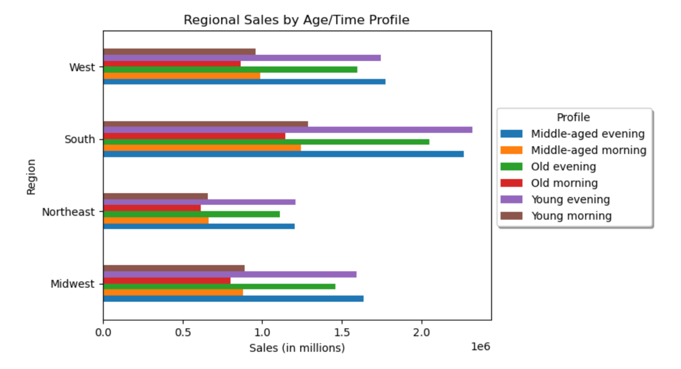
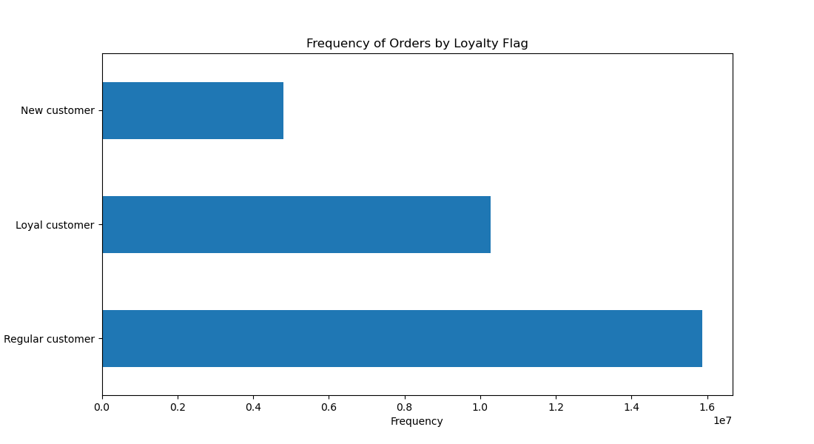
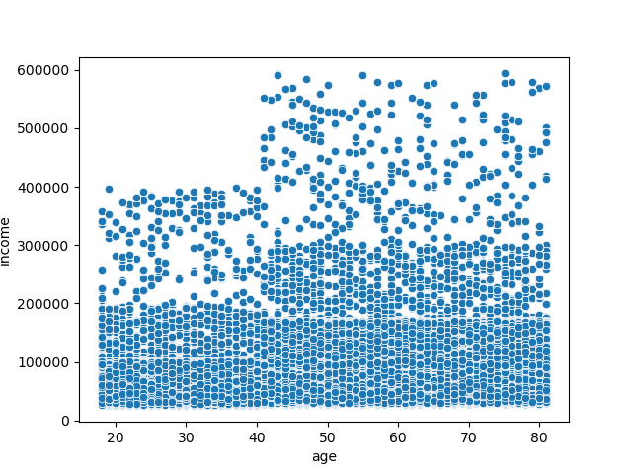

 |  |  |  |  |  |  | Sales

Regular customers outnumber loyal and new customers.

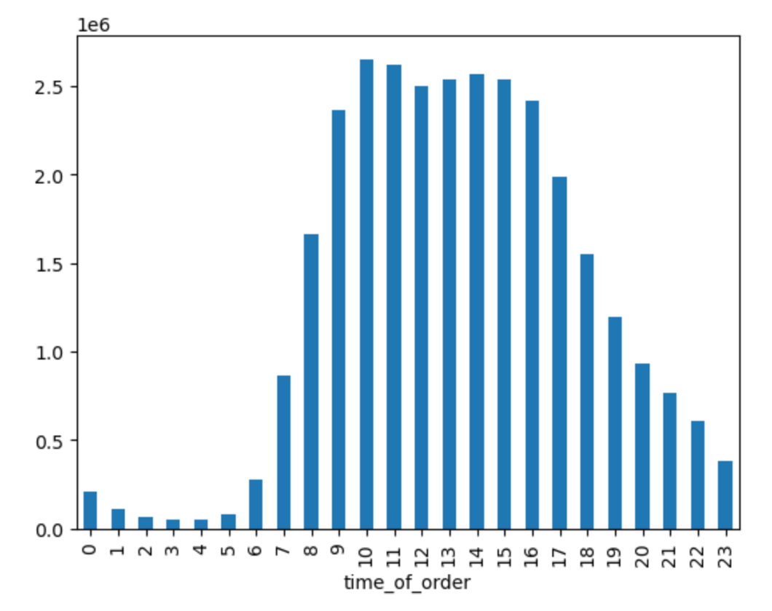
 |  | Customers over the age of 40 have significantly higher incomes.
 |  |  |  | There are no significant regional differences in sales by age, region or time of day (morning/noon). Each region displays similar relationships between variables.
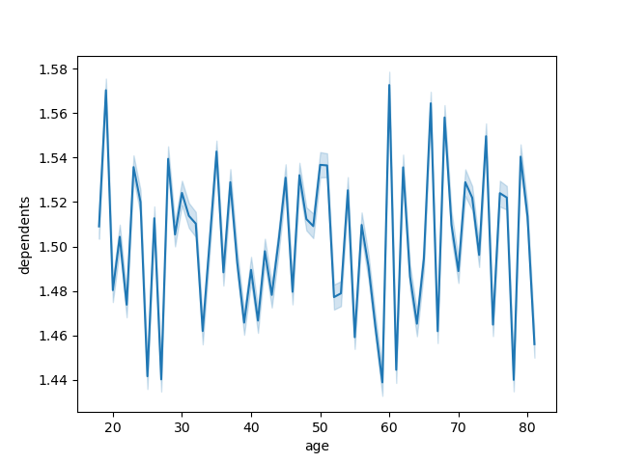
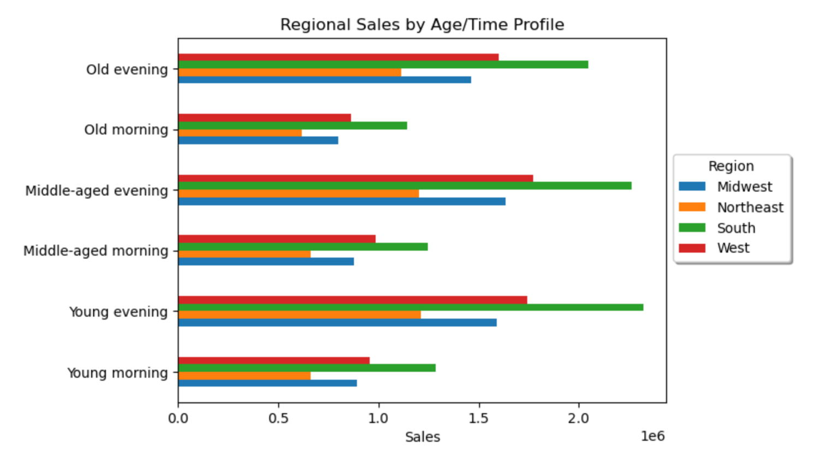

Most customers place orders during the working hours of the day, starting around 7 and tailing off after 6 pm

 |  | There is no clear relationship between age and # of dependents

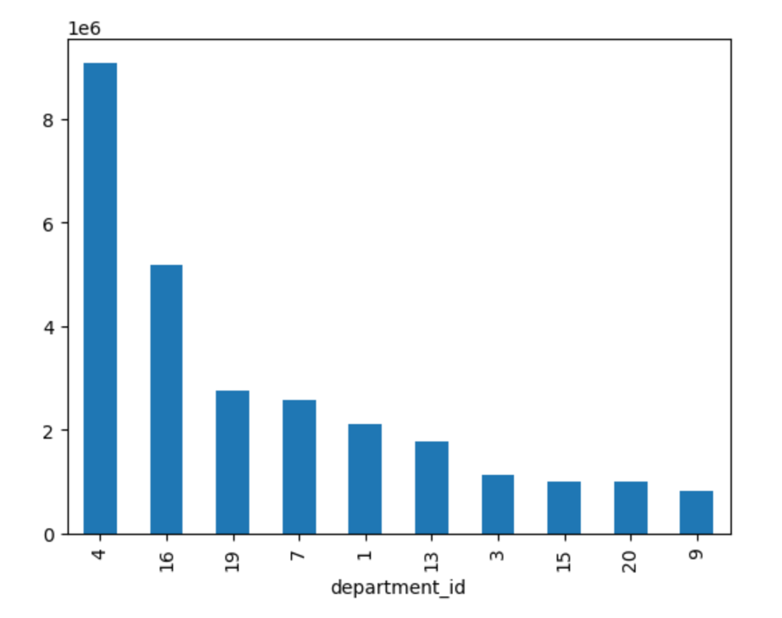

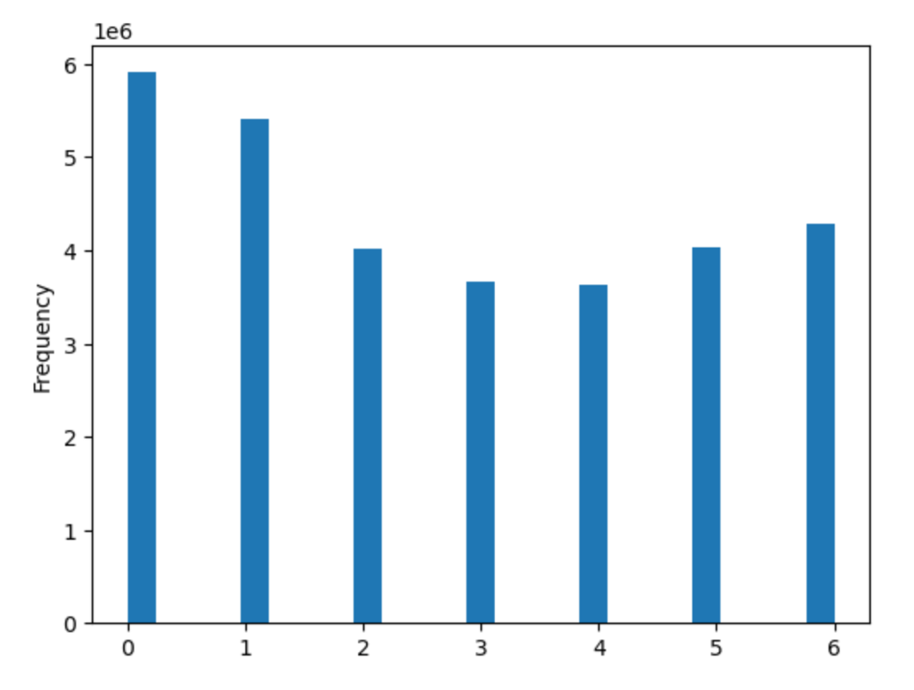
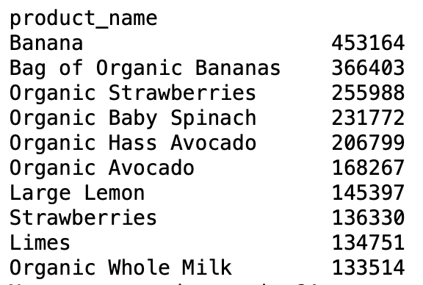
 |  |  |  |  | 4 | produce
 |  |  |  |  | 16 | dairy/eggs
 |  |  |  |  | 19 | snacks
 |  |  |  |  | 7 | beverages
 |  |  |  |  | 1 | frozen
 |  |  |  |  | 13 | pantry
 |  |  |  |  | 3 | bakery
 |  |  |  |  | 15 | canned
 |  |  |  |  | 20 | deli
 |  |  |  |  | 9 | dry goods

 | the most popular iteams are bananas.
 |  |  |  | Departments 4, 16, 19, 7 have the highest frequencies of orders - produce, dairy/eggs, snacks, beverages.
The busiest days of the week are the weekends, Saturday, Sunday and Friday (0, 1, 6).

7. Recommendations
 |  | Title page

Recommendations

In this tab you should include any recommendations you would made to Instcart in terms of their marketing strategy based on the questions posed in the brief. Every key question has been covered in the Tasks of the Exercises - here you need to add an item - a visualisation or table/crosstable that is showing the answer in the data, acompanied by a comment from you. Please, list the questions below and add the answer underneath.

Question | Answer
Q's to A
1 busiest days of the week | The busiest days of the week are the weekends (Fri-Sun). Scaling staffing, and targeting these days with advertising may be effective, since they are the days when the service is likely to be used.
2 times of the day when people spend the most money | Most customers place orders during the working hours of the day, starting around 7 and tailing off after 6 pm. Limiting delivery times to these more popular hours could improve margins. Additionally, being intentional with times during which ads are shown is important, as ads shown during non-peak hours are unlikely to be seen.
3 products that are more popular | Bananas, spinach and avocados are the three most popular items, in line with other finds that produce is the highest frequency department. These items may not need much advertising, as they are already popular. Instead, advertising effort may target other products depending on inventory. Offering deals for these items alongside other purchases may be effective as they are high demand.
4 which departments have the highest frequency of product order | Departments 4, 16, 19, 7 have the highest frequencies of orders - produce, dairy/eggs, snacks, beverages. Conversely, Babies, Alcohol, Pets and Other have low frequencies of orders. Targeting low-frequency department products with advertising may generate higher order numbers, but more targeted analysis of relationships around these departments is needed.
6 region | No meaningful regional insights came up in analysis, and number between the four geographic regions across age/time of day were similar. Other analysis could be run against other variables, and departments however, if other questions remain.

