Primary source
Estimate from Heat demand in Germany
Ref: Wolf S, Fahl U, Blesl M, Voss A, Jakobs R. Analyse des Potenzials von Industriewärmepumen in Deutschland (in German) Universität Stuttgart, Institut für Energiewirtschaft und Rationelle Energieanwendung;2014.
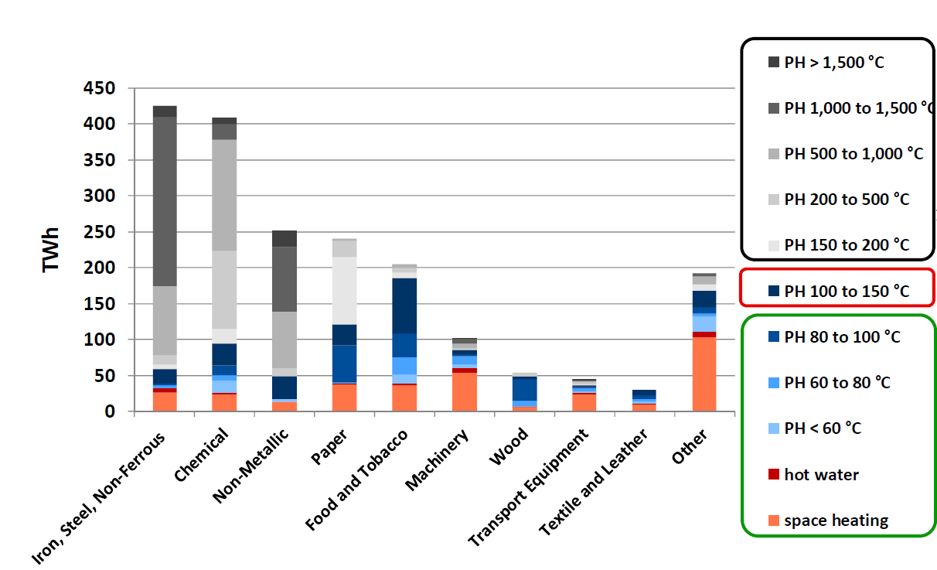
 | 1mm <=> 4 TWh

mm | Total | (verif) | Space heating | Hot water | <60C | 60 to 80C | 80 to 100C | 100 to 150 C | 150 to 200 C | 20 to 500 C | 500 to 1000 C | 1000 to 1500 C | >1500 C
Iron, Steel, Non-Ferrous | 108 | 108 | 6.6 | 1.6 | 0 | 1 | 0.7 | 5 | 1.6 | 3 | 24.5 | 60 | 4
Chemical | 104 | 104 | 6 | 0.5 | 4 | 2 | 3.5 | 8 | 5 | 27.5 | 39.5 | 6 | 2
Non-Metallic | 64 | 64 | 3 | 0 | 1 | 0 | 0 | 8 | 0 | 3 | 20 | 23 | 6
Paper | 61 | 61 | 9 | 0.3 | 0 | 0.4 | 13 | 7.3 | 24 | 6 | 1 | 0 | 0
Food and Tobacco | 52 | 52 | 9 | 0.6 | 3 | 6 | 8.8 | 19.7 | 2 | 1.7 | 1.2 | 0 | 0
Machinery | 26 | 26 | 13.5 | 2 | 1.2 | 3 | 0.5 | 1.7 | 0 | 0.6 | 2 | 1.5 | 0
Wood | 14 | 14 | 1.7 | 0 | 0 | 2 | 7.8 | 1 | 0 | 1.5 | 0 | 0 | 0
Transport Equipement | 11 | 11 | 6 | 0.6 | 0.3 | 1.3 | 0.5 | 0.5 | 0 | 1.1 | 0 | 0.2 | 0.5
Textile and Leather | 7.5 | 7.5 | 2 | 0.3 | 1 | 1 | 1.2 | 2 | 0 | 0 | 0 | 0 | 0

TWh | Total | (verif) | Space heating | Hot water | <60C | 60 to 80C | 80 to 100C | 100 to 150 C | 150 to 200 C | 20 to 500 C | 500 to 1000 C | 1000 to 1500 C | >1500 C
Iron, Steel, Non-Ferrous | 432 | 432 | 26.4 | 6.4 | 0 | 4 | 2.8 | 20 | 6.4 | 12 | 98 | 240 | 16
Chemical | 416 | 416 | 24 | 2 | 16 | 8 | 14 | 32 | 20 | 110 | 158 | 24 | 8
Non-Metallic | 256 | 256 | 12 | 0 | 4 | 0 | 0 | 32 | 0 | 12 | 80 | 92 | 24
Paper | 244 | 244 | 36 | 1.2 | 0 | 1.6 | 52 | 29.2 | 96 | 24 | 4 | 0 | 0
Food and Tobacco | 208 | 208 | 36 | 2.4 | 12 | 24 | 35.2 | 78.8 | 8 | 6.8 | 4.8 | 0 | 0
Machinery | 104 | 104 | 54 | 8 | 4.8 | 12 | 2 | 6.8 | 0 | 2.4 | 8 | 6 | 0
Wood | 56 | 56 | 6.8 | 0 | 0 | 8 | 31.2 | 4 | 0 | 6 | 0 | 0 | 0
Transport Equipement | 44 | 44 | 24 | 2.4 | 1.2 | 5.2 | 2 | 2 | 0 | 4.4 | 0 | 0.8 | 2
Textile and Leather | 30 | 30 | 8 | 1.2 | 4 | 4 | 4.8 | 8 | 0 | 0 | 0 | 0 | 0
 | Space heating | Hot water | <60C | 60 to 80C | 80 to 100C | 100 to 150 C | 150 to 200 C | 200 to 500 C | 500 to 1000 C | 1000 to 1500 C | >1500 C
Iron, Steel, Non-Ferrous | 6% | 1% | 0% | 1% | 1% | 5% | 1% | 3% | 23% | 56% | 4%
Chemical | 6% | 0% | 4% | 2% | 3% | 8% | 5% | 26% | 38% | 6% | 2%
Non-Metallic | 5% | 0% | 2% | 0% | 0% | 13% | 0% | 5% | 31% | 36% | 9%
Paper | 15% | 0% | 0% | 1% | 21% | 12% | 39% | 10% | 2% | 0% | 0%
Food and Tobacco | 17% | 1% | 6% | 12% | 17% | 38% | 4% | 3% | 2% | 0% | 0%
Machinery | 52% | 8% | 5% | 12% | 2% | 7% | 0% | 2% | 8% | 6% | 0%
Wood | 12% | 0% | 0% | 14% | 56% | 7% | 0% | 11% | 0% | 0% | 0%
Transport Equipment | 55% | 5% | 3% | 12% | 5% | 5% | 0% | 10% | 0% | 2% | 5%
Textile and Leather | 27% | 4% | 13% | 13% | 16% | 27% | 0% | 0% | 0% | 0% | 0%

% | Total | (verif) | Space heating | Hot water | <60C | 60 to 80C | 80 to 100C | 100 to 150 C | 150 to 200 C | 200 to 500 C | 500 to 1000 C | 1000 to 1500 C | >1500 C
Iron, Steel, Non-Ferrous |  | 100% | 6% | 1% | 0% | 1% | 1% | 5% | 1% | 3% | 23% | 56% | 4%
Chemical |  | 100% | 6% | 0% | 4% | 2% | 3% | 8% | 5% | 26% | 38% | 6% | 2%
Non-Metallic |  | 100% | 5% | 0% | 2% | 0% | 0% | 13% | 0% | 5% | 31% | 36% | 9%
Paper |  | 100% | 15% | 0% | 0% | 1% | 21% | 12% | 39% | 10% | 2% | 0% | 0%
Food and Tobacco |  | 100% | 17% | 1% | 6% | 12% | 17% | 38% | 4% | 3% | 2% | 0% | 0%
Machinery |  | 100% | 52% | 8% | 5% | 12% | 2% | 7% | 0% | 2% | 8% | 6% | 0%
Wood |  | 100% | 12% | 0% | 0% | 14% | 56% | 7% | 0% | 11% | 0% | 0% | 0%
Transport Equipment |  | 100% | 55% | 5% | 3% | 12% | 5% | 5% | 0% | 10% | 0% | 2% | 5%
Textile and Leather |  | 100% | 27% | 4% | 13% | 13% | 16% | 27% | 0% | 0% | 0% | 0% | 0%

% | Total | (verif) | Space heating | Hot water | 60 to 100 ºC | 100 to 150 ºC | 150 to 200 ºC | 200 to 500 ºC | > 500 ºC
Iron, Steel, Non-Ferrous |  | 100% | 6% | 1% | 2% | 5% | 1% | 3% | 82%
Chemical |  | 100% | 6% | 0% | 9% | 8% | 5% | 26% | 46%
Mineral products |  | 100% | 5% | 0% | 2% | 13% | 0% | 5% | 77%
Paper and Paper products |  | 100% | 15% | 0% | 22% | 12% | 39% | 10% | 2%
Food, Beverages and Tobacco |  | 100% | 17% | 1% | 34% | 38% | 4% | 3% | 2%
Machinery |  | 100% | 52% | 8% | 18% | 7% | 0% | 2% | 13%
Wood and Wood products |  | 100% | 12% | 0% | 70% | 7% | 0% | 11% | 0%
Transport Equipment |  | 100% | 55% | 5% | 19% | 5% | 0% | 10% | 6%
Textile and Leather |  | 100% | 27% | 4% | 43% | 27% | 0% | 0% | 0%

 | Space heating | Hot water | 60 to 100 ºC | 100 to 150 ºC | 150 to 200 ºC | 200 to 500 ºC | > 500 ºC
Iron, Steel, Non-Ferrous | 6% | 1% | 2% | 5% | 1% | 3% | 82%
Chemical | 6% | 0% | 9% | 8% | 5% | 26% | 46%
Mineral products | 5% | 0% | 2% | 13% | 0% | 5% | 77%
Paper and Paper products | 15% | 0% | 22% | 12% | 39% | 10% | 2%
Food, Beverages and Tobacco | 17% | 1% | 34% | 38% | 4% | 3% | 2%
Machinery | 52% | 8% | 18% | 7% | 0% | 2% | 13%
Wood and Wood products | 12% | 0% | 70% | 7% | 0% | 11% | 0%
Transport Equipment | 55% | 5% | 19% | 5% | 0% | 10% | 6%
Textile and Leather | 27% | 4% | 43% | 27% | 0% | 0% | 0%

Non-metallic = Mineral products

 | Space heating | Hot water | 60 to 100 ºC | 100 to 150 ºC | 150 to 200 ºC | 200 to 500 ºC | > 500 ºC
Iron, Steel, Non-Ferrous | 1931.97 | 468.36 | 497.63 | 1463.61 | 468.36 | 878.17 | 25905.92
Chemical | 1728.69 | 144.06 | 2737.10 | 2304.92 | 1440.58 | 7923.17 | 13685.48
Mineral products | 182.86 | 0.00 | 60.95 | 487.63 | 0.00 | 182.86 | 2986.70
Paper and Paper products | 650.66 | 21.69 | 968.75 | 527.75 | 1735.08 | 433.77 | 72.30
Food, Beverages and Tobacco | 859.67 | 57.31 | 1700.24 | 1881.73 | 191.04 | 162.38 | 114.62
Machinery | 223.27 | 33.08 | 77.73 | 28.12 | 0.00 | 9.92 | 57.88
Wood and Wood products | 206.43 | 0.00 | 1190.00 | 121.43 | 0.00 | 182.14 | 0.00
Transport Equipment | 264.55 | 26.45 | 92.59 | 22.05 | 0.00 | 48.50 | 30.86
Textile and Leather | 32.80 | 4.92 | 52.48 | 32.80 | 0.00 | 0.00 | 0.00
Related to total energy use per industry in Norway (not exact since it shall be related to heat demand, but data unavailable)
Total energy consumption from 2015 (source: SSB)

GWh | Total | (verif) | Space heating | Hot water | 60 to 100 ºC | 100 to 150 ºC | 150 to 200 ºC | 200 to 500 ºC | > 500 ºC
Iron, Steel, Non-Ferrous | 31614 | 31614 | 1931.97 | 468.36 | 497.63 | 1463.61 | 468.36 | 878.17 | 25905.92
Chemical | 29964 | 29964 | 1728.69 | 144.06 | 2737.10 | 2304.92 | 1440.58 | 7923.17 | 13685.48
Mineral products | 3901 | 3901 | 182.86 | 0.00 | 60.95 | 487.63 | 0.00 | 182.86 | 2986.70
Paper and Paper products | 4410 | 4410 | 650.66 | 21.69 | 968.75 | 527.75 | 1735.08 | 433.77 | 72.30
Food, Beverages and Tobacco | 4967 | 4967 | 859.67 | 57.31 | 1700.24 | 1881.73 | 191.04 | 162.38 | 114.62
Machinery | 430 | 430 | 223.27 | 33.08 | 77.73 | 28.12 | 0.00 | 9.92 | 57.88
Wood and Wood products | 1700 | 1700 | 206.43 | 0.00 | 1190.00 | 121.43 | 0.00 | 182.14 | 0.00
Transport Equipment | 485 | 485 | 264.55 | 26.45 | 92.59 | 22.05 | 0.00 | 48.50 | 30.86
Textile and Leather | 123 | 123 | 32.80 | 4.92 | 52.48 | 32.80 | 0.00 | 0.00 | 0.00

 |  |  |  |  |  |  |  |  |  |  |  |  |  | MNOK Steam equivalent
 |  |  |  |  |  |  |  |  |  |  |  |  |  | 0.296 | MNOK/GWh

 | 60 to 100 ºC | 100 to 150 ºC | 150 to 200 ºC
 |  |  |  |  |  |  |  |  |  |  |  |  |  | 1117 | MNOK

 |  |  |  |  |  |  |  |  |  |  |  |  |  | 957 | MNOK

 |  |  |  |  |  |  |  |  |  |  |  |  |  | 1919 | MNOK

 |  |  |  |  |  |  |  |  |  |  |  |  |  | 719 | MNOK

