Sheet1
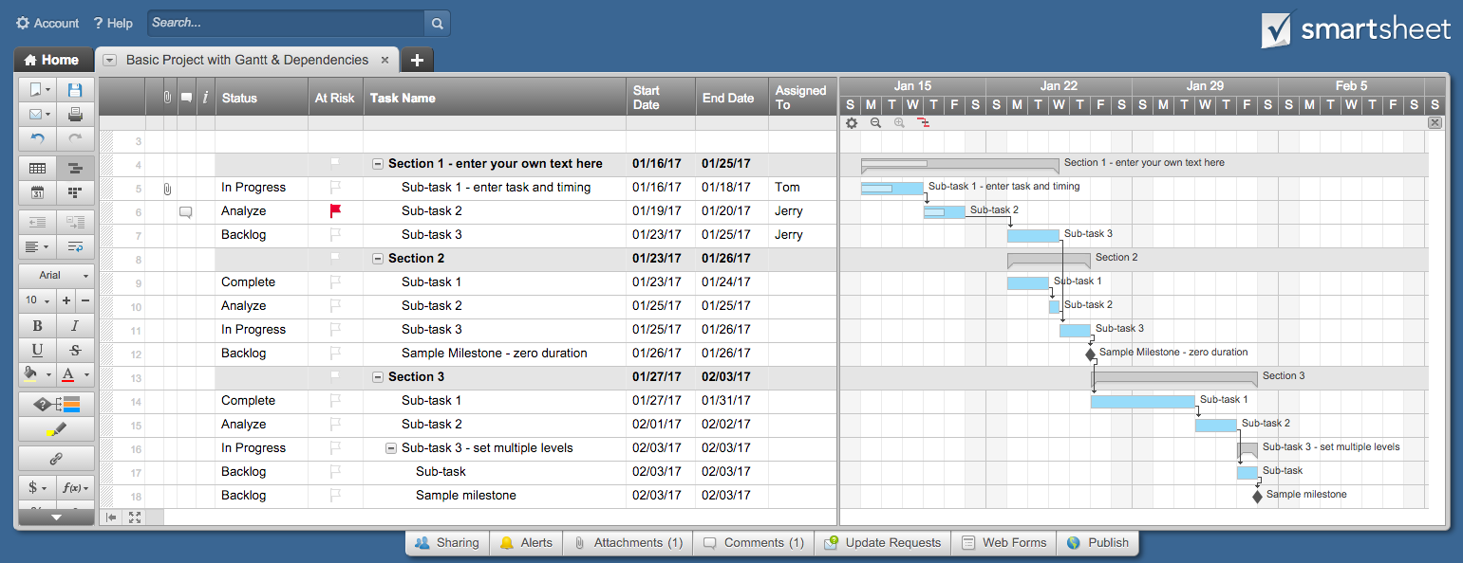
Gantt Chart Gated HSI-Depth Semantic Segmentation

Gantt Chart Template for Excel
Task Name | Start | End | Duration (days)

SWIR Dataset Labeling | 2017-09-08 | 2017-09-18 | 10
Basic resnet based FCN16 Implementation | 2017-09-14 | 2017-09-25 | 11
Pre-training resnet using synthetic data | 2017-09-25 | 2017-10-02 | 7
Implement Hypercolumns | 2017-10-03 | 2017-10-09 | 6
Implement sparse gated array for band selection | 2017-10-10 | 2017-10-15 | 5
Test implementation on RIT dataset | 2017-10-16 | 2017-10-22 | 6
Test implementation on UH dataset | 2017-10-16 | 2017-10-22 | 6
Test implementation on SWIR dataset | 2017-10-16 | 2017-10-22 | 6
Incorporate Depth information with late fusion and weights | 2017-10-23 | 2017-10-28 | 5
Test entire implementation on RIT, UH, SWIR Dataset | 2017-10-29 | 2017-11-04 | 6
Finetuning of parameters e results consolidation | 2017-11-05 | 2017-11-12 | 7
Write paper for CVPR (Deadline Nov 15) | 2017-09-25 | 2017-11-12 | 48

Next prepare workshop | Monday | 4:30 pm
 | Friday | 13:30:00
Put the project on github

