Ark1
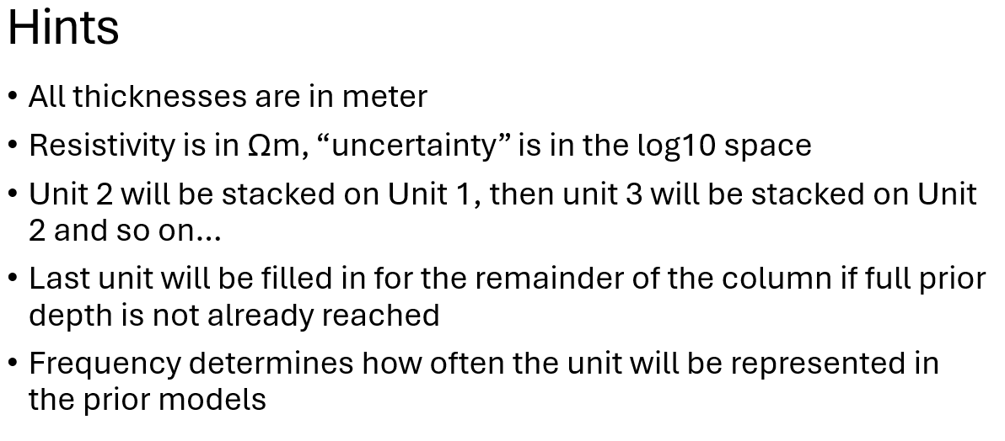
No. | Class | Min thickness | Max thickness | Resistivity | Resistivity uncertainty | Red | Green | Blue | Unit | Classes | Min no. of layers | Max no. of layers | Min unit thickness | Max unit thickness | Frequency
1 | Meltwater deposits | 1 | 15 | 140 | 0.05 | 255 | 100 | 0 | 1 | [1,2] | 1 | 10 | 10 | 60 | 1
2 | Till | 1 | 15 | 50 | 0.05 | 200 | 175 | 0 | 2 | [3] | 1 | 1 | 5 | 30 | 0.7
3 | Miocene sand | 5 | 30 | 150 | 0.05 | 153 | 153 | 229 | 3 | [4] | 1 | 1 | 5 | 30 | 0.7
4 | Miocene clay | 5 | 30 | 20 | 0.1 | 178 | 204 | 229 | 4 | [5]
5 | Paleogene clay | 1 | 100 | 5 | 0.1 | 81 | 255 | 255

