Ark1
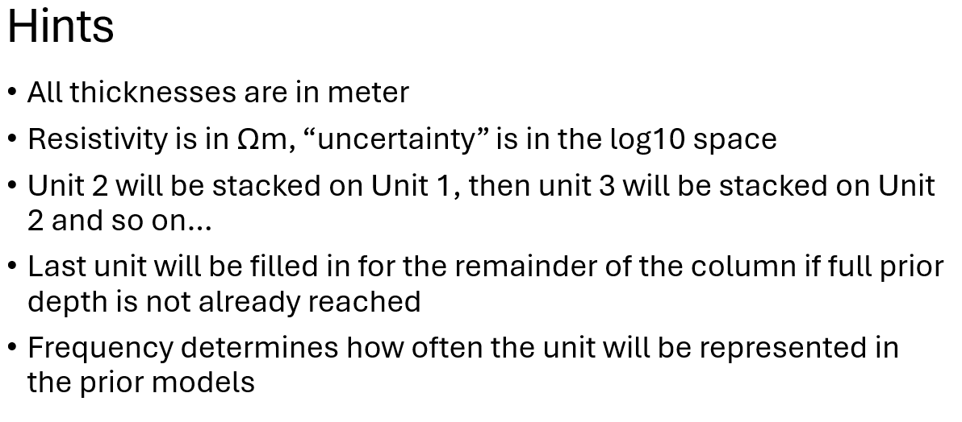
No. | Class | Min thickness | Max thickness | Resistivity | Resistivity uncertainty | Red | Green | Blue | Unit | Classes | Min no. of layers | Max no. of layers | Min unit thickness | Max unit thickness | Frequency
1 | Meltwater clay | 1 | 15 | 50 | 0.05 | 196 | 64 | 0 | 1 | [9] | 1 | 1 | 1 | 10 | 0.15
2 | Meltwater sand | 1 | 15 | 20 | 0.1 | 224 | 73 | 0 | 2 | [1,2,3,4,5] | 1 | 10 | 10 | 70 | 1
3 | Meltwater gravel | 1 | 15 | 5 | 0.1 | 255 | 84 | 0 | 3 | [6] | 1 | 1 | 5 | 30 | 0.7
4 | Clayey Till | 1 | 15 | 1 | 0.1 | 204 | 153 | 0 | 4 | [7] | 1.00 | 1 | 5 | 30 | 0.7
5 | Sandy Till | 1 | 15 | 1 | 0.1 | 219 | 183 | 0 | 5 | [8]
6 | Miocene sand | 5 | 30 | 1 | 0.1 | 153 | 153 | 229
7 | Miocene clay | 5 | 30 | 1 | 0.1 | 178 | 204 | 229
8 | Paleogene clay | 1 | 100 | 1 | 0.1 | 81 | 255 | 255
9 | Organicrich | 1 | 5 | 140 | 0.05 | 0 | 0 | 0

