RampupPeriod
JMeter Ramp up Period

 |  | Example
 |  | Number of Users (threads) | 10
 |  | Ramp up period (seconds) | 100
 |  | Delay between each user at the start | 10

 |  | User (thread) # | Start Time
 |  | 1 | 10
 |  | 2 | 20 | How long JMeter should take to get all the threads started. If there are 10 threads and a ramp-up time of 100 seconds, then each thread will begin 10 seconds after the previous thread started, for a total time of 100 seconds to get the test fully up to speed
 |  | 3 | 30
 |  | 4 | 40
 |  | 5 | 50
 |  | 6 | 60
 |  | 7 | 70
 |  | 8 | 80
 |  | 9 | 90
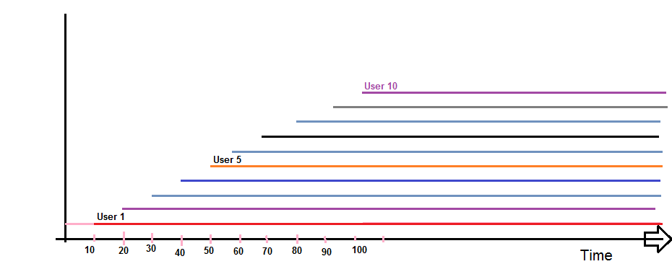
 |  | 10 | 100
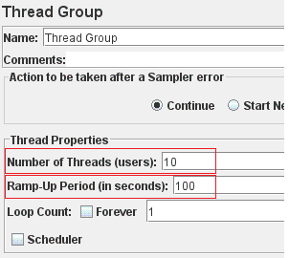

 | Notes
 | Ramp-up is applicable only for the first loop
 | It will introduce delay between each thread(s) at the start (ONLY)

 | You need to use Timers to introduce delay between request

