Sheet1
 | 1-k^2 = ioc/isc
 | -k^2=ioc/isc -1
 | k^2=1-ioc/isc

 | Hz | ioc | isc | k
 | 1.00E+02 | 355.5 | 355.6 | 0.016769461773
 | 5.00E+02 | 343.4 | 348.4 | 0.1197969963
 | 1.00E+03 | 331.1 | 347.5 | 0.21724236374
 | 5.00E+03 | 221.7 | 348 | 0.60243757725
 | 1.00E+04 | 155.7 | 3.49E+02 | 0.74413730369
 | 5.00E+04 | 44.87 | 350.2 | 0.93374151418
 | 1.00E+05 | 27.14 | 360.1 | 0.96157789422
 | 3.00E+05 | 13.27 | 346.1 | 0.98064187154
 | 5.00E+05 | 11.96 | 160.8 | 0.96209245426
 | 1.00E+06 | 11.65 | 137.7 | 0.95676318279
 | 5.00E+06 | 19.07 | 44.89 | 0.75840871737
 | 1.00E+07 | 20.44 | 20.99 | 0.16187326459

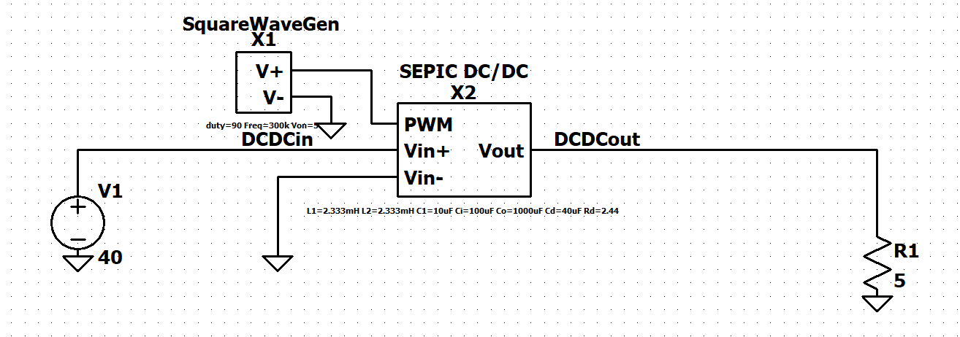

f=300k | Uncoupled Inductors |  |  |  | f=300k | Coupled Inductors |  | k=0.98
Duty | Pin | Pout | Ploss | Eff | Duty | Pin | Pout | Ploss | Eff
10 | 4.9333 | 3.8226 | 1.1107 | 77% | 10 | 4.9577 | 3.8416 | 1.1161 | 77%
20 | 24.077 | 21.395 | 2.682 | 89% | 20 | 24.015 | 21.422 | 2.593 | 89%
30 | 74.434 | 68.429 | 6.005 | 92% | 30 | 74.55 | 68.611 | 5.939 | 92%
40 |  |  | 0 | #DIV/0! | 40 | 190.69 | 176.54 | 14.15 | 93%
50 |  |  | 0 | #DIV/0! | 50 | 457.41 | 420.16 | 37.25 | 92%
60 |  |  | 0 | #DIV/0! | 60 | 972.98 | 890.91 | 82.07 | 92%
70 |  |  | 0 | #DIV/0! | 70 | 2231.5 | 1999.6 | 231.9 | 90%
80 |  |  | 0 | #DIV/0! | 80 | 5997.2 | 4871.9 | 1125.3 | 81%
90 |  |  | 0 | #DIV/0! | 90 | 16430 | 7485.6 | 8944.4 | 46%

 |  | uncoupled, 500uH

 |  | coupled, 2.333mH

