Manifest_GHM_Olympians
scene | token_id | edition_size | Tier | Series | background_hex | name_final
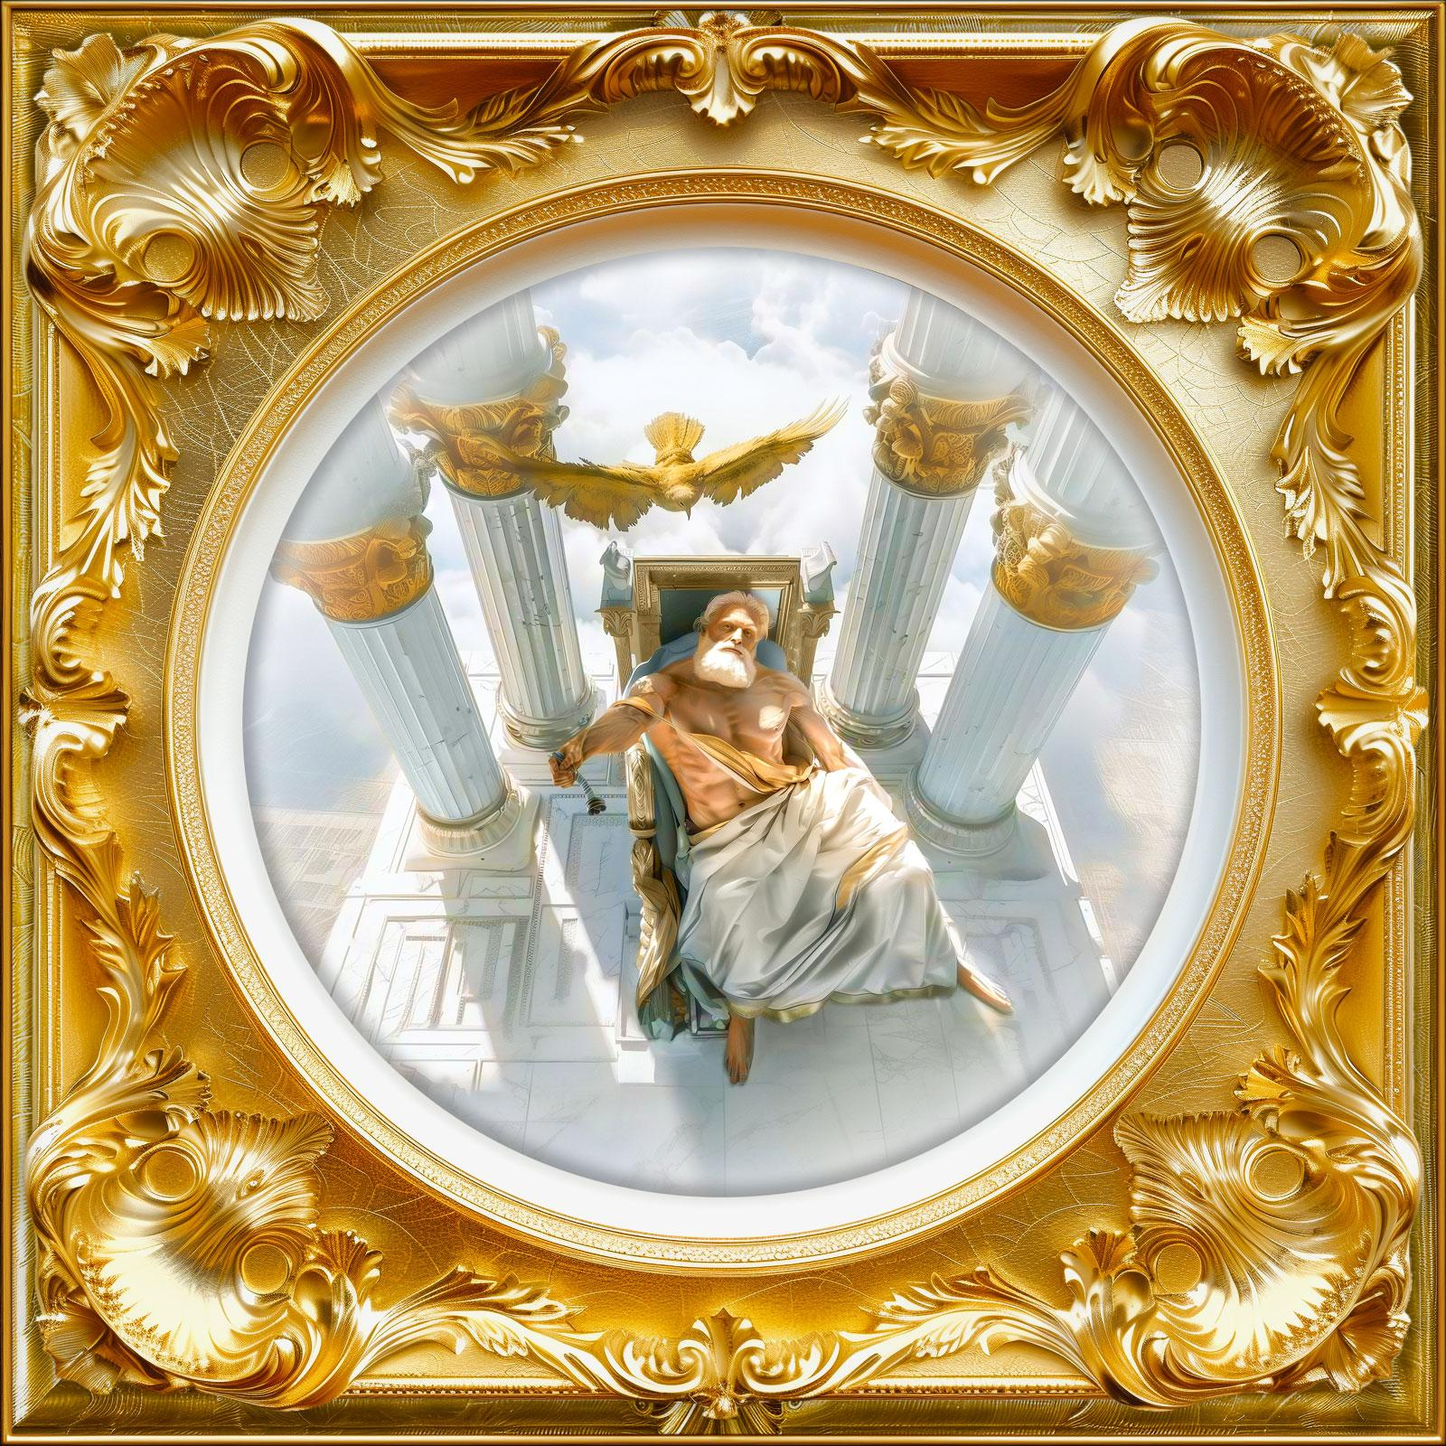 | 1002 | 1 | Mythic Icon | Greek Olympians | #000000 | Zeus
 |  | 1 | Limited Edition Print | Greek Olympians | #FFFFFF | Poseidon
 |  | 1 | Mythic Icon | Greek Olympians | #FFFFFF | Ares
 |  | 1 | Mythic Icon | Greek Olympians | #000000 | Hades
 |  | 1 | Mythic Icon | Greek Olympians | #FFFFFF | Aphrodite
 |  | 1 | Mythic Icon | Greek Olympians | #FFFFFF | Apollo
 |  | 1 | Relic | Greek Olympians | #FFFFFF | Athena
 |  | 1 | Mythic Icon | Greek Olympians | #FFFFFF | Hera
 |  | 1 | Mythic Icon | Greek Olympians | #000000 | Hermes
 |  | 1 | Mythic Icon | Greek Olympians | #FFFFFF | Artemis
 |  | 1 | Mythic Icon | Greek Olympians | #FFFFFF | Hephaestus
...

