SolveForKx
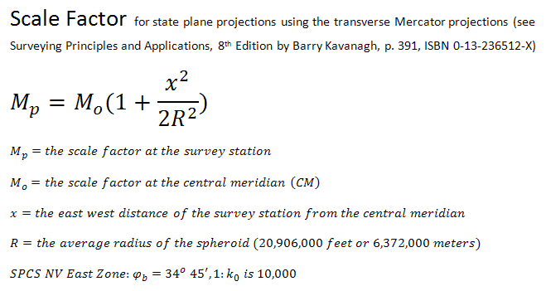
Finding the Scale Factor at a Point on a Defined Mercator Projection
For x, enter the distance from the prime meridan at which you want to know the scale factor
For k_0, enter the k_0 (scale factor) of the projection
Kx will tell you the scale at a point x distance from the prime meridian given a projection with k_0 scale factor

 | x | k_0 | R | kx
meters |  |  | 6378137 | 0.000000
kilometers | 0 |  | 6378.137

Point scale factor equation for transverse mercator projections

Variable | Explanation
x | x-coordinate of point x,y in map units (essentially, the easting distance from the central meridian)
k | scale factor (from the projection's definition, equal to scale factor at the central meridian)
R | radius of the Earth at the equator in map units (this is a parameter of the datum)
kx | scale factor at distance x from the central meridian

Example Transverse Mercator Projections
Projection |  | k | x where k = 1
UTM |  | 0.9996 | 180000 | 180 km
VT State Plane |  | 0.9999642857 | 53913.024 | 33.5 miles

Easier Formula:

