TC_01
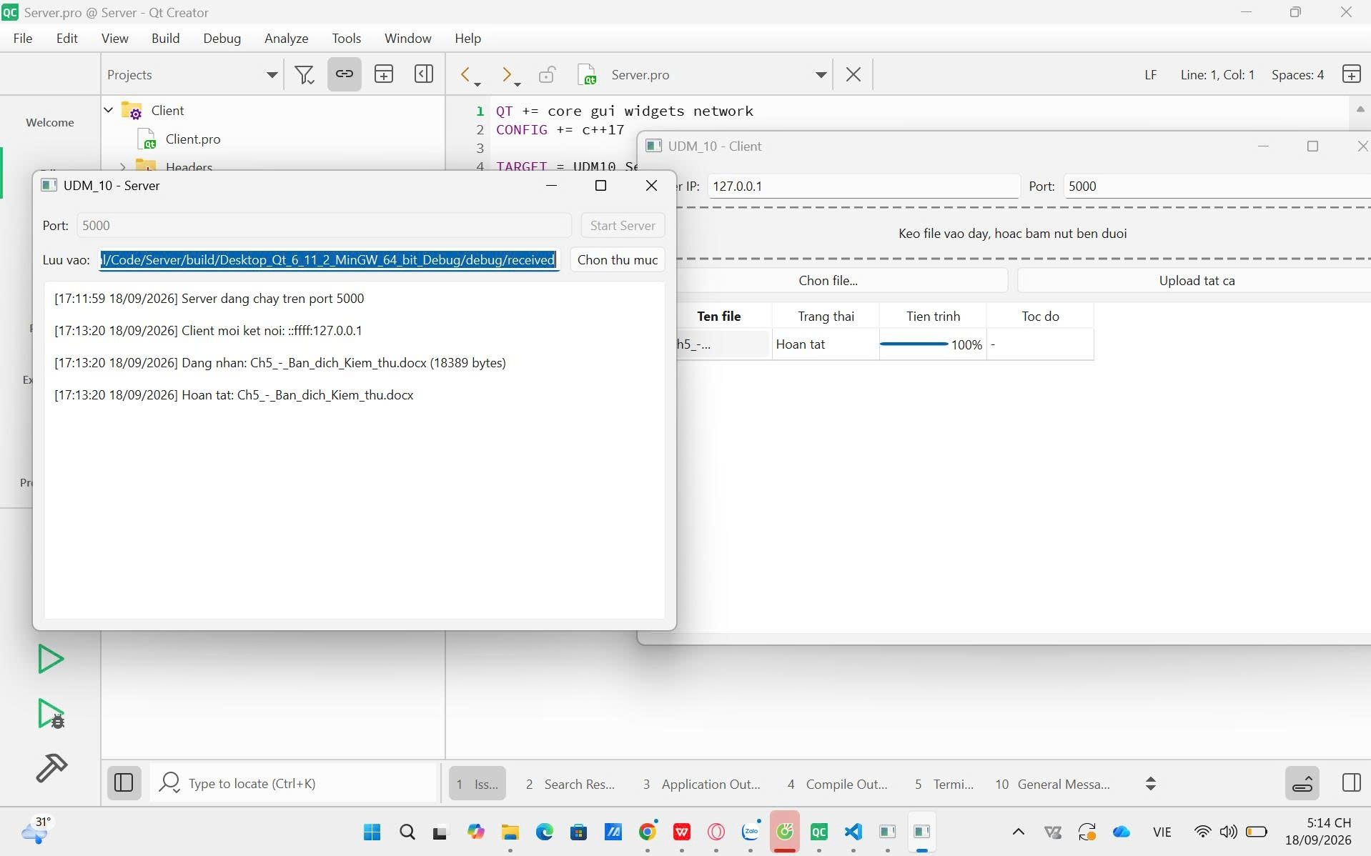
TC_01
Cung cap minh chung tai day. | Minh chung la hinh anh code/ket qua chay test, giao dien hien thi hoac log trong he thong.

 | Ket qua: Upload thanh cong Ch5_-_Ban_dich_Kiem_thu.docx (18389 bytes). Log Server: Dang nhan -> Hoan tat. Client: trang thai Hoan tat, tien trinh 100%.

TC_02
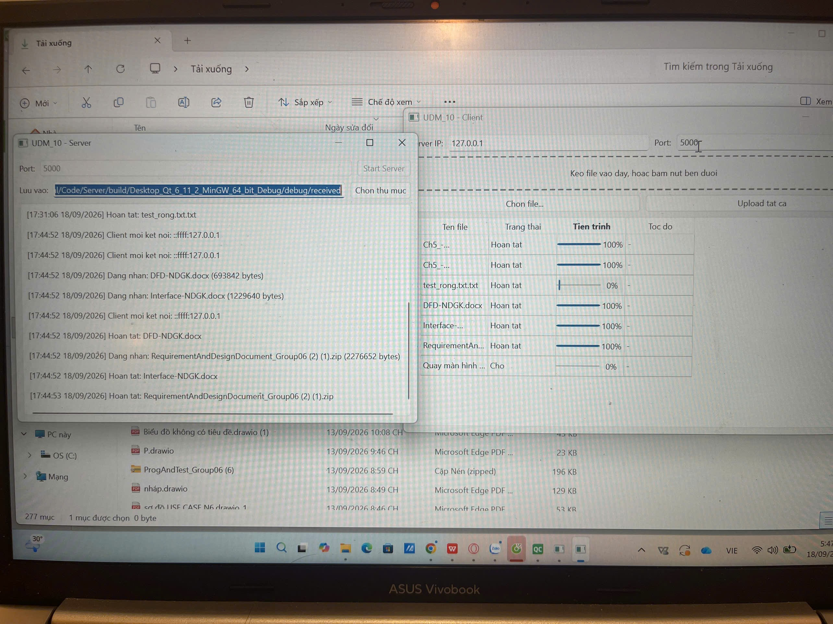
TC_02
Cung cap minh chung tai day.
Minh chung la hinh anh code/ket qua chay test, giao dien hien thi hoac log trong he thong.

Ket qua: Upload 8 file cung luc: 6 file dau Hoan tat, file thu 7-8 (video quay man hinh, ExamMonitor.exe) o trang thai Cho dung nhu thiet ke (gioi han 2 file dong thoi).

TC_04
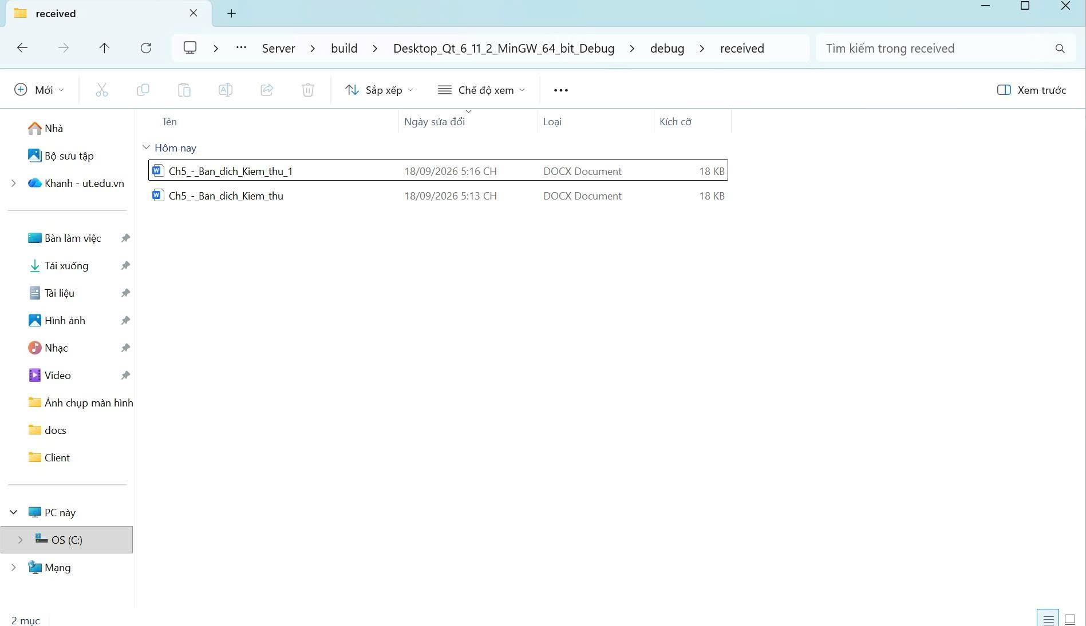
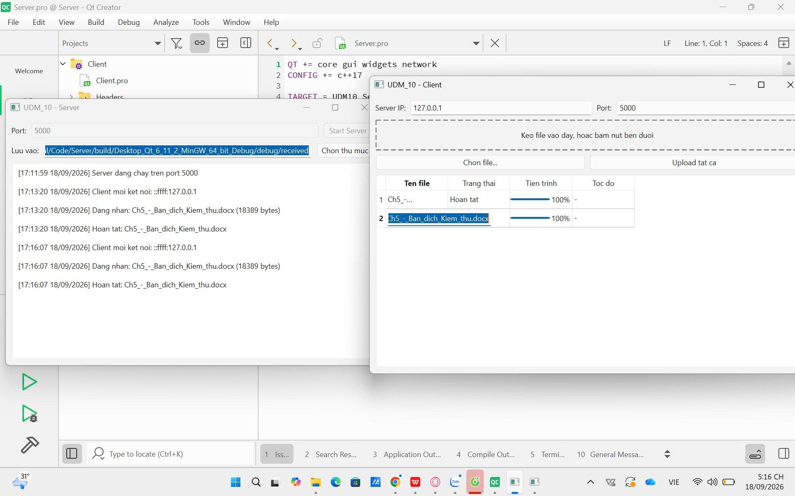
TC_04
Cung cap minh chung tai day.
Minh chung la hinh anh code/ket qua chay test, giao dien hien thi hoac log trong he thong.

Ket qua: Upload cung 1 file 2 lan lien tiep. File Explorer xac nhan co 2 file rieng biet: Ch5_-_Ban_dich_Kiem_thu.docx va Ch5_-_Ban_dich_Kiem_thu_1.docx - khong ghi de.

TC_05
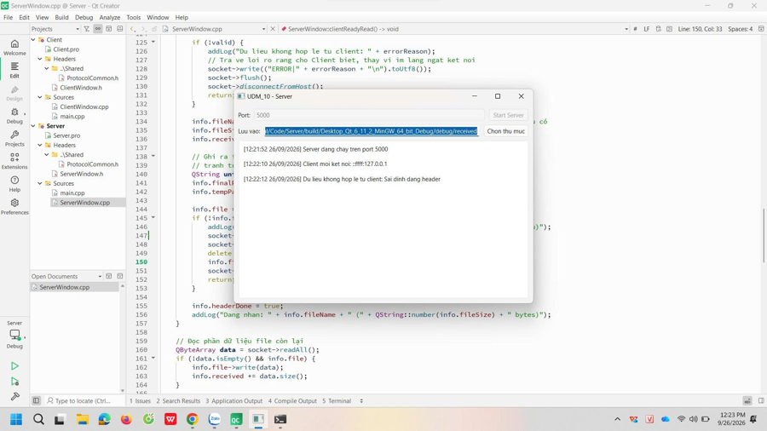
TC_05
Cung cap minh chung tai day.
Minh chung la hinh anh code/ket qua chay test, giao dien hien thi hoac log trong he thong.

Ket qua: Dung telnet ket noi toi Server (127.0.0.1:5000), go du lieu khong dung dinh dang giao thuc (khong phai ULD1|ten|kichthuoc) roi gui di. Log Server ghi nhan dung: 'Du lieu khong hop le tu client: Sai dinh dang header'. Server tu dong tu choi, khong crash, van tiep tuc hoat dong binh thuong sau do.

TC_06
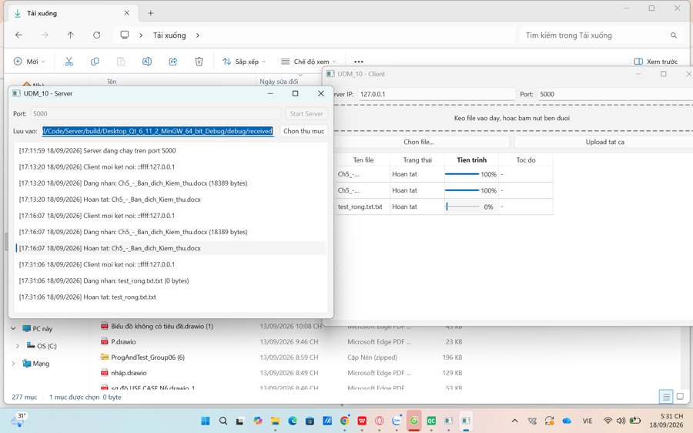
TC_06
Cung cap minh chung tai day.
Minh chung la hinh anh code/ket qua chay test, giao dien hien thi hoac log trong he thong.

Ket qua: Upload file test_rong.txt.txt (0 bytes). Log Server: Dang nhan (0 bytes) -> Hoan tat. Khong treo, khong crash. Luu y: progress bar Client hien 0% du da Hoan tat (loi hien thi nho, khong anh huong chuc nang).

TC_07
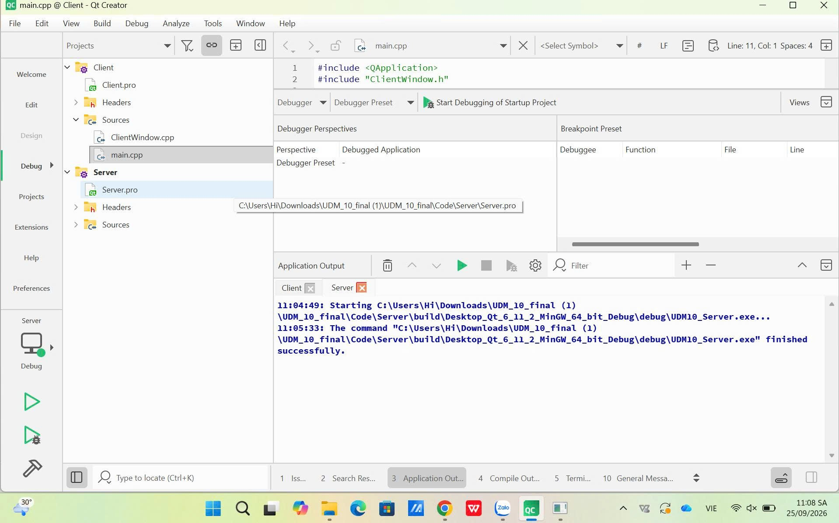
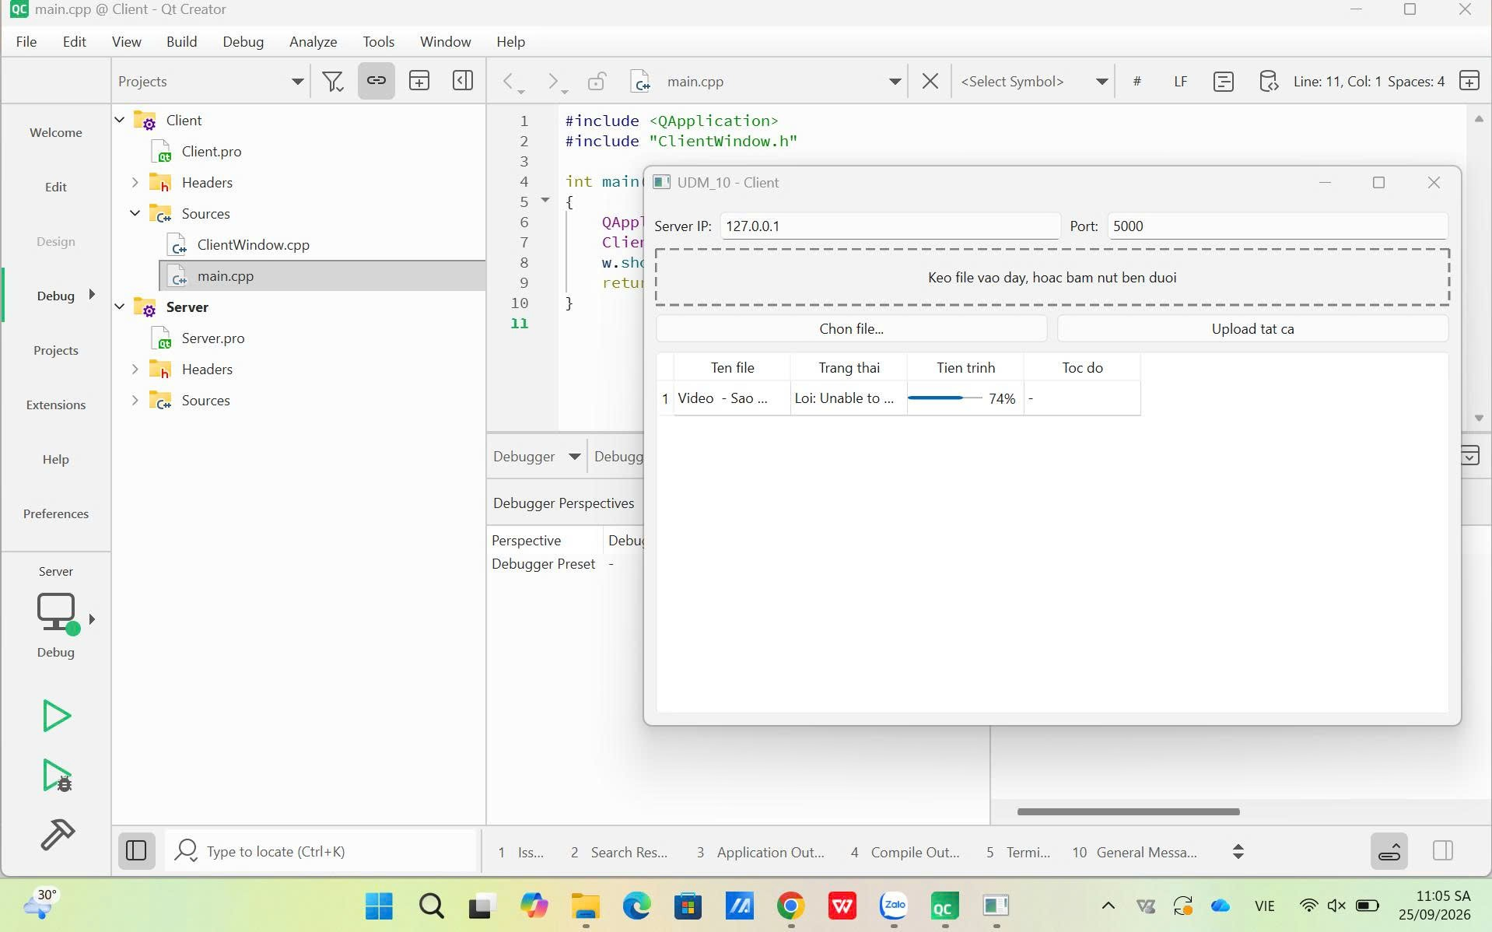
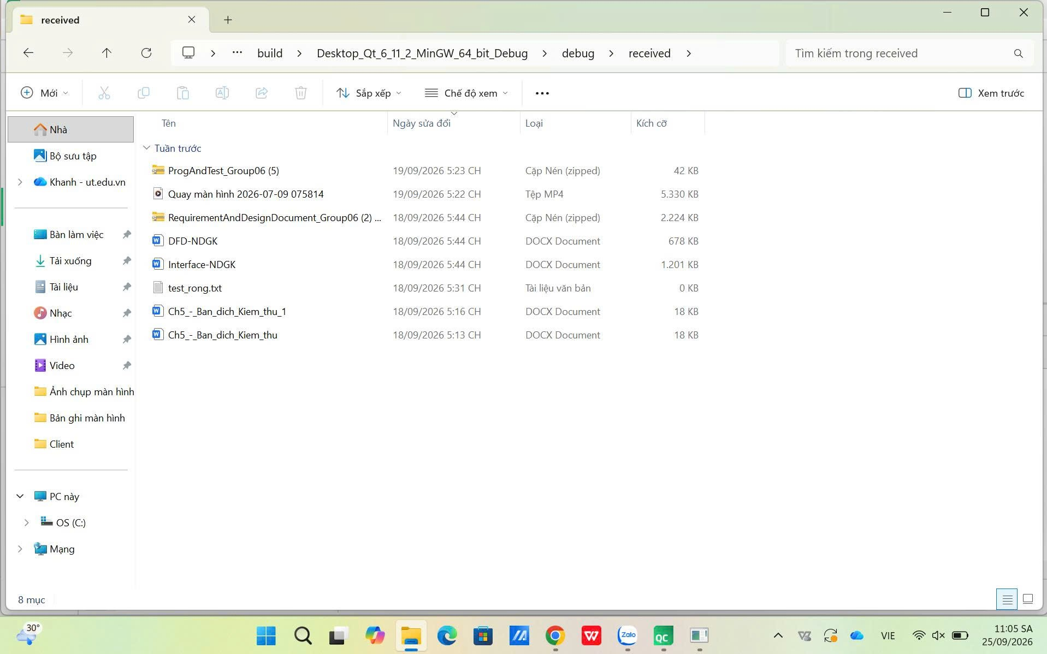
TC_07
Cung cap minh chung tai day.
Minh chung la hinh anh code/ket qua chay test, giao dien hien thi hoac log trong he thong.

TC_10
TC_10
Cung cap minh chung tai day.
Minh chung la hinh anh code/ket qua chay test, giao dien hien thi hoac log trong he thong.

Ket qua: Upload 5 file qua mang LAN that (khong phai localhost) giua 2 may vat ly khac nhau - IP Server: 192.168.1.110, IP Client: 192.168.1.124. Ca 5 file (tai lieu PDF, DOCX dung luong khac nhau) deu Hoan tat, khong loi. Muc tai nay duoc xem la cao hon TC_09 vi co do tre mang that qua Wi-Fi/LAN va nhieu file hon, khac voi ket noi loopback (127.0.0.1) khong co do tre mang thuc te. | 