User Guide
X-Road Implementation Cost Calculator

 | X-Road Implementation Cost Calculator Guide

 | Cost Calculator Overview

 | OBJECTIVE
The aim of this cost calculator is to provide a high-level estimate of X-Road implementation and maintenance costs to organizations that are planning to implement a new X-Road ecosystem. This means setting up the organization and infrastructure for offering the X-Road platform. The creation or integration of data services or registries is not in the scope of this calculator.

 | APPROACH

The implementation cost calculator consists of 2 parts:
- the cost of infrastructure resources, trust service fees, additional license costs;
- the work breakdown structure of an X-Road implementation project.
The maintenance cost calculator is based on the cost of infrastructure resources and the cost of human resources needed for operations.
The values have been pre-filled with illustrative defaults to aid the user in filling the actual parameters. The user should always configure the values to fit the specifics of their organization and ecosystem.
The default value of the Average daily FTE rate is an example that does not illustrate the actual rate of any vendor.
This cost calculator focuses on the specifics of implementing X-Road and activities such as changing the regulation of data exchange policies or high-level stakeholder management are not in the scope.

 | USERS

This calculator is intended for CTOs, project managers, architects or anyone wishing to estimate the necessary activities and cost of setting up an X-Road ecosystem in their country, municipality or enterprise. For more detailed configuration of the values, some technical understanding of the X-Road architecture and estimating infrastructure costs is required.

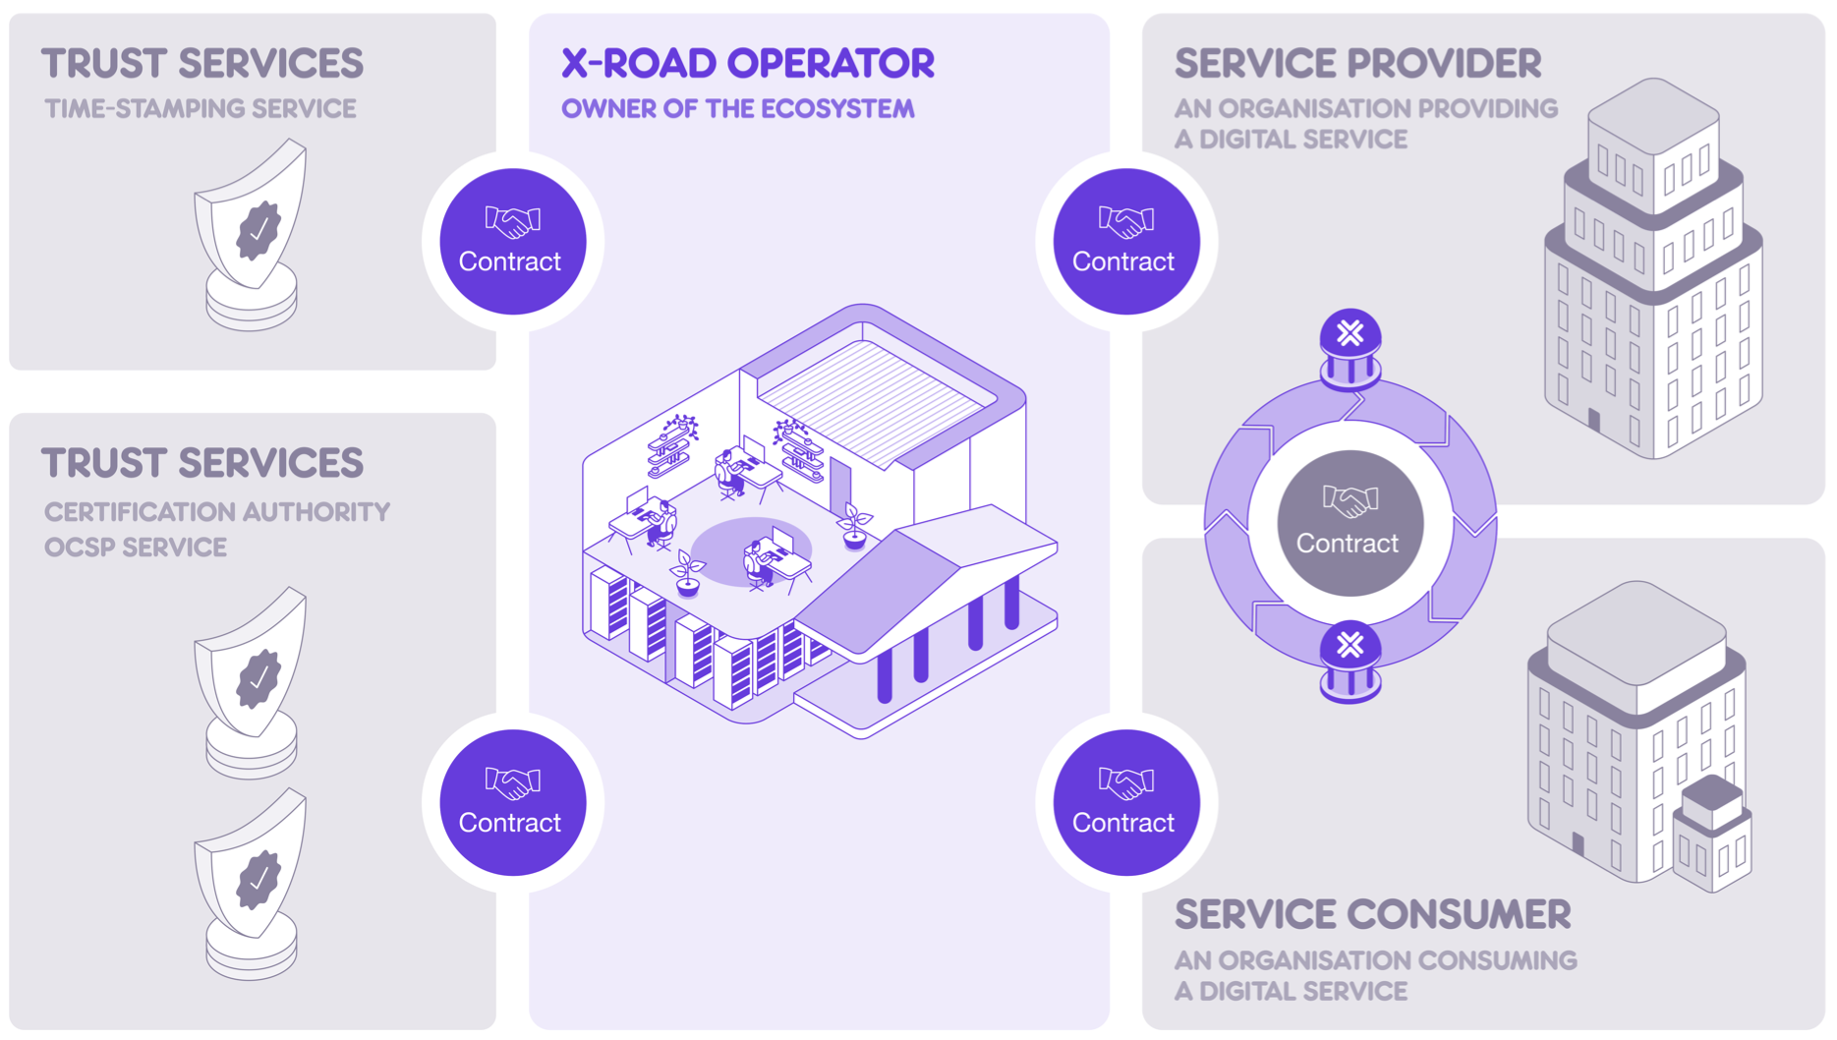

 | REFERENCE ARCHITECTURE
The default values in the infrastructure resources and the activities in the work breakdown structure are based on a reference architecture. This includes:
3 instances of X-Road:
a development instance (for trying out X-Road and developing services)
a test instance (for testing integrations)
a production instance (for production data exchange).
Each instance consists of
3 X-Road Central Servers
3 X-Road Management Security Servers.
It is assumed that trust services are offered by a third party trust service provider.
These defaults are inspired by existing X-Road implementations, but the X-Road Operator can design a different deployment architecture. For instance they could choose to have only two instances. Or they could choose to provide the necessary trust services (CA, OCSP, TSA) themselves.

 | X-Road Architecture |  | X-Road Central Server System Requirements |  |  | X-Road Security Server System Requirements

 | USING THE IMPLEMENTATION COST CALCULATOR

 |  | 1. Configure the resources |  | 2. Review and configure the WBS |  | 3. View the overview of cost estimation

 |  |  |  |  | The output

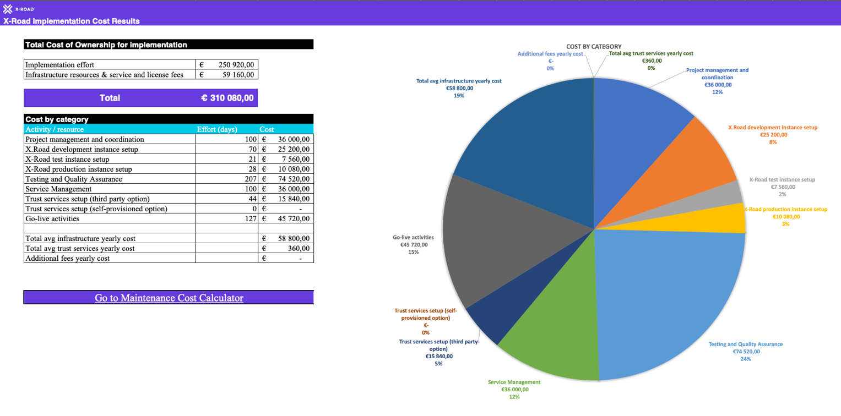

 | USING THE MAINTENANCE COST CALCULATOR

 |  | 1. Configure the resources |  | 2. View the overview of cost estimation

 |  |  |  |  | The output
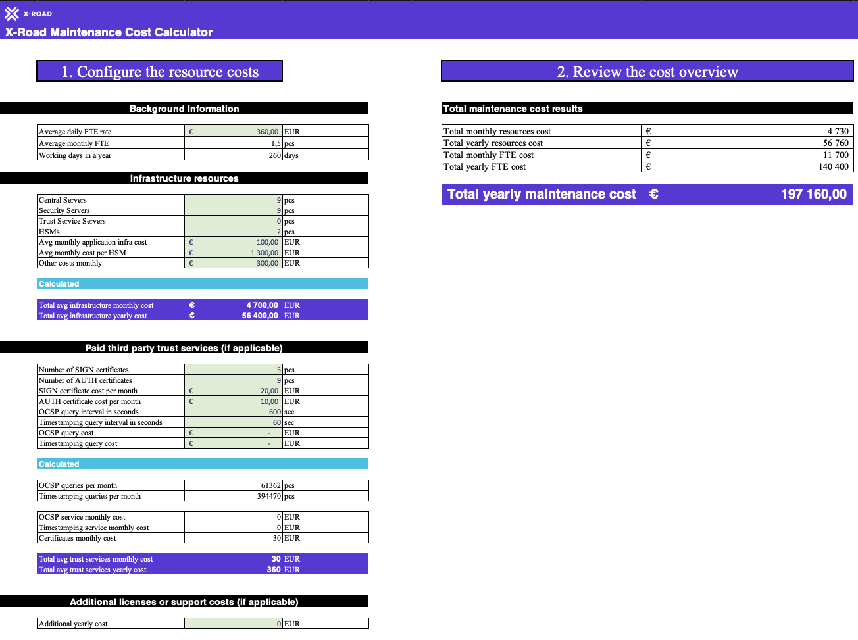

 | Get started >

 | ADDITIONAL RESOURCES |  |  | COPYRIGHT

 | The official X-Road webpage |  |  | Nordic Institute for Interoperability Solutions (NIIS)

 | The X-Road GitHub repository |  |  | X-Road License Info

 | The X-Road Knowledge Base

 | The X-Road Service Desk

Implementation Cost Overview
X-Road Implementation Cost Results

Cost by category
 | Cost | Effort (days)
Project management and coordination | €44000.00 | 100
X-Road development instance setup | €30800.00 | 70
X-Road test instance setup | €9240.00 | 21
X-Road production instance setup | €9240.00 | 21
Testing and Quality Assurance | €87560.00 | 199
Service Management | €26400.00 | 60
Trust services setup (third party option) | €19800.00 | 45
Trust services setup (self-provisioned option) | €- | 0
Go-live activities | €61160.00 | 139
Total avg infrastructure yearly cost | €60000.00
Total avg trust services yearly cost | €2160.00
Additional fees yearly cost | €-
 | Total Cost of Ownership for implementation

 | Implementation effort | €288,200.00
 | Infrastructure resources & service and license fees | €62,160.00

 | Total | €350,360.00

 | Cost by category
 | Activity / resource | Effort (days) | Cost
 | Project management and coordination | 100 | €44,000.00
 | X-Road development instance setup | 70 | €30,800.00
 | X-Road test instance setup | 21 | €9,240.00
 | X-Road production instance setup | 21 | €9,240.00
 | Testing and Quality Assurance | 199 | €87,560.00
 | Service Management | 60 | €26,400.00
 | Trust services setup (third party option) | 45 | €19,800.00
 | Trust services setup (self-provisioned option) | 0 | €-
 | Go-live activities | 139 | €61,160.00

 | Total avg infrastructure yearly cost |  | €60,000.00
 | Total avg trust services yearly cost |  | €2,160.00
 | Additional fees yearly cost |  | €-

 | Go to Maintenance Cost Calculator

Trust Services Readme
X-Road Trust Services Overview

 | Trust Services Overview

Trust Service Providers on X-Road
A functioning X-Road ecosystem requires two types of trust services: 1) time-stamping authority (TSA) and 2) certification authority (CA). Trust Service Providers are organizations providing these services. Trust Service Providers may be commercial third parties, or the services can be provided and maintained by the X-Road Operator too.
TIME-STAMPING AUTHORITY (TSA)
All the messages sent via X-Road are time-stamped and logged by the Security Server. The purpose of the time-stamping is to certify the existence of data items at a certain point in time. The TSA provides a time-stamping service that the Security Server uses for time-stamping all the incoming/outgoing requests/responses. Only trusted TSAs that are defined in the Central Server can be used.
The time-stamping authority must implement the time-stamping protocol supported by X-Road. X-Road uses batch time-stamping, which reduces the load of the time-stamping service. The load does not depend on the number of messages exchanged over the X-Road. Instead, it depends on the number of Security Servers in the system.
CERTIFICATION AUTHORITY (CA)
The certification authority (CA) issues certificates to Security Servers (authentication certificates) and X-Road member organizations (signing certificates). Authentication certificates are used for securing the connection between two Security Servers. Signing certificates are used for digitally signing the messages sent by X-Road members. Only certificates issued by trusted certification authorities that are defined in the Central Server can be used.
The Security Server checks the validity of the signing and authentication certificates via the Online Certificate Status Protocol (OCSP). Each Security Server is responsible for querying the validity information of its certificates and then sharing the information with other Security Servers as a part of the message exchange process. Only Security Servers with valid signing and authentication certificates can exchange messages with other Security Servers.
TRUST SERVICE QUERY INTERVALS
The X-Road operator can configure the query intervals for OCSP and time-stamping requests. This can be useful for cost optimization for both the Operator and Members of the ecosystem, when a paid third party trust service provider is used. For instance, Estonia has chosen to increase the intervals for this reason.
More information about these systems parameters can be found on a blog post on the NIIS website.

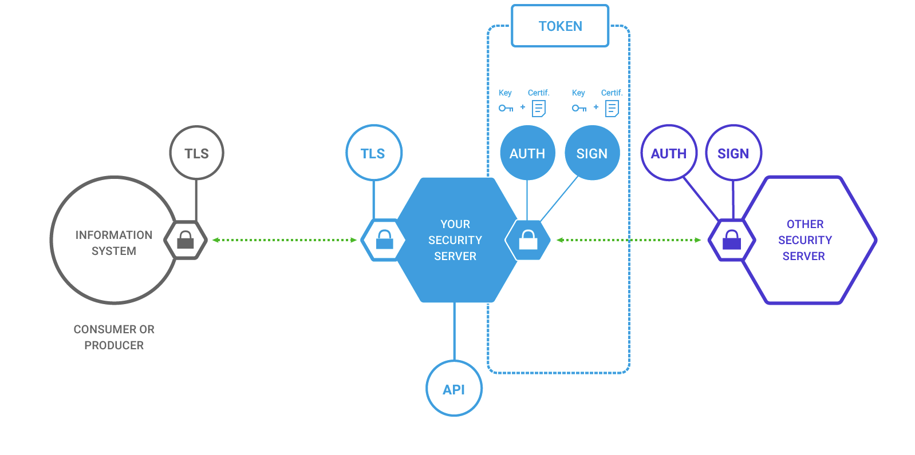

 | NIIS Blog Post

 | Back to calculator

