PubChem_compound_smiles_substru
*Those w/o CID are the different positional isomers of the previous molecule with CID |  |  |  |  | =@CHEM_SMILES(G1)
Numbering | PubChem CID | SMILES | Structure | Modeled Moiety Structure | Modeled Moiety SMILES
OTP1.3 | 996 | C1=CC=C(C=C1)O |  |  | COCC1=CC=CC=C1
OTP2.3 | 335 | CC1=CC=CC=C1O |  |  | CC1=CC=CC=C1COC
OTP3.3 | 342 | CC1=CC(=CC=C1)O |  |  | CC1=CC(COC)=CC=C1
OTP4.3 | 2879 | CC1=CC=C(C=C1)O |  |  | CC1=CC=C(C=C1)COC
OTP5.3 | 403 | C1=CC(=CC=C1N)O |  |  | [NH3+]C1=CC=C(C=C1)COC
OTP6.3 | 11568 | C1=CC(=CC(=C1)O)N |  |  | COCC1=CC=CC([NH3+])=C1
OTP7.3 |  |  |  |  | [NH3+]C1=CC=CC=C1COC
OTP8.3 | 289 | C1=CC=C(C(=C1)O)O |  |  | OC1=CC=CC=C1COC
OTP9.3 | 785 | C1=CC(=CC=C1O)O |  |  | OC1=CC=C(C=C1)COC
OTP10.3 | 5054 | C1=CC(=CC(=C1)O)O |  |  | OC1=CC(COC)=CC=C1
OTP11.3 | 62453 | C=CC1=CC=C(C=C1)O |  |  | COCC1=CC=C(C=C1)C=C
OTP12.3 |  |  |  |  | COCC1=CC=CC(C=C)=C1
OTP13.3 |  |  |  |  | COCC1=CC=CC=C1C=C
OTP14.3 | 126 | C1=CC(=CC=C1C=O)O |  |  | COCC1=CC=C(C=O)C=C1
OTP15.3 |  |  |  |  | COCC1=CC=CC(C=O)=C1
OTP16.3 | 6998 | C1=CC=C(C(=C1)C=O)O |  |  | O=CC1=CC=CC=C1COC
OTP17.3 | 6997 | CCC1=CC=CC=C1O |  |  | CCC1=CC=CC=C1COC
OTP18.3 | 12101 | CCC1=CC(=CC=C1)O |  |  | CCC1=CC(COC)=CC=C1
OTP19.3 | 31242 | CCC1=CC=C(C=C1)O |  |  | CCC1=CC=C(C=C1)COC
OTP20.3 | 5931 | CNC1=CC=C(C=C1)O |  |  | COCC1=CC=C(C=C1)NC
OTP21.3 |  |  |  |  | COCC1=CC=CC=C1NC
OTP22.3 |  |  |  |  | COCC1=CC=CC(NC)=C1
OTP23.3 | 4684 | C1=CC(=CC=C1O)Cl |  |  | ClC1=CC=C(C=C1)COC
OTP24.3 | 7245 | C1=CC=C(C(=C1)O)Cl |  |  | COCC1=CC=CC=C1Cl
OTP25.3 | 7933 | C1=CC(=CC(=C1)Cl)O |  |  | COCC1=CC(Cl)=CC=C1
OTP26.3 | 8375 | CC(=O)C1=CC=CC=C1O | 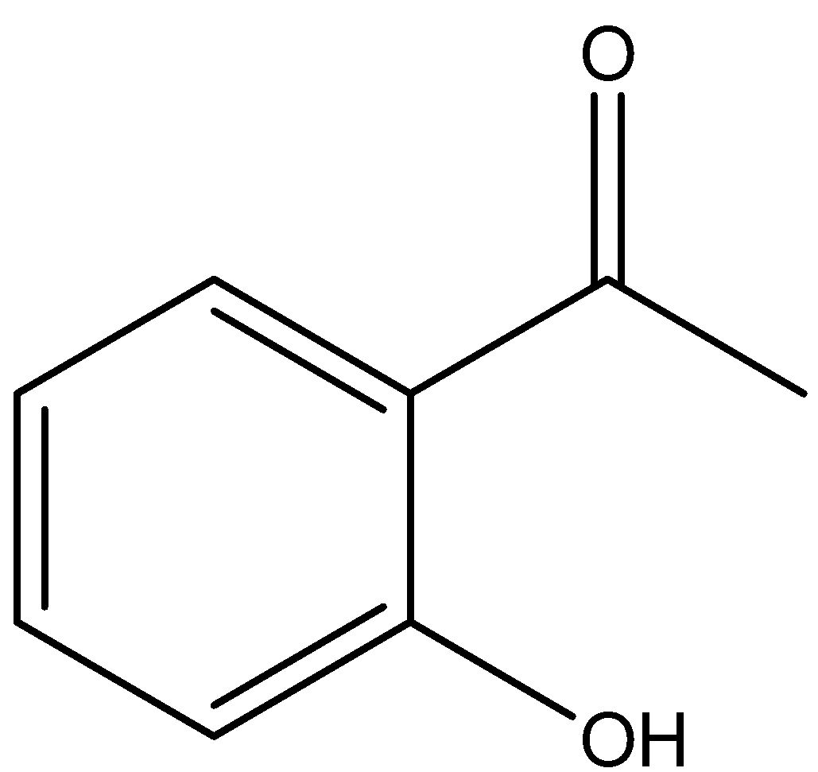 |  | COCC1=CC=CC=C1C(C)=O
OTP27.3 |  |  |  |  | COCC1=CC(C(C)=O)=CC=C1
OTP28.3 |  |  |  |  | O=C(C1=CC=C(COC)C=C1)C
OTP29.3 | 31244 | COC1=CC=C(C=C1)C=O |  |  | O=CC1=CC=C(C=C1)COC
OTP30.3 |  |  |  |  | COCC1=CC(C=O)=CC=C1
OTP31.3 |  |  |  |  | COCC1=C(C=CC=C1)C=O
OTP32.3 | 5147 | C1=CC=C(C(=C1)C(=O)N)O | 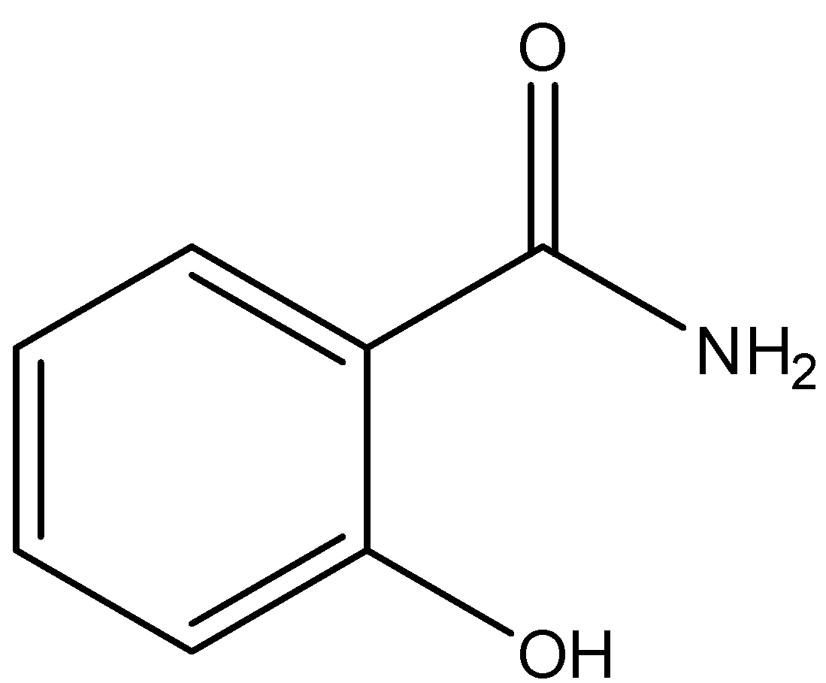 |  | COCC1=CC=CC=C1C([NH3+])=O
OTP33.3 |  |  |  |  | COCC1=CC=CC(C([NH3+])=O)=C1
OTP34.3 |  |  |  |  | O=C(C1=CC=C(COC)C=C1)[NH3+]
OTP35.3 | 5610 | C1=CC(=CC=C1CCN)O |  |  | COCC1=CC=C(CC[NH3+])C=C1
OTP36.3 |  |  |  |  | COCC1=CC=CC(CC[NH3+])=C1
OTP37.3 |  |  |  |  | COCC1=CC=CC=C1CC[NH3+]
OTP38.3 | 8815 | COC1=CC=C(C=C1)CC=C |  |  | C=CCC1=CC=C(C=C1)COC
OTP39.3 |  |  |  |  | COCC1=CC(CC=C)=CC=C1
OTP40.3 |  |  |  |  | COCC1=C(C=CC=C1)CC=C
OTP41.3 | 637563 | C/C=C/C1=CC=C(C=C1)OC |  |  | C/C=C/C1=CC=C(C=C1)COC
OTP42.3 |  |  |  |  | COCC1=CC=CC(/C=C/C)=C1
OTP43.3 |  |  |  |  | COCC1=CC=CC=C1/C=C/C
OTP44.3 | 7393 | CC(C)(C)C1=CC=C(C=C1)O |  |  | CC(C1=CC=C(C=C1)COC)(C)C
OTP45.3 |  |  |  |  | COCC1=CC=CC(C(C)(C)C)=C1
OTP46.3 |  |  |  |  | COCC1=CC=CC=C1C(C)(C)C
OTP47.3 | 1983 | CC(=O)NC1=CC=C(C=C1)O |  |  | O=C(C)NC1=CC=C(COC)C=C1
OTP48.3 |  |  |  |  | COCC1=CC(NC(C)=O)=CC=C1
OTP49.3 |  |  |  | 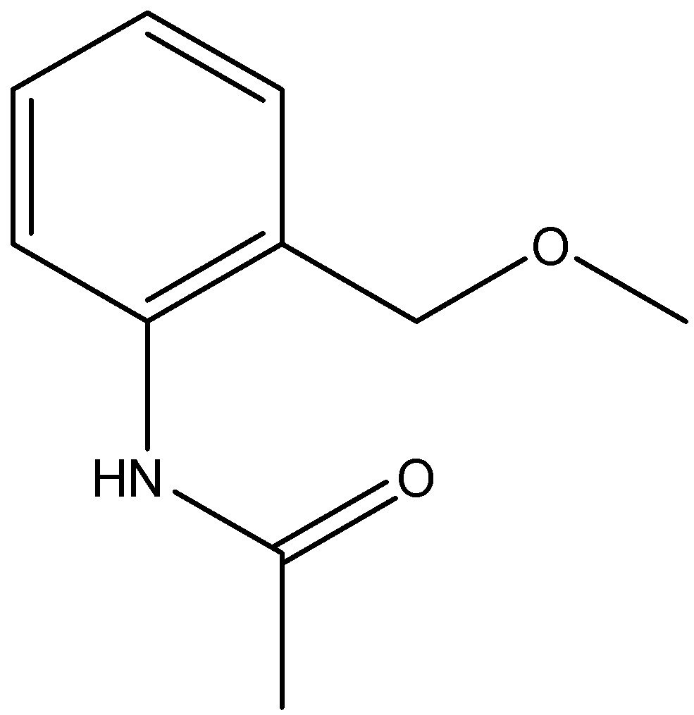 | COCC1=C(C=CC=C1)NC(C)=O
OTP55.3 | 66644 | C1=CC=C(C(=C1)C(=O)NO)O | 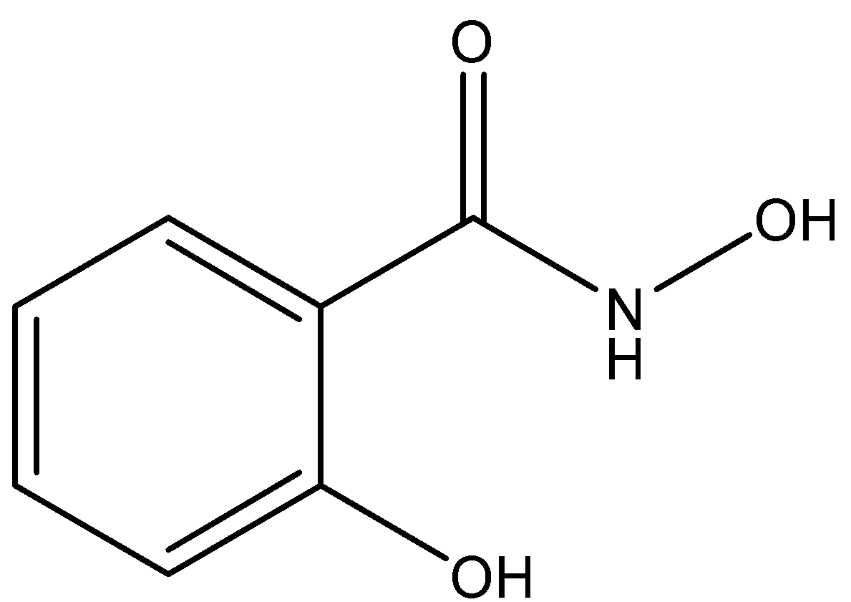 |  | O=C(C1=CC=CC=C1COC)NO
OTP56.3 |  |  |  |  | O=C(NO)C1=CC=CC(COC)=C1
OTP57.3 |  |  |  |  | ONC(C1=CC=C(COC)C=C1)=O
OTP58.3 | 641298 | COC1=CC=CC=C1/C=C/C=O |  |  | COCC1=CC=CC=C1/C=C/C=O
OTP59.3 |  |  |  |  | COCC1=CC(/C=C/C=O)=CC=C1
OTP60.3 |  |  |  |  | O=C/C=C/C1=CC=C(C=C1)COC
OTP61.3 | 637540 | C1=CC=C(C(=C1)/C=C/C(=O)O)O | 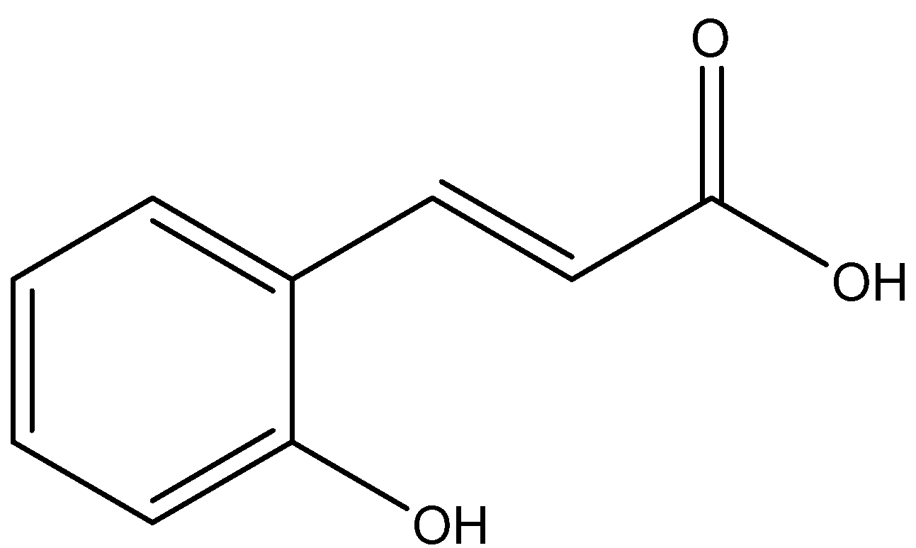 |  | O=C(/C=C/C1=CC=CC=C1COC)[O-]
OTP62.3 |  |  |  |  | O=C([O-])/C=C/C1=CC=CC(COC)=C1
OTP63.3 |  |  |  |  | [O-]C(/C=C/C1=CC=C(COC)C=C1)=O
OTP64.3 | 21648 | CC(=O)CCC1=CC=C(C=C1)O | 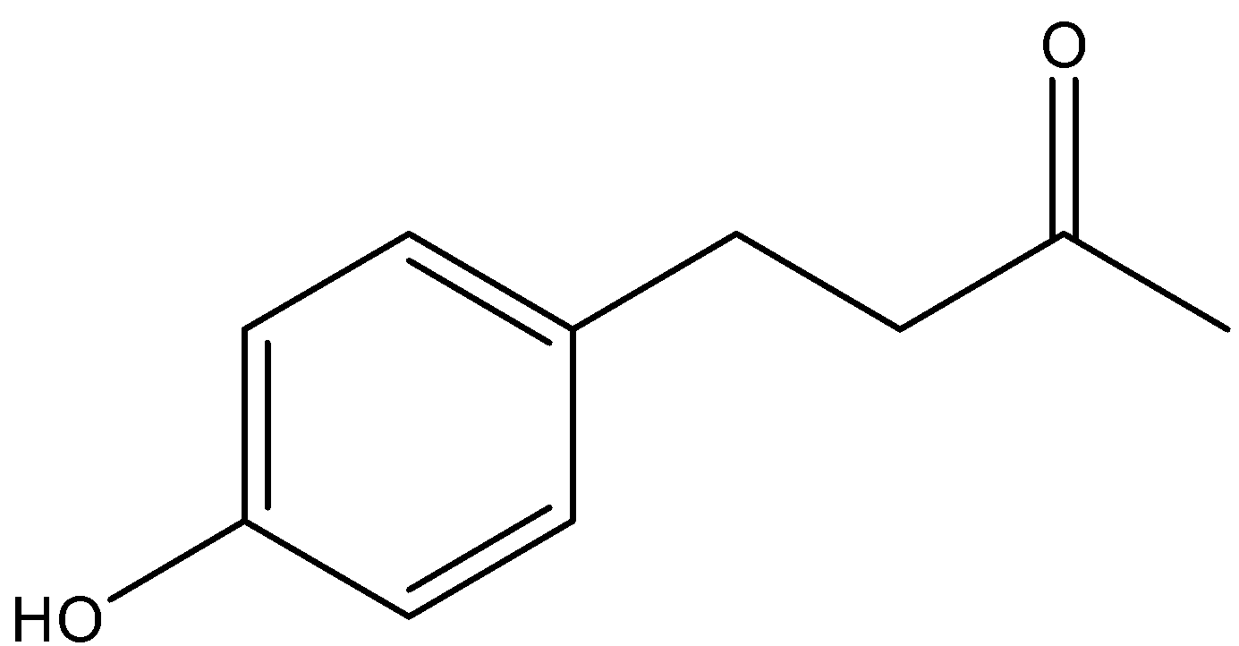 |  | O=C(C)CCC1=CC=C(COC)C=C1
OTP65.3 |  |  |  |  | CC(CCC1=CC(COC)=CC=C1)=O
OTP66.3 |  |  |  |  | CC(CCC1=C(C=CC=C1)COC)=O
OTP67.3 | 6643 | CCC(C)(C)C1=CC=C(C=C1)O |  |  | CCC(C1=CC=C(C=C1)COC)(C)C
OTP68.3 |  |  |  |  | CC(C1=CC=CC(COC)=C1)(CC)C
OTP69.3 |  |  |  |  | CC(C1=CC=CC=C1COC)(CC)C
OTP70.3 | 31721 | CC(CC1=CC=C(C=C1)OC)N |  |  | COCC1=CC=C(CC(C)[NH3+])C=C1
OTP71.3 |  |  |  |  | CC([NH3+])CC1=CC(COC)=CC=C1
OTP72.3 |  |  |  | 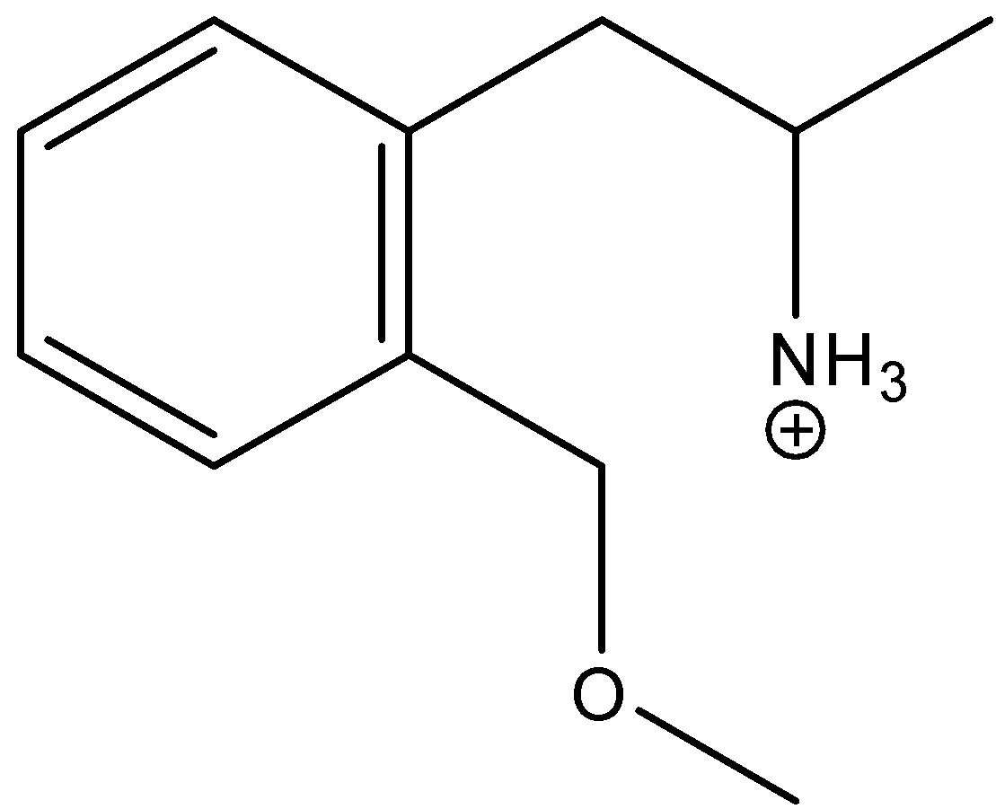 | CC([NH3+])CC1=C(C=CC=C1)COC
OTP79.3 | 5906 | C[C@@H]([C@@H](C1=CC(=CC=C1)O)O)N |  |  | C[C@@H]([C@@H](C1=CC(COC)=CC=C1)O)[NH3+]
OTP80.3 |  |  |  | 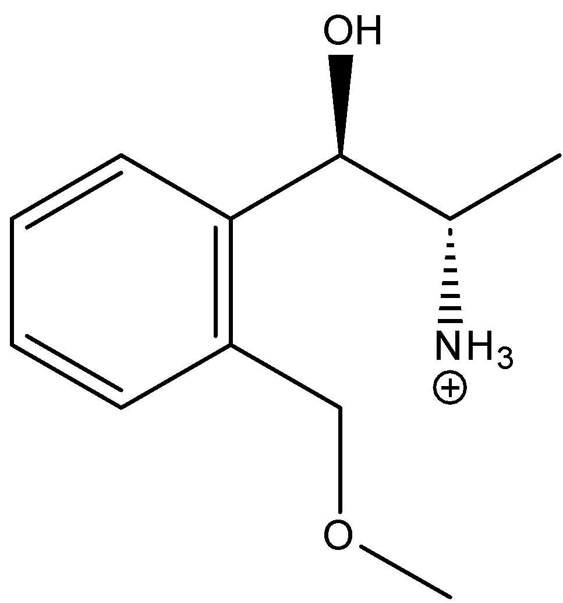 | C[C@H]([NH3+])[C@H](O)C1=C(C=CC=C1)COC
OTP81.3 |  |  |  |  | [NH3+][C@@H](C)[C@@H](C1=CC=C(COC)C=C1)O
OTP82.3 | 6041 | CNC[C@@H](C1=CC(=CC=C1)O)O |  |  | COCC1=CC=CC([C@H](CNC)O)=C1
OTP83.3 |  |  |  |  | CNC[C@H](O)C1=CC=C(C=C1)COC
OTP84.3 |  |  |  |  | O[C@@H](CNC)C1=C(COC)C=CC=C1
OTP91.3 | 6057 | C1=CC(=CC=C1C[C@@H](C(=O)O)N)O | 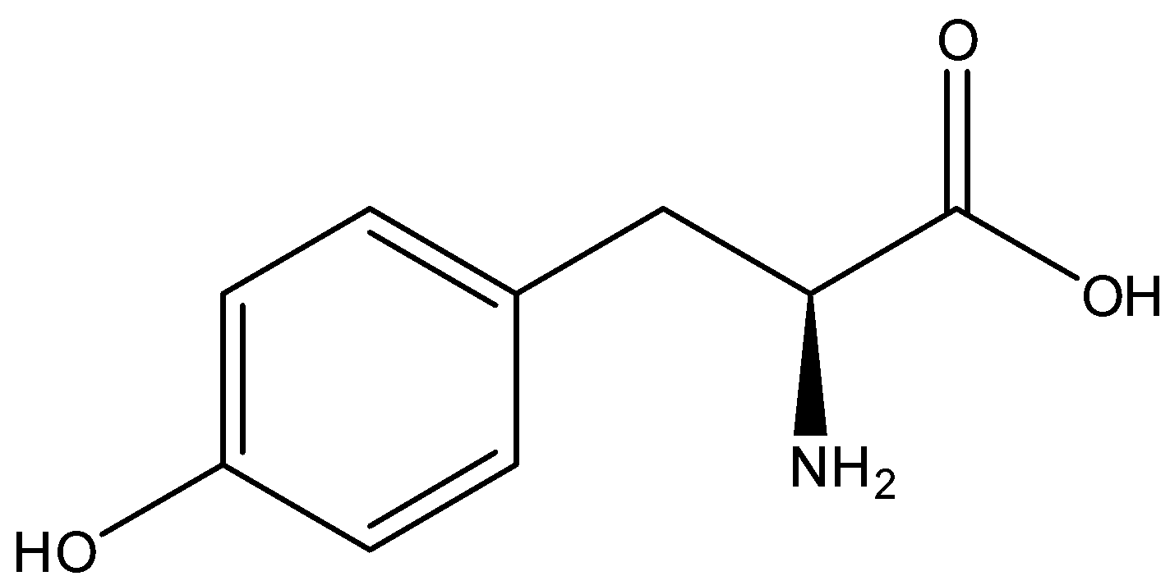 |  | COCC1=CC=C(C[C@@H](C([O-])=O)[NH3+])C=C1
OTP92.3 |  |  |  |  | O=C([O-])[C@@H]([NH3+])CC1=CC=CC(COC)=C1
OTP93.3 |  |  |  | 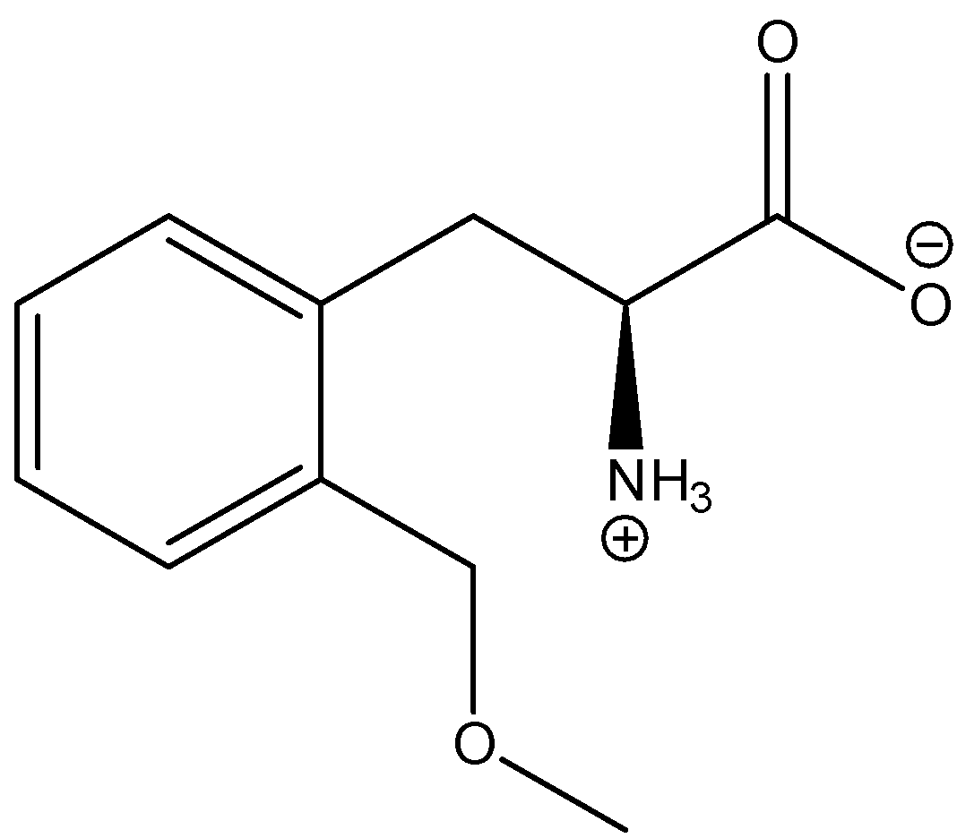 | O=C([O-])[C@@H]([NH3+])CC1=CC=CC=C1COC
OTP97.3 | 3516 | COC1=CC=CC=C1OCC(CO)O | 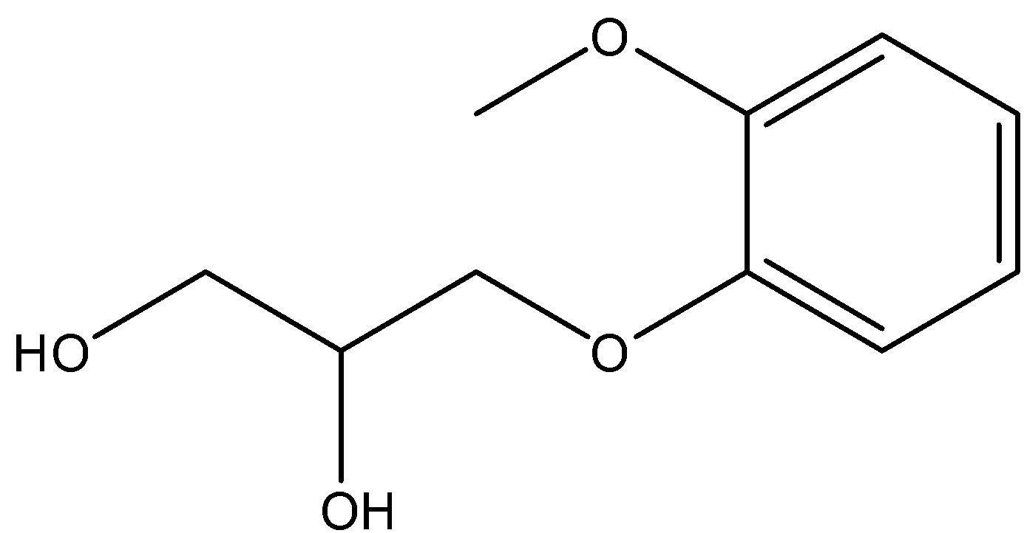 |  | COCC1=CC=CC=C1OCC(CO)O
OTP98.3 |  |  |  |  | OC(COC1=CC=CC(COC)=C1)CO
OTP99.3 |  |  |  |  | COCC1=CC=C(OCC(O)CO)C=C1
OTP103.3 | 1752 | CCCCCCCCCC1=CC=C(C=C1)O |  |  | COCC1=CC=C(CCCCCCCCC)C=C1
OTP104.3 |  |  |  |  | CCCCCCCCCC1=CC(COC)=CC=C1
OTP105.3 | 67296 | CCCCCCCCCC1=CC=CC=C1O |  |  | CCCCCCCCCC1=CC=CC=C1COC
OTP109.3 | 1549789 | CC(C)CCOC(=O)/C=C/C1=CC=C(C=C1)OC |  |  | O=C([O-])/C=C/C1=CC=C(COC)C=C1
OTP110.3 |  |  |  |  | [O-]C(/C=C/C1=CC=CC(COC)=C1)=O
OTP111.3 |  |  |  |  | [O-]C(/C=C/C1=CC=CC=C1COC)=O
Compound Zero.3 |  |  |  |  | CCOC
Para-Nitro.3 |  |  |  |  | COCC1=CC=C(C=C1)[N+]([O-])=O
Meta-Nitro.3 |  |  |  |  | COCC1=CC=CC([N+]([O-])=O)=C1
Ortho-Nitro.3 |  |  |  |  | COCC1=CC=CC=C1[N+]([O-])=O
Para-Carboxylic.3 |  |  |  |  | O=C(C1=CC=C(COC)C=C1)[O-]
Meta-Carboxylic.3 |  |  |  |  | COCC1=CC=CC(C([O-])=O)=C1
Ortho-Carboxylic.3 |  |  |  |  | COCC1=CC=CC=C1C([O-])=O
Para-Omethyl.3 |  |  |  |  | COCC1=CC=C(C=C1)OC
Meta-Omethyl.3 |  |  |  |  | COCC1=CC=CC(OC)=C1
Ortho-Omethyl.3 |  |  |  |  | COCC1=CC=CC=C1OC

