PubChem_compound_smiles_substru
*Those w/o CID are the different positional isomers of the previous molecule with CID |  |  |  |  | =@CHEM_SMILES(G1)
Numbering | PubChem CID | SMILES | Structure | Modeled Moiety Structure | Modeled Moiety SMILES
OTP1.2 | 996 | C1=CC=C(C=C1)O |  |  | COC1=CC=CC=C1
OTP2.2 | 335 | CC1=CC=CC=C1O |  |  | CC1=CC=CC=C1OC
OTP3.2 | 342 | CC1=CC(=CC=C1)O |  |  | CC1=CC(OC)=CC=C1
OTP4.2 | 2879 | CC1=CC=C(C=C1)O |  |  | CC1=CC=C(C=C1)OC
OTP5.2 | 403 | C1=CC(=CC=C1N)O |  |  | [NH3+]C1=CC=C(C=C1)OC
OTP6.2 | 11568 | C1=CC(=CC(=C1)O)N |  |  | COC1=CC=CC([NH3+])=C1
OTP7.2 |  |  |  |  | [NH3+]C1=CC=CC=C1OC
OTP8.2 | 289 | C1=CC=C(C(=C1)O)O |  |  | OC1=CC=CC=C1OC
OTP9.2 | 785 | C1=CC(=CC=C1O)O |  |  | OC1=CC=C(C=C1)OC
OTP10.2 | 5054 | C1=CC(=CC(=C1)O)O |  |  | OC1=CC(OC)=CC=C1
OTP11.2 | 62453 | C=CC1=CC=C(C=C1)O |  |  | COC1=CC=C(C=C)C=C1
OTP12.2 |  |  |  |  | COC1=CC=CC(C=C)=C1
OTP13.2 |  |  |  |  | COC1=CC=CC=C1C=C
OTP14.2 | 126 | C1=CC(=CC=C1C=O)O |  |  | COC1=CC=C(C=C1)C=O
OTP15.2 |  |  |  |  | COC1=CC=CC(C=O)=C1
OTP16.2 | 6998 | C1=CC=C(C(=C1)C=O)O |  |  | COC1=CC=CC=C1C=O
OTP17.2 | 6997 | CCC1=CC=CC=C1O |  |  | COC1=CC=CC=C1CC
OTP18.2 | 12101 | CCC1=CC(=CC=C1)O |  |  | COC1=CC=CC(CC)=C1
OTP19.2 | 31242 | CCC1=CC=C(C=C1)O |  |  | CCC1=CC=C(C=C1)OC
OTP20.2 | 5931 | CNC1=CC=C(C=C1)O |  |  | COC1=CC=C(NC)C=C1
OTP21.2 |  |  |  |  | COC1=CC=CC=C1NC
OTP22.2 |  |  |  |  | COC1=CC=CC(NC)=C1
OTP23.2 | 4684 | C1=CC(=CC=C1O)Cl |  |  | ClC1=CC=C(C=C1)OC
OTP24.2 | 7245 | C1=CC=C(C(=C1)O)Cl |  |  | COC1=CC=CC=C1Cl
OTP25.2 | 7933 | C1=CC(=CC(=C1)Cl)O |  |  | COC1=CC(Cl)=CC=C1
OTP26.2 | 8375 | CC(=O)C1=CC=CC=C1O | 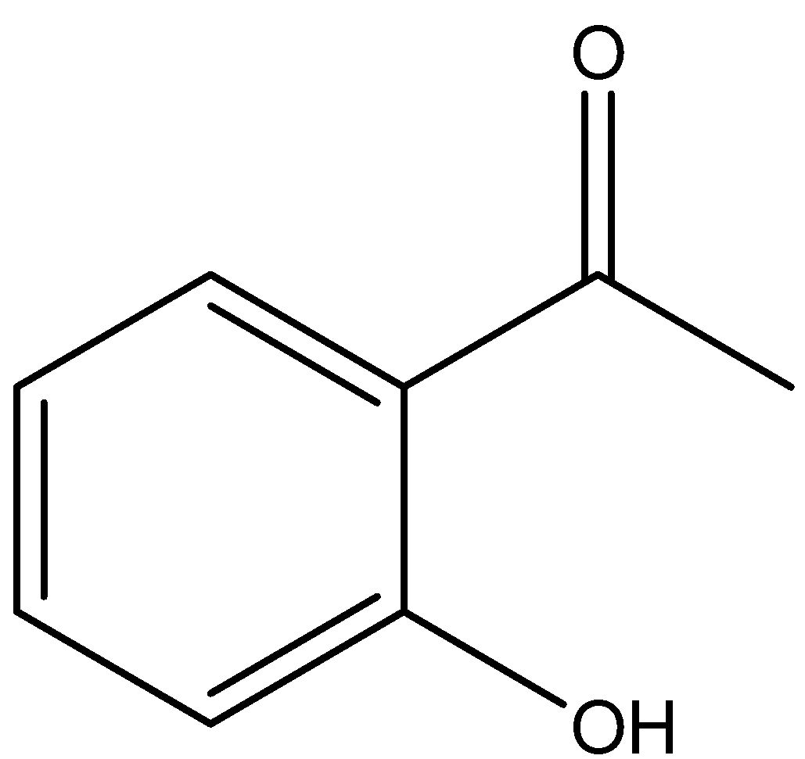 | 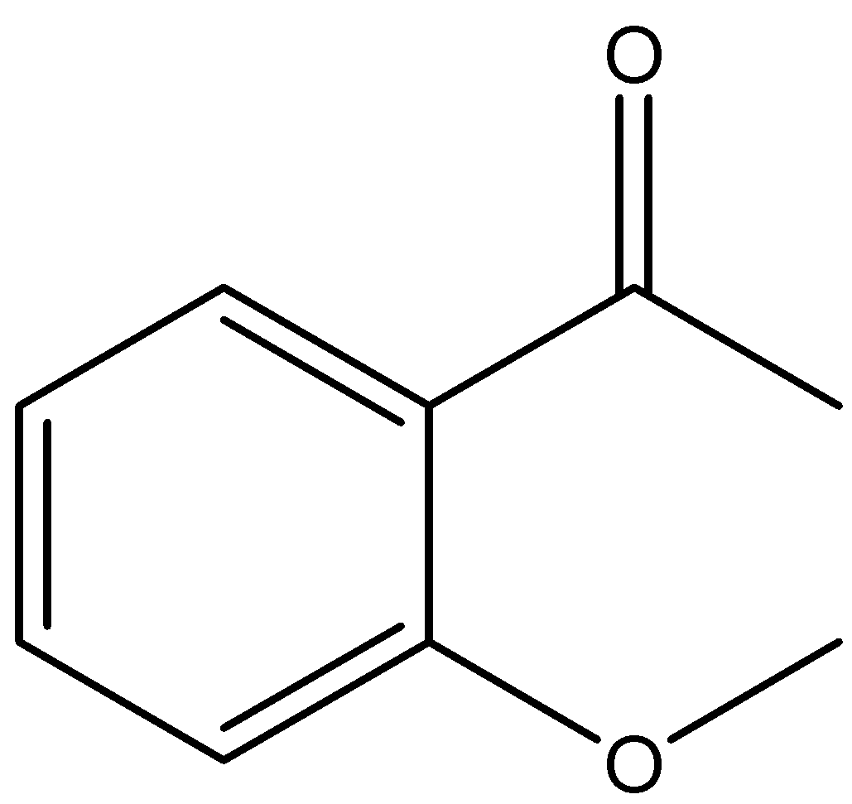 | COC1=CC=CC=C1C(C)=O
OTP27.2 |  |  |  |  | COC1=CC(C(C)=O)=CC=C1
OTP28.2 |  |  |  | 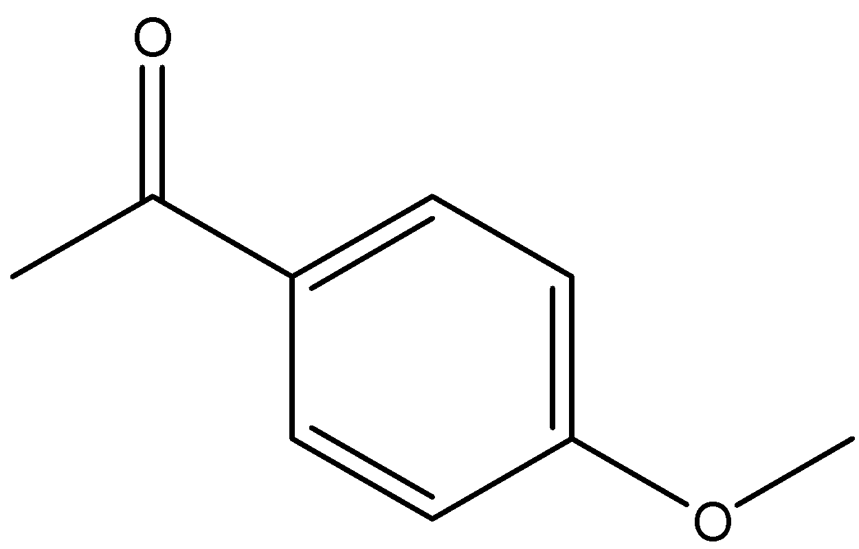 | COC1=CC=C(C(C)=O)C=C1
OTP29.2 | 31244 | COC1=CC=C(C=C1)C=O |  |  | O=CC1=CC=C(OC)C=C1
OTP30.2 |  |  |  |  | COC1=CC(C=O)=CC=C1
OTP31.2 |  |  |  |  | COC1=C(C=O)C=CC=C1
OTP32.2 | 5147 | C1=CC=C(C(=C1)C(=O)N)O | 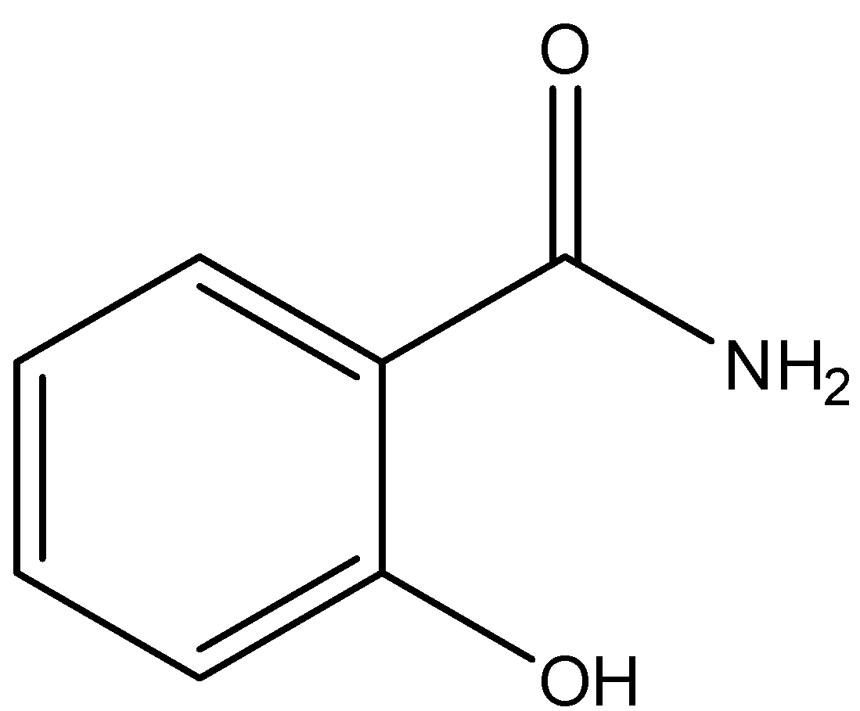 | 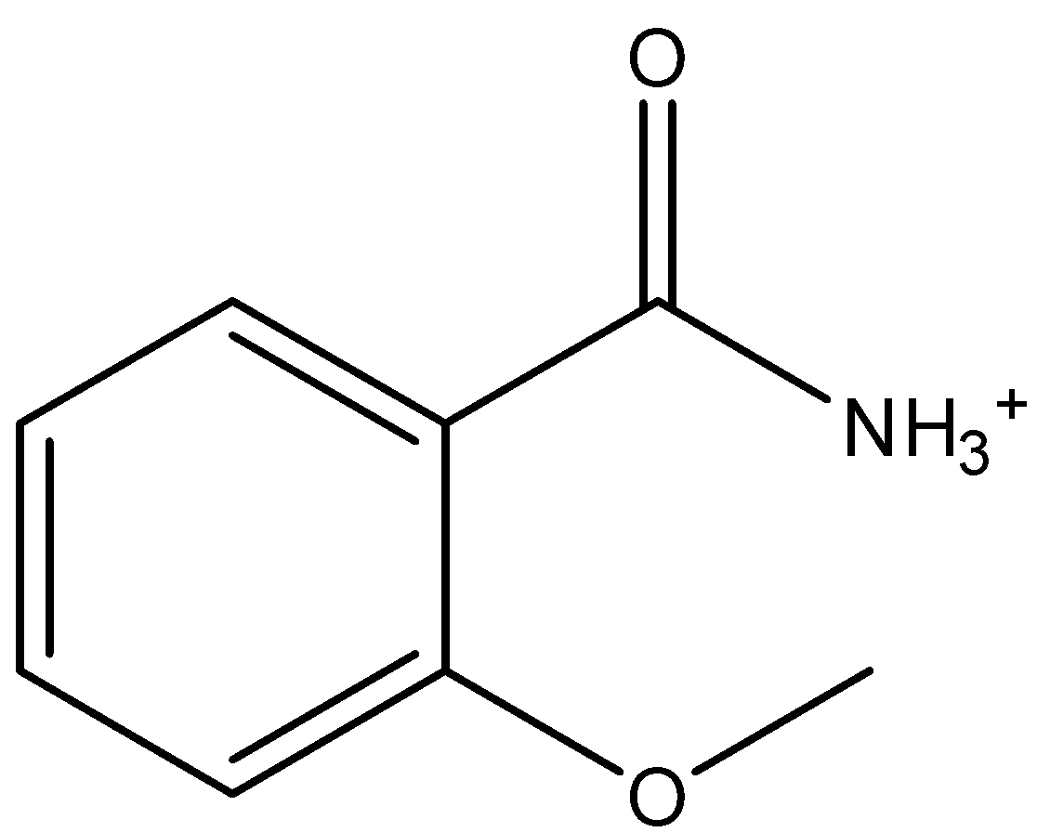 | COC1=CC=CC=C1C([NH3+])=O
OTP33.2 |  |  |  |  | COC1=CC=CC(C([NH3+])=O)=C1
OTP34.2 |  |  |  | 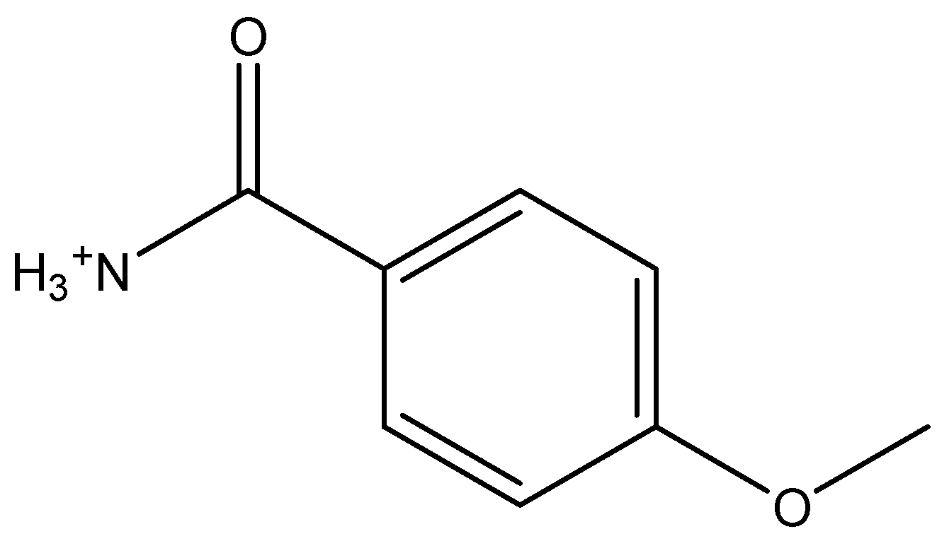 | [NH3+]C(C1=CC=C(OC)C=C1)=O
OTP35.2 | 5610 | C1=CC(=CC=C1CCN)O |  |  | COC1=CC=C(C=C1)CC[NH3+]
OTP36.2 |  |  |  |  | [NH3+]CCC1=CC(OC)=CC=C1
OTP37.2 |  |  |  |  | [NH3+]CCC1=CC=CC=C1OC
OTP38.2 | 8815 | COC1=CC=C(C=C1)CC=C |  |  | C=CCC1=CC=C(OC)C=C1
OTP39.2 |  |  |  |  | C=CCC1=CC=CC(OC)=C1
OTP40.2 |  |  |  |  | C=CCC1=C(OC)C=CC=C1
OTP41.2 | 637563 | C/C=C/C1=CC=C(C=C1)OC |  |  | C/C=C/C1=CC=C(OC)C=C1
OTP42.2 |  |  |  |  | C/C=C/C1=CC(OC)=CC=C1
OTP43.2 |  |  |  |  | C/C=C/C1=CC=CC=C1OC
OTP44.2 | 7393 | CC(C)(C)C1=CC=C(C=C1)O |  |  | CC(C(C=C1)=CC=C1OC)(C)C
OTP45.2 |  |  |  |  | COC1=CC=CC(C(C)(C)C)=C1
OTP46.2 |  |  |  |  | COC1=CC=CC=C1C(C)(C)C
OTP47.2 | 1983 | CC(=O)NC1=CC=C(C=C1)O |  |  | COC1=CC=C(NC(C)=O)C=C1
OTP48.2 |  |  |  |  | COC1=CC(NC(C)=O)=CC=C1
OTP49.2 |  |  |  | 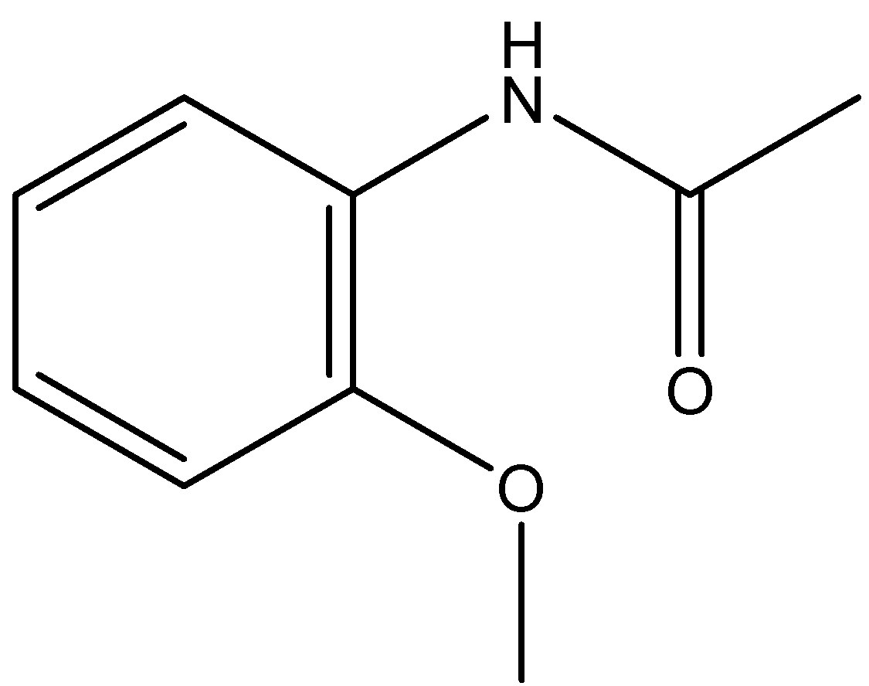 | COC1=C(NC(C)=O)C=CC=C1
OTP55.2 | 66644 | C1=CC=C(C(=C1)C(=O)NO)O | 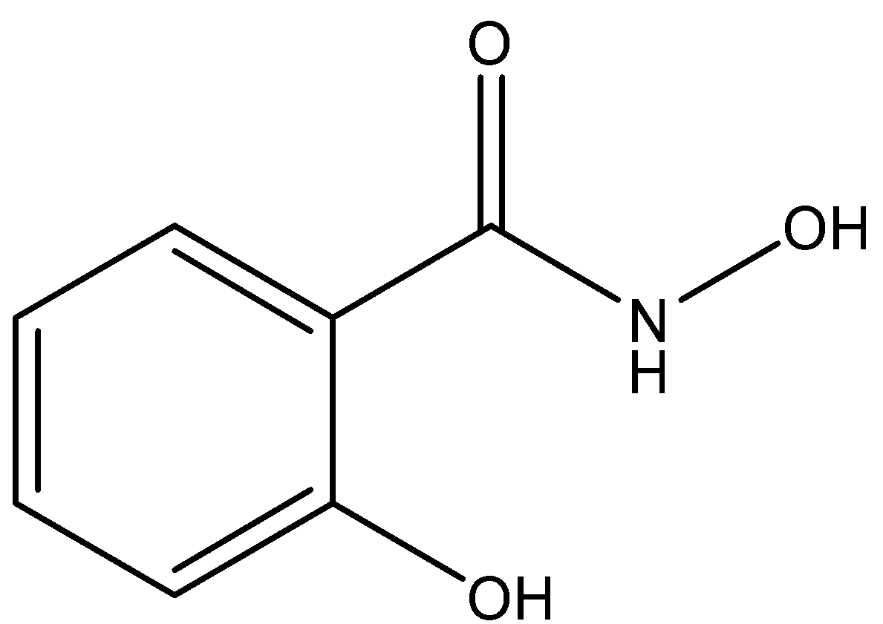 | 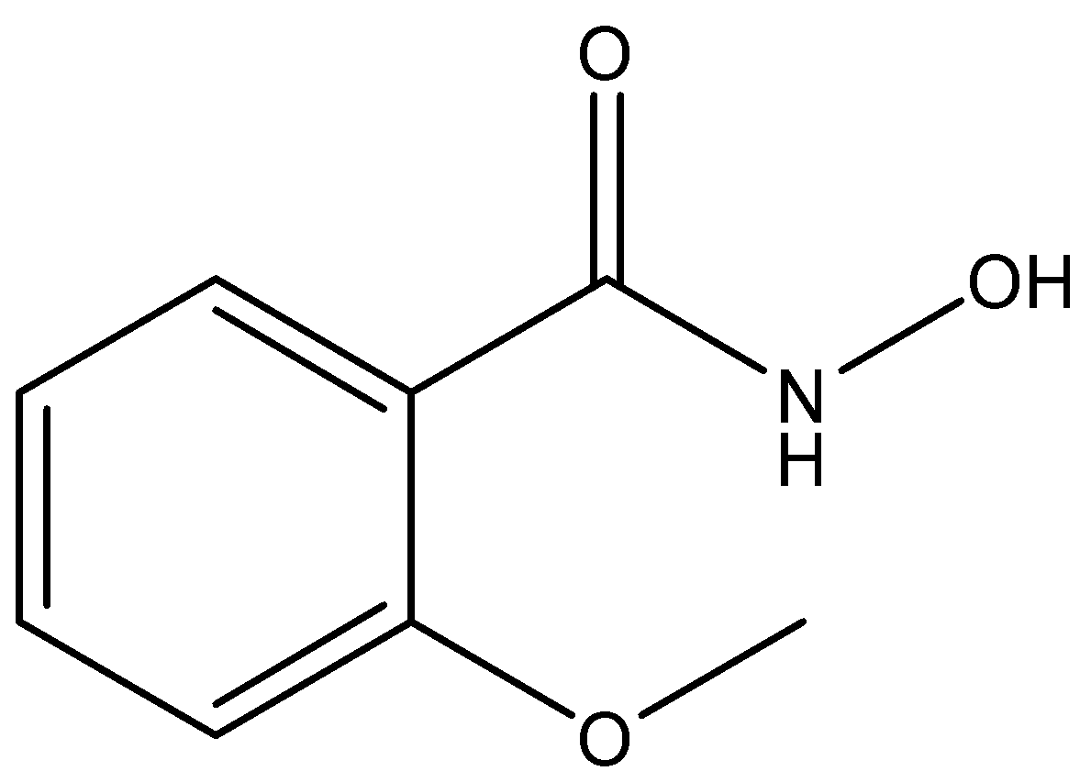 | O=C(NO)C1=CC=CC=C1OC
OTP56.2 |  |  |  |  | O=C(C1=CC=CC(OC)=C1)NO
OTP57.2 |  |  |  | 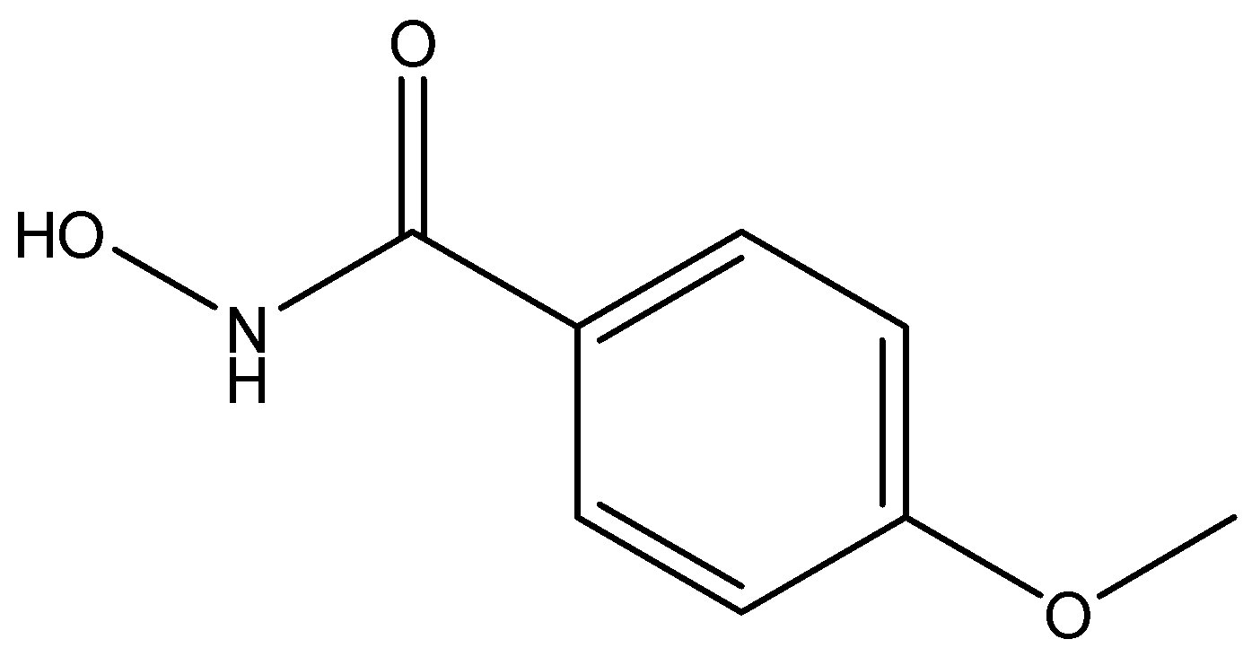 | O=C(NO)C1=CC=C(OC)C=C1
OTP58.2 | 641298 | COC1=CC=CC=C1/C=C/C=O |  |  | COC1=CC=CC=C1/C=C/C=O
OTP59.2 |  |  |  |  | COC1=CC(/C=C/C=O)=CC=C1
OTP60.2 |  |  |  |  | O=C/C=C/C1=CC=C(OC)C=C1
OTP61.2 | 637540 | C1=CC=C(C(=C1)/C=C/C(=O)O)O | 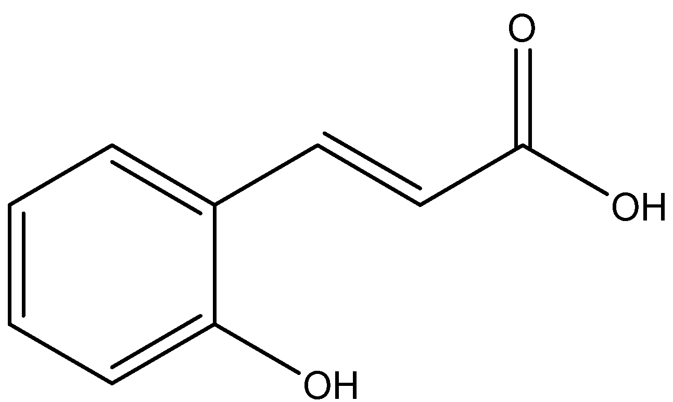 | 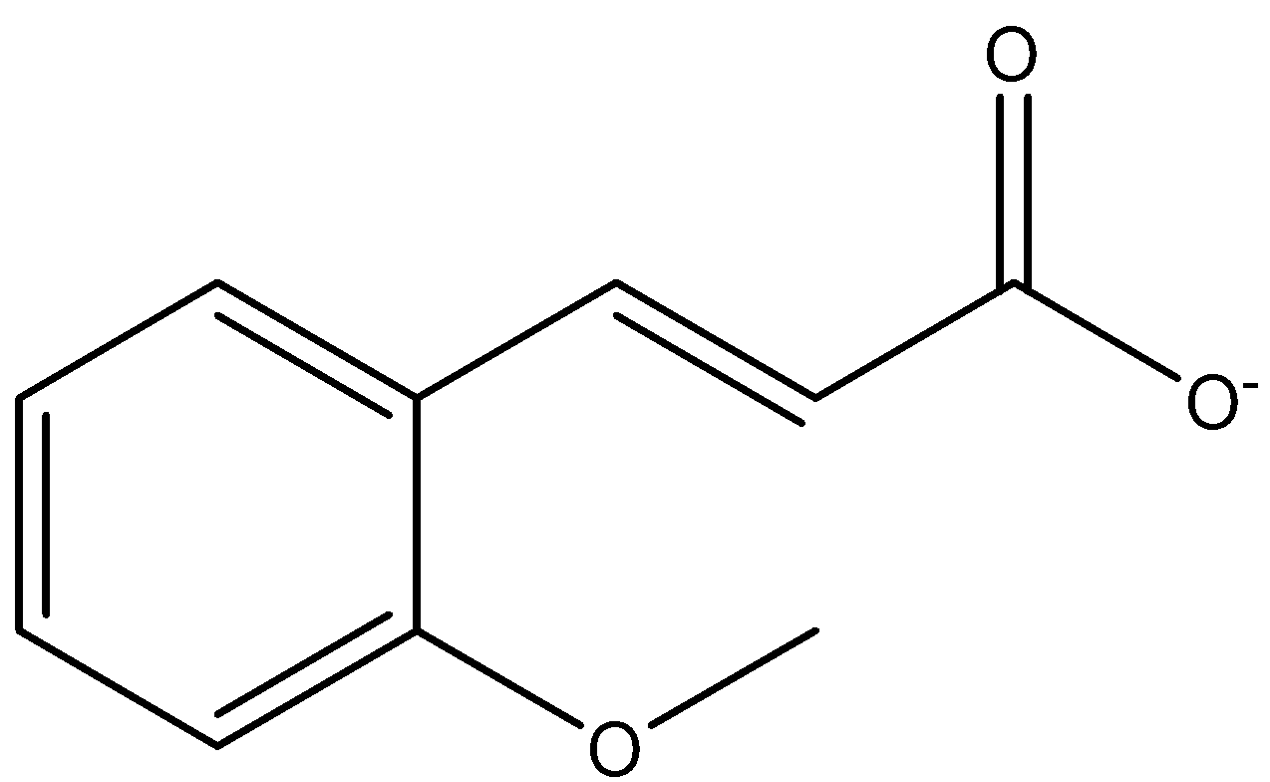 | O=C([O-])/C=C/C1=CC=CC=C1OC
OTP62.2 |  |  |  |  | O=C(/C=C/C1=CC=CC(OC)=C1)[O-]
OTP63.2 |  |  |  | 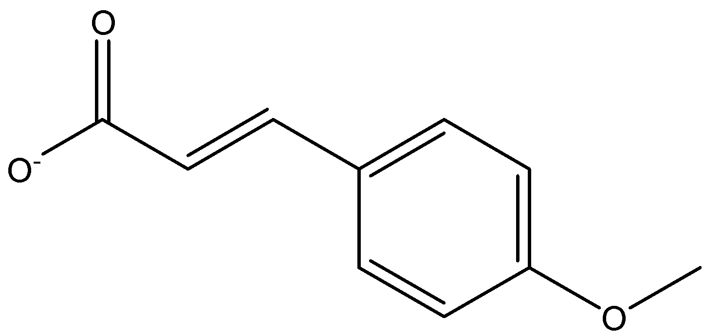 | O=C([O-])/C=C/C1=CC=C(OC)C=C1
OTP64.2 | 21648 | CC(=O)CCC1=CC=C(C=C1)O | 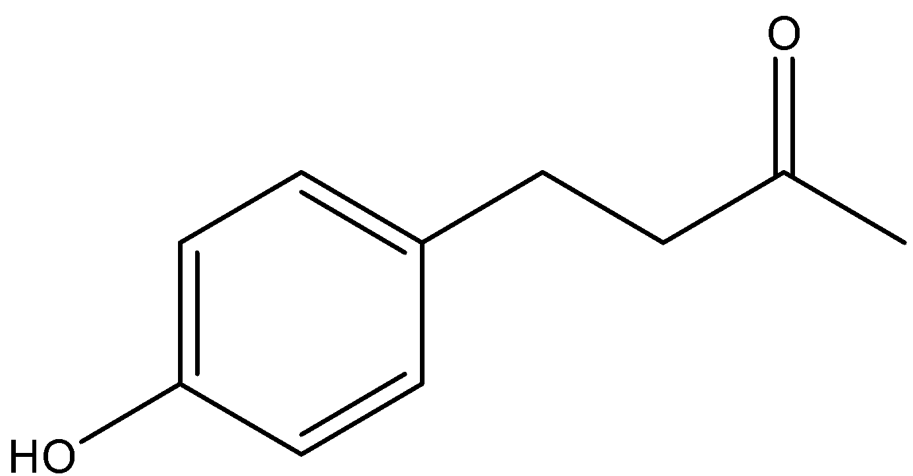 | 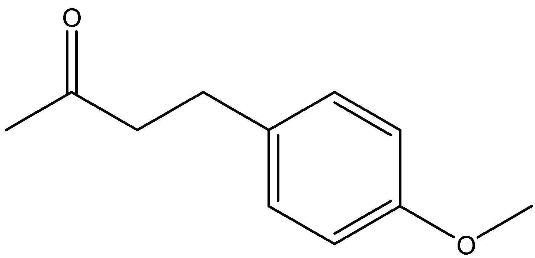 | COC1=CC=C(CCC(C)=O)C=C1
OTP65.2 |  |  |  |  | CC(CCC1=CC(OC)=CC=C1)=O
OTP66.2 |  |  |  | 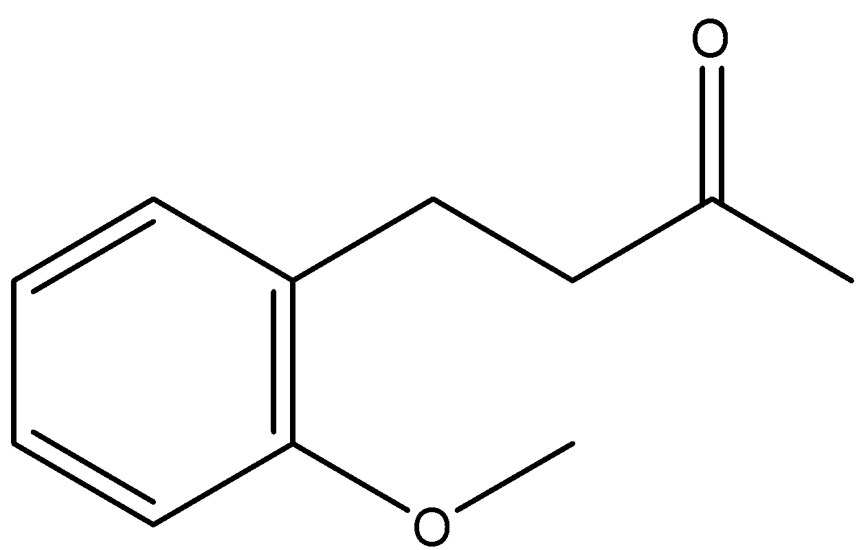 | CC(CCC1=C(OC)C=CC=C1)=O
OTP67.2 | 6643 | CCC(C)(C)C1=CC=C(C=C1)O |  |  | CCC(C)(C)C1=CC=C(OC)C=C1
OTP68.2 |  |  |  |  | CC(C1=CC=CC(OC)=C1)(C)CC
OTP69.2 |  |  |  |  | CC(C1=CC=CC=C1OC)(C)CC
OTP70.2 | 31721 | CC(CC1=CC=C(C=C1)OC)N |  |  | [NH3+]C(CC1=CC=C(OC)C=C1)C
OTP71.2 |  |  |  |  | CC(CC1=CC(OC)=CC=C1)[NH3+]
OTP72.2 |  |  |  |  | CC(CC1=C(OC)C=CC=C1)[NH3+]
OTP79.2 | 5906 | C[C@@H]([C@@H](C1=CC(=CC=C1)O)O)N |  |  | C[C@H]([NH3+])[C@H](O)C1=CC(OC)=CC=C1
OTP80.2 |  |  |  | 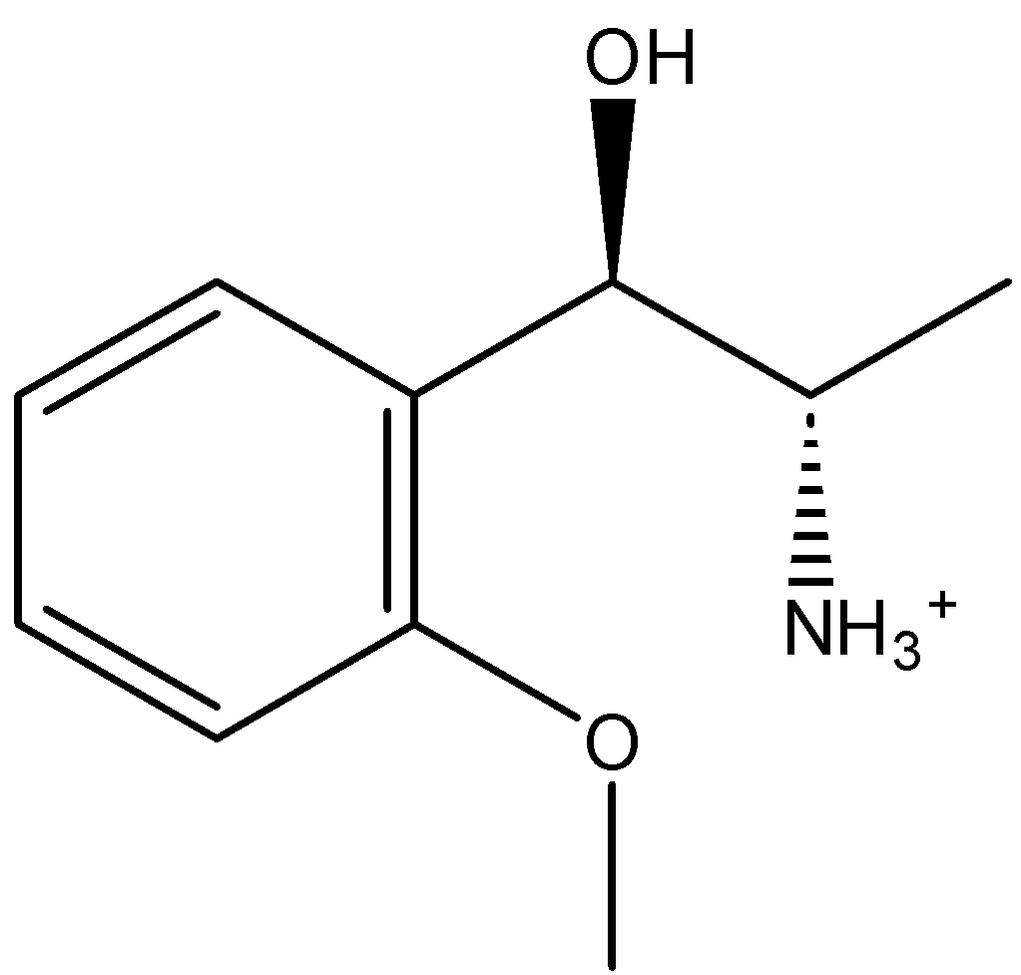 | C[C@@H]([C@@H](C1=C(OC)C=CC=C1)O)[NH3+]
OTP81.2 |  |  |  | 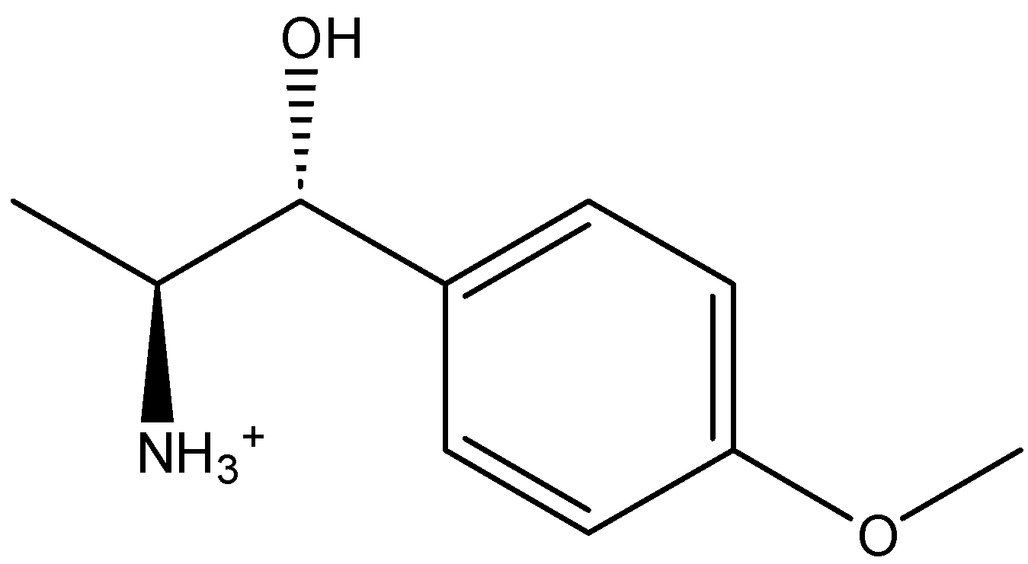 | [NH3+][C@H]([C@H](O)C1=CC=C(C=C1)OC)C
OTP82.2 | 6041 | CNC[C@@H](C1=CC(=CC=C1)O)O |  |  | COC1=CC=CC([C@@H](O)CNC)=C1
OTP83.2 |  |  |  | 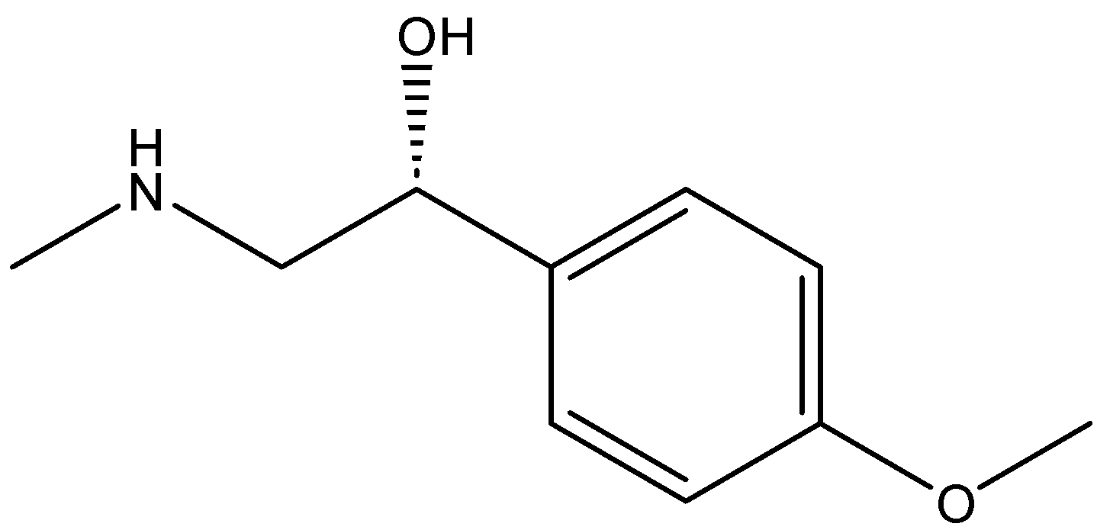 | CNC[C@@H](C1=CC=C(OC)C=C1)O
OTP84.2 |  |  |  | 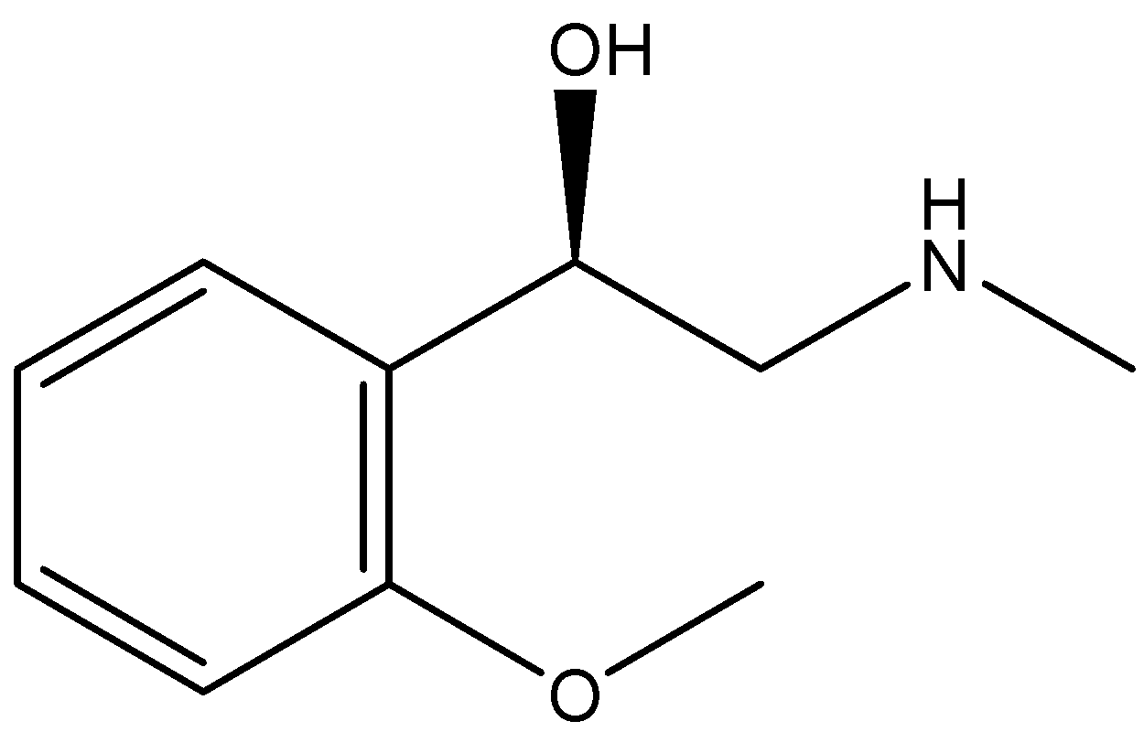 | O[C@H](C1=C(C=CC=C1)OC)CNC
OTP91.2 | 6057 | C1=CC(=CC=C1C[C@@H](C(=O)O)N)O | 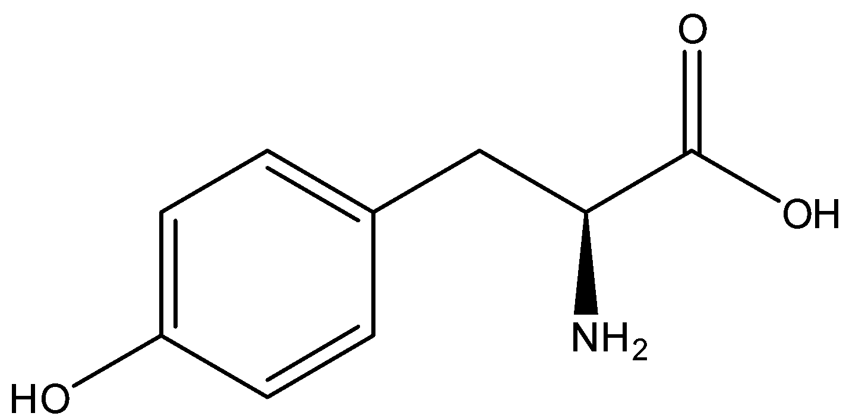 | 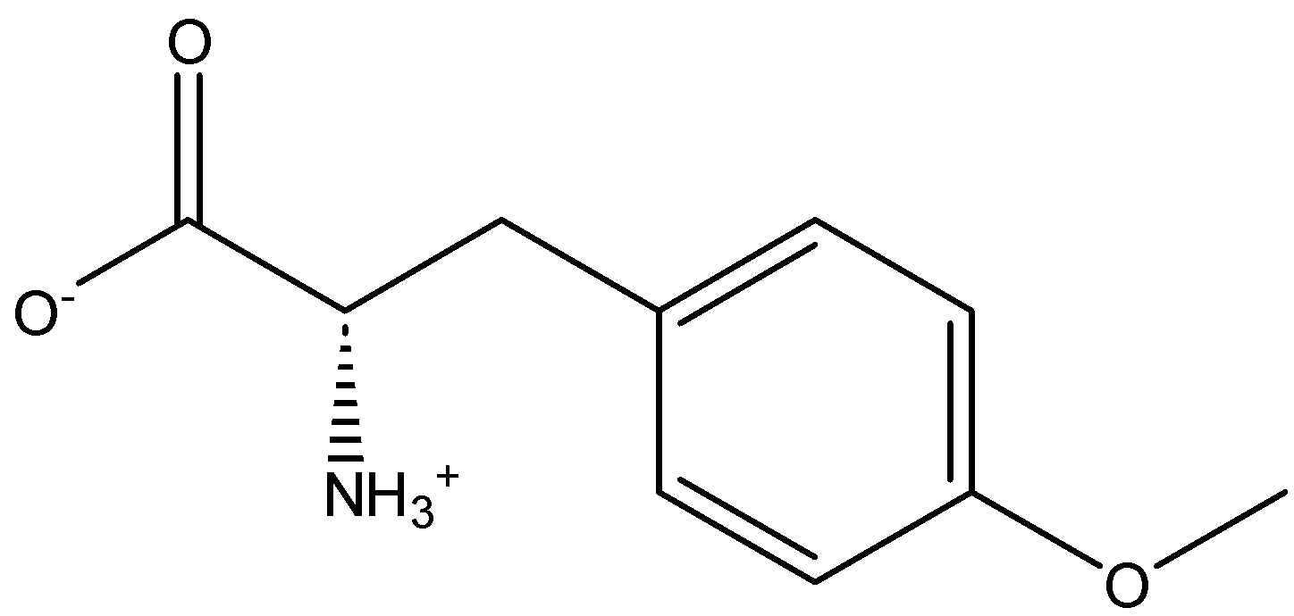 | [NH3+][C@@H](CC1=CC=C(OC)C=C1)C([O-])=O
OTP92.2 |  |  |  |  | O=C([C@H](CC1=CC=CC(OC)=C1)[NH3+])[O-]
OTP93.2 |  |  |  | 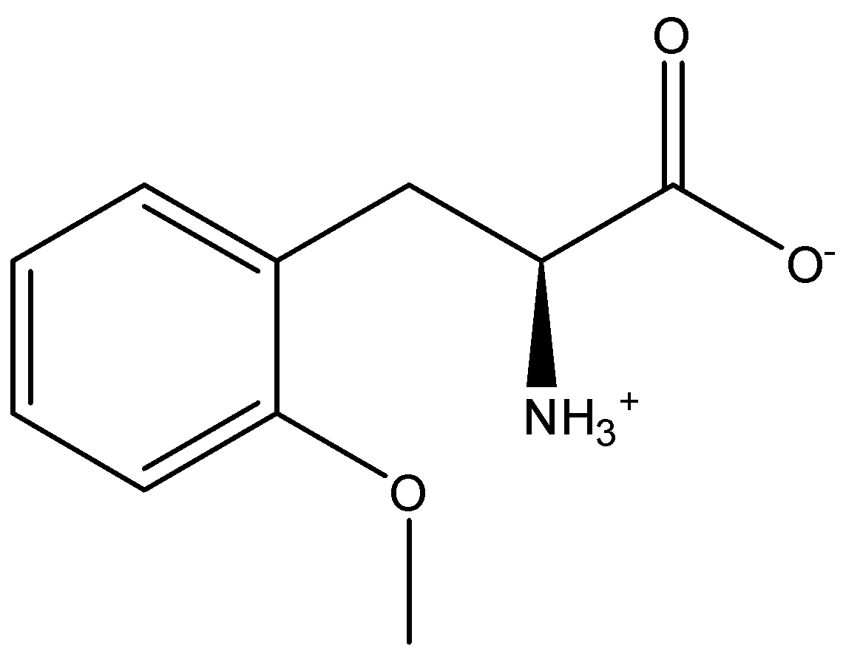 | O=C([C@H](CC1=CC=CC=C1OC)[NH3+])[O-]
OTP97.2 | 3516 | COC1=CC=CC=C1OCC(CO)O | 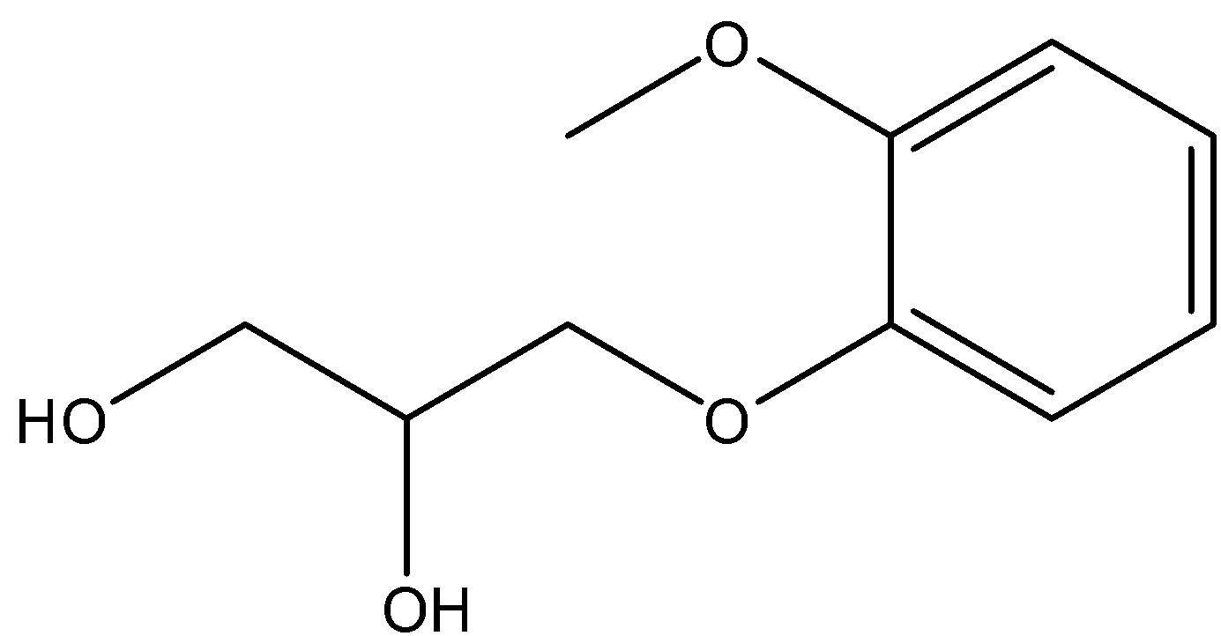 | 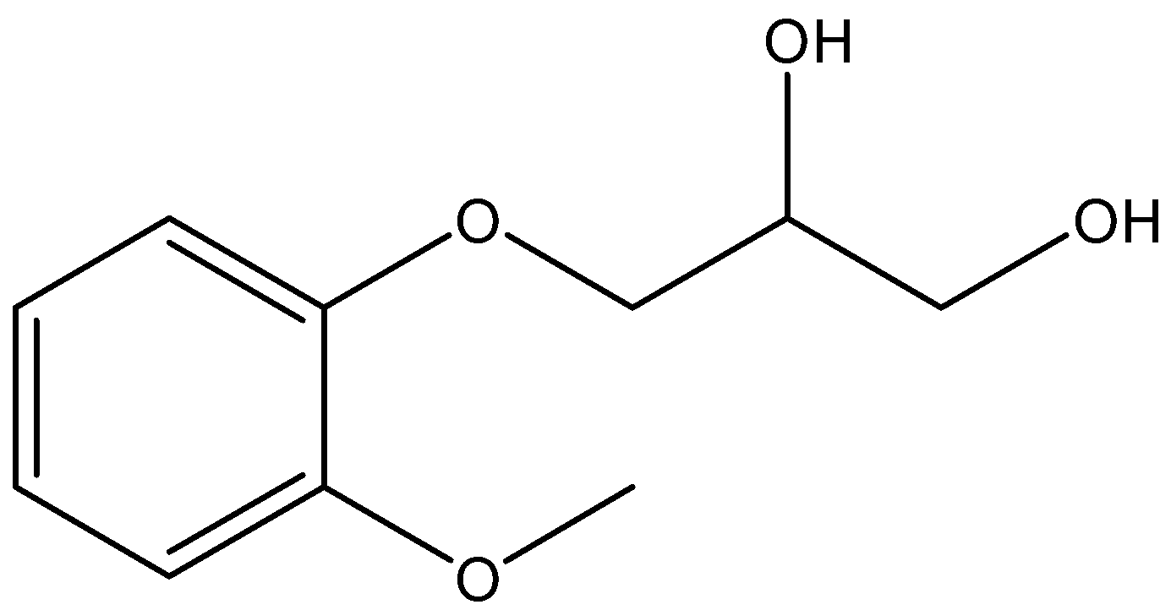 | COC1=CC=CC=C1OCC(O)CO
OTP98.2 |  |  |  |  | OC(CO)COC1=CC=CC(OC)=C1
OTP99.2 |  |  |  | 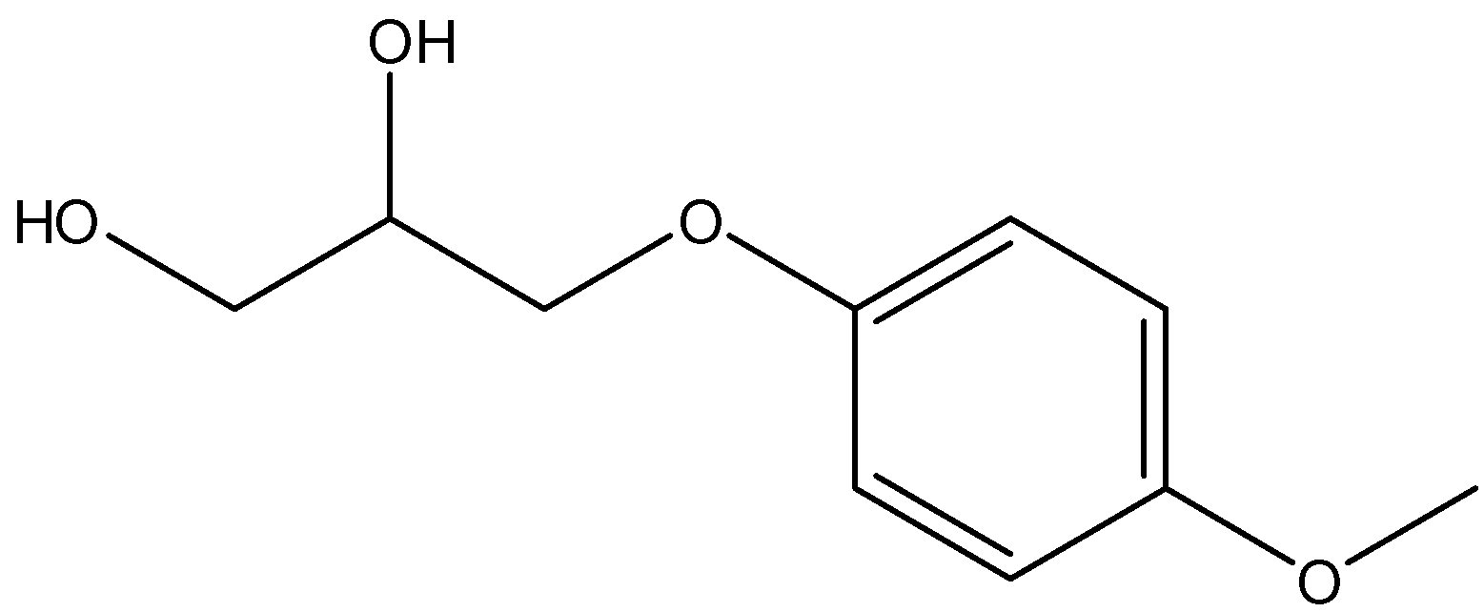 | OCC(COC1=CC=C(OC)C=C1)O
OTP103.2 | 1752 | CCCCCCCCCC1=CC=C(C=C1)O |  |  | CCCCCCCCCC1=CC=C(OC)C=C1
OTP104.2 |  |  |  |  | CCCCCCCCCC1=CC(OC)=CC=C1
OTP105.2 | 67296 | CCCCCCCCCC1=CC=CC=C1O |  |  | CCCCCCCCCC1=CC=CC=C1OC
OTP109.2 | 1549789 | CC(C)CCOC(=O)/C=C/C1=CC=C(C=C1)OC |  | 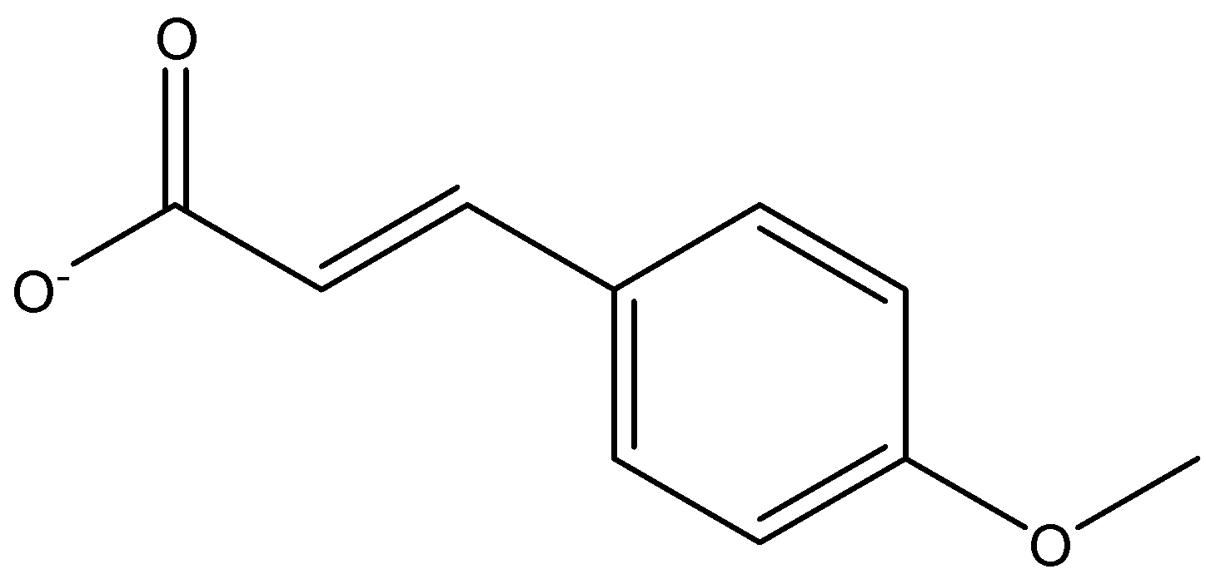 | COC1=CC=C(/C=C/C([O-])=O)C=C1
OTP110.2 |  |  |  |  | [O-]C(/C=C/C1=CC=CC(OC)=C1)=O
OTP111.2 |  |  |  |  | [O-]C(/C=C/C1=CC=CC=C1OC)=O
Compound Zero.3 |  |  |  |  | CCOC
Para-Nitro.3 |  |  |  | 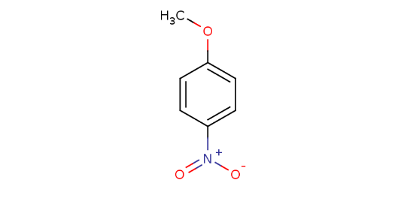 | COC1=CC=C(C=C1)[N+]([O-])=O
Meta-Nitro.3 |  |  |  | 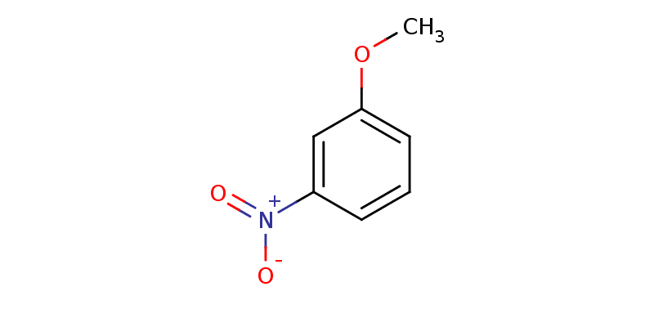 | COC1=CC=CC([N+]([O-])=O)=C1
Ortho-Nitro.3 |  |  |  | 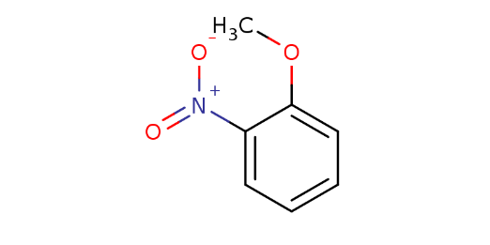 | COC1=CC=CC=C1[N+]([O-])=O
Para-Carboxylic.3 |  |  |  | 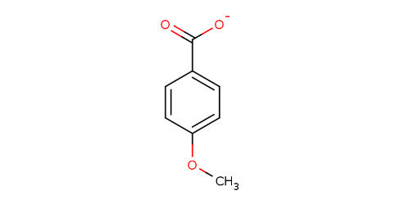 | O=C(C1=CC=C(OC)C=C1)[O-]
Meta-Carboxylic.3 |  |  |  | 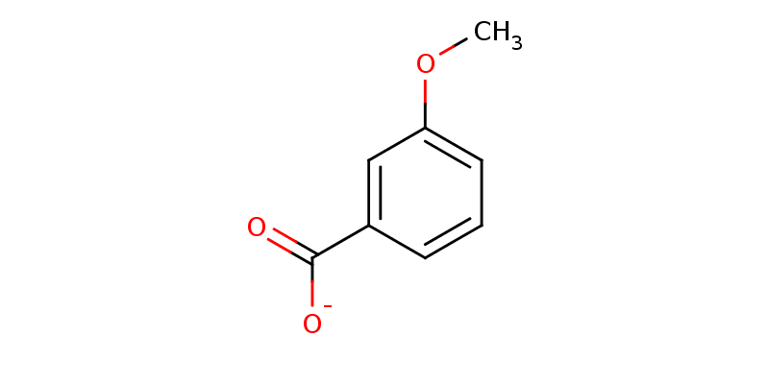 | COC1=CC=CC(C([O-])=O)=C1
Ortho-Carboxylic.3 |  |  |  | 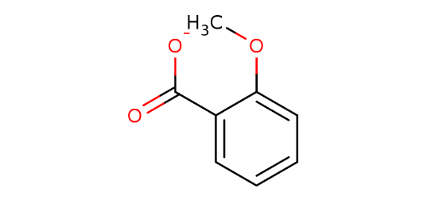 | COC1=CC=CC=C1C([O-])=O
Para-Omethyl.3 |  |  |  | 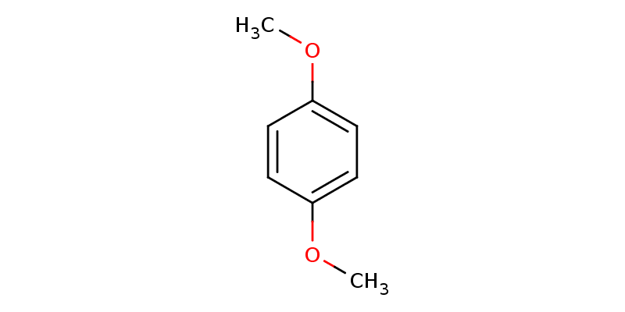 | COC1=CC=C(C=C1)OC
Meta-Omethyl.3 |  |  |  | 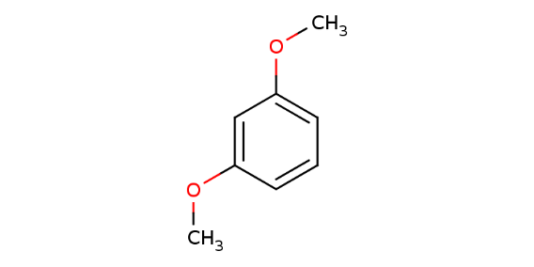 | COC1=CC=CC(OC)=C1
Ortho-Omethyl.3 |  |  |  | 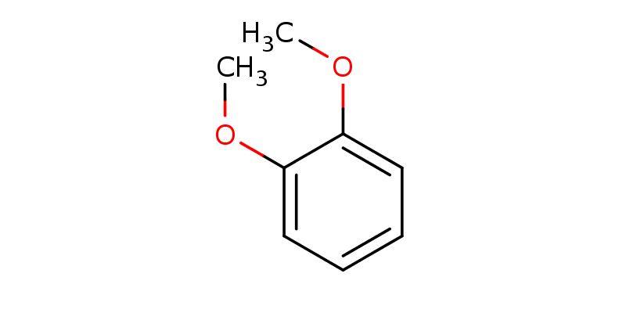 | COC1=CC=CC=C1OC

