Chen
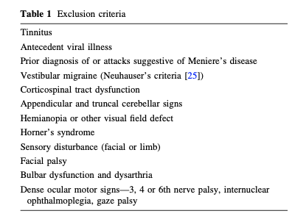
 | Stroke MR + | No stroke MR -
HIT + |  |  | 16
HIT - |  | 0 | 8
 | 10 | 14 | 24
Sn | 0.8
Sp | 0.9

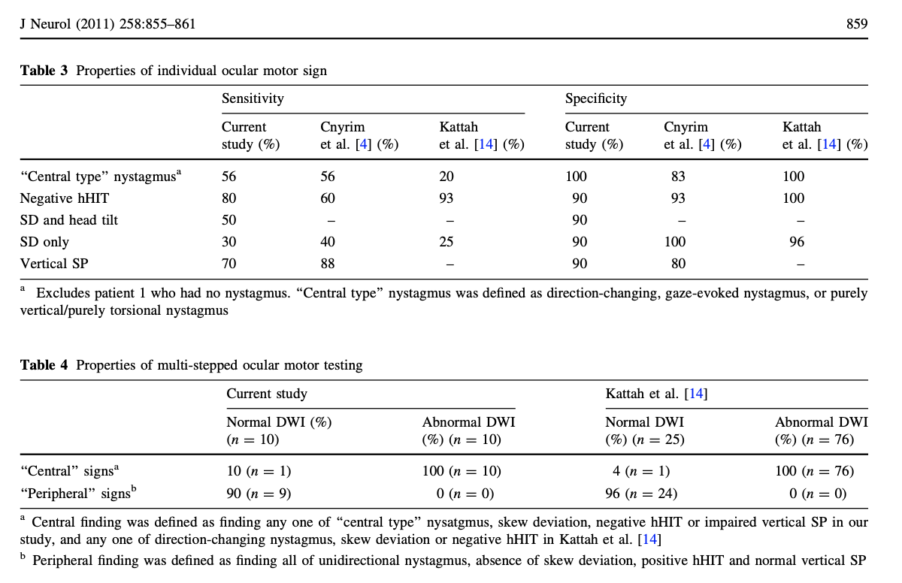
Negative HIT | Sn 80
63% men
mean age 54
all pts with VN had hHIT

Peripheral | uni nystagmus
 | Abence of skew
 | positive HIT
 | Normal vertical SP

 |  | 1 = positive | 0 = negative
 | HIT | SD | DWI
 | 0 | 0 | 1 | 1 |  |  | negative test of skew
 | 0 | 0 | 1 | 2
 | 1 | 1 | 1 | 3
 | 0 | 0 | 1 | 4
 | 0 | 1 | 1 | 5
 | 0 | 1 | 1 | 6
 | 1 | 0 | 1 | 7
 | 0 | 0 | 1 | 8
 | 0 | 0 | 1 | 9
 | 0 | 0 | 1 | 10
 | 1 | 1 | 0 | 11
 | 1 | 0 | 0 | 12
 | 1 | 0 | 0 | 13
 | 1 | 0 | 0 | 14
 | 1 | 0 | 0 | 15
 | 1 | 0 | 0 | 16
 | 1 | 0 | 0 | 17
 | 1 | 0 | 0 | 18
 | 1 | 0 | 0 | 19
 | 1 | 0 | 0 | 20
 | 1 | 0 | 0 | 21
 | 1 | 0 | 0 | 22
 | 1 | 1 | 0 | 23
 | 1 | 0 | 0 | 24
 | 16 | 5 | 10
 | 8 | 19 | 14

 |  |  |  |  | Stroke | No stroke
 |  |  |  |  | DWI + | DWI-
HINTS + | 13 | positive HIT negative skew |  |  | 1 | 12 | 13
HINT - | 6 | negative HIT negative skew |  |  | 6 | 0 | 6
 |  |  |  |  | 7 | 12 | 19

 |  |  |  |  |  |  | No stroke | Stroke
 |  |  |  |  |  | HINT positive | 12 | 1 | 13
 |  |  |  |  |  | HINT negative | 0 | 6 | 6

 |  |  |  |  |  | Sn | 1
 |  |  |  |  |  | Sp | 0.85714285714

 |  | Disease | No disease
Test | Positive | TP | FP | Total positive
 | Negative | FN | TN

 |  | Sn | TP/(TP+FN) | PPV = TP(TP+FP) | PLR = Sn/(1-Sp)
 |  | Sp | TN/(TN+FP) | NPV = TN/(TN+FN) | NLR = (1 - Sn)/Sp

Cynbrim
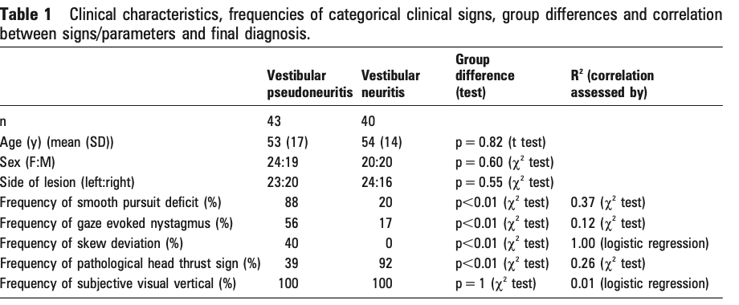
 | Central MR + | MR -
HIT + | 16.77 | 36.8
HIT - | 26.23 | 3.2
 | 43 | 40 | 83
Sn | 0.61
Sp | 0.92

VN | 40 | 0 had skew | HIT 92% | 36.8
VPN (central) | 43 | 17 had skew | HIT 39% | 16.77

Carmona 2016
 | Stroke MR + | No stroke MR -
HIT + | 7 | 72
HIT - | 35 | 0
 | 42 | 72 | 114
Sn | 0.83333333333
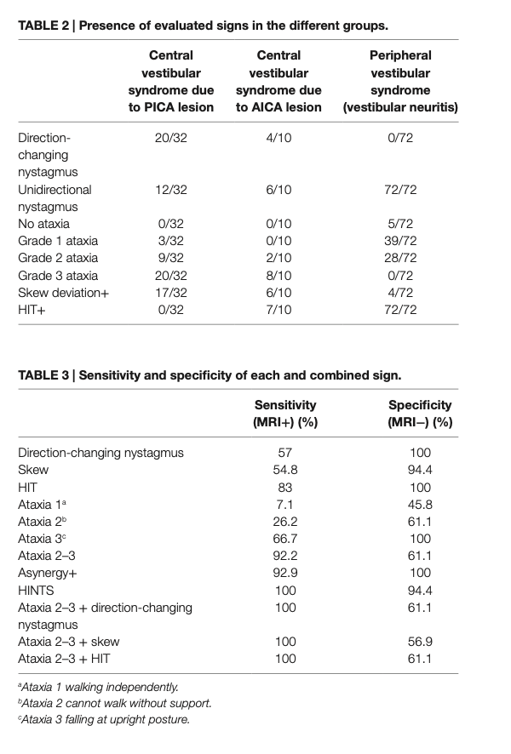
Sp | 1

N = 114
Stroke | 42 | (PICA 32, AICA 10)
VN | 72

HIT always positive on the affected side of VN

HIT
HINTS | HIT + skew

