Attendees with QR Codes
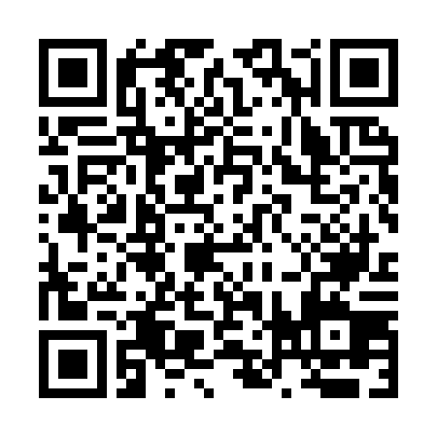
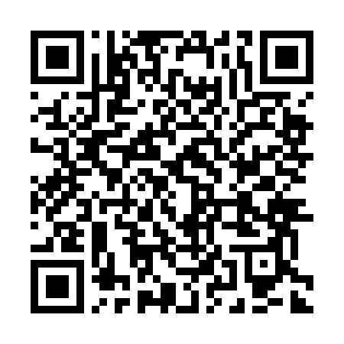
Name | Email | Number of People | QR Code
Edward | goh8910@gmail.com | 2
Yee Tan | yeejey.tan@gmail.com | 1
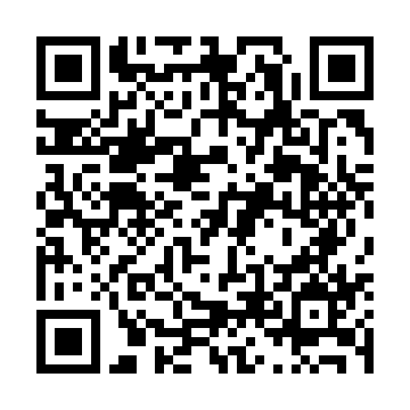
Cch | chenhanchoong2012@gmail.com | 1
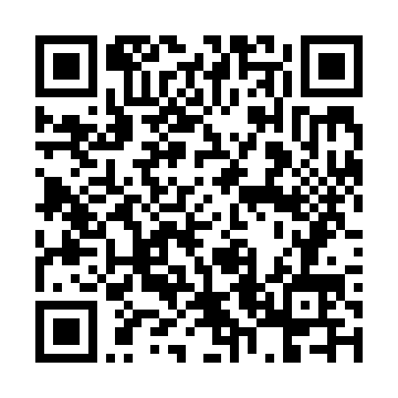
dh | tdenghan@gmail.com | 1
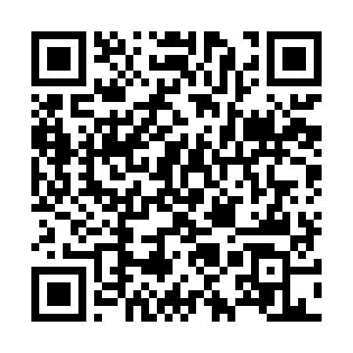
Cynthia | cynthiangxingting@gmail.com | 1
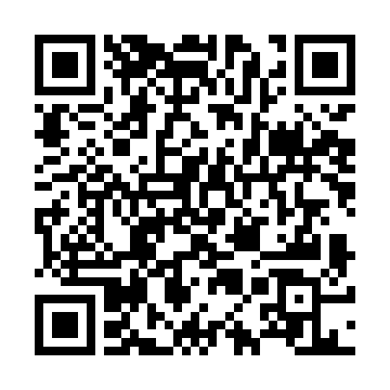
Kamelah | kamelah2003@gmail.com | 2
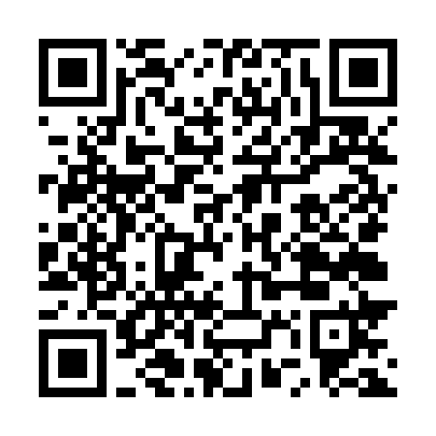
chloe tan | chloe38@gmail.com | 2
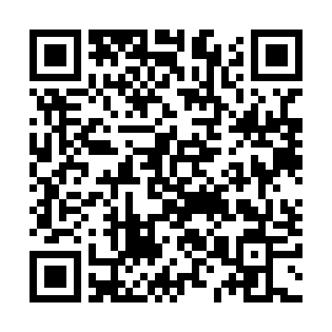
kenan | kenanchan10@gmail.com | 1
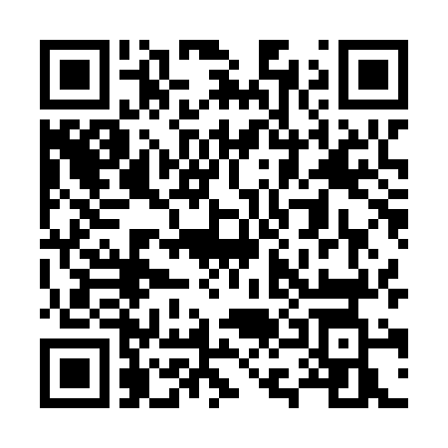
Lcy | lcy0234@gmail.com | 1
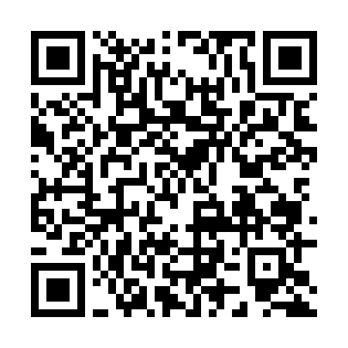
Clarice | cyym3302@gmail.com | 3

