Apis
 | api url | params | requestType | response
 | Login/Registration
 | /quoraStudent/user/register | { "username":"vamsiirr", "password":"vamsiirr", "emailid":"vamsoir9rr@gmail.com", "universitycode":"92", "dob":"1997-07-23" } | POST | {data:{ },success:true,reason:null}
 | /quoraStudent/user/login | {username,password,emaild} | POST | {data:{ sessionkey: " XX", "userdetails": "uu" },success:true,reason:null}
 | /quoraStudent/user/checksession | {sessionkey} | POST | {data:{valid:true },success:true,reason:null}
 | /quoraStudent/user/logout | {sessionkey} | POST | {data:{loggedout:true },success:true,reason:null}
 | Universities
 | /quoraStudent/info/getUnvList |  | GET | {data:{ univ: {"100" : { unvname:"", "unvaddress":"" }} },success:true,reason:null}
 | Get generic Info
 | /quoraStudent/checkUsername | {username} | POST | {data:{valid:true },success:true,reason:null}
 | /quoraStudent/checkEmailId | {emailid} | POST | {data:{valid:true },success:true,reason:null}

 | Screen development
Number | screen | dates | UI url | Api url | params | requestType | response
1 | 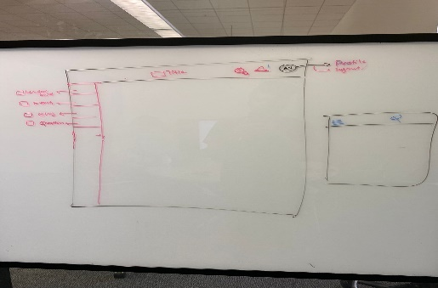 | 7th July - 8th July | /home
2 | 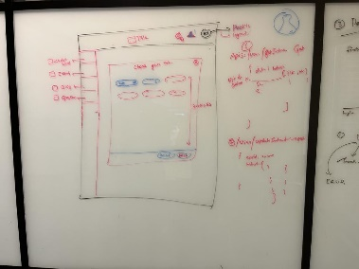 | 7th July - 8th July | /home | /info/getInterests |  | GET | {data:{interests: [ {id:12, name: '' }, {id:38, name: ''} ] },success:true,reason:null}
 |  |  |  | /user/updateInterests | {userid: xxx, interests: [ {id:34,name: '' }] } | POST | {data:{ updated: true },success:true,reason:null}
 | 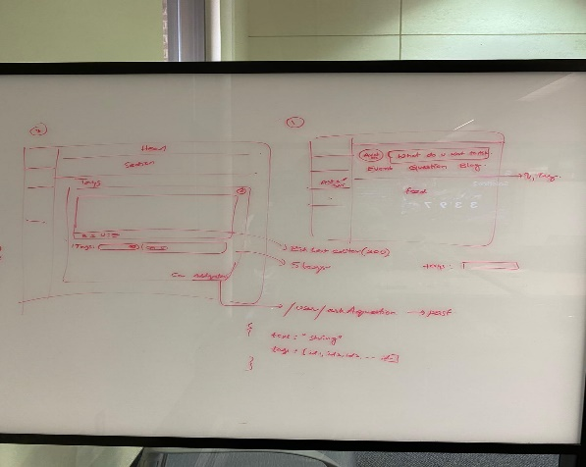 | 5th-6th July | /home | /questions/askAquestion | { "userid":6,"text":"<h1>How do the college manage marks</h1> ","tags":[1,2,3] } | POST | { "data": { "updated": true }, "success": true, "reason": null }

