loglog_censored_KL
 |  |  |  |  |  |  |  | Model 1 : p[1] + p[2] * (11605/(x+273.15)) + p[3] * (11605/(x+273.15))^2 |  |  |  |  |  |  | log-normal
 |  |  |  |  |  |  |  | Model 2 : p[1] + p[2] * (11605/(x+273.15)) |  |  |  |  |  |  | log-normal

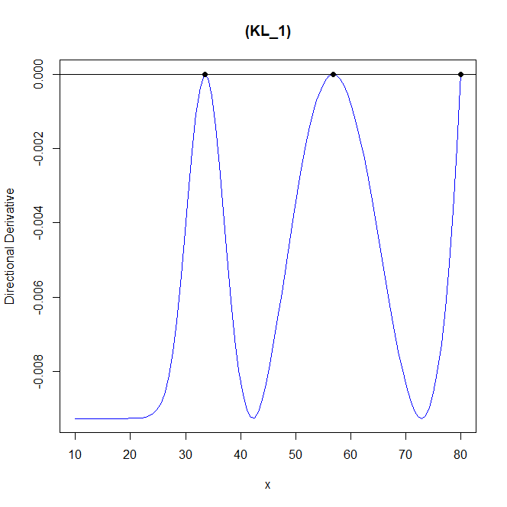
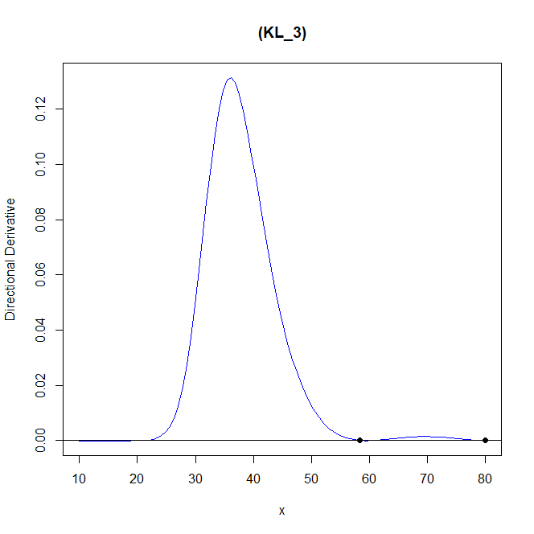
 |  |  |  |  |  |  |  |  |  | 雙層PSO | 第一次
欄1 | 欄2 | 欄3 | 欄4 | 欄5 | 欄6 | 欄7 |  |  | 欄1 | 欄2 | 欄3 | 欄4 | 欄5 | 欄6 | 欄7
assumption | β0 | β1 | β2 |  | criterion value |  |  |  | assumption | β0 | β1 | β2 |  | criterion value
model_1 | -5 | -1.5 | 0.05 |  | 0.009265605 | 0.009265603 |  |  | model_1 | -5 | -1.5 | 0.05 |  | 0.851047 | 1.50E-05
model_2 | [-100,-10] | [0.1,5] |  |  |  |  |  |  | model_2 | [-100,-10] | [0.1,5]
s | 0.9780103 |  |  |  | CPU time |  |  |  | s | 0.9780103 |  |  |  | CPU time
 |  |  |  |  | 18385.63 |  |  |  |  |  |  |  |  | 29901.81
 | dim_1 | weight |  |  |  |  |  |  |  | dim_1 | weight
x1 | 33.554 | 0.33 |  |  | n |  |  |  | x1 | 58.383 | 0.171 |  |  | n
x2 | 56.829 | 0.436 |  |  | 64 |  |  |  | x2 | 80 | 0.034 |  |  | 64 | 32
x3 | 80 | 0.234 |  |  | PSO iter |  |  |  | x3 | 80 | 0.794 |  |  | PSO iter
 |  |  |  |  | 200 |  |  |  |  |  |  |  |  | 200 | 100
 | β0 | β1 | β2 |  |  |  |  |  |  | β0 | β1 | β2 |  | outer | inner
model_1 | -5 | -1.5 | 0.05 |  | BFGS iter |  |  |  | model_1 | -5 | -1.5 | 0.05
model_2 | -66.71216 | 2.016965 |  |  | 20 | 1 |  |  | model_2 | -62.17752 | 1.883146

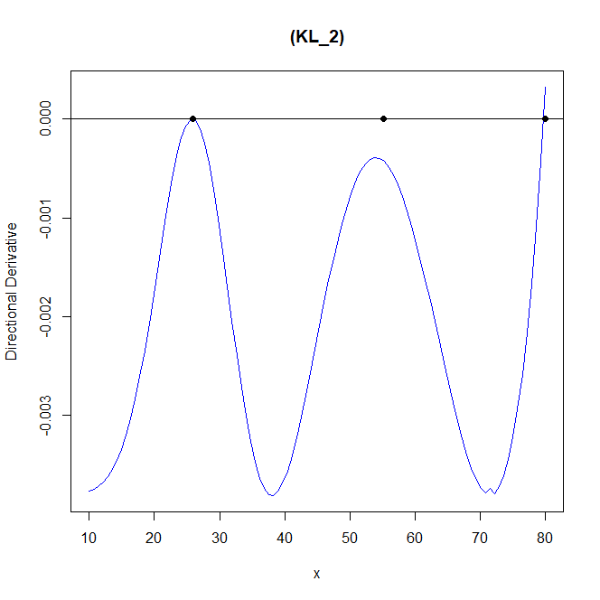
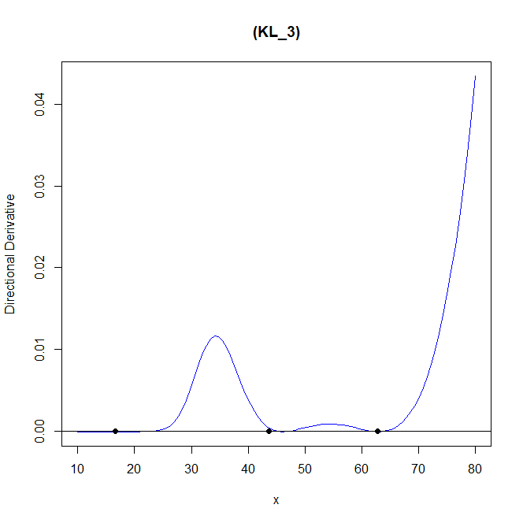
 |  |  |  |  |  |  |  |  |  |  | 第二次
 |  |  |  |  |  |  |  |  | 欄1 | 欄2 | 欄3 | 欄4 | 欄5 | 欄6 | 欄7
欄1 | 欄2 | 欄3 | 欄4 | 欄5 | 欄6 | 欄7 |  |  | assumption | β0 | β1 | β2 |  | criterion value
assumption | β0 | β1 | β2 |  | criterion value |  |  |  | model_1 | -5 | -1.5 | 0.05 |  | 0.4244601 | 2.59E-05
model_1 | -5 | -1.5 | 0.05 |  | 0.003847908 | 0.003803091 |  |  | model_2 | [-100,-10] | [0.1,5]
model_2 | [-100,-10] | [0.1,5] |  |  |  |  |  |  | s | 0.9780103 |  |  |  | CPU time
s | 1.9780103 |  |  |  | CPU time |  |  |  |  |  |  |  |  | 9054.87
 |  |  |  |  | 49577.37 |  |  |  |  | dim_1 | weight
 | dim_1 | weight |  |  |  |  |  |  | x1 | 16.641 | 0 |  |  | n
x1 | 25.854 | 0.366 |  |  | n |  |  |  | x2 | 43.618 | 0.071 |  |  | 64 | 32
x2 | 55.196 | 0.407 |  |  | 64 |  |  |  | x3 | 62.812 | 0.929 |  |  | PSO iter
x3 | 80 | 0.227 |  |  | PSO iter |  |  |  |  |  |  |  |  | 200 | 100
 |  |  |  |  | 200 |  |  |  |  | β0 | β1 | β2
 | β0 | β1 | β2 |  |  |  |  |  | model_1 | -5 | -1.5 | 0.05
model_1 | -5 | -1.5 | 0.05 |  | BFGS iter |  |  |  | model_2 | -68.73237 | 2.072118
model_2 | -66.2678 | 2.00573 |  |  | 50 | 4


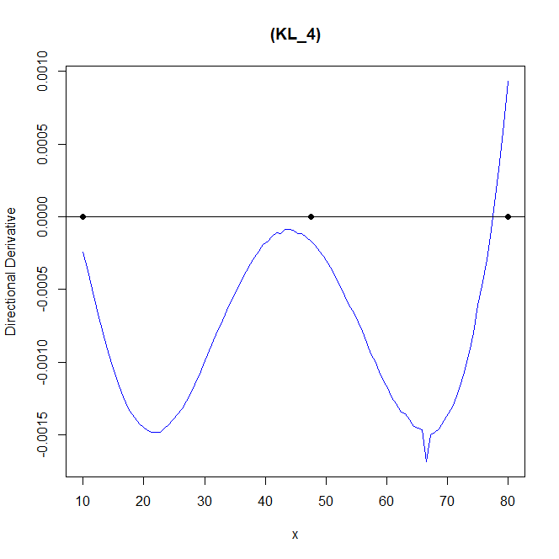
欄1 | 欄2 | 欄3 | 欄4 | 欄5 | 欄6 | 欄7 |  |  | 欄1 | 欄2 | 欄3 | 欄4 | 欄5 | 欄6 | 欄7
assumption | β0 | β1 | β2 |  | criterion value |  |  |  | assumption | β0 | β1 | β2 |  | criterion value
model_1 | -5 | -1.5 | 0.05 |  | 0.009265602 | 0.009265599 |  |  | model_1 | -5 | -1.5 | 0.05 |  | 0.009788556 | 0.001483105
model_2 | [-100,-10] | [0.1,5] |  |  |  |  |  |  | model_2 | [-100,-10] | [0.1,5]
s | 0.9780103 |  |  |  | CPU time |  |  |  | s | 5.9780103 |  |  |  | CPU time
 |  |  |  |  | 42714.86 |  |  |  |  |  |  |  |  | 35511.32
 | dim_1 | weight |  |  |  |  |  |  |  | dim_1 | weight
x1 | 33.557 | 0.33 |  |  | n |  |  |  | x1 | 10 | 0.356 |  |  | n
x2 | 56.829 | 0.436 |  |  | 64 |  |  |  | x2 | 47.498 | 0.465 |  |  | 64 | 32
x3 | 80 | 0.234 |  |  | PSO iter |  |  |  | x3 | 80 | 0.179 |  |  | PSO iter
 |  |  |  |  | 200 |  |  |  |  |  |  |  |  | 200 | 100
 | β0 | β1 | β2 |  |  |  |  |  |  | β0 | β1 | β2
model_1 | -5 | -1.5 | 0.05 |  | BFGS iter |  |  |  | model_1 | -5 | -1.5 | 0.05
model_2 | -66.71046 | 2.016919 |  |  | 50 | 2 |  |  | model_2 | -72.56655 | 2.185292

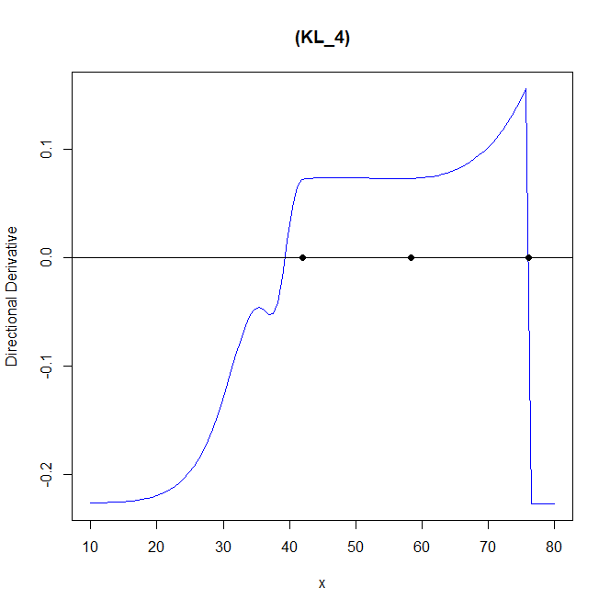
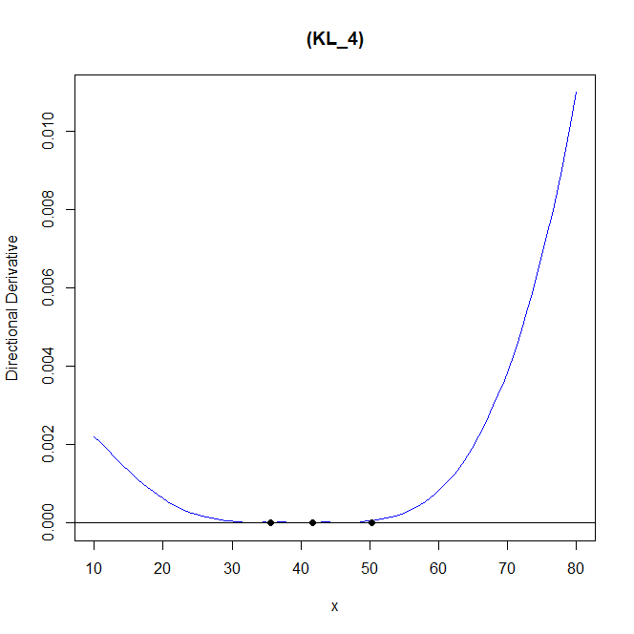
欄1 | 欄2 | 欄3 | 欄4 | 欄5 | 欄6 | 欄7 |  |  | 欄1 | 欄2 | 欄3 | 欄4 | 欄5 | 欄6 | 欄7
assumption | β0 | β1 | β2 |  | criterion value |  |  |  | assumption | β0 | β1 | β2 |  | criterion value
model_1 | -5 | -1.5 | 0.05 |  | 0.3029628 | -0.00128117 |  |  | model_1 | -5 | -1.5 | 0.05 |  | 0.01696243 | -1.62E-05
model_2 | [-100,-10] | [0.1,5] |  |  |  |  |  |  | model_2 | [-100,-10] | [0.1,5]
s | 5.9780103 |  |  |  | CPU time |  |  |  | s | 5.9780103 |  |  |  | CPU time
 |  |  |  |  | 62835.54 |  | 到12%就停了 |  |  |  |  |  |  | 48212.33
 | dim_1 | weight |  |  |  |  |  |  |  | dim_1 | weight
x1 | 41.993 | 0.231 |  |  | n |  |  |  | x1 | 35.628 | 0.536 |  |  | n
x2 | 58.347 | 0.526 |  |  | 64 |  |  |  | x2 | 41.688 | 0.224 |  |  | 64 | 32
x3 | 76.142 | 0.244 |  |  | PSO iter |  |  |  | x3 | 50.322 | 0.241 |  |  | PSO iter
 |  |  |  |  | 200 |  |  |  |  |  |  |  |  | 200 | 100
 | β0 | β1 | β2 |  |  |  |  |  |  | β0 | β1 | β2
model_1 | -5 | -1.5 | 0.05 |  | BFGS iter |  |  |  | model_1 | -5 | -1.5 | 0.05
model_2 | -64.13747 | 1.943888 |  |  | 50 | 5 |  |  | model_2 | -72.69428 | 2.180391

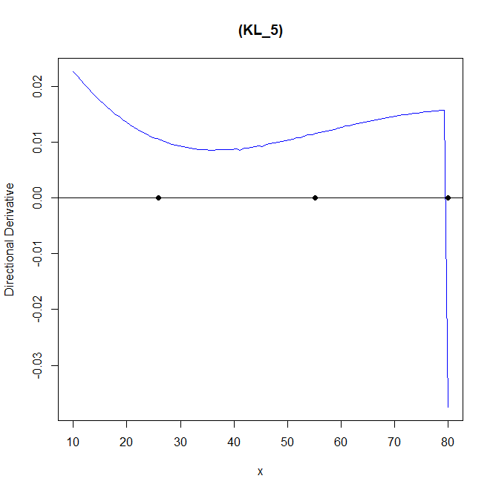

欄1 | 欄2 | 欄3 | 欄4 | 欄5 | 欄6 | 欄7
assumption | β0 | β1 | β2 |  | criterion value
model_1 | -5 | -1.5 | 0.05 |  | 0.003847908 | -0.01205247
model_2 | [-100,-10] | [0.1,5]
s | 10.9780103 |  |  |  | CPU time
 |  |  |  |  | 49577.37 |  | 到20%就停了
 | dim_1 | weight
x1 | 25.854 | 0.366 |  |  | n
x2 | 55.196 | 0.407 |  |  | 64
x3 | 80 | 0.227 |  |  | PSO iter
 |  |  |  |  | 200
 | β0 | β1 | β2
model_1 | -5 | -1.5 | 0.05 |  | BFGS iter
model_2 | -54.11228 | 1.721374 |  |  | 50 | 6

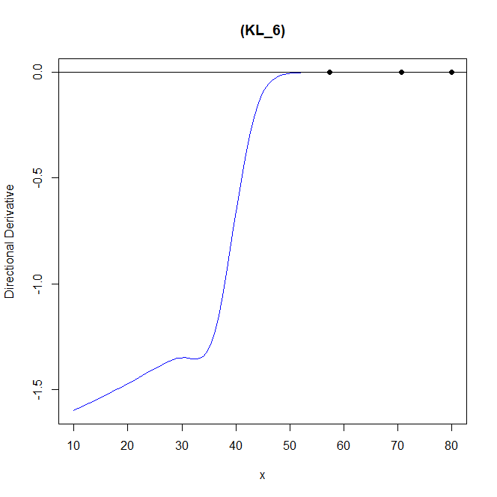

欄1 | 欄2 | 欄3 | 欄4 | 欄5 | 欄6 | 欄7
assumption | β0 | β1 | β2 |  | criterion value
model_1 | -5 | -1.5 | 0.05 |  | 1.922103 | 1.922101
model_2 | [-100,-10] | [0.1,5]
s_1 | 0.9780103 | s_2 | 10.9780103 |  | CPU time
 |  |  |  |  | 40094.06
 | dim_1 | weight
x1 | 57.381 | 0.109 |  |  | n
x2 | 70.646 | 0.614 |  |  | 64
x3 | 80 | 0.277 |  |  | PSO iter
 |  |  |  |  | 200
 | β0 | β1 | β2
model_1 | -5 | -1.5 | 0.05 |  | BFGS iter
model_2 | -63.05317 | 1.908532 |  |  | 50 | 7

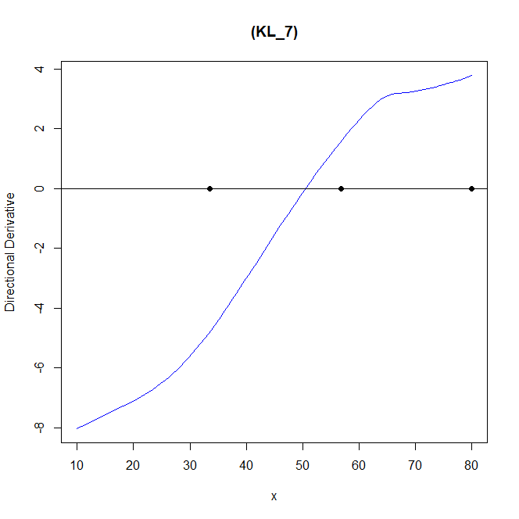

欄1 | 欄2 | 欄3 | 欄4 | 欄5 | 欄6 | 欄7
assumption | β0 | β1 | β2 |  | criterion value
model_1 | -5 | -1.5 | 0.05 |  | 0.009265605 | 0.306307
model_2 | [-100,-10] | [0.1,5]
s_1 | 5.9780103 | s_2 | 0.9780103 |  | CPU time
 |  |  |  |  | 18385.63
 | dim_1 | weight
x1 | 33.554 | 0.33 |  |  | n
x2 | 56.829 | 0.436 |  |  | 64
x3 | 80 | 0.234 |  |  | PSO iter
 |  |  |  |  | 200
 | β0 | β1 | β2
model_1 | -5 | -1.5 | 0.05 |  | BFGS iter
model_2 | -53.17147 | 1.596143 |  |  | 50 | 8

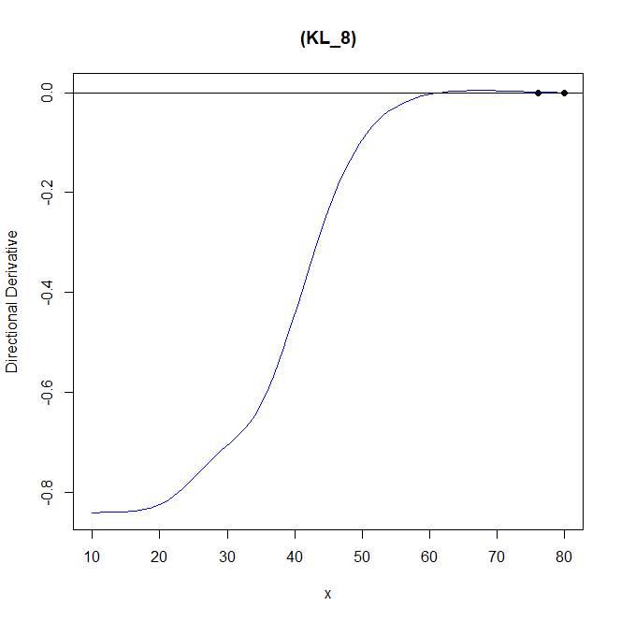

欄1 | 欄2 | 欄3 | 欄4 | 欄5 | 欄6 | 欄7
assumption | β0 | β1 | β2 |  | criterion value
model_1 | -5 | -1.5 | 0.05 |  | 0.8408207 | 0.8408207
model_2 | [-100,-10] | [0.1,5]
s_1 | 1.9780103 | s_2 | 0.9780103 |  | CPU time
 |  |  |  |  | 62666.23
 | dim_1 | weight
x1 | 76.132 | 0 |  |  | n
x2 | 80 | 0 |  |  | 64
x3 | 80 | 1 |  |  | PSO iter
 |  |  |  |  | 200
 | β0 | β1 | β2
model_1 | -5 | -1.5 | 0.05 |  | BFGS iter
model_2 | -52.57539 | 1.590828 |  |  | 50 | 9

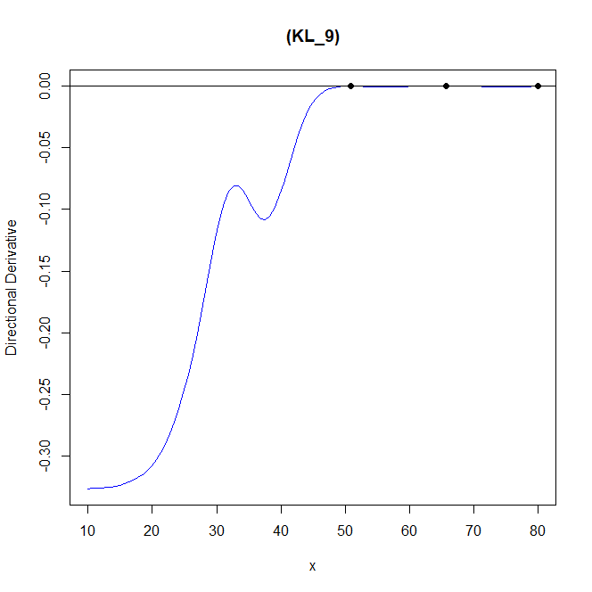

欄1 | 欄2 | 欄3 | 欄4 | 欄5 | 欄6 | 欄7
assumption | β0 | β1 | β2 |  | criterion value
model_1 | -5 | -1.5 | 0.05 |  | 0.3268609 | 0.3268609
model_2 | [-100,-10] | [0.1,5]
s_1 | 0.9780103 | s_2 | 1.9780103 |  | CPU time
 |  |  |  |  | 53042.82
 | dim_1 | weight
x1 | 50.868 | 0.167 |  |  | n
x2 | 65.674 | 0.545 |  |  | 64
x3 | 80 | 0.289 |  |  | PSO iter
 |  |  |  |  | 200
 | β0 | β1 | β2
model_1 | -5 | -1.5 | 0.05 |  | BFGS iter
model_2 | -63.61349 | 1.925252 |  |  | 50 | 10

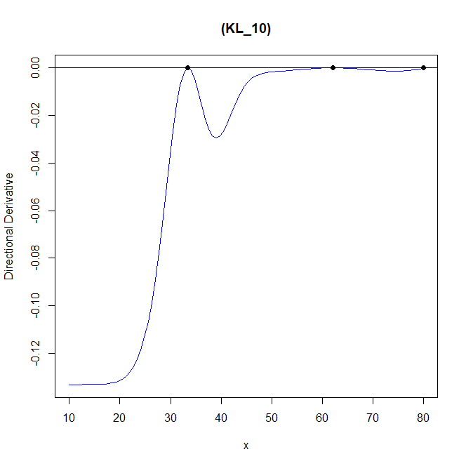

欄1 | 欄2 | 欄3 | 欄4 | 欄5 | 欄6 | 欄7
assumption | β0 | β1 | β2 |  | criterion value
model_1 | -5 | -1.5 | 0.05 |  | 0.1332252
model_2 | [-100,-10] | [0.1,5]
s_1 | 0.9780103 | s_2 | 1.4780103 |  | CPU time
 |  |  |  |  | 54684.59
 | dim_1 | weight
x1 | 33.417 | 0.032 |  |  | n
x2 | 62.084 | 0.587 |  |  | 64
x3 | 80 | 0.381 |  |  | PSO iter
 |  |  |  |  | 200
 | β0 | β1 | β2
model_1 | -5 | -1.5 | 0.05 |  | BFGS iter
model_2 | -64.84622 | 1.961891 |  |  | 50 | 11

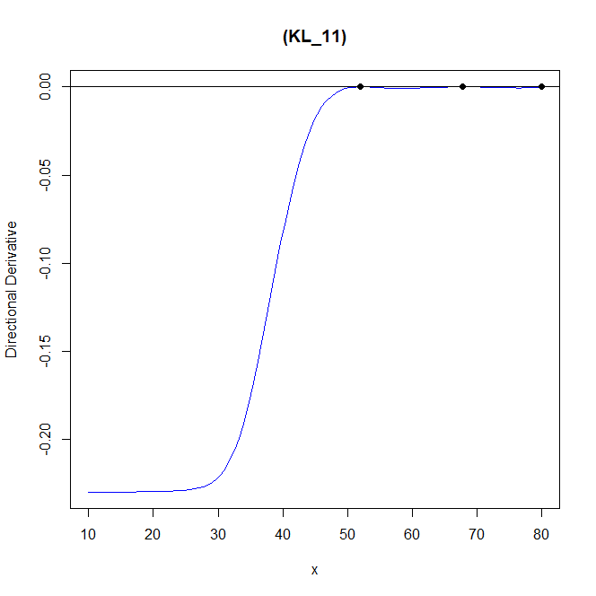

欄1 | 欄2 | 欄3 | 欄4 | 欄5 | 欄6 | 欄7
assumption | β0 | β1 | β2 |  | criterion value
model_1 | -5 | -1.5 | 0.05 |  | 0.2296237 | 0.2296237
model_2 | [-100,-10] | [0.1,5]
s_1 | 1.4780103 | s_2 | 0.9780103 |  | CPU time
 |  |  |  |  | 65978.45
 | dim_1 | weight
x1 | 52.007 | 0.085 |  |  | n
x2 | 67.791 | 0.577 |  |  | 64
x3 | 80 | 0.338 |  |  | PSO iter
 |  |  |  |  | 200
 | β0 | β1 | β2
model_1 | -5 | -1.5 | 0.05 |  | BFGS iter
model_2 | -62.89983 | 1.903956 |  |  | 50 | 12

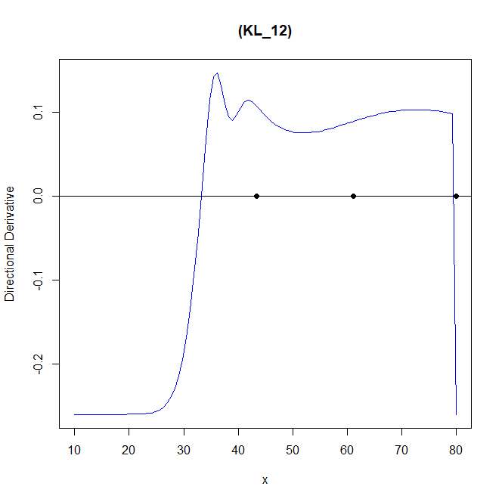

欄1 | 欄2 | 欄3 | 欄4 | 欄5 | 欄6 | 欄7
assumption | β0 | β1 | β2 |  | criterion value
model_1 | -5 | -1.5 | 0.05 |  | 0.3392175
model_2 | [-100,-10] | [0.1,5]
s_1 | 0.4780103 | s_2 | 0.9780103 |  | CPU time
 |  |  |  |  | 23744.38
 | dim_1 | weight
x1 | 43.412 | 0.213 |  |  | n
x2 | 61.109 | 0.521 |  |  | 64
x3 | 80 | 0.266 |  |  | PSO iter
 |  |  |  |  | 200
 | β0 | β1 | β2
model_1 | -5 | -1.5 | 0.05 |  | BFGS iter
model_2 | -65.18288 | 1.971862 |  |  | 50 | 13

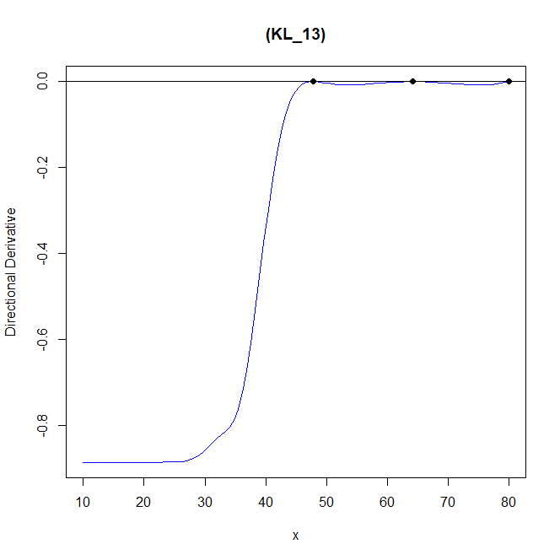

欄1 | 欄2 | 欄3 | 欄4 | 欄5 | 欄6 | 欄7
assumption | β0 | β1 | β2 |  | criterion value
model_1 | -5 | -1.5 | 0.05 |  | 0.884878 | 0.884878
model_2 | [-100,-10] | [0.1,5]
s_1 | 0.9780103 | s_2 | 0.4780103 |  | CPU time
 |  |  |  |  | 30496.58
 | dim_1 | weight
x1 | 47.75 | 0.161 |  |  | n
x2 | 64.187 | 0.547 |  |  | 64
x3 | 80 | 0.292 |  |  | PSO iter
 |  |  |  |  | 200
 | β0 | β1 | β2
model_1 | -5 | -1.5 | 0.05 |  | BFGS iter
model_2 | -64.11541 | 1.940196 |  |  | 50 | 14

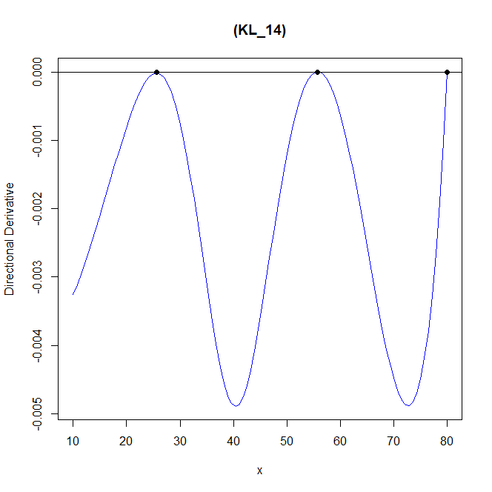

欄1 | 欄2 | 欄3 | 欄4 | 欄5 | 欄6 | 欄7
assumption | β0 | β1 | β2 |  | criterion value
model_1 | -5 | -1.5 | 0.05 |  | 0.005174481 | 0.00517448
model_2 | [-100,-10] | [0.1,5]
s | 1.4780103 |  |  |  | CPU time
 |  |  |  |  | 58457.59
 | dim_1 | weight
x1 | 29.699 | 0.36 |  |  | n
x2 | 55.482 | 0.413 |  |  | 64
x3 | 80 | 0.227 |  |  | PSO iter
 |  |  |  |  | 200
 | β0 | β1 | β2
model_1 | -5 | -1.5 | 0.05 |  | BFGS iter
model_2 | -67.20388 | 2.031395 |  |  | 50 | 3

weibullweibull_censored_KL
 |  |  |  |  |  |  | Model 1 : p[1] + p[2] * (11605/(x+273.15)) + p[3] * (11605/(x+273.15))^2 | weibull
 |  |  |  |  |  |  | Model 2 : p[1] + p[2] * (11605/(x+273.15)) | weibull

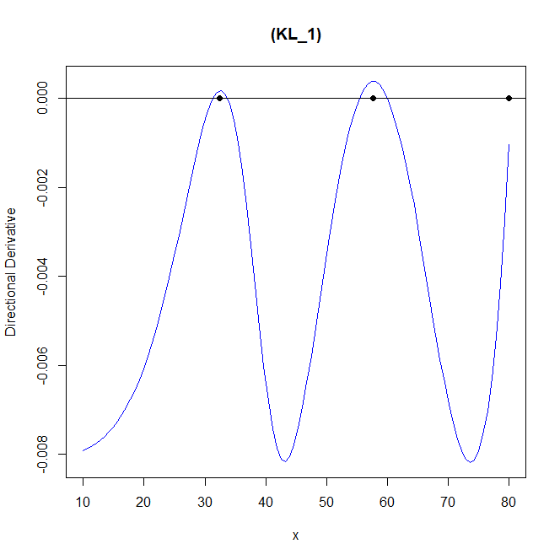

欄1 | 欄2 | 欄3 | 欄4 | 欄5 | 欄6 | 欄7
assumption | β0 | β1 | β2 |  | criterion value
model_1 | -5 | -1.5 | 0.05 |  | 0.008548066 | 0.008177233
model_2 | [-100,-10] | [0.1,5]
s | 0.9780103 |  |  |  | CPU time
 |  |  |  |  | 7707.16
 | dim_1 | weight
x1 | 32.416 | 0.375 |  |  | n
x2 | 57.683 | 0.41 |  |  | 64
x3 | 80 | 0.215 |  |  | PSO iter
 |  |  |  |  | 200
 | β0 | β1 | β2
model_1 | -5 | -1.5 | 0.05 |  | BFGS iter
model_2 | -66.37105 | 2.007103 |  |  | 20

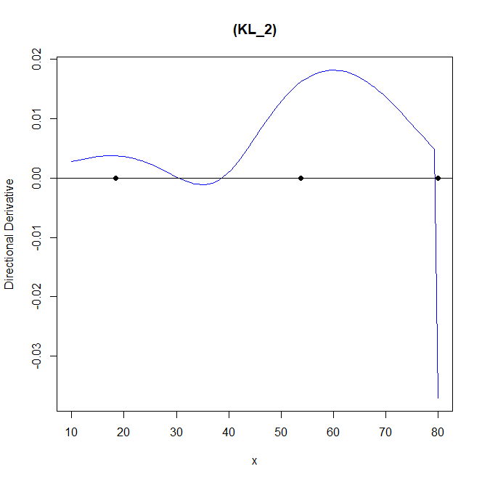

欄1 | 欄2 | 欄3 | 欄4 | 欄5 | 欄6
assumption | β0 | β1 | β2 |  | criterion value
model_1 | -5 | -1.5 | 0.05 |  | 0.003862105
model_2 | [-100,-10] | [0.1,5]
s | 1.9780103 |  |  |  | CPU time
 |  |  |  |  | 62044.81
 | dim_1 | weight
x1 | 18.386 | 0.484 |  |  | n
x2 | 53.83 | 0.325 |  |  | 64
x3 | 80 | 0.191 |  |  | PSO iter
 |  |  |  |  | 200
 | β0 | β1 | β2
model_1 | -5 | -1.5 | 0.05 |  | BFGS iter
model_2 | -63.98726 | 1.944382 |  |  | 50

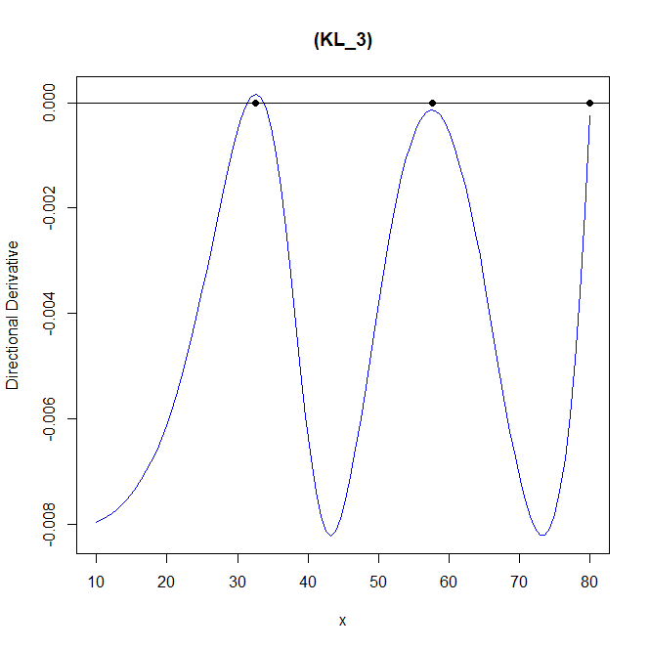

欄1 | 欄2 | 欄3 | 欄4 | 欄5 | 欄6 | 欄7
assumption | β0 | β1 | β2 |  | criterion value
model_1 | -5 | -1.5 | 0.05 |  | 0.008223151 | 0.008221511
model_2 | [-100,-10] | [0.1,5]
s | 0.9780103 |  |  |  | CPU time
 |  |  |  |  | 59919.28
 | dim_1 | weight
x1 | 32.545 | 0.368 |  |  | n
x2 | 57.686 | 0.415 |  |  | 64
x3 | 80 | 0.217 |  |  | PSO iter
 |  |  |  |  | 200
 | β0 | β1 | β2
model_1 | -5 | -1.5 | 0.05 |  | BFGS iter
model_2 | -66.45925 | 2.009602 |  |  | 50

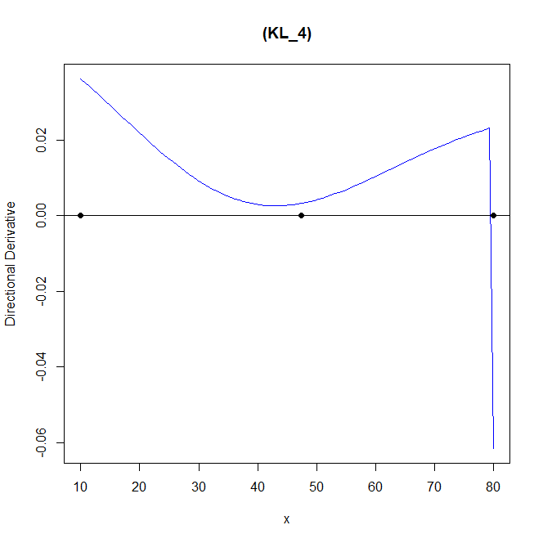

欄1 | 欄2 | 欄3 | 欄4 | 欄5 | 欄6 | 欄7
assumption | β0 | β1 | β2 |  | criterion value
model_1 | -5 | -1.5 | 0.05 |  | 0.001278256 | 0.001278253
model_2 | [-100,-10] | [0.1,5]
s | 5.9780103 |  |  |  | CPU time
 |  |  |  |  | 74854.66
 | dim_1 | weight
x1 | 10 | 0.338 |  |  | n
x2 | 47.388 | 0.441 |  |  | 64
x3 | 80 | 0.221 |  |  | PSO iter
 |  |  |  |  | 200
 | β0 | β1 | β2
model_1 | -5 | -1.5 | 0.05 |  | BFGS iter
model_2 | -71.1679 | 2.147467 |  |  | 50

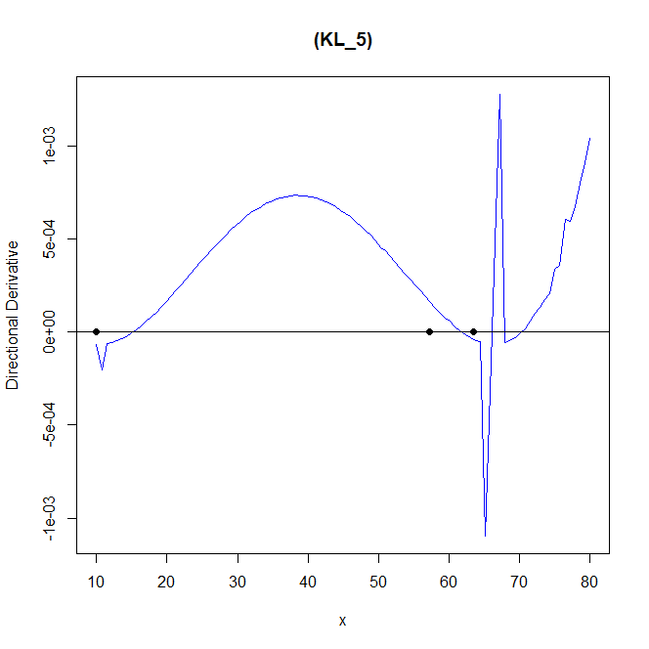

欄1 | 欄2 | 欄3 | 欄4 | 欄5 | 欄6 | 欄7
assumption | β0 | β1 | β2 |  | criterion value
model_1 | -5 | -1.5 | 0.05 |  | 0.0009336575 | 0.0003294949
model_2 | [-100,-10] | [0.1,5]
s | 10.9780103 |  |  |  | CPU time
 |  |  |  |  | 6165.62
 | dim_1 | weight
x1 | 10 | 0.373 |  |  | n
x2 | 57.279 | 0.354 |  |  | 64
x3 | 63.436 | 0.273 |  |  | PSO iter
 |  |  |  |  | 200
 | β0 | β1 | β2
model_1 | -5 | -1.5 | 0.05 |  | BFGS iter
model_2 | -70.39753 | 2.12973 |  |  | 2

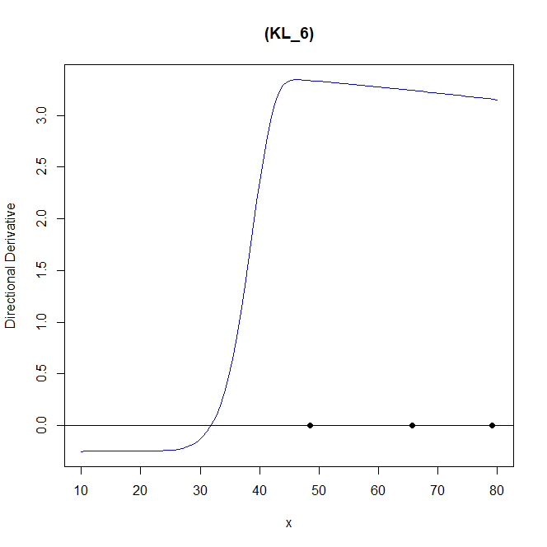

欄1 | 欄2 | 欄3 | 欄4 | 欄5 | 欄6 | 欄7
assumption | β0 | β1 | β2 |  | criterion value
model_1 | -5 | -1.5 | 0.05 |  | 1.8472 | 1.847195
model_2 | [-100,-10] | [0.1,5]
s_1 | 0.9780103 | s_2 | 10.9780103 |  | CPU time
 |  |  |  |  | 47657.92
 | dim_1 | weight
x1 | 48.575 | 0.029 |  |  | n
x2 | 65.755 | 0.049 |  |  | 64
x3 | 79.232 | 0.922 |  |  | PSO iter
 |  |  |  |  | 200
 | β0 | β1 | β2
model_1 | -5 | -1.5 | 0.05 |  | BFGS iter
model_2 | -64.24064 | 1.928273 |  |  | 50

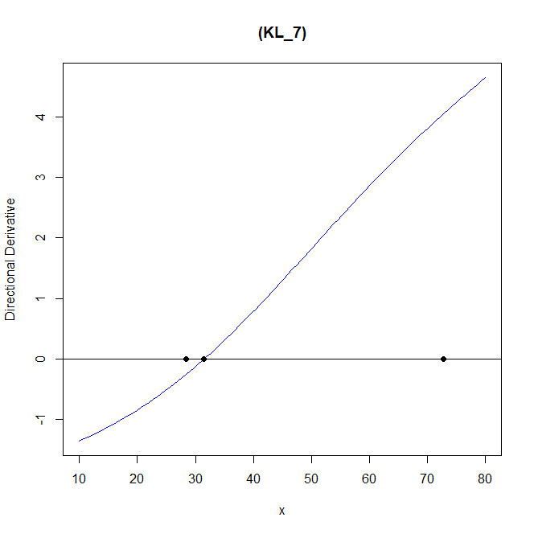
欄1 | 欄2 | 欄3 | 欄4 | 欄5 | 欄6 | 欄7
assumption | β0 | β1 | β2 |  | criterion value
model_1 | -5 | -1.5 | 0.05 |  | 0 | 2.063475
model_2 | [-100,-10] | [0.1,5]
s_1 | 5.9780103 | s_2 | 0.9780103 |  | CPU time
 |  |  |  |  | 12526.37
 | dim_1 | weight
x1 | 28.376 | 0.636 |  |  | n
x2 | 31.415 | 0.323 |  |  | 64
x3 | 72.735 | 0.041 |  |  | PSO iter
 |  |  |  |  | 200
 | β0 | β1 | β2
model_1 | -5 | -1.5 | 0.05 |  | BFGS iter
model_2 | -21.19697 | 0.7791897 |  |  | 50

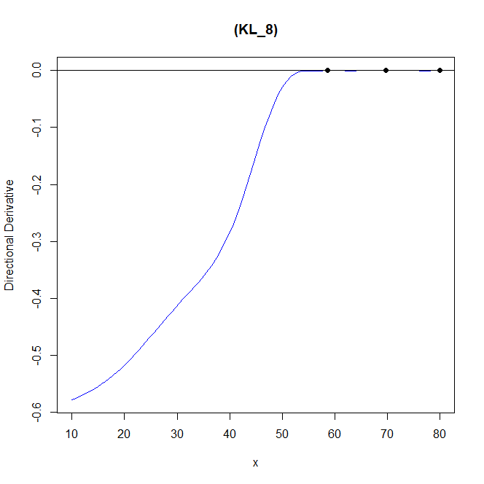
欄1 | 欄2 | 欄3 | 欄4 | 欄5 | 欄6 | 欄7
assumption | β0 | β1 | β2 |  | criterion value
model_1 | -5 | -1.5 | 0.05 |  | 0.6001703 | 0.6001697
model_2 | [-100,-10] | [0.1,5]
s_1 | 1.9780103 | s_2 | 0.9780103 |  | CPU time
 |  |  |  |  | 109771.9
 | dim_1 | weight
x1 | 58.678 | 0.154 |  |  | n
x2 | 69.702 | 0.551 |  |  | 64
x3 | 80 | 0.295 |  |  | PSO iter
 |  |  |  |  | 200
 | β0 | β1 | β2
model_1 | -5 | -1.5 | 0.05 |  | BFGS iter
model_2 | -61.5417 | 1.884206 |  |  | 50

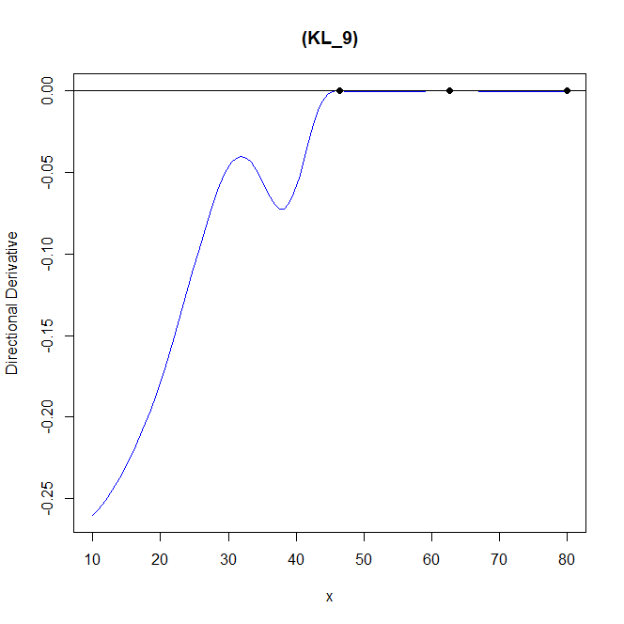
欄1 | 欄2 | 欄3 | 欄4 | 欄5 | 欄6 | 欄7
assumption | β0 | β1 | β2 |  | criterion value
model_1 | -5 | -1.5 | 0.05 |  | 0.2921933 | 0.2921932
model_2 | [-100,-10] | [0.1,5]
s_1 | 0.9780103 | s_2 | 1.9780103 |  | CPU time
 |  |  |  |  | 76696.06
 | dim_1 | weight
x1 | 46.469 | 0.215 |  |  | n
x2 | 62.717 | 0.525 |  |  | 64
x3 | 80 | 0.261 |  |  | PSO iter
 |  |  |  |  | 200
 | β0 | β1 | β2
model_1 | -5 | -1.5 | 0.05 |  | BFGS iter
model_2 | -64.86081 | 1.955241 |  |  | 50

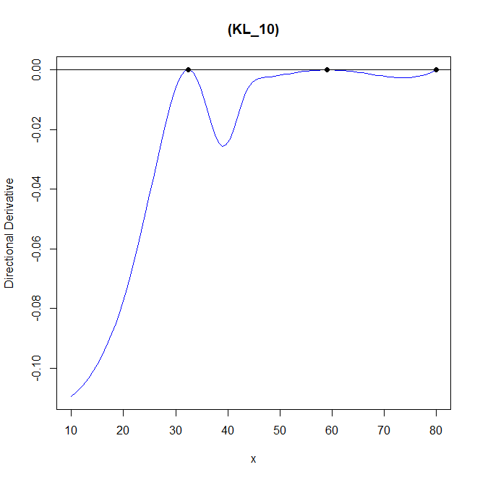

欄1 | 欄2 | 欄3 | 欄4 | 欄5 | 欄6 | 欄7
assumption | β0 | β1 | β2 |  | criterion value
model_1 | -5 | -1.5 | 0.05 |  | 0.1170523
model_2 | [-100,-10] | [0.1,5]
s_1 | 0.9780103 | s_2 | 1.4780103 |  | CPU time
 |  |  |  |  | 79644.19
 | dim_1 | weight
x1 | 32.393 | 0.064 |  |  | n
x2 | 59.119 | 0.597 |  |  | 64
x3 | 80 | 0.339 |  |  | PSO iter
 |  |  |  |  | 200
 | β0 | β1 | β2
model_1 | -5 | -1.5 | 0.05 |  | BFGS iter
model_2 | -66.03229 | 1.992492 |  |  | 50

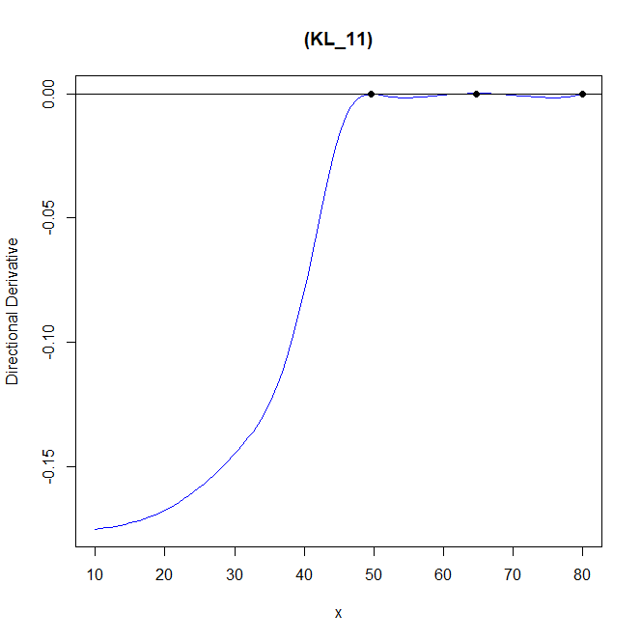

欄1 | 欄2 | 欄3 | 欄4 | 欄5 | 欄6 | 欄7
assumption | β0 | β1 | β2 |  | criterion value
model_1 | -5 | -1.5 | 0.05 |  | 0.176341 | 0.6001697
model_2 | [-100,-10] | [0.1,5]
s_1 | 1.4780103 | s_2 | 0.9780103 |  | CPU time
 |  |  |  |  | 102226.3
 | dim_1 | weight
x1 | 49.573 | 0.181 |  |  | n
x2 | 64.735 | 0.549 |  |  | 64
x3 | 80 | 0.27 |  |  | PSO iter
 |  |  |  |  | 200
 | β0 | β1 | β2
model_1 | -5 | -1.5 | 0.05 |  | BFGS iter
model_2 | -63.80672 | 1.939434 |  |  | 50



欄1 | 欄2 | 欄3 | 欄4 | 欄5 | 欄6 | 欄7
assumption | β0 | β1 | β2 |  | criterion value
model_1 | -5 | -1.5 | 0.05 |  | 0.3029628 | 0.2266512
model_2 | [-100,-10] | [0.1,5]
s_1 | 0.4780103 | s_2 | 0.9780103 |  | CPU time
 |  |  |  |  | 62835.54
 | dim_1 | weight
x1 | 41.993 | 0.231 |  |  | n
x2 | 58.347 | 0.526 |  |  | 64
x3 | 76.142 | 0.244 |  |  | PSO iter
 |  |  |  |  | 200
 | β0 | β1 | β2
model_1 | -5 | -1.5 | 0.05 |  | BFGS iter
model_2 | -70.31275 | 2.111807 |  |  | 50

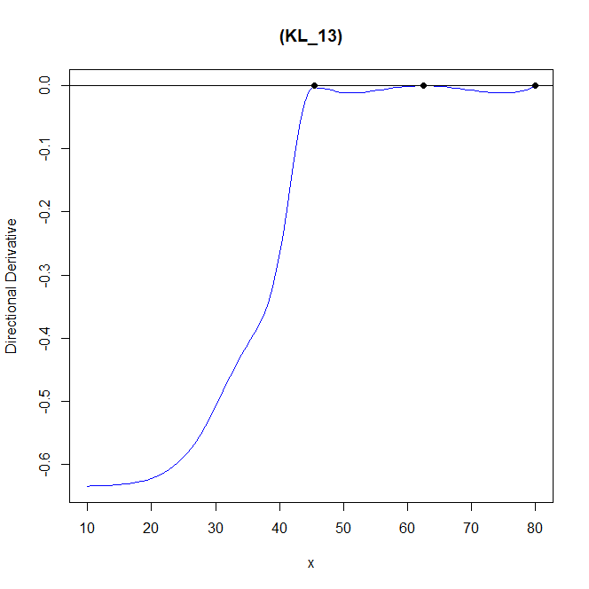

欄1 | 欄2 | 欄3 | 欄4 | 欄5 | 欄6 | 欄7
assumption | β0 | β1 | β2 |  | criterion value
model_1 | -5 | -1.5 | 0.05 |  | 0.6354246 | 0.6354244
model_2 | [-100,-10] | [0.1,5]
s_1 | 0.9780103 | s_2 | 0.4780103 |  | CPU time
 |  |  |  |  | 81337.01
 | dim_1 | weight
x1 | 45.473 | 0.189 |  |  | n
x2 | 62.576 | 0.551 |  |  | 64
x3 | 80 | 0.26 |  |  | PSO iter
 |  |  |  |  | 200
 | β0 | β1 | β2
model_1 | -5 | -1.5 | 0.05 |  | BFGS iter
model_2 | -64.31593 | 1.956655 |  |  | 50


欄1 | 欄2 | 欄3 | 欄4 | 欄5 | 欄6 | 欄7
assumption | β0 | β1 | β2 |  | criterion value
model_1 | -5 | -1.5 | 0.05 |  | 0.004890847 | 0.004890837
model_2 | [-100,-10] | [0.1,5]
s | 1.4780103 |  |  |  | CPU time
 |  |  |  |  | 68090.5
 | dim_1 | weight
x1 | 25.576 | 0.441 |  |  | n
x2 | 55.791 | 0.359 |  |  | 64
x3 | 80 | 0.2 |  |  | PSO iter
 |  |  |  |  | 200
 | β0 | β1 | β2
model_1 | -5 | -1.5 | 0.05 |  | BFGS iter
model_2 | -67.08299 | 2.027931 |  |  | 50

loglog_censored_LW
 |  |  |  |  |  |  | Model 1 : p[1] + p[2] * (11605/(x+273.15)) + p[3] * (11605/(x+273.15))^2 | log-normal
 |  |  |  |  |  |  | Model 2 : p[1] + p[2] * (11605/(x+273.15)) | log-normal

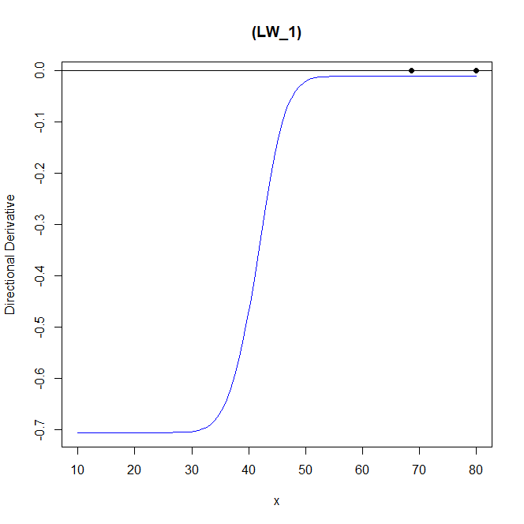
欄1 | 欄2 | 欄3 | 欄4 | 欄5 | 欄6 | 欄7
assumption | β0 | β1 | β2 |  | criterion value
model_1 | -5 | -1.5 | 0.05 |  | 0.704956 | -5.96E-07
model_2 | [-100,-10] | [0.1,5]
s | 0.9780103 |  |  |  | CPU time
 |  |  |  |  | 992.47
 | dim_1 | weight
x1 | 68.674 | 1 |  |  | n
x2 | 80 | 0 |  |  | 64
x3 | 80 | 0 |  |  | PSO iter
 |  |  |  |  | 200
 | β0 | β1 | β2
model_1 | -5 | -1.5 | 0.05 |  | BFGS iter
model_2 | -64.96267 | 1.963705 |  |  | 20

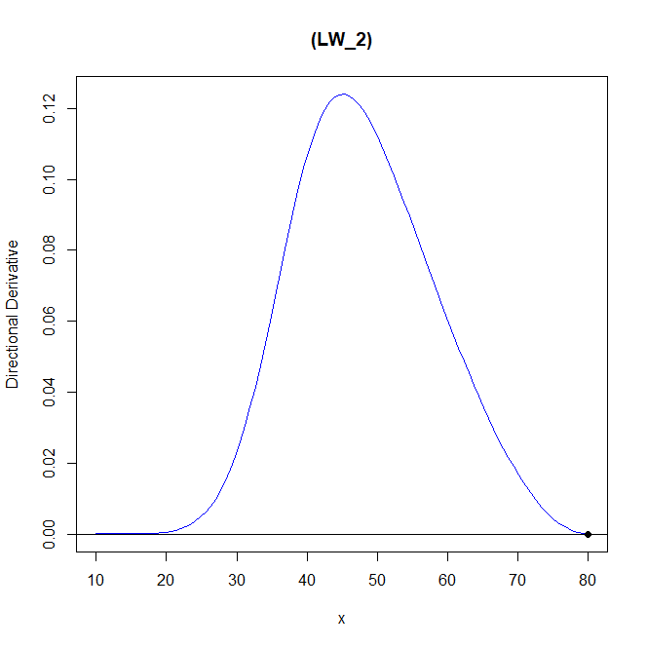

欄1 | 欄2 | 欄3 | 欄4 | 欄5 | 欄6 | 欄7
assumption | β0 | β1 | β2 |  | criterion value
model_1 | -5 | -1.5 | 0.05 |  | 0.6930954 | -7.36E-06
model_2 | [-100,-10] | [0.1,5]
s | 1.9780103 |  |  |  | CPU time
 |  |  |  |  | 3299.47
 | dim_1 | weight
x1 | 80 | 0.066 |  |  | n
x2 | 80 | 0.143 |  |  | 64
x3 | 80 | 0.791 |  |  | PSO iter
 |  |  |  |  | 200
 | β0 | β1 | β2
model_1 | -5 | -1.5 | 0.05 |  | BFGS iter
model_2 | -73.66062 | 2.232357 |  |  | 50

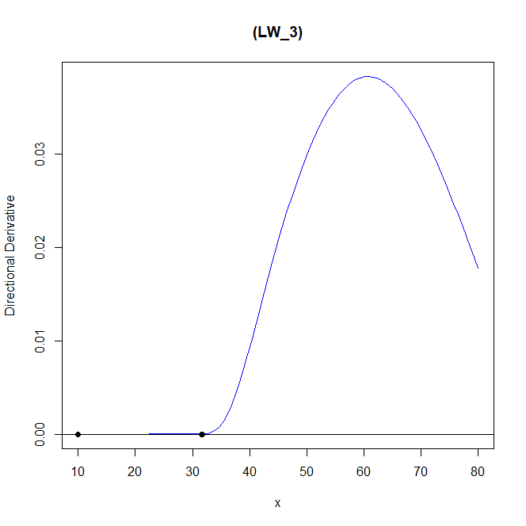

欄1 | 欄2 | 欄3 | 欄4 | 欄5 | 欄6 | 欄7
assumption | β0 | β1 | β2 |  | criterion value
model_1 | -5 | -1.5 | 0.05 |  | 0.005509318 | 0.005509318
model_2 | [-100,-10] | [0.1,5]
s | 0.9780103 |  |  |  | CPU time
 |  |  |  |  | 792.61
 | dim_1 | weight
x1 | 10 | 0 |  |  | n
x2 | 31.597 | 0.999 |  |  | 64
x3 | 31.714 | 0.001 |  |  | PSO iter
 |  |  |  |  | 200
 | β0 | β1 | β2
model_1 | -5 | -1.5 | 0.05 |  | BFGS iter
model_2 | -94.52987 | 3.276768 |  |  | 50
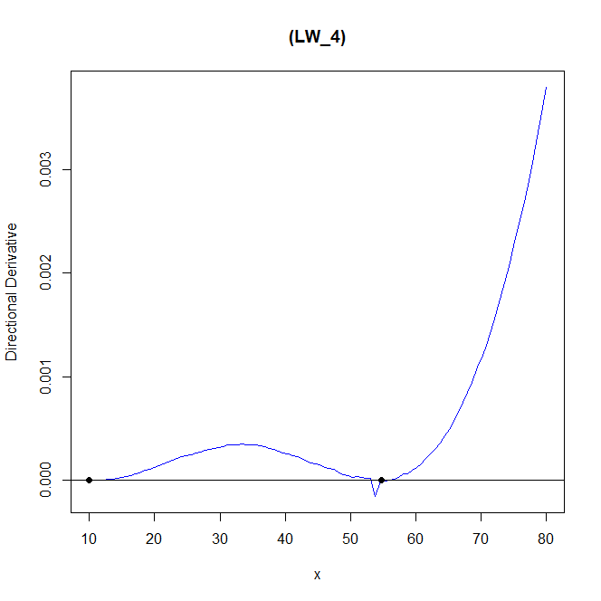

欄1 | 欄2 | 欄3 | 欄4 | 欄5 | 欄6 | 欄7
assumption | β0 | β1 | β2 |  | criterion value
model_1 | -5 | -1.5 | 0.05 |  | 0.0007241886 | 8.23E-06
model_2 | [-100,-10] | [0.1,5]
s | 5.9780103 |  |  |  | CPU time
 |  |  |  |  | 18598.84
 | dim_1 | weight
x1 | 10 | 0.009 |  |  | n
x2 | 10 | 0.588 |  |  | 64
x3 | 54.727 | 0.404 |  |  | PSO iter
 |  |  |  |  | 200
 | β0 | β1 | β2
model_1 | -5 | -1.5 | 0.05 |  | BFGS iter
model_2 | -77.28968 | 2.313875 |  |  | 20

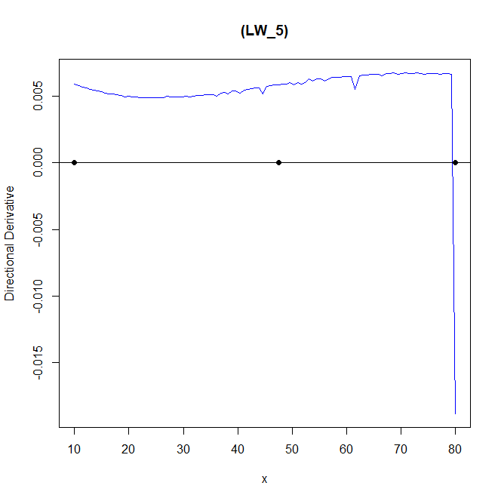

欄1 | 欄2 | 欄3 | 欄4 | 欄5 | 欄6 | 欄7
assumption | β0 | β1 | β2 |  | criterion value
model_1 | -5 | -1.5 | 0.05 |  | 0.0003214681 | -0.00467298
model_2 | [-100,-10] | [0.1,5]
s | 10.9780103 |  |  |  | CPU time
 |  |  |  |  | 102255.6
 | dim_1 | weight
x1 | 10 | 0.327 |  |  | n
x2 | 47.578 | 0.442 |  |  | 64
x3 | 80 | 0.232 |  |  | PSO iter
 |  |  |  |  | 200
 | β0 | β1 | β2
model_1 | -5 | -1.5 | 0.05 |  | BFGS iter
model_2 | -57.80828 | 1.783188 |  |  | 50

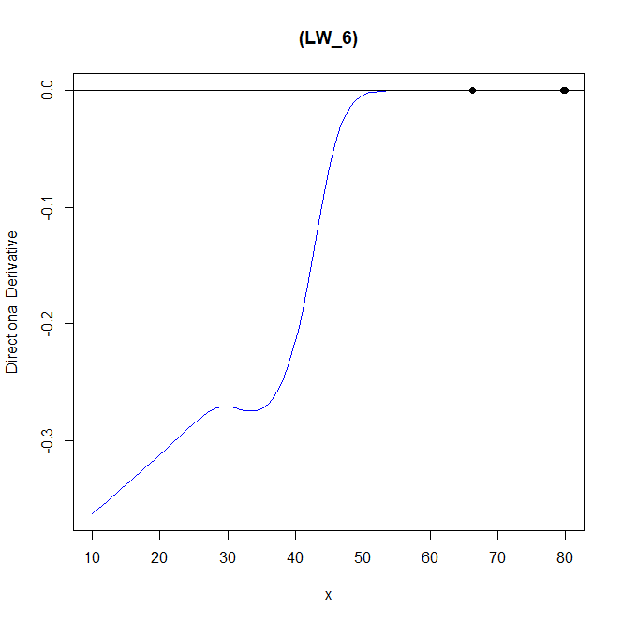

欄1 | 欄2 | 欄3 | 欄4 | 欄5 | 欄6 | 欄7
assumption | β0 | β1 | β2 |  | criterion value
model_1 | -5 | -1.5 | 0.05 |  | 0.5183063 | 0.5183063
model_2 | [-100,-10] | [0.1,5]
s_1 | 0.9780103 | s_2 | 10.9780103 |  | CPU time
 |  |  |  |  | 27307.88
 | dim_1 | weight
x1 | 66.317 | 1 |  |  | n
x2 | 79.752 | 0 |  |  | 64
x3 | 80 | 0 |  |  | PSO iter
 |  |  |  |  | 200
 | β0 | β1 | β2
model_1 | -5 | -1.5 | 0.05 |  | BFGS iter
model_2 | -55.7714 | 1.695735 |  |  | 50

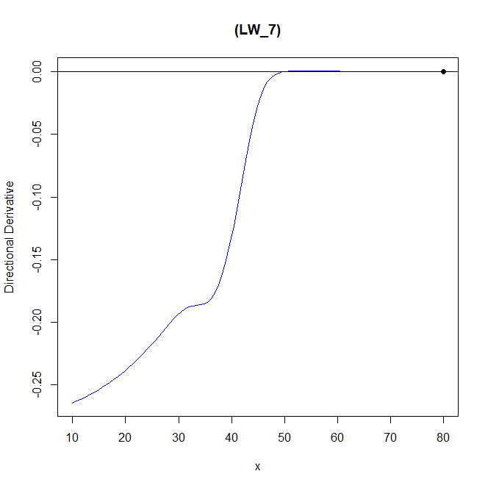

欄1 | 欄2 | 欄3 | 欄4 | 欄5 | 欄6 | 欄7
assumption | β0 | β1 | β2 |  | criterion value
model_1 | -5 | -1.5 | 0.05 |  | 0.5020049 | 0.2778147
model_2 | [-100,-10] | [0.1,5]
s_1 | 5.9780103 | s_2 | 0.9780103 |  | CPU time
 |  |  |  |  | 5620.45
 | dim_1 | weight
x1 | 80 | 0 |  |  | n
x2 | 80 | 0 |  |  | 64
x3 | 80 | 1 |  |  | PSO iter
 |  |  |  |  | 200
 | β0 | β1 | β2
model_1 | -5 | -1.5 | 0.05 |  | BFGS iter
model_2 | -75.78232 | 2.2997852 |  |  | 50

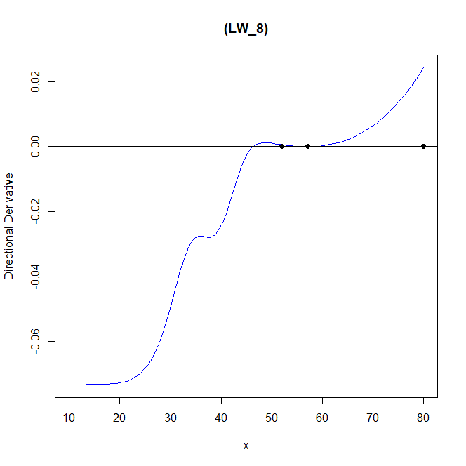

欄1 | 欄2 | 欄3 | 欄4 | 欄5 | 欄6 | 欄7
assumption | β0 | β1 | β2 |  | criterion value
model_1 | -5 | -1.5 | 0.05 |  | 0.07513389 | 0.07320962
model_2 | [-100,-10] | [0.1,5]
s_1 | 1.9780103 | s_2 | 0.9780103 |  | CPU time
 |  |  |  |  | 4342.73
 | dim_1 | weight
x1 | 52.005 | 0 |  |  | n
x2 | 57.073 | 1 |  |  | 64
x3 | 80 | 0 |  |  | PSO iter
 |  |  |  |  | 200
 | β0 | β1 | β2
model_1 | -5 | -1.5 | 0.05 |  | BFGS iter
model_2 | -66.58824 | 2.009653 |  |  | 50



欄1 | 欄2 | 欄3 | 欄4 | 欄5 | 欄6 | 欄7
assumption | β0 | β1 | β2 |  | criterion value
model_1 | -5 | -1.5 | 0.05 |  | 0.7049512 | 0.7049512
model_2 | [-100,-10] | [0.1,5]
s_1 | 0.9780103 | s_2 | 1.9780103 |  | CPU time
 |  |  |  |  | 2592.02
 | dim_1 | weight
x1 | 57.022 | 0 |  |  | n
x2 | 68.893 | 0 |  |  | 64
x3 | 72.433 | 1 |  |  | PSO iter
 |  |  |  |  | 200
 | β0 | β1 | β2
model_1 | -5 | -1.5 | 0.05 |  | BFGS iter
model_2 | -82.88351 | 4.69212 |  |  | 50

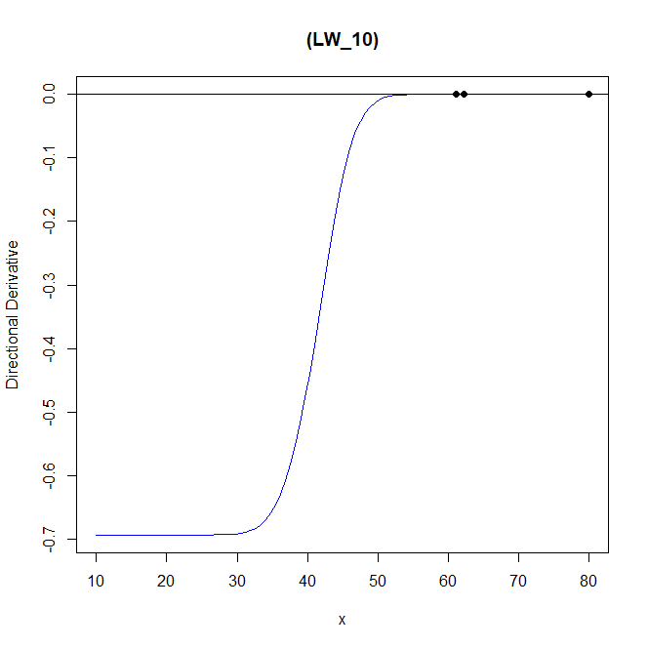

欄1 | 欄2 | 欄3 | 欄4 | 欄5 | 欄6 | 欄7
assumption | β0 | β1 | β2 |  | criterion value
model_1 | -5 | -1.5 | 0.05 |  | 0.04749945 | 0.04512838
model_2 | [-100,-10] | [0.1,5]
s_1 | 0.9780103 | s_2 | 1.4780103 |  | CPU time
 |  |  |  |  | 3315.76
 | dim_1 | weight
x1 | 61.118 | 0.726 |  |  | n
x2 | 62.214 | 0.126 |  |  | 64
x3 | 80 | 0.148 |  |  | PSO iter
 |  |  |  |  | 200
 | β0 | β1 | β2
model_1 | -5 | -1.5 | 0.05 |  | BFGS iter
model_2 | -62.08096 | 1.880006 |  |  | 50

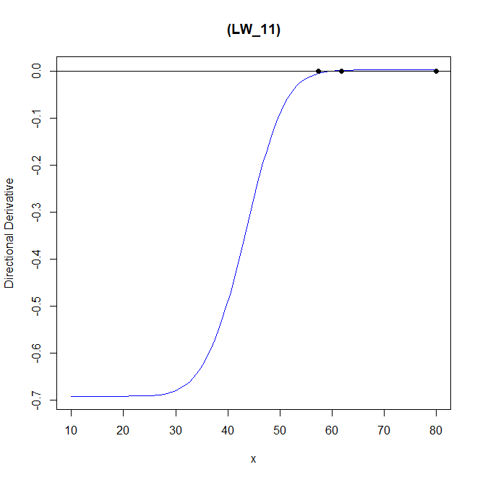

欄1 | 欄2 | 欄3 | 欄4 | 欄5 | 欄6 | 欄7
assumption | β0 | β1 | β2 |  | criterion value
model_1 | -5 | -1.5 | 0.05 |  | 0.03150239 | 0.03071495
model_2 | [-100,-10] | [0.1,5]
s_1 | 1.4780103 | s_2 | 0.9780103 |  | CPU time
 |  |  |  |  | 3583.25
 | dim_1 | weight
x1 | 57.404 | 0.288 |  |  | n
x2 | 61.771 | 0.217 |  |  | 64
x3 | 80 | 0.495 |  |  | PSO iter
 |  |  |  |  | 200
 | β0 | β1 | β2
model_1 | -5 | -1.5 | 0.05 |  | BFGS iter
model_2 | -62.48091 | 1.892189 |  |  | 50

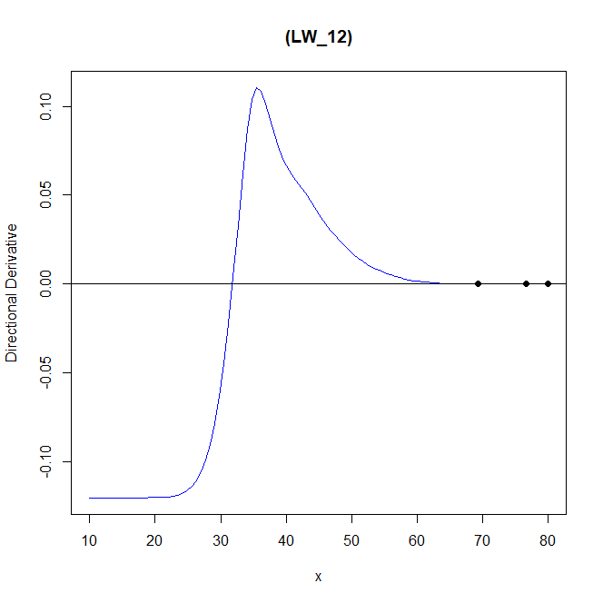

欄1 | 欄2 | 欄3 | 欄4 | 欄5 | 欄6 | 欄7
assumption | β0 | β1 | β2 |  | criterion value
model_1 | -5 | -1.5 | 0.05 |  | 0.6948634 | 0.1305101
model_2 | [-100,-10] | [0.1,5]
s_1 | 0.4780103 | s_2 | 0.9780103 |  | CPU time
 |  |  |  |  | 2607.94
 | dim_1 | weight
x1 | 69.351 | 0.856 |  |  | n
x2 | 76.607 | 0.031 |  |  | 64
x3 | 80 | 0.113 |  |  | PSO iter
 |  |  |  |  | 200
 | β0 | β1 | β2
model_1 | -5 | -1.5 | 0.05 |  | BFGS iter
model_2 | -84.95192 | 2.556184 |  |  | 50

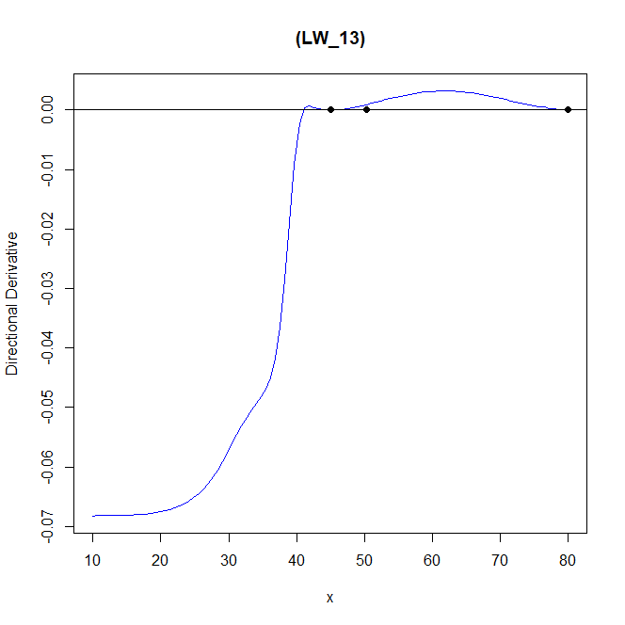

欄1 | 欄2 | 欄3 | 欄4 | 欄5 | 欄6 | 欄7
assumption | β0 | β1 | β2 |  | criterion value
model_1 | -5 | -1.5 | 0.05 |  | 0.08582296 | 0.684996
model_2 | [-100,-10] | [0.1,5]
s_1 | 0.9780103 | s_2 | 0.4780103 |  | CPU time
 |  |  |  |  | 3454.97
 | dim_1 | weight
x1 | 45.006 | 0.436 |  |  | n
x2 | 50.316 | 0 |  |  | 64
x3 | 80 | 0.564 |  |  | PSO iter
 |  |  |  |  | 200
 | β0 | β1 | β2
model_1 | -5 | -1.5 | 0.05 |  | BFGS iter
model_2 | -71.60858 | 2.536543 |  |  | 50

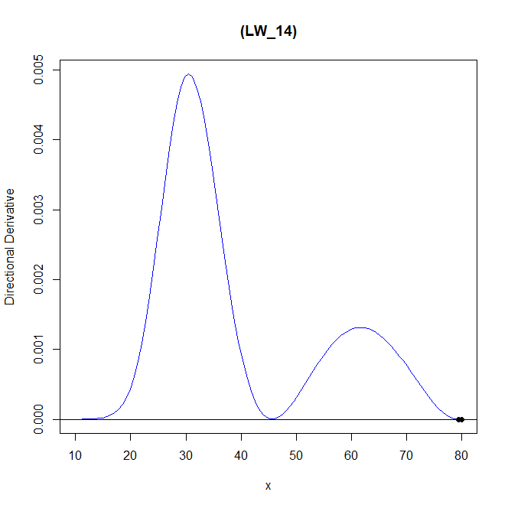

欄1 | 欄2 | 欄3 | 欄4 | 欄5 | 欄6 | 欄7
assumption | β0 | β1 | β2 |  | criterion value
model_1 | -5 | -1.5 | 0.05 |  | 0.6931487 | -2.67E-06
model_2 | [-100,-10] | [0.1,5]
s | 1.4780103 |  |  |  | CPU time
 |  |  |  |  | 3238.59
 | dim_1 | weight
x1 | 79.41 | 1 |  |  | n
x2 | 80 | 0 |  |  | 64
x3 | 80 | 0 |  |  | PSO iter
 |  |  |  |  | 200
 | β0 | β1 | β2
model_1 | -5 | -1.5 | 0.05 |  | BFGS iter
model_2 | -86.83016 | 2.631768 |  |  | 50

weibullweibull_censored_LW
 |  |  |  |  |  |  | Model 1 : p[1] + p[2] * (11605/(x+273.15)) + p[3] * (11605/(x+273.15))^2 | weibull
 |  |  |  |  |  |  | Model 2 : p[1] + p[2] * (11605/(x+273.15)) | weibull

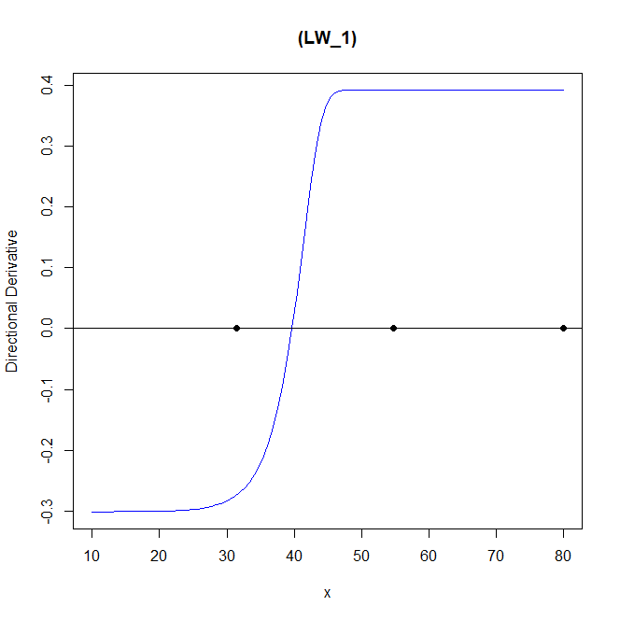

欄1 | 欄2 | 欄3 | 欄4 | 欄5 | 欄6 | 欄7
assumption | β0 | β1 | β2 |  | criterion value
model_1 | -5 | -1.5 | 0.05 |  | 0.008362646 | 0.0007824541
model_2 | [-100,-10] | [0.1,5]
s | 0.9780103 |  |  |  | CPU time
 |  |  |  |  | 2097.92
 | dim_1 | weight
x1 | 31.393 | 0.589 |  |  | n
x2 | 54.77 | 0.058 |  |  | 64
x3 | 80 | 0.353 |  |  | PSO iter
 |  |  |  |  | 200
 | β0 | β1 | β2
model_1 | -5 | -1.5 | 0.05 |  | BFGS iter
model_2 | -67.05622 | 2.03089 |  |  | 20

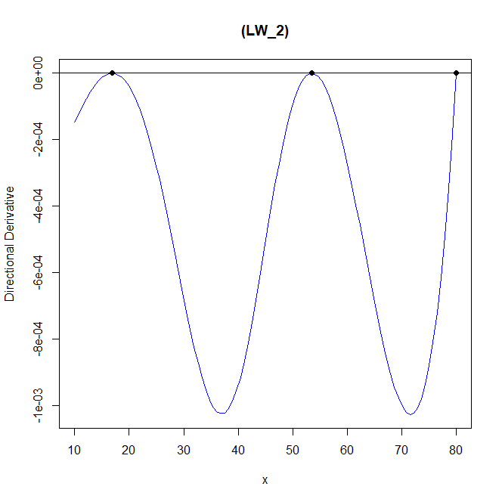

欄1 | 欄2 | 欄3 | 欄4 | 欄5 | 欄6 | 欄7
assumption | β0 | β1 | β2 |  | criterion value
model_1 | -5 | -1.5 | 0.05 |  | 0.001026533 | -0.0008273538
model_2 | [-100,-10] | [0.1,5]
s | 1.9780103 |  |  |  | CPU time
 |  |  |  |  | 32163.27
 | dim_1 | weight
x1 | 16.897 | 0.482 |  |  | n
x2 | 53.487 | 0.311 |  |  | 64
x3 | 80 | 0.207 |  |  | PSO iter
 |  |  |  |  | 200
 | β0 | β1 | β2
model_1 | -5 | -1.5 | 0.05 |  | BFGS iter
model_2 | -62.79633 | 1.90686 |  |  | 50

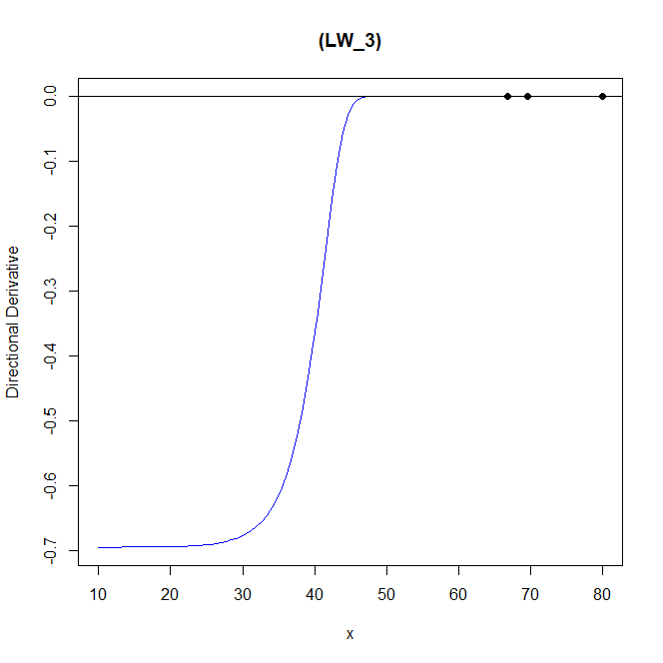

欄1 | 欄2 | 欄3 | 欄4 | 欄5 | 欄6 | 欄7
assumption | β0 | β1 | β2 |  | criterion value
model_1 | -5 | -1.5 | 0.05 |  | 0.6940217 | 0.6940217
model_2 | [-100,-10] | [0.1,5]
s | 0.9780103 |  |  |  | CPU time
 |  |  |  |  | 3175.08
 | dim_1 | weight
x1 | 66.764 | 0.001 |  |  | n
x2 | 69.61 | 0.998 |  |  | 64
x3 | 80 | 0.001 |  |  | PSO iter
 |  |  |  |  | 200
 | β0 | β1 | β2
model_1 | -5 | -1.5 | 0.05 |  | BFGS iter
model_2 | -67.98433 | 2.751135 |  |  | 50

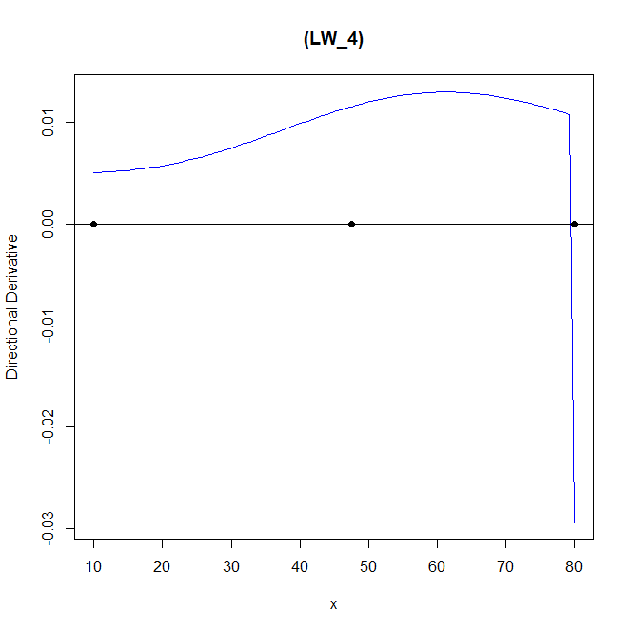

欄1 | 欄2 | 欄3 | 欄4 | 欄5 | 欄6 | 欄7
assumption | β0 | β1 | β2 |  | criterion value
model_1 | -5 | -1.5 | 0.05 |  | 0.0003214681 | -0.005707187
model_2 | [-100,-10] | [0.1,5]
s | 5.9780103 |  |  |  | CPU time
 |  |  |  |  | 102255.6
 | dim_1 | weight
x1 | 10 | 0.327 |  |  | n
x2 | 47.578 | 0.442 |  |  | 64
x3 | 80 | 0.232 |  |  | PSO iter
 |  |  |  |  | 200
 | β0 | β1 | β2
model_1 | -5 | -1.5 | 0.05 |  | BFGS iter
model_2 | -55.08548 | 1.705136 |  |  | 50

欄1 | 欄2 | 欄3 | 欄4 | 欄5 | 欄6 | 欄7
assumption | β0 | β1 | β2 |  | criterion value
model_1 | -5 | -1.5 | 0.05 |  | ? | ?
model_2 | [-100,-10] | [0.1,5]
s | 10.9780103 |  |  |  | CPU time
 |  |  |  |  | ?
 | dim_1 | weight
x1 | ? | ? |  |  | n
x2 | ? | ? |  |  | 64
x3 | ? | ? |  |  | PSO iter
 |  |  |  |  | 200
 | β0 | β1 | β2
model_1 | -5 | -1.5 | 0.05 |  | BFGS iter
model_2 | ? | ? |  |  | 2

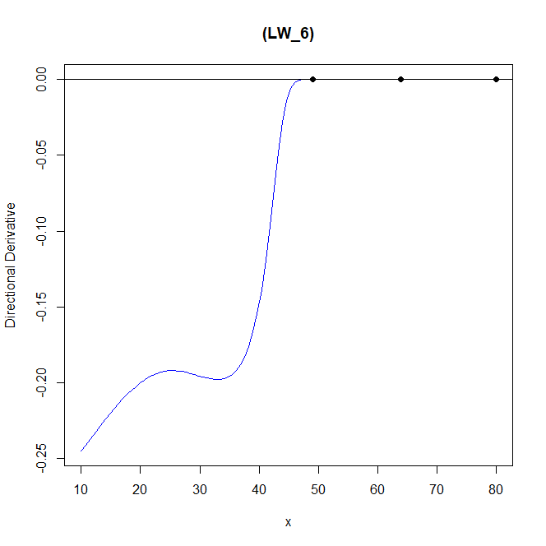

欄1 | 欄2 | 欄3 | 欄4 | 欄5 | 欄6 | 欄7
assumption | β0 | β1 | β2 |  | criterion value
model_1 | -5 | -1.5 | 0.05 |  | 0.4957789
model_2 | [-100,-10] | [0.1,5]
s_1 | 0.9780103 | s_2 | 10.9780103 |  | CPU time
 |  |  |  |  | 64849.07
 | dim_1 | weight
x1 | 49.129 | 0.229 |  |  | n
x2 | 63.96 | 0.513 |  |  | 64
x3 | 80 | 0.257 |  |  | PSO iter
 |  |  |  |  | 200
 | β0 | β1 | β2
model_1 | -5 | -1.5 | 0.05 |  | BFGS iter
model_2 | -65.35422 | 1.945071 |  |  | 50

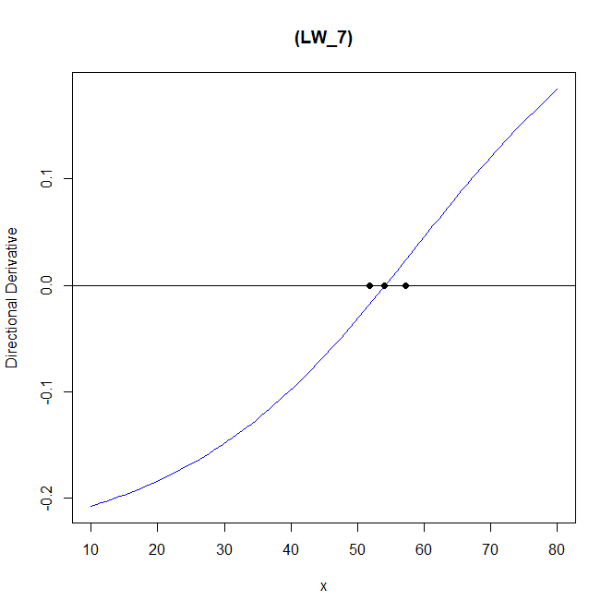

欄1 | 欄2 | 欄3 | 欄4 | 欄5 | 欄6 | 欄7
assumption | β0 | β1 | β2 |  | criterion value
model_1 | -5 | -1.5 | 0.05 |  | 0.2693261 | 0.2647025
model_2 | [-100,-10] | [0.1,5]
s_1 | 5.9780103 | s_2 | 0.9780103 |  | CPU time
 |  |  |  |  | 25479.19
 | dim_1 | weight
x1 | 51.869 | 0.278 |  |  | n
x2 | 54.036 | 0.497 |  |  | 64
x3 | 57.307 | 0.225 |  |  | PSO iter
 |  |  |  |  | 200
 | β0 | β1 | β2
model_1 | -5 | -1.5 | 0.05 |  | BFGS iter
model_2 | -80.15107 | 2.404333 |  |  | 50

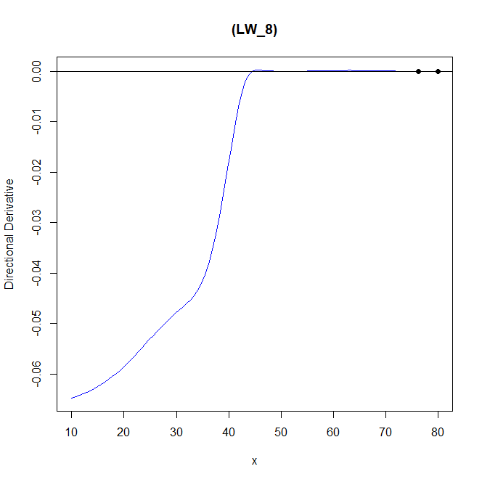

欄1 | 欄2 | 欄3 | 欄4 | 欄5 | 欄6 | 欄7
assumption | β0 | β1 | β2 |  | criterion value
model_1 | -5 | -1.5 | 0.05 |  | 0.6931715 | 0.06644614
model_2 | [-100,-10] | [0.1,5]
s_1 | 1.9780103 | s_2 | 0.9780103 |  | CPU time
 |  |  |  |  | 2496.7
 | dim_1 | weight
x1 | 76.217 | 1 |  |  | n
x2 | 80 | 0 |  |  | 64
x3 | 80 | 0 |  |  | PSO iter
 |  |  |  |  | 200
 | β0 | β1 | β2
model_1 | -5 | -1.5 | 0.05 |  | BFGS iter
model_2 | -66.54866 | 2.01986 |  |  | 50

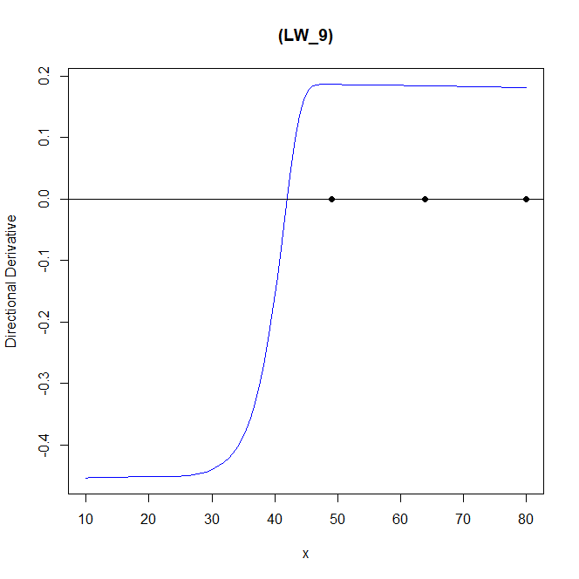
欄1 | 欄2 | 欄3 | 欄4 | 欄5 | 欄6 | 欄7
assumption | β0 | β1 | β2 |  | criterion value
model_1 | -5 | -1.5 | 0.05 |  | 0.4957789
model_2 | [-100,-10] | [0.1,5]
s_1 | 0.9780103 | s_2 | 1.9780103 |  | CPU time
 |  |  |  |  | 666111.29
 | dim_1 | weight
x1 | 49.129 | 0.23 |  |  | n
x2 | 63.954 | 0.513 |  |  | 64
x3 | 80 | 0.257 |  |  | PSO iter
 |  |  |  |  | 200
 | β0 | β1 | β2
model_1 | -5 | -1.5 | 0.05 |  | BFGS iter
model_2 | -65.29537 | 1.943407 |  |  | 50


欄1 | 欄2 | 欄3 | 欄4 | 欄5 | 欄6 | 欄7
assumption | β0 | β1 | β2 |  | criterion value
model_1 | -5 | -1.5 | 0.05 |  | 0.03858309 | 0.03656933
model_2 | [-100,-10] | [0.1,5]
s_1 | 0.9780103 | s_2 | 1.4780103 |  | CPU time
 |  |  |  |  | 5096.6
 | dim_1 | weight
x1 | 31.711 | 0.203 |  |  | n
x2 | 59.803 | 0.533 |  |  | 64
x3 | 80 | 0.265 |  |  | PSO iter
 |  |  |  |  | 200
 | β0 | β1 | β2
model_1 | -5 | -1.5 | 0.05 |  | BFGS iter
model_2 | -70.21087 | 2.11375 |  |  | 50



欄1 | 欄2 | 欄3 | 欄4 | 欄5 | 欄6 | 欄7
assumption | β0 | β1 | β2 |  | criterion value
model_1 | -5 | -1.5 | 0.05 |  | 0.02840003 | 0.6931469
model_2 | [-100,-10] | [0.1,5]
s_1 | 1.4780103 | s_2 | 0.9780103 |  | CPU time
 |  |  |  |  | 4658.52
 | dim_1 | weight
x1 | 62.798 | 0.583 |  |  | n
x2 | 65.451 | 0.33 |  |  | 64
x3 | 80 | 0.087 |  |  | PSO iter
 |  |  |  |  | 200
 | β0 | β1 | β2
model_1 | -5 | -1.5 | 0.05 |  | BFGS iter
model_2 | -59.23355 | 2.380478 |  |  | 50



欄1 | 欄2 | 欄3 | 欄4 | 欄5 | 欄6 | 欄7
assumption | β0 | β1 | β2 |  | criterion value
model_1 | -5 | -1.5 | 0.05 |  | 0.3514087 | 0.6931471
model_2 | [-100,-10] | [0.1,5]
s_1 | 0.4780103 | s_2 | 0.9780103 |  | CPU time
 |  |  |  |  | 3694.3
 | dim_1 | weight
x1 | 74.778 | 0.03 |  |  | n
x2 | 75.283 | 0.477 |  |  | 64
x3 | 75.604 | 0.493 |  |  | PSO iter
 |  |  |  |  | 200
 | β0 | β1 | β2
model_1 | -5 | -1.5 | 0.05 |  | BFGS iter
model_2 | -40.06795 | 1.937173 |  |  | 50



欄1 | 欄2 | 欄3 | 欄4 | 欄5 | 欄6 | 欄7
assumption | β0 | β1 | β2 |  | criterion value
model_1 | -5 | -1.5 | 0.05 |  | 0.07034697 | 0.5957943
model_2 | [-100,-10] | [0.1,5]
s_1 | 0.9780103 | s_2 | 0.4780103 |  | CPU time
 |  |  |  |  | 4720.86
 | dim_1 | weight
x1 | 41.785 | 0.462 |  |  | n
x2 | 60.771 | 0.538 |  |  | 64
x3 | 80 | 0 |  |  | PSO iter
 |  |  |  |  | 200
 | β0 | β1 | β2
model_1 | -5 | -1.5 | 0.05 |  | BFGS iter
model_2 | -73.37169 | 2.611206 |  |  | 50



欄1 | 欄2 | 欄3 | 欄4 | 欄5 | 欄6 | 欄7
assumption | β0 | β1 | β2 |  | criterion value
model_1 | -5 | -1.5 | 0.05 |  | 0.6931668 | -8.07E-06
model_2 | [-100,-10] | [0.1,5]
s | 1.4780103 |  |  |  | CPU time
 |  |  |  |  | 5287.5
 | dim_1 | weight
x1 | 58.379 | 0.001 |  |  | n
x2 | 59.356 | 0.989 |  |  | 64
x3 | 80 | 0.01 |  |  | PSO iter
 |  |  |  |  | 200
 | β0 | β1 | β2
model_1 | -5 | -1.5 | 0.05 |  | BFGS iter
model_2 | -62.16154 | 1.882883 |  |  | 50

loglog_censored_B
 |  |  |  |  |  |  | Model 1 : p[1] + p[2] * (11605/(x+273.15)) + p[3] * (11605/(x+273.15))^2 | log-normal
 |  |  |  |  |  |  | Model 2 : p[1] + p[2] * (11605/(x+273.15)) | log-normal


欄1 | 欄2 | 欄3 | 欄4 | 欄5 | 欄6 | 欄7
assumption | β0 | β1 | β2 |  | criterion value
model_1 | -5 | -1.5 | 0.05 |  | 1 | 2.11E-08
model_2 | [-100,-10] | [0.1,5]
s | 0.9780103 |  |  |  | CPU time
 |  |  |  |  | 143.42
 | dim_1 | weight
x1 | 10 | 0 |  |  | n
x2 | 10 | 0.004 |  |  | 64
x3 | 10 | 0.996 |  |  | PSO iter
 |  |  |  |  | 200
 | β0 | β1 | β2
model_1 | -5 | -1.5 | 0.05 |  | BFGS iter
model_2 | -79.37073 | 1.952651 |  |  | 20


欄1 | 欄2 | 欄3 | 欄4 | 欄5 | 欄6 | 欄7
assumption | β0 | β1 | β2 |  | criterion value
model_1 | -5 | -1.5 | 0.05 |  | 0.9999986 | 1.81E-43
model_2 | [-100,-10] | [0.1,5]
s | 1.9780103 |  |  |  | CPU time
 |  |  |  |  | 307.77
 | dim_1 | weight
x1 | 10 | 0.037 |  |  | n
x2 | 10 | 0.225 |  |  | 64
x3 | 10 | 0.738 |  |  | PSO iter
 |  |  |  |  | 200
 | β0 | β1 | β2
model_1 | -5 | -1.5 | 0.05 |  | BFGS iter
model_2 | -65.13341 | 0.7573708 |  |  | 50


欄1 | 欄2 | 欄3 | 欄4 | 欄5 | 欄6 | 欄7
assumption | β0 | β1 | β2 |  | criterion value
model_1 | -5 | -1.5 | 0.05 |  | 1 | 1
model_2 | [-100,-10] | [0.1,5]
s | 0.9780103 |  |  |  | CPU time
 |  |  |  |  | 318.65
 | dim_1 | weight
x1 | 10 | 0.001 |  |  | n
x2 | 10 | 0.21 |  |  | 64
x3 | 10 | 0.789 |  |  | PSO iter
 |  |  |  |  | 200
 | β0 | β1 | β2
model_1 | -5 | -1.5 | 0.05 |  | BFGS iter
model_2 | -83.78664 | 3.896189 |  |  | 50



欄1 | 欄2 | 欄3 | 欄4 | 欄5 | 欄6 | 欄7
assumption | β0 | β1 | β2 |  | criterion value
model_1 | -5 | -1.5 | 0.05 |  | 4.36E-13 | 6.70E-26
model_2 | [-100,-10] | [0.1,5]
s | 5.9780103 |  |  |  | CPU time
 |  |  |  |  | 1609.64
 | dim_1 | weight
x1 | 10 | 0 |  |  | n
x2 | 20.414 | 1 |  |  | 64
x3 | 20.415 | 0 |  |  | PSO iter
 |  |  |  |  | 200
 | β0 | β1 | β2
model_1 | -5 | -1.5 | 0.05 |  | BFGS iter
model_2 | -92.32904 | 0.1293108 |  |  | 20



欄1 | 欄2 | 欄3 | 欄4 | 欄5 | 欄6 | 欄7
assumption | β0 | β1 | β2 |  | criterion value
model_1 | -5 | -1.5 | 0.05 |  | 0 | 2.98E-10
model_2 | [-100,-10] | [0.1,5]
s | 10.9780103 |  |  |  | CPU time
 |  |  |  |  | 315.59
 | dim_1 | weight
x1 | 29.672 | 0.621 |  |  | n
x2 | 67.096 | 0.198 |  |  | 64
x3 | 74.092 | 0.18 |  |  | PSO iter
 |  |  |  |  | 200
 | β0 | β1 | β2
model_1 | -5 | -1.5 | 0.05 |  | BFGS iter
model_2 | -99.97428 | 0.1000769 |  |  | 50



欄1 | 欄2 | 欄3 | 欄4 | 欄5 | 欄6 | 欄7
assumption | β0 | β1 | β2 |  | criterion value
model_1 | -5 | -1.5 | 0.05 |  | 1.91E-07 | 7.31E-10
model_2 | [-100,-10] | [0.1,5]
s_1 | 0.9780103 | s_2 | 10.9780103 |  | CPU time
 |  |  |  |  | 4051.09
 | dim_1 | weight
x1 | 31.243 | 0 |  |  | n
x2 | 49.233 | 0 |  |  | 64
x3 | 66.595 | 1 |  |  | PSO iter
 |  |  |  |  | 200
 | β0 | β1 | β2
model_1 | -5 | -1.5 | 0.05 |  | BFGS iter
model_2 | -99.99825 | 0.1000521 |  |  | 50



欄1 | 欄2 | 欄3 | 欄4 | 欄5 | 欄6 | 欄7
assumption | β0 | β1 | β2 |  | criterion value
model_1 | -5 | -1.5 | 0.05 |  | 0 | 0
model_2 | [-100,-10] | [0.1,5]
s_1 | 5.9780103 | s_2 | 0.9780103 |  | CPU time
 |  |  |  |  | 346.77
 | dim_1 | weight
x1 | 20.8 | 0.111 |  |  | n
x2 | 26.185 | 0.876 |  |  | 64
x3 | 65.624 | 0.013 |  |  | PSO iter
 |  |  |  |  | 200
 | β0 | β1 | β2
model_1 | -5 | -1.5 | 0.05 |  | BFGS iter
model_2 | -77.02114 | 0.9831164 |  |  | 50



欄1 | 欄2 | 欄3 | 欄4 | 欄5 | 欄6 | 欄7
assumption | β0 | β1 | β2 |  | criterion value
model_1 | -5 | -1.5 | 0.05 |  | 0.9999986 | 9.04E-60
model_2 | [-100,-10] | [0.1,5]
s_1 | 1.9780103 | s_2 | 0.9780103 |  | CPU time
 |  |  |  |  | 320.32
 | dim_1 | weight
x1 | 10 | 0.018 |  |  | n
x2 | 10 | 0.328 |  |  | 64
x3 | 10 | 0.654 |  |  | PSO iter
 |  |  |  |  | 200
 | β0 | β1 | β2
model_1 | -5 | -1.5 | 0.05 |  | BFGS iter
model_2 | -80.85619 | 1.49193 |  |  | 50



欄1 | 欄2 | 欄3 | 欄4 | 欄5 | 欄6 | 欄7
assumption | β0 | β1 | β2 |  | criterion value
model_1 | -5 | -1.5 | 0.05 |  | 1 | 1
model_2 | [-100,-10] | [0.1,5]
s_1 | 0.9780103 | s_2 | 1.9780103 |  | CPU time
 |  |  |  |  | 2592.02
 | dim_1 | weight
x1 | 10 | 0.042 |  |  | n
x2 | 10 | 0.058 |  |  | 64
x3 | 10 | 0.9 |  |  | PSO iter
 |  |  |  |  | 200
 | β0 | β1 | β2
model_1 | -5 | -1.5 | 0.05 |  | BFGS iter
model_2 | -62.98025 | 3.690568 |  |  | 50



欄1 | 欄2 | 欄3 | 欄4 | 欄5 | 欄6 | 欄7
assumption | β0 | β1 | β2 |  | criterion value
model_1 | -5 | -1.5 | 0.05 |  | 1 | 1.76E-116
model_2 | [-100,-10] | [0.1,5]
s_1 | 0.9780103 | s_2 | 1.4780103 |  | CPU time
 |  |  |  |  | 333.47
 | dim_1 | weight
x1 | 10 | 0.004 |  |  | n
x2 | 10 | 0.355 |  |  | 64
x3 | 10 | 0.641 |  |  | PSO iter
 |  |  |  |  | 200
 | β0 | β1 | β2
model_1 | -5 | -1.5 | 0.05 |  | BFGS iter
model_2 | -77.23278 | 0.9030938 |  |  | 50



欄1 | 欄2 | 欄3 | 欄4 | 欄5 | 欄6 | 欄7
assumption | β0 | β1 | β2 |  | criterion value
model_1 | -5 | -1.5 | 0.05 |  | 0 | 0.2559033
model_2 | [-100,-10] | [0.1,5]
s_1 | 1.4780103 | s_2 | 0.9780103 |  | CPU time
 |  |  |  |  | 443.16
 | dim_1 | weight
x1 | 15.502 | 0.088 |  |  | n
x2 | 40.168 | 0.276 |  |  | 64
x3 | 76.326 | 0.637 |  |  | PSO iter
 |  |  |  |  | 200
 | β0 | β1 | β2
model_1 | -5 | -1.5 | 0.05 |  | BFGS iter
model_2 | -43.56073 | 2.292425 |  |  | 50



欄1 | 欄2 | 欄3 | 欄4 | 欄5 | 欄6 | 欄7
assumption | β0 | β1 | β2 |  | criterion value
model_1 | -5 | -1.5 | 0.05 |  | 1 | 1
model_2 | [-100,-10] | [0.1,5]
s_1 | 0.4780103 | s_2 | 0.9780103 |  | CPU time
 |  |  |  |  | 333.25
 | dim_1 | weight
x1 | 10 | 0.336 |  |  | n
x2 | 10 | 0.527 |  |  | 64
x3 | 13.664 | 0.137 |  |  | PSO iter
 |  |  |  |  | 200
 | β0 | β1 | β2
model_1 | -5 | -1.5 | 0.05 |  | BFGS iter
model_2 | -12.40755 | 4.678034 |  |  | 50



欄1 | 欄2 | 欄3 | 欄4 | 欄5 | 欄6 | 欄7
assumption | β0 | β1 | β2 |  | criterion value
model_1 | -5 | -1.5 | 0.05 |  | 0 | 2.07E-20
model_2 | [-100,-10] | [0.1,5]
s_1 | 0.9780103 | s_2 | 0.4780103 |  | CPU time
 |  |  |  |  | 315.59
 | dim_1 | weight
x1 | 29.672 | 0.621 |  |  | n
x2 | 67.096 | 0.198 |  |  | 64
x3 | 74.092 | 0.18 |  |  | PSO iter
 |  |  |  |  | 200
 | β0 | β1 | β2
model_1 | -5 | -1.5 | 0.05 |  | BFGS iter
model_2 | -88.60408 | 2.236786 |  |  | 50



欄1 | 欄2 | 欄3 | 欄4 | 欄5 | 欄6 | 欄7
assumption | β0 | β1 | β2 |  | criterion value
model_1 | -5 | -1.5 | 0.05 |  | 4.66E-75 | 1.00E+00
model_2 | [-100,-10] | [0.1,5]
s | 1.4780103 |  |  |  | CPU time
 |  |  |  |  | 335.67
 | dim_1 | weight
x1 | 21.036 | 1 |  |  | n
x2 | 37.942 | 0 |  |  | 64
x3 | 43.839 | 0 |  |  | PSO iter
 |  |  |  |  | 200
 | β0 | β1 | β2
model_1 | -5 | -1.5 | 0.05 |  | BFGS iter
model_2 | -50.86369 | 2.922049 |  |  | 50

weibullweibull_censored_B
 |  |  |  |  |  |  | Model 1 : p[1] + p[2] * (11605/(x+273.15)) + p[3] * (11605/(x+273.15))^2 | weibull
 |  |  |  |  |  |  | Model 2 : p[1] + p[2] * (11605/(x+273.15)) | weibull



欄1 | 欄2 | 欄3 | 欄4 | 欄5 | 欄6 | 欄7
assumption | β0 | β1 | β2 |  | criterion value
model_1 | -5 | -1.5 | 0.05 |  | 0.9999493 | 0
model_2 | [-100,-10] | [0.1,5]
s | 0.9780103 |  |  |  | CPU time
 |  |  |  |  | 237.17
 | dim_1 | weight
x1 | 10 | 0.016 |  |  | n
x2 | 10 | 0.363 |  |  | 64
x3 | 10 | 0.621 |  |  | PSO iter
 |  |  |  |  | 200
 | β0 | β1 | β2
model_1 | -5 | -1.5 | 0.05 |  | BFGS iter
model_2 | -73.99498 | 1.011386 |  |  | 20



欄1 | 欄2 | 欄3 | 欄4 | 欄5 | 欄6 | 欄7
assumption | β0 | β1 | β2 |  | criterion value
model_1 | -5 | -1.5 | 0.05 |  | 0 | 0
model_2 | [-100,-10] | [0.1,5]
s | 1.9780103 |  |  |  | CPU time
 |  |  |  |  | 1871.22
 | dim_1 | weight
x1 | 11.969 | 0.432 |  |  | n
x2 | 22.932 | 0.001 |  |  | 64
x3 | 40.06 | 0.567 |  |  | PSO iter
 |  |  |  |  | 200
 | β0 | β1 | β2
model_1 | -5 | -1.5 | 0.05 |  | BFGS iter
model_2 | -77.06439 | 1.004157 |  |  | 50


欄1 | 欄2 | 欄3 | 欄4 | 欄5 | 欄6 | 欄7
assumption | β0 | β1 | β2 |  | criterion value
model_1 | -5 | -1.5 | 0.05 |  | 0 | 0
model_2 | [-100,-10] | [0.1,5]
s | 0.9780103 |  |  |  | CPU time
 |  |  |  |  | 548.61
 | dim_1 | weight
x1 | 13.011 | 0.715 |  |  | n
x2 | 31.319 | 0.02 |  |  | 64
x3 | 72.62 | 0.265 |  |  | PSO iter
 |  |  |  |  | 200
 | β0 | β1 | β2
model_1 | -5 | -1.5 | 0.05 |  | BFGS iter
model_2 | -98.11194 | 1.771063 |  |  | 50


欄1 | 欄2 | 欄3 | 欄4 | 欄5 | 欄6 | 欄7
assumption | β0 | β1 | β2 |  | criterion value
model_1 | -5 | -1.5 | 0.05 |  | 0 | 0
model_2 | [-100,-10] | [0.1,5]
s | 5.9780103 |  |  |  | CPU time
 |  |  |  |  | 6781.37
 | dim_1 | weight
x1 | 19.892 | 0.102 |  |  | n
x2 | 36.302 | 0.699 |  |  | 64
x3 | 58.222 | 0.199 |  |  | PSO iter
 |  |  |  |  | 200
 | β0 | β1 | β2
model_1 | -5 | -1.5 | 0.05 |  | BFGS iter
model_2 | -90.10414 | 1.257617 |  |  | 50



欄1 | 欄2 | 欄3 | 欄4 | 欄5 | 欄6 | 欄7
assumption | β0 | β1 | β2 |  | criterion value
model_1 | -5 | -1.5 | 0.05 |  | 0 | 0
model_2 | [-100,-10] | [0.1,5]
s | 10.9780103 |  |  |  | CPU time
 |  |  |  |  | 10143.59
 | dim_1 | weight
x1 | 28.098 | 0.106 |  |  | n
x2 | 40.154 | 0.354 |  |  | 64
x3 | 74.554 | 0.264 |  |  | PSO iter
 |  |  |  |  | 200
 | β0 | β1 | β2
model_1 | -5 | -1.5 | 0.05 |  | BFGS iter
model_2 | -93.1311 | 0.1898115 |  |  | 50



欄1 | 欄2 | 欄3 | 欄4 | 欄5 | 欄6 | 欄7
assumption | β0 | β1 | β2 |  | criterion value
model_1 | -5 | -1.5 | 0.05 |  | 0 | 0
model_2 | [-100,-10] | [0.1,5]
s_1 | 0.9780103 | s_2 | 10.9780103 |  | CPU time
 |  |  |  |  | 8407.22
 | dim_1 | weight
x1 | 31.577 | 0 |  |  | n
x2 | 59.569 | 0 |  |  | 64
x3 | 65.736 | 1 |  |  | PSO iter
 |  |  |  |  | 200
 | β0 | β1 | β2
model_1 | -5 | -1.5 | 0.05 |  | BFGS iter
model_2 | -92.50233 | 0.3939637 |  |  | 50



欄1 | 欄2 | 欄3 | 欄4 | 欄5 | 欄6 | 欄7
assumption | β0 | β1 | β2 |  | criterion value
model_1 | -5 | -1.5 | 0.05 |  | 0 | 0
model_2 | [-100,-10] | [0.1,5]
s_1 | 5.9780103 | s_2 | 0.9780103 |  | CPU time
 |  |  |  |  | 918.64
 | dim_1 | weight
x1 | 31.364 | 0.132 |  |  | n
x2 | 76.21 | 0.453 |  |  | 64
x3 | 77.366 | 0.415 |  |  | PSO iter
 |  |  |  |  | 200
 | β0 | β1 | β2
model_1 | -5 | -1.5 | 0.05 |  | BFGS iter
model_2 | -76.38101 | 1.119306 |  |  | 50



欄1 | 欄2 | 欄3 | 欄4 | 欄5 | 欄6 | 欄7
assumption | β0 | β1 | β2 |  | criterion value
model_1 | -5 | -1.5 | 0.05 |  | 0 | 0
model_2 | [-100,-10] | [0.1,5]
s_1 | 1.9780103 | s_2 | 0.9780103 |  | CPU time
 |  |  |  |  | 1120.22
 | dim_1 | weight
x1 | 34.337 | 0.118 |  |  | n
x2 | 71.517 | 0.545 |  |  | 64
x3 | 79.083 | 0.338 |  |  | PSO iter
 |  |  |  |  | 200
 | β0 | β1 | β2
model_1 | -5 | -1.5 | 0.05 |  | BFGS iter
model_2 | -78.48352 | 1.189625 |  |  | 50



欄1 | 欄2 | 欄3 | 欄4 | 欄5 | 欄6 | 欄7
assumption | β0 | β1 | β2 |  | criterion value
model_1 | -5 | -1.5 | 0.05 |  | 0 | 0
model_2 | [-100,-10] | [0.1,5]
s_1 | 0.9780103 | s_2 | 1.9780103 |  | CPU time
 |  |  |  |  | 1452.48
 | dim_1 | weight
x1 | 25.219 | 0.127 |  |  | n
x2 | 33.485 | 0.763 |  |  | 64
x3 | 72.658 | 0.11 |  |  | PSO iter
 |  |  |  |  | 200
 | β0 | β1 | β2
model_1 | -5 | -1.5 | 0.05 |  | BFGS iter
model_2 | -63.61006 | 0.8578496 |  |  | 50



欄1 | 欄2 | 欄3 | 欄4 | 欄5 | 欄6 | 欄7
assumption | β0 | β1 | β2 |  | criterion value
model_1 | -5 | -1.5 | 0.05 |  | 0 | 0
model_2 | [-100,-10] | [0.1,5]
s_1 | 0.9780103 | s_2 | 1.4780103 |  | CPU time
 |  |  |  |  | 444.93
 | dim_1 | weight
x1 | 22.499 | 0.144 |  |  | n
x2 | 23.034 | 0.322 |  |  | 64
x3 | 43.321 | 0.534 |  |  | PSO iter
 |  |  |  |  | 200
 | β0 | β1 | β2
model_1 | -5 | -1.5 | 0.05 |  | BFGS iter
model_2 | -67.23848 | 0.8870983 |  |  | 50



欄1 | 欄2 | 欄3 | 欄4 | 欄5 | 欄6 | 欄7
assumption | β0 | β1 | β2 |  | criterion value
model_1 | -5 | -1.5 | 0.05 |  | 0.998863 | 0.998863
model_2 | [-100,-10] | [0.1,5]
s_1 | 1.4780103 | s_2 | 0.9780103 |  | CPU time
 |  |  |  |  | 705.6
 | dim_1 | weight
x1 | 10 | 0.057 |  |  | n
x2 | 10 | 0.419 |  |  | 64
x3 | 10 | 0.524 |  |  | PSO iter
 |  |  |  |  | 200
 | β0 | β1 | β2
model_1 | -5 | -1.5 | 0.05 |  | BFGS iter
model_2 | -58.7742 | 3.780093 |  |  | 50



欄1 | 欄2 | 欄3 | 欄4 | 欄5 | 欄6 | 欄7
assumption | β0 | β1 | β2 |  | criterion value
model_1 | -5 | -1.5 | 0.05 |  | 0 | 2.87E-17
model_2 | [-100,-10] | [0.1,5]
s_1 | 0.4780103 | s_2 | 0.9780103 |  | CPU time
 |  |  |  |  | 517.81
 | dim_1 | weight
x1 | 48.499 | 0.007 |  |  | n
x2 | 55.901 | 0.823 |  |  | 64
x3 | 62.657 | 0.17 |  |  | PSO iter
 |  |  |  |  | 200
 | β0 | β1 | β2
model_1 | -5 | -1.5 | 0.05 |  | BFGS iter
model_2 | -43.88435 | 3.504631 |  |  | 50



欄1 | 欄2 | 欄3 | 欄4 | 欄5 | 欄6 | 欄7
assumption | β0 | β1 | β2 |  | criterion value
model_1 | -5 | -1.5 | 0.05 |  | 0.9999493 | 0.9999493
model_2 | [-100,-10] | [0.1,5]
s_1 | 0.9780103 | s_2 | 0.4780103 |  | CPU time
 |  |  |  |  | 551.11
 | dim_1 | weight
x1 | 10 | 1 |  |  | n
x2 | 46.047 | 0 |  |  | 64
x3 | 70.919 | 0 |  |  | PSO iter
 |  |  |  |  | 200
 | β0 | β1 | β2
model_1 | -5 | -1.5 | 0.05 |  | BFGS iter
model_2 | -52.59306 | 3.172996 |  |  | 50


欄1 | 欄2 | 欄3 | 欄4 | 欄5 | 欄6 | 欄7
assumption | β0 | β1 | β2 |  | criterion value
model_1 | -5 | -1.5 | 0.05 |  | 0 | 0
model_2 | [-100,-10] | [0.1,5]
s | 1.4780103 |  |  |  | CPU time
 |  |  |  |  | 442.61
 | dim_1 | weight
x1 | 11.236 | 0.127 |  |  | n
x2 | 16.331 | 0.102 |  |  | 64
x3 | 51.198 | 0.771 |  |  | PSO iter
 |  |  |  |  | 200
 | β0 | β1 | β2
model_1 | -5 | -1.5 | 0.05 |  | BFGS iter
model_2 | -60.39089 | 0.7286195 |  |  | 50

loglog_censored_chi_2
 |  |  |  |  |  |  |  |  | Model 1 : p[1] + p[2] * (11605/(x+273.15)) + p[3] * (11605/(x+273.15))^2 |  | log-normal
 |  |  |  |  |  |  |  |  | Model 2 : p[1] + p[2] * (11605/(x+273.15)) |  | log-normal


 |  |  |  |  |  |  |  | ok
欄1 | 欄2 | 欄3 | 欄4 | 欄5 | 欄6 | 欄7 |  |  |  |  | 欄1 | 欄2 | 欄3 | 欄4 | 欄5 | 欄6 | 欄7
assumption | β0 | β1 | β2 |  | criterion value |  |  |  |  |  | assumption | β0 | β1 | β2 |  | criterion value
model_1 | -5 | -1.5 | 0.05 |  | 0.03974322 | 0.1525869 |  |  |  |  | model_1 | -5 | -1.5 | 0.05 |  | 493805160407 | -1.70E-10
model_2 | [-100,-10] | [0.1,5] |  |  |  |  |  |  |  |  | model_2 | [-100,-10] | [0.1,5]
s | 0.9780103 |  |  |  | CPU time |  |  |  |  |  | s | 0.9780103 |  |  |  | CPU time
 |  |  |  |  | 206.32 |  |  |  |  |  |  |  |  |  |  | 3393.66 |  | ok
 | dim_1 | weight |  |  |  |  |  |  |  |  |  | dim_1 | weight
x1 | 10 | 0 |  |  | n |  |  |  |  |  | x1 | 80 | 0.014 |  |  | n
x2 | 12.237 | 0 |  |  | 64 |  |  |  |  |  | x2 | 80 | 0.449 |  |  | 64
x3 | 34.775 | 1 |  |  | PSO iter |  |  |  |  |  | x3 | 80 | 0.537 |  |  | PSO iter
 |  |  |  |  | 200 |  |  |  |  |  |  |  |  |  |  | 200
 | β0 | β1 | β2 |  |  |  |  |  |  |  |  | β0 | β1 | β2
model_1 | -5 | -1.5 | 0.05 |  | BFGS iter |  |  |  |  |  | model_1 | -5 | -1.5 | 0.05 |  | BFGS iter
model_2 | -52.26734 | 1.623347 |  |  | 20 |  |  |  |  | s=0.97,PSO=200,BFGS=20 | model_2 | -75.50739 | 2.288669 |  |  | 50


 |  |  |  |  |  |  |  |  |  |  | 欄1 | 欄2 | 欄3 | 欄4 | 欄5 | 欄6 | 欄7
欄1 | 欄2 | 欄3 | 欄4 | 欄5 | 欄6 | 欄7 | ok |  |  |  | assumption | β0 | β1 | β2 |  | criterion value
assumption | β0 | β1 | β2 |  | criterion value |  |  |  |  |  | model_1 | -5 | -1.5 | 0.05 |  | 726.3695 | -9.22E-06
model_1 | -5 | -1.5 | 0.05 |  | 0.0229355 | 7874775 |  |  |  |  | model_2 | [-100,-10] | [0.1,5]
model_2 | [-100,-10] | [0.1,5] |  |  |  |  |  |  |  |  | s | 1.4780103 |  |  |  | CPU time
s | 1.9780103 |  |  |  | CPU time |  |  |  |  |  |  |  |  |  |  | 2276.87
 |  |  |  |  | 1730.36 |  |  |  |  |  |  | dim_1 | weight |  |  |  |  | ok
 | dim_1 | weight |  |  |  |  |  |  |  |  | x1 | 41.953 | 0 |  |  | n
x1 | 10.716 | 0 |  |  | n |  |  |  |  |  | x2 | 46.694 | 0 |  |  | 64
x2 | 28.722 | 1 |  |  | 64 |  |  |  |  |  | x3 | 47.929 | 1 |  |  | PSO iter
x3 | 80 | 0 |  |  | PSO iter |  |  |  |  |  |  |  |  |  |  | 200
 |  |  |  |  | 200 |  |  |  |  |  |  | β0 | β1 | β2
 | β0 | β1 | β2 |  |  |  |  |  |  |  | model_1 | -5 | -1.5 | 0.05 |  | BFGS iter
model_1 | -5 | -1.5 | 0.05 |  | BFGS iter |  |  |  |  |  | model_2 | -65.5627 | 1.982794 |  |  | 50
model_2 | -49.99101 | 2.676921 |  |  | 50


欄1 | 欄2 | 欄3 | 欄4 | 欄5 | 欄6 | 欄7
assumption | β0 | β1 | β2 |  | criterion value
model_1 | -5 | -1.5 | 0.05 |  | 0.03394119 | -1.70E-10
model_2 | [-100,-10] | [0.1,5] |  |  |  |  |  |  |  |  | 欄1 | 欄2 | 欄3 | 欄4 | 欄5 | 欄6 | 欄7
s | 0.9780103 |  |  |  | CPU time |  |  |  |  |  | assumption | β0 | β1 | β2 |  | criterion value
 |  |  |  |  | 2067.13 |  |  |  |  |  | model_1 | -5 | -1.5 | 0.05 |  | 0.02300767 | 0.02328337
 | dim_1 | weight |  |  |  |  |  |  |  |  | model_2 | [-100,-10] | [0.1,5]
x1 | 49.736 | 0 |  |  | n |  | ok |  |  |  | s | 1.98 |  |  |  | CPU time
x2 | 64.061 | 0 |  |  | 64 |  |  |  |  |  |  |  |  |  |  | 1352.8 |  | ok
x3 | 80 | 1 |  |  | PSO iter |  |  |  |  |  |  | dim_1 | weight
 |  |  |  |  | 200 |  |  |  |  |  | x1 | 22.557 | 0 |  |  | n
 | β0 | β1 | β2 |  |  |  |  |  |  |  | x2 | 28.732 | 1 |  |  | 64
model_1 | -5 | -1.5 | 0.05 |  | BFGS iter |  |  |  |  |  | x3 | 34.66 | 0 |  |  | PSO iter
model_2 | -86.45473 | 2.621806 |  |  | 50 |  |  |  |  |  |  |  |  |  |  | 200
 |  |  |  |  |  |  |  |  |  |  |  | β0 | β1 | β2
 |  |  |  |  |  |  |  |  |  |  | model_1 | -5 | -1.5 | 0.05 |  | BFGS iter
 |  |  |  |  |  |  |  |  |  |  | model_2 | -64.95147 | 1.967408 |  |  | 50


欄1 | 欄2 | 欄3 | 欄4 | 欄5 | 欄6 | 欄7
assumption | β0 | β1 | β2 |  | criterion value
model_1 | -5 | -1.5 | 0.05 |  | 0.003234566 | 0.001284098 |  |  |  |  | 欄1 | 欄2 | 欄3 | 欄4 | 欄5 | 欄6 | 欄7
model_2 | [-100,-10] | [0.1,5] |  |  |  |  |  |  |  |  | assumption | β0 | β1 | β2 |  | criterion value
s | 5.9780103 |  |  |  | CPU time |  |  |  |  |  | model_1 | -5 | -1.5 | 0.05 |  | 457251.8 | -0.9691692
 |  |  |  |  | 101203.4 |  | ok |  |  |  | model_2 | [-100,-10] | [0.1,5]
 | dim_1 | weight |  |  |  |  |  |  |  |  | s1 | 1.98 | s2 | 0.98 |  | CPU time
x1 | 10 | 0.657 |  |  | n |  |  |  |  |  |  |  |  |  |  | 5395.22
x2 | 46.353 | 0.309 |  |  | 64 |  |  |  |  |  |  | dim_1 | weight |  |  |  |  | ok
x3 | 80 | 0.034 |  |  | PSO iter |  |  |  |  |  | x1 | 80 | 0 |  |  | n
 |  |  |  |  | 200 |  |  |  |  |  | x2 | 80 | 0.005 |  |  | 64
 | β0 | β1 | β2 |  |  |  |  |  |  |  | x3 | 80 | 0.095 |  |  | PSO iter
model_1 | -5 | -1.5 | 0.05 |  | BFGS iter |  |  |  |  |  |  |  |  |  |  | 200
model_2 | -76.4827 | 2.28982 |  |  | 50 |  |  |  |  |  |  | β0 | β1 | β2
 |  |  |  |  |  |  |  |  |  |  | model_1 | -5 | -1.5 | 0.05 |  | BFGS iter
 |  |  |  |  |  |  |  |  |  |  | model_2 | -59.42837 | 1.892685 |  |  | 50

欄1 | 欄2 | 欄3 | 欄4 | 欄5 | 欄6 | 欄7
assumption | β0 | β1 | β2 |  | criterion value |  |  |  |  |  | 欄1 | 欄2 | 欄3 | 欄4 | 欄5 | 欄6 | 欄7
model_1 | -5 | -1.5 | 0.05 |  | ? | ? |  |  |  |  | assumption | β0 | β1 | β2 |  | criterion value
model_2 | [-100,-10] | [0.1,5] |  |  |  |  |  |  |  |  | model_1 | -5 | -1.5 | 0.05 |  | 0.5322568 | 0.5264454
s | 10.9780103 |  |  |  | CPU time |  |  |  |  |  | model_2 | [-100,-10] | [0.1,5]
 |  |  |  |  | ? |  |  |  |  |  | s1 | 0.98 | s2 | 1.98 |  | CPU time |  | ok
 | dim_1 | weight |  |  |  |  |  |  |  |  |  |  |  |  |  | 2931.54
x1 | ? | ? |  |  | n |  |  |  |  |  |  | dim_1 | weight
x2 | ? | ? |  |  | 64 |  |  |  |  |  | x1 | 45.597 | 0 |  |  | n
x3 | ? | ? |  |  | PSO iter |  |  |  |  |  | x2 | 61.641 | 1 |  |  | 64
 |  |  |  |  | 200 |  |  |  |  |  | x3 | 64.68 | 0 |  |  | PSO iter
 | β0 | β1 | β2 |  |  |  |  |  |  |  |  |  |  |  |  | 200
model_1 | -5 | -1.5 | 0.05 |  | BFGS iter |  |  |  |  |  |  | β0 | β1 | β2
model_2 | ? | ? |  |  | 50 |  |  |  |  |  | model_1 | -5 | -1.5 | 0.05 |  | BFGS iter
 |  |  |  |  |  |  |  |  |  |  | model_2 | -59.44224 | 1.803767 |  |  | 50



欄1 | 欄2 | 欄3 | 欄4 | 欄5 | 欄6 | 欄7
assumption | β0 | β1 | β2 |  | criterion value
model_1 | -5 | -1.5 | 0.05 |  | 6.95305 | 6.95305
model_2 | [-100,-10] | [0.1,5] |  |  |  |  |  |  |  |  | 欄1 | 欄2 | 欄3 | 欄4 | 欄5 | 欄6 | 欄7
s_1 | 0.9780103 | s_2 | 10.9780103 |  | CPU time |  |  |  |  |  | assumption | β0 | β1 | β2 |  | criterion value
 |  |  |  |  | 47799.88 |  |  |  |  |  | model_1 | -5 | -1.5 | 0.05 |  | 0.2185579 | 0.2184905
 | dim_1 | weight |  |  |  |  |  | ok |  |  | model_2 | [-100,-10] | [0.1,5]
x1 | 50.53 | 0.207 |  |  | n |  |  |  |  |  | s1 | 0.98 | s2 | 1.48 |  | CPU time
x2 | 65.031 | 0.524 |  |  | 64 |  |  |  |  |  |  |  |  |  |  | 2413.06
x3 | 80 | 0.269 |  |  | PSO iter |  |  |  |  |  |  | dim_1 | weight |  |  |  |  | ok
 |  |  |  |  | 200 |  |  |  |  |  | x1 | 30.879 | 0 |  |  | n
 | β0 | β1 | β2 |  |  |  |  |  |  |  | x2 | 61.575 | 1 |  |  | 64
model_1 | -5 | -1.5 | 0.05 |  | BFGS iter |  |  |  |  |  | x3 | 69.17 | 0 |  |  | PSO iter
model_2 | -63.82699 | 1.931614 |  |  | 50 |  |  |  |  |  |  |  |  |  |  | 200
 |  |  |  |  |  |  |  |  |  |  |  | β0 | β1 | β2
 |  |  |  |  |  |  |  |  |  |  | model_1 | -5 | -1.5 | 0.05 |  | BFGS iter
 |  |  |  |  |  |  |  |  |  |  | model_2 | -64.92233 | 1.966541 |  |  | 50



欄1 | 欄2 | 欄3 | 欄4 | 欄5 | 欄6 | 欄7 |  |  |  |  | 欄1 | 欄2 | 欄3 | 欄4 | 欄5 | 欄6 | 欄7
assumption | β0 | β1 | β2 |  | criterion value |  |  |  |  |  | assumption | β0 | β1 | β2 |  | criterion value
model_1 | -5 | -1.5 | 0.05 |  | 3.24E+14 | 3.24E+14 |  |  |  |  | model_1 | -5 | -1.5 | 0.05 |  | 13.68935 | 13.69187
model_2 | [-100,-10] | [0.1,5] |  |  |  |  |  |  |  |  | model_2 | [-100,-10] | [0.1,5]
s_1 | 5.9780103 | s_2 | 0.9780103 |  | CPU time |  |  |  |  |  | s1 | 1.48 | s2 | 0.98 |  | CPU time
 |  |  |  |  | 4570.58 |  |  | ok |  |  |  |  |  |  |  | 4296.56
 | dim_1 | weight |  |  |  |  |  |  |  |  |  | dim_1 | weight |  |  |  |  | ok
x1 | 10 | 0 |  |  | n |  |  |  |  |  | x1 | 43.696 | 0 |  |  | n
x2 | 10 | 0 |  |  | 64 |  |  |  |  |  | x2 | 45.881 | 0 |  |  | 64
x3 | 80 | 1 |  |  | PSO iter |  |  |  |  |  | x3 | 66.72 | 1 |  |  | PSO iter
 |  |  |  |  | 200 |  |  |  |  |  |  |  |  |  |  | 200
 | β0 | β1 | β2 |  |  |  |  |  |  |  |  | β0 | β1 | β2
model_1 | -5 | -1.5 | 0.05 |  | BFGS iter |  |  |  |  |  | model_1 | -5 | -1.5 | 0.05 |  | BFGS iter
model_2 | -38.31634 | 2.626472 |  |  | 50 |  |  |  |  |  | model_2 | -62.58604 | 1.890398 |  |  | 50



欄1 | 欄2 | 欄3 | 欄4 | 欄5 | 欄6 | 欄7
assumption | β0 | β1 | β2 |  | criterion value |  |  |  |  |  | 欄1 | 欄2 | 欄3 | 欄4 | 欄5 | 欄6 | 欄7
model_1 | -5 | -1.5 | 0.05 |  | 5.11E+11 | 2.098502 |  |  |  |  | assumption | β0 | β1 | β2 |  | criterion value
model_2 | [-100,-10] | [0.1,5] |  |  |  |  |  |  |  |  | model_1 | -5 | -1.5 | 0.05 |  | 842207452640 | -0.9999998
s_1 | 1.9780103 | s_2 | 0.9780103 |  | CPU time |  |  |  |  |  | model_2 | [-100,-10] | [0.1,5]
 |  |  |  |  | 1800.64 |  |  | ok |  |  | s1 | 0.48 | s2 | 0.98 |  | CPU time
 | dim_1 | weight |  |  |  |  |  |  |  |  |  |  |  |  |  | 3449.72
x1 | 34.004 | 0 |  |  | n |  |  |  |  |  |  | dim_1 | weight
x2 | 39.414 | 0 |  |  | 64 |  |  |  |  |  | x1 | 54.039 | 0 |  |  | n |  | ok
x3 | 80 | 1 |  |  | PSO iter |  |  |  |  |  | x2 | 80 | 0.004 |  |  | 64
 |  |  |  |  | 200 |  |  |  |  |  | x3 | 80 | 0.996 |  |  | PSO iter
 | β0 | β1 | β2 |  |  |  |  |  |  |  |  |  |  |  |  | 200
model_1 | -5 | -1.5 | 0.05 |  | BFGS iter |  |  |  |  |  |  | β0 | β1 | β2
model_2 | -51.52133 | 1.610007 |  |  | 50 |  |  |  |  |  | model_1 | -5 | -1.5 | 0.05 |  | BFGS iter
 |  |  |  |  |  |  |  |  |  |  | model_2 | -69.75872 | 2.146358 |  |  | 50



欄1 | 欄2 | 欄3 | 欄4 | 欄5 | 欄6 | 欄7 |  |  |  |  | 欄1 | 欄2 | 欄3 | 欄4 | 欄5 | 欄6 | 欄7
assumption | β0 | β1 | β2 |  | criterion value |  |  |  |  |  | assumption | β0 | β1 | β2 |  | criterion value
model_1 | -5 | -1.5 | 0.05 |  | 0.5322569 | 0.5322568 |  |  |  |  | model_1 | -5 | -1.5 | 0.05 |  | 4.9380516052E+15 | 167714.9
model_2 | [-100,-10] | [0.1,5] |  |  |  |  |  |  |  |  | model_2 | [-100,-10] | [0.1,5]
s_1 | 0.9780103 | s_2 | 1.9780103 |  | CPU time |  |  |  |  |  | s1 | 0.98 | s2 | 0.48 |  | CPU time
 |  |  |  |  | 2865.72 |  |  | ok |  |  |  |  |  |  |  | 3559.72
 | dim_1 | weight |  |  |  |  |  |  |  |  |  | dim_1 | weight
x1 | 61.641 | 1 |  |  | n |  |  |  |  |  | x1 | 80 | 0.022 |  |  | n |  | ok
x2 | 79.576 | 0 |  |  | 64 |  |  |  |  |  | x2 | 80 | 0.38 |  |  | 64
x3 | 80 | 0 |  |  | PSO iter |  |  |  |  |  | x3 | 80 | 0.598 |  |  | PSO iter
 |  |  |  |  | 200 |  |  |  |  |  |  |  |  |  |  | 200
 | β0 | β1 | β2 |  |  |  |  |  |  |  |  | β0 | β1 | β2
model_1 | -5 | -1.5 | 0.05 |  | BFGS iter |  |  |  |  |  | model_1 | -5 | -1.5 | 0.05 |  | BFGS iter
model_2 | -64.91592 | 1.966337 |  |  | 50 |  |  |  |  |  | model_2 | -75.71851 | 2.287213 |  |  | 50



欄1 | 欄2 | 欄3 | 欄4 | 欄5 | 欄6 | 欄7
assumption | β0 | β1 | β2 |  | criterion value
model_1 | -5 | -1.5 | 0.05 |  | 12171.83 | 63890.04
model_2 | [-100,-10] | [0.1,5]
s_1 | 0.9780103 | s_2 | 1.4780103 |  | CPU time
 |  |  |  |  | 2002.29
 | dim_1 | weight |  |  |  |  |  | ok
x1 | 10 | 0 |  |  | n
x2 | 43.65 | 0.983 |  |  | 64
x3 | 80 | 0.017 |  |  | PSO iter
 |  |  |  |  | 200
 | β0 | β1 | β2
model_1 | -5 | -1.5 | 0.05 |  | BFGS iter
model_2 | -76.17919 | 2.107117 |  |  | 50



欄1 | 欄2 | 欄3 | 欄4 | 欄5 | 欄6 | 欄7
assumption | β0 | β1 | β2 |  | criterion value
model_1 | -5 | -1.5 | 0.05 |  | 4.44E+11 | 15.16967
model_2 | [-100,-10] | [0.1,5]
s_1 | 1.4780103 | s_2 | 0.9780103 |  | CPU time
 |  |  |  |  | 3002.61
 | dim_1 | weight |  |  |  |  | ok
x1 | 20.27 | 0 |  |  | n
x2 | 75.15 | 0 |  |  | 64
x3 | 80 | 1 |  |  | PSO iter
 |  |  |  |  | 200
 | β0 | β1 | β2
model_1 | -5 | -1.5 | 0.05 |  | BFGS iter
model_2 | -70.16555 | 2.117494 |  |  | 50



欄1 | 欄2 | 欄3 | 欄4 | 欄5 | 欄6 | 欄7
assumption | β0 | β1 | β2 |  | criterion value
model_1 | -5 | -1.5 | 0.05 |  | 842207452644 | 1727.206
model_2 | [-100,-10] | [0.1,5]
s_1 | 0.4780103 | s_2 | 0.9780103 |  | CPU time
 |  |  |  |  | 2801.72
 | dim_1 | weight |  |  |  |  | ok
x1 | 70.982 | 0 |  |  | n
x2 | 80 | 0.446 |  |  | 64
x3 | 80 | 0.554 |  |  | PSO iter
 |  |  |  |  | 200
 | β0 | β1 | β2
model_1 | -5 | -1.5 | 0.05 |  | BFGS iter
model_2 | -57.52619 | 1.636826 |  |  | 50



欄1 | 欄2 | 欄3 | 欄4 | 欄5 | 欄6 | 欄7
assumption | β0 | β1 | β2 |  | criterion value
model_1 | -5 | -1.5 | 0.05 |  | 493805160407 | 1.039259
model_2 | [-100,-10] | [0.1,5]
s_1 | 0.9780103 | s_2 | 0.4780103 |  | CPU time
 |  |  |  |  | 1283.75
 | dim_1 | weight |  |  |  |  | ok
x1 | 14.673 | 0 |  |  | n
x2 | 19.686 | 0 |  |  | 64
x3 | 80 | 1 |  |  | PSO iter
 |  |  |  |  | 200
 | β0 | β1 | β2
model_1 | -5 | -1.5 | 0.05 |  | BFGS iter
model_2 | -42.62751 | 1.319604 |  |  | 50



欄1 | 欄2 | 欄3 | 欄4 | 欄5 | 欄6 | 欄7
assumption | β0 | β1 | β2 |  | criterion value
model_1 | -5 | -1.5 | 0.05 |  | 4.44E+11 | 5.71E-07
model_2 | [-100,-10] | [0.1,5]
s | 1.4780103 |  |  |  | CPU time
 |  |  |  |  | 4768.38 |  | ok
 | dim_1 | weight
x1 | 80 | 0.109 |  |  | n
x2 | 80 | 0.445 |  |  | 64
x3 | 80 | 0.445 |  |  | PSO iter
 |  |  |  |  | 200
 | β0 | β1 | β2
model_1 | -5 | -1.5 | 0.05 |  | BFGS iter
model_2 | -64.92797 | 1.966746 |  |  | 50

weibullweibull_censored_chi_2
 |  |  |  |  |  |  |  |  | Model 1 : p[1] + p[2] * (11605/(x+273.15)) + p[3] * (11605/(x+273.15))^2 |  | weibull
 |  |  |  |  |  |  |  |  | Model 2 : p[1] + p[2] * (11605/(x+273.15)) |  | weibull


欄1 | 欄2 | 欄3 | 欄4 | 欄5 | 欄6 | 欄7 |  |  |  | 欄1 | 欄2 | 欄3 | 欄4 | 欄5 | 欄6 | 欄7
assumption | β0 | β1 | β2 |  | criterion value |  |  |  |  | assumption | β0 | β1 | β2 |  | criterion value
model_1 | -5 | -1.5 | 0.05 |  | 144.1738 | 107.0537 |  |  |  | model_1 | -5 | -1.5 | 0.05 |  | -4.97E-09 | -4.97E-09
model_2 | [-100,-10] | [0.1,5] |  |  |  |  |  |  |  | model_2 | [-100,-10] | [0.1,5]
s | 0.9780103 |  |  |  | CPU time |  |  |  |  | s | 0.9780103 |  |  |  | CPU time
 |  |  |  |  | 5198.78 |  |  |  |  |  |  |  |  |  | 25835.7
 | dim_1 | weight |  |  |  |  |  |  |  |  | dim_1 | weight |  |  |  |  |  | ok
x1 | 73.505 | 1 |  |  | n |  |  |  |  | x1 | 11.049 | 0 |  |  | n
x2 | 80 | 0 |  |  | 64 |  |  |  |  | x2 | 16.362 | 0 |  |  | 64
x3 | 80 | 0 |  |  | PSO iter |  |  |  |  | x3 | 34.388 | 1 |  |  | PSO iter
 |  |  |  |  | 200 |  |  |  |  |  |  |  |  |  | 200
 | β0 | β1 | β2 |  |  |  |  |  |  |  | β0 | β1 | β2
model_1 | -5 | -1.5 | 0.05 |  | BFGS iter |  |  |  |  | model_1 | -5 | -1.5 | 0.05 |  | BFGS iter
model_2 | -50.16048 | 1.679833 |  |  | 20 |  |  |  |  | model_2 | -59.04523 | 1.818983 |  |  | 50


 |  |  |  |  |  |  |  |  |  | 欄1 | 欄2 | 欄3 | 欄4 | 欄5 | 欄6 | 欄7
 |  |  |  |  |  |  |  |  |  | assumption | β0 | β1 | β2 |  | criterion value
 |  |  |  |  |  |  |  |  |  | model_1 | -5 | -1.5 | 0.05 |  | 0.0195713 | -4.33E-09
欄1 | 欄2 | 欄3 | 欄4 | 欄5 | 欄6 | 欄7 |  | ok |  | model_2 | [-100,-10] | [0.1,5]
assumption | β0 | β1 | β2 |  | criterion value |  |  |  |  | s | 1.4780103 |  |  |  | CPU time |  |  | ok
model_1 | -5 | -1.5 | 0.05 |  | 0.6223746 | 0.937403 |  |  |  |  |  |  |  |  | 65817.54
model_2 | [-100,-10] | [0.1,5] |  |  |  |  |  |  |  |  | dim_1 | weight
s | 1.9780103 |  |  |  | CPU time |  |  |  |  | x1 | 29.181 | 0.999 |  |  | n
 |  |  |  |  | 13498.58 |  |  |  |  | x2 | 46.269 | 0 |  |  | 64
 | dim_1 | weight |  |  |  |  |  |  |  | x3 | 61.937 | 0.001 |  |  | PSO iter
x1 | 23.72 | 0 |  |  | n |  |  |  |  |  |  |  |  |  | 200
x2 | 80 | 0 |  |  | 64 |  |  |  |  |  | β0 | β1 | β2
x3 | 80 | 1 |  |  | PSO iter |  |  |  |  | model_1 | -5 | -1.5 | 0.05 |  | BFGS iter
 |  |  |  |  | 200 |  |  |  |  | model_2 | -71.47432 | 2.151027 |  |  | 50
 | β0 | β1 | β2
model_1 | -5 | -1.5 | 0.05 |  | BFGS iter
model_2 | -60.2327 | 1.895439 |  |  | 50


 |  |  |  |  |  |  |  |  |  | 欄1 | 欄2 | 欄3 | 欄4 | 欄5 | 欄6 | 欄7
欄1 | 欄2 | 欄3 | 欄4 | 欄5 | 欄6 | 欄7 |  | ok |  | assumption | β0 | β1 | β2 |  | criterion value
assumption | β0 | β1 | β2 |  | criterion value |  |  |  |  | model_1 | -5 | -1.5 | 0.05 |  | 0.01461662 | -4.94E-09
model_1 | -5 | -1.5 | 0.05 |  | 131.333 | 84.96406 |  |  |  | model_2 | [-100,-10] | [0.1,5]
model_2 | [-100,-10] | [0.1,5] |  |  |  |  |  |  |  | s | 1.98 |  |  |  | CPU time
s | 0.9780103 |  |  |  | CPU time |  |  |  |  |  |  |  |  |  | 47360.34
 |  |  |  |  | 15923.92 |  |  |  |  |  | dim_1 | weight
 | dim_1 | weight |  |  |  |  |  |  |  | x1 | 12.069 | 0 |  |  | n |  |  | ok
x1 | 72.7 | 1 |  |  | n |  |  |  |  | x2 | 23.116 | 1 |  |  | 64
x2 | 80 | 0 |  |  | 64 |  |  |  |  | x3 | 31.719 | 0 |  |  | PSO iter
x3 | 80 | 0 |  |  | PSO iter |  |  |  |  |  |  |  |  |  | 200
 |  |  |  |  | 200 |  |  |  |  |  | β0 | β1 | β2
 | β0 | β1 | β2 |  |  |  |  |  |  | model_1 | -5 | -1.5 | 0.05 |  | BFGS iter
model_1 | -5 | -1.5 | 0.05 |  | BFGS iter |  |  |  |  | model_2 | -62.19771 | 1.918754 |  |  | 50
model_2 | -35.43496 | 1.234701 |  |  | 50


 |  |  |  |  |  |  |  |  |  | 欄1 | 欄2 | 欄3 | 欄4 | 欄5 | 欄6 | 欄7
 |  |  |  |  |  |  |  |  |  | assumption | β0 | β1 | β2 |  | criterion value
欄1 | 欄2 | 欄3 | 欄4 | 欄5 | 欄6 | 欄7 |  |  |  | model_1 | -5 | -1.5 | 0.05 |  | -51105.61 | -163214.6
assumption | β0 | β1 | β2 |  | criterion value |  |  | ok |  | model_2 | [-100,-10] | [0.1,5]
model_1 | -5 | -1.5 | 0.05 |  | 0.002541022 | 0.002541007 |  |  |  | s1 | 1.98 | s2 | 0.98 |  | CPU time
model_2 | [-100,-10] | [0.1,5] |  |  |  |  |  |  |  |  |  |  |  |  | 72415.66
s | 5.9780103 |  |  |  | CPU time |  |  |  |  |  | dim_1 | weight
 |  |  |  |  | 77981.76 |  |  |  |  | x1 | 10 | 1 |  |  | n
 | dim_1 | weight |  |  |  |  |  |  |  | x2 | 34.502 | 0 |  |  | 64 |  | ok
x1 | 10 | 0.343 |  |  | n |  |  |  |  | x3 | 53.741 | 0 |  |  | PSO iter
x2 | 47.431 | 0.444 |  |  | 64 |  |  |  |  |  |  |  |  |  | 200
x3 | 80 | 0.213 |  |  | PSO iter |  |  |  |  |  | β0 | β1 | β2
 |  |  |  |  | 200 |  |  |  |  | model_1 | -5 | -1.5 | 0.05 |  | BFGS iter
 | β0 | β1 | β2 |  |  |  |  |  |  | model_2 | -45.63108 | 2.366168 |  |  | 50
model_1 | -5 | -1.5 | 0.05 |  | BFGS iter
model_2 | -71.1247 | 2.146298 |  |  | 50

欄1 | 欄2 | 欄3 | 欄4 | 欄5 | 欄6 | 欄7
assumption | β0 | β1 | β2 |  | criterion value |  |  |  |  | 欄1 | 欄2 | 欄3 | 欄4 | 欄5 | 欄6 | 欄7
model_1 | -5 | -1.5 | 0.05 |  | ? | ? |  |  |  | assumption | β0 | β1 | β2 |  | criterion value
model_2 | [-100,-10] | [0.1,5] |  |  |  |  |  |  |  | model_1 | -5 | -1.5 | 0.05 |  | 0.4941961 | 0.4870393
s | 10.9780103 |  |  |  | CPU time |  |  |  |  | model_2 | [-100,-10] | [0.1,5]
 |  |  |  |  | ? |  |  |  |  | s1 | 0.98 | s2 | 1.98 |  | CPU time
 | dim_1 | weight |  |  |  |  |  |  |  |  |  |  |  |  | 26183.72
x1 | ? | ? |  |  | n |  |  |  |  |  | dim_1 | weight |  |  |  |  | ok
x2 | ? | ? |  |  | 64 |  |  |  |  | x1 | 56.336 | 0 |  |  | n
x3 | ? | ? |  |  | PSO iter |  |  |  |  | x2 | 58.701 | 1 |  |  | 64
 |  |  |  |  | 200 |  |  |  |  | x3 | 76.992 | 0 |  |  | PSO iter
 | β0 | β1 | β2 |  |  |  |  |  |  |  |  |  |  |  | 200
model_1 | -5 | -1.5 | 0.05 |  | BFGS iter |  |  |  |  |  | β0 | β1 | β2
model_2 | ? | ? |  |  | 50 |  |  |  |  | model_1 | -5 | -1.5 | 0.05 |  | BFGS iter
 |  |  |  |  |  |  |  |  |  | model_2 | -58.04942 | 1.761446 |  |  | 50


欄1 | 欄2 | 欄3 | 欄4 | 欄5 | 欄6 | 欄7
assumption | β0 | β1 | β2 |  | criterion value
model_1 | -5 | -1.5 | 0.05 |  | 6.647512 | 6.647512
model_2 | [-100,-10] | [0.1,5] |  |  |  |  |  |  |  | 欄1 | 欄2 | 欄3 | 欄4 | 欄5 | 欄6 | 欄7
s_1 | 0.9780103 | s_2 | 10.9780103 |  | CPU time |  |  |  |  | assumption | β0 | β1 | β2 |  | criterion value
 |  |  |  |  | 58180.3 |  |  |  |  | model_1 | -5 | -1.5 | 0.05 |  | 0.1924857 | 0.1890853
 | dim_1 | weight |  |  |  |  |  |  |  | model_2 | [-100,-10] | [0.1,5]
x1 | 46.156 | 0.232 |  |  | n |  | ok |  |  | s1 | 0.98 | s2 | 1.48 |  | CPU time
x2 | 62.431 | 0.51 |  |  | 64 |  |  |  |  |  |  |  |  |  | 94295.19
x3 | 80 | 0.257 |  |  | PSO iter |  |  |  |  |  | dim_1 | weight |  |  |  |  | ok
 |  |  |  |  | 200 |  |  |  |  | x1 | 30.746 | 0 |  |  | n
 | β0 | β1 | β2 |  |  |  |  |  |  | x2 | 61.381 | 0.361 |  |  | 64
model_1 | -5 | -1.5 | 0.05 |  | BFGS iter |  |  |  |  | x3 | 80 | 0.639 |  |  | PSO iter
model_2 | -64.97335 | 1.958602 |  |  | 50 |  |  |  |  |  |  |  |  |  | 200
 |  |  |  |  |  |  |  |  |  |  | β0 | β1 | β2
 |  |  |  |  |  |  |  |  |  | model_1 | -5 | -1.5 | 0.05 |  | BFGS iter
 |  |  |  |  |  |  |  |  |  | model_2 | -62.10832 | 1.877774 |  |  | 50



欄1 | 欄2 | 欄3 | 欄4 | 欄5 | 欄6 | 欄7 |  |  |  | 欄1 | 欄2 | 欄3 | 欄4 | 欄5 | 欄6 | 欄7
assumption | β0 | β1 | β2 |  | criterion value |  |  |  |  | assumption | β0 | β1 | β2 |  | criterion value
model_1 | -5 | -1.5 | 0.05 |  | 1.00E+10 | 21723.69 |  |  |  | model_1 | -5 | -1.5 | 0.05 |  | 1.151675 | 1.151675
model_2 | [-100,-10] | [0.1,5] |  |  |  |  |  |  |  | model_2 | [-100,-10] | [0.1,5]
s_1 | 5.9780103 | s_2 | 0.9780103 |  | CPU time |  |  |  |  | s1 | 1.48 | s2 | 0.98 |  | CPU time
 |  |  |  |  | 21442.73 |  |  |  |  |  |  |  |  |  | 154225.7 |  | ok
 | dim_1 | weight |  |  |  |  | ok |  |  |  | dim_1 | weight
x1 | 36.119 | 0.613 |  |  | n |  |  |  |  | x1 | 80 | 0.002 |  |  | n
x2 | 63.183 | 0.387 |  |  | 64 |  |  |  |  | x2 | 80 | 0.005 |  |  | 64
x3 | 80 | 0 |  |  | PSO iter |  |  |  |  | x3 | 80 | 0.993 |  |  | PSO iter
 |  |  |  |  | 200 |  |  |  |  |  |  |  |  |  | 200
 | β0 | β1 | β2 |  |  |  |  |  |  |  | β0 | β1 | β2
model_1 | -5 | -1.5 | 0.05 |  | BFGS iter |  |  |  |  | model_1 | -5 | -1.5 | 0.05 |  | BFGS iter
model_2 | -56.62783 | 1.883667 |  |  | 50 |  |  |  |  | model_2 | -56.58063 | 1.734797 |  |  | 50



欄1 | 欄2 | 欄3 | 欄4 | 欄5 | 欄6 | 欄7
assumption | β0 | β1 | β2 |  | criterion value |  |  |  |  | 欄1 | 欄2 | 欄3 | 欄4 | 欄5 | 欄6 | 欄7
model_1 | -5 | -1.5 | 0.05 |  | -29481.35 | -252143.8 |  |  |  | assumption | β0 | β1 | β2 |  | criterion value
model_2 | [-100,-10] | [0.1,5] |  |  |  |  |  |  |  | model_1 | -5 | -1.5 | 0.05 |  | 0.5067332 | 0.5067322
s_1 | 1.9780103 | s_2 | 0.9780103 |  | CPU time |  |  |  |  | model_2 | [-100,-10] | [0.1,5]
 |  |  |  |  | 63941.9 |  |  |  |  | s1 | 0.48 | s2 | 0.98 |  | CPU time
 | dim_1 | weight |  |  |  |  | ok |  |  |  |  |  |  |  | 92497.42
x1 | 10 | 0 |  |  | n |  |  |  |  |  | dim_1 | weight |  |  |  |  | ok
x2 | 10 | 0 |  |  | 64 |  |  |  |  | x1 | 41.312 | 0.228 |  |  | n
x3 | 10 | 1 |  |  | PSO iter |  |  |  |  | x2 | 57.184 | 0.526 |  |  | 64
 |  |  |  |  | 200 |  |  |  |  | x3 | 74.433 | 0.246 |  |  | PSO iter
 | β0 | β1 | β2 |  |  |  |  |  |  |  |  |  |  |  | 200
model_1 | -5 | -1.5 | 0.05 |  | BFGS iter |  |  |  |  |  | β0 | β1 | β2
model_2 | -54.24056 | 1.728052 |  |  | 50 |  |  |  |  | model_1 | -5 | -1.5 | 0.05 |  | BFGS iter
 |  |  |  |  |  |  |  |  |  | model_2 | -66.71464 | 2.013453 |  |  | 50



欄1 | 欄2 | 欄3 | 欄4 | 欄5 | 欄6 | 欄7
assumption | β0 | β1 | β2 |  | criterion value
model_1 | -5 | -1.5 | 0.05 |  | 2.529498 | 3406.157 |  |  |  | 欄1 | 欄2 | 欄3 | 欄4 | 欄5 | 欄6 | 欄7
model_2 | [-100,-10] | [0.1,5] |  |  |  |  |  |  |  | assumption | β0 | β1 | β2 |  | criterion value
s_1 | 0.9780103 | s_2 | 1.9780103 |  | CPU time |  |  |  |  | model_1 | -5 | -1.5 | 0.05 |  | 5.00E+03 | -12323.91
 |  |  |  |  | 8684.23 |  |  | ok |  | model_2 | [-100,-10] | [0.1,5]
 | dim_1 | weight |  |  |  |  |  |  |  | s1 | 0.98 | s2 | 0.48 |  | CPU time
x1 | 19.485 | 0 |  |  | n |  |  |  |  |  |  |  |  |  | 5096.62
x2 | 24.361 | 0 |  |  | 64 |  |  |  |  |  | dim_1 | weight |  |  |  |  | ok
x3 | 43.384 | 1 |  |  | PSO iter |  |  |  |  | x1 | 10 | 0 |  |  | n
 |  |  |  |  | 200 |  |  |  |  | x2 | 32.163 | 0.005 |  |  | 64
 | β0 | β1 | β2 |  |  |  |  |  |  | x3 | 46.132 | 0.995 |  |  | PSO iter
model_1 | -5 | -1.5 | 0.05 |  | BFGS iter |  |  |  |  |  |  |  |  |  | 200
model_2 | -54.42381 | 2.144919 |  |  | 50 |  |  |  |  |  | β0 | β1 | β2
 |  |  |  |  |  |  |  |  |  | model_1 | -5 | -1.5 | 0.05 |  | BFGS iter
 |  |  |  |  |  |  |  |  |  | model_2 | -55.17488 | 2.385241 |  |  | 50


欄1 | 欄2 | 欄3 | 欄4 | 欄5 | 欄6 | 欄7
assumption | β0 | β1 | β2 |  | criterion value
model_1 | -5 | -1.5 | 0.05 |  | 5.395886 | 5.019851
model_2 | [-100,-10] | [0.1,5] |  |  |  |  | ok
s_1 | 0.9780103 | s_2 | 1.4780103 |  | CPU time
 |  |  |  |  | 30782.3
 | dim_1 | weight
x1 | 58.644 | 0 |  |  | n
x2 | 80 | 0 |  |  | 64
x3 | 80 | 1 |  |  | PSO iter
 |  |  |  |  | 200
 | β0 | β1 | β2
model_1 | -5 | -1.5 | 0.05 |  | BFGS iter
model_2 | -61.57526 | 1.970653 |  |  | 50



欄1 | 欄2 | 欄3 | 欄4 | 欄5 | 欄6 | 欄7
assumption | β0 | β1 | β2 |  | criterion value
model_1 | -5 | -1.5 | 0.05 |  | 197.5063 | 197.239
model_2 | [-100,-10] | [0.1,5]
s_1 | 1.4780103 | s_2 | 0.9780103 |  | CPU time
 |  |  |  |  | 20068.95 |  | ok
 | dim_1 | weight
x1 | 80 | 0.015 |  |  | n
x2 | 80 | 0.233 |  |  | 64
x3 | 80 | 0.752 |  |  | PSO iter
 |  |  |  |  | 200
 | theta_1 | theta_2 | theta_3
model_1 | -5 | -1.5 | 0.05 |  | BFGS iter
model_2 | -58.0838 | 1.920525 |  |  | 50


欄1 | 欄2 | 欄3 | 欄4 | 欄5 | 欄6 | 欄7
assumption | β0 | β1 | β2 |  | criterion value
model_1 | -5 | -1.5 | 0.05 |  | 167.9557 | 164.1337
model_2 | [-100,-10] | [0.1,5]
s_1 | 0.4780103 | s_2 | 0.9780103 |  | CPU time
 |  |  |  |  | 5205.58 |  | ok
 | dim_1 | weight
x1 | 65.965 | 1 |  |  | n
x2 | 79.806 | 0 |  |  | 64
x3 | 79.966 | 0 |  |  | PSO iter
 |  |  |  |  | 200
 | theta_1 | theta_2 | theta_3
model_1 | -5 | -1.5 | 0.05 |  | BFGS iter
model_2 | -56.3967 | 1.87173 |  |  | 50



欄1 | 欄2 | 欄3 | 欄4 | 欄5 | 欄6 | 欄7
assumption | β0 | β1 | β2 |  | criterion value
model_1 | -5 | -1.5 | 0.05 |  | 34504337 | 20297455
model_2 | [-100,-10] | [0.1,5]
s_1 | 0.9780103 | s_2 | 0.4780103 |  | CPU time
 |  |  |  |  | 6022.38
 | dim_1 | weight |  |  |  |  | ok
x1 | 71.02 | 1 |  |  | n
x2 | 79.262 | 0 |  |  | 64
x3 | 80 | 0 |  |  | PSO iter
 |  |  |  |  | 200
 | theta_1 | theta_2 | theta_3
model_1 | -5 | -1.5 | 0.05 |  | BFGS iter
model_2 | -50.26458 | 1.739872 |  |  | 50


欄1 | 欄2 | 欄3 | 欄4 | 欄5 | 欄6 | 欄7
assumption | β0 | β1 | β2 |  | criterion value
model_1 | -5 | -1.5 | 0.05 |  | 5.222622 | 4.551707
model_2 | [-100,-10] | [0.1,5]
s | 1.4780103 |  |  |  | CPU time
 |  |  |  |  | 34133.66
 | dim_1 | weight |  |  |  |  | ok
x1 | 41.883 | 0.001 |  |  | n
x2 | 80 | 0.443 |  |  | 64
x3 | 80 | 0.556 |  |  | PSO iter
 |  |  |  |  | 200
 | theta_1 | theta_2 | theta_3
model_1 | -5 | -1.5 | 0.05 |  | BFGS iter
model_2 | -61.53202 | 1.969483 |  |  | 50

close_v.s_integrate

 |  |  |  |  |  |  |  |  | 用百分位數設定上界（0.99 or 0.9999結果極類似）




 |  |  |  |  |  |  |  |  |  | upper q=0.9999 |  |  |  |  |  |  | upper q=0.99 |  |  |  |  |  |  | upper q=0.99
欄1 | 欄2 | 欄3 | 欄4 | 欄5 | 欄6 | 欄7 | 欄1 | 欄2 | 欄3 | 欄4 | 欄5 | 欄6 | 欄7 | 欄1 | 欄2 | 欄3 | 欄4 | 欄5 | 欄6 | 欄7 | 欄1 | 欄2 | 欄3 | 欄4 | 欄5 | 欄6 | 欄7
assumption | β0 | β1 | β2 |  | criterion value |  | assumption | β0 | β1 | β2 |  | criterion value |  | assumption | β0 | β1 | β2 |  | criterion value |  | assumption | β0 | β1 | β2 |  | criterion value

model_1 | 1 | 1 | 1 |  | 0.004879673 | 0.003920428 | model_1 | 1 | 1 | 1 |  | 0.004879673 | 0.004555733 | model_1 | 1 | 1 | 1 |  | 0.004879673 | 0.004555733 | model_1 | 1 | 1 | 1 |  | 0.003886267 | 0.003886267
model_2 | [0.1,100] | [0.1,100] |  |  |  |  | model_2 | [21.7,22] | [14,14.05] |  |  |  |  | model_2 | [21.7,22] | [14,14.05] |  |  |  |  | model_2 | [0.1,100] | [0.1,100]
s | 1 |  |  |  | CPU time |  | s | 1 |  |  |  | CPU time |  | s | 1 |  |  |  | CPU time |  | s | 1 |  |  |  | CPU time
 |  |  |  |  | 165.272 |  |  |  |  |  |  | 13904.9 |  |  |  |  |  |  | 13964.87 |  |  |  |  |  |  | 102768
 | dim_1 | weight |  |  |  |  |  | dim_1 | weight |  |  |  |  |  | dim_1 | weight |  |  |  |  |  | dim_1 | weight
x1 | 0.504 | 0.57 |  |  | n |  | x1 | 1.75 | 0 |  |  | n |  | x1 | 1.75 | 0 |  |  | n |  | x1 | 0.507 | 0.57 |  |  | n
x2 | 2.989 | 0.31 |  |  | 64 |  | x2 | 3.035 | 0.654 |  |  | 64 |  | x2 | 3.035 | 0.654 |  |  | 64 |  | x2 | 2.991 | 0.31 |  |  | 64
x3 | 5 | 0.12 |  |  | PSO iter |  | x3 | 5 | 0.346 |  |  | PSO iter |  | x3 | 5 | 0.346 |  |  | PSO iter |  | x3 | 5 | 0.12 |  |  | PSO iter
 |  |  |  |  | 200 |  |  |  |  |  |  | 200 |  |  |  |  |  |  | 200 |  |  |  |  |  |  | 200
 | β0 | β1 | β2 |  |  |  |  | β0 | β1 | β2 |  |  |  |  | β0 | β1 | β2 |  |  |  |  | β0 | β1 | β2
model_1 | 1 | 1 | 1 |  | BFGS iter |  | model_1 | 1 | 1 | 1 |  | BFGS iter |  | model_1 | 1 | 1 | 1 |  | BFGS iter |  | model_1 | 1 | 1 | 1 |  | BFGS iter
model_2 | 22.50163 | 14.58 |  |  | 5 |  | model_2 | 21.8164 | 14.04909 |  |  | 5 |  | model_2 | 21.8164 | 14.04909 |  |  | 5 |  | model_2 | 22.54784 | 14.62211 |  |  | 5


 |  |  |  |  |  |  |  |  |  |  | use best design to |  |  |  |  |  |  | use best design to |  |  |  |  |  |  | use best design to
 |  |  |  |  |  |  |  |  |  |  | close form |  |  |  |  |  |  | close form |  |  |  |  |  |  | close form

 |  |  |  |  |  |  |  |  | criterion value=0.004540554 |  |  |  |  |  |  | criterion value=0.004540554 |  |  |  |  |  |  | criterion value=0.003920367

 |  |  |  | use best design to
 |  |  |  | integrate

 |  | criterion value=0.003886207

 |  |  |  |  |  |  |  |  | 上界設定數字=100000



 |  |  |  |  |  |  | 欄1 | 欄2 | 欄3 | 欄4 | 欄5 | 欄6 | 欄7
 |  |  |  |  |  |  | assumption | β0 | β1 | β2 |  | criterion value
 |  |  |  |  |  |  | model_1 | 1 | 1 | 1 |  | 0.003463302 | 0.003460162
 |  |  |  |  |  |  | model_2 | [14,23] | [14,23]
 |  |  |  |  |  |  | s | 1 |  |  |  | CPU time
 |  |  |  |  |  |  |  |  |  |  |  | 61644.1
 |  |  |  |  |  |  |  | dim_1 | weight
 |  |  |  |  |  |  | x1 | 3.029 | 0.586 |  |  | n
 |  |  |  |  |  |  | x2 | 3.07 | 0 |  |  | 64
 |  |  |  |  |  |  | x3 | 5 | 0.414 |  |  | PSO iter
 |  |  |  |  |  |  |  |  |  |  |  | 200
 |  |  |  |  |  |  |  | β0 | β1 | β2
 |  |  |  |  |  |  | model_1 | 1 | 1 | 1 |  | BFGS iter
 |  |  |  |  |  |  | model_2 | 22.99792 | 14.99371 |  |  | 5

 |  |  |  |  |  |  |  |  |  |  | use best design to
 |  |  |  |  |  |  |  |  |  |  | close form

 |  |  |  |  |  |  |  |  | criterion value=0.003460652


 |  |  |  |  |  |  | 欄1 | 欄2 | 欄3 | 欄4 | 欄5 | 欄6 | 欄7
 |  |  |  |  |  |  | assumption | β0 | β1 | β2 |  | criterion value
 |  |  |  |  |  |  | model_1 | 1 | 1 | 1 |  | 0.001354366 | 0.0008527351
 |  |  |  |  |  |  | model_2 | [0.1,100] | [0.1,100]
 |  |  |  |  |  |  | s | 1 |  |  |  | CPU time
 |  |  |  |  |  |  |  |  |  |  |  | 142665.6
 |  |  |  |  |  |  |  | dim_1 | weight
 |  |  |  |  |  |  | x1 | 1.529 | 0.347 |  |  | n
 |  |  |  |  |  |  | x2 | 3.317 | 0.475 |  |  | 64
 |  |  |  |  |  |  | x3 | 5 | 0.179 |  |  | PSO iter
 |  |  |  |  |  |  |  |  |  |  |  | 200
 |  |  |  |  |  |  |  | β0 | β1 | β2
 |  |  |  |  |  |  | model_1 | 1 | 1 | 1 |  | BFGS iter
 |  |  |  |  |  |  | model_2 | 27.30962 | 18.58243 |  |  | 5

 |  |  |  |  |  |  |  |  |  |  | use best design to
 |  |  |  |  |  |  |  |  |  |  | close form

 |  |  |  |  |  |  |  |  | criterion value=0.001354366

