Sheet1
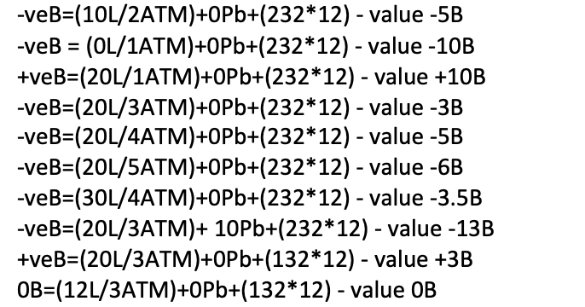
 | Base Cylinder Volume | 12 | Base Cylinder Pressure | 232 | Base Cyl Cap | 2784

Scenario | Depth | ATM | Stab L | Stab L/ATM | Additional Lead | Cylinder Vol | Cylinder Pressure | Air Consumed | Buoyancy Value | Buoyant Desc
1 | 4 | 1 | 10 | 0 | 0 | 12 | 232 | 0 | 0 | Neutrally Buoyant
2 | 11 | 2 | 10 | -5 | 0 | 12 | 232 | 0 | -5 | Negatively Buoyant
3 | 6 | 1 | 0 | -10 | 0 | 12 | 232 | 0 | -10 | Negatively Buoyant
4 | 9 | 1 | 20 | 10 | 0 | 12 | 232 | 0 | +10 | Positively Buoyant
5 | 24 | 3 | 20 | -3.3333333333 | 0 | 12 | 232 | 0 | -3.3 | Negatively Buoyant
6 | 32 | 4 | 20 | -5 | 0 | 12 | 232 | 0 | -5 | Negatively Buoyant
7 | 45 | 5 | 20 | -6 | 0 | 12 | 232 | 0 | -6 | Negatively Buoyant
8 | 33 | 4 | 30 | -2.5 | 0 | 12 | 232 | 0 | -2.5 | Negatively Buoyant
9 | 21 | 3 | 20 | -3.3333333333 | 10 | 12 | 232 | 0 | -13.3 | Negatively Buoyant
10 | 21 | 3 | 20 | -3.3333333333 | 0 | 12 | 232 | 100 | -2.3 | Negatively Buoyant | -3.3333333333
11 |  |  |  |  |  |  |  |  | #VALUE! | #VALUE!
12 |  |  |  |  |  |  |  |  | #VALUE! | #VALUE!
13 |  |  |  |  |  |  |  |  | #VALUE! | #VALUE!
 |  |  |  |  |  |  |  |  | #VALUE! | #VALUE!
 |  |  |  |  |  |  |  |  | #VALUE! | #VALUE!
 |  |  |  |  |  |  |  |  | #VALUE! | #VALUE!
 |  |  |  |  |  |  |  |  | #VALUE! | #VALUE!
 |  |  |  |  |  |  |  |  | #VALUE! | #VALUE!
 |  |  |  |  |  |  |  |  | #VALUE! | #VALUE!

