Project_Info
 |  | 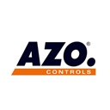

Customer | Russisches Produkt

AZO No. | 119663-00

Controls No. | 119776-00

PLC type: | S7-314 PN/DP

Editor: | ilia

Last modification:

Identifier:

S7 Toolbox Version: | 2.1

