Overview
Directions: All the information required to navigate the Risk Tool can be found in this tab. Scroll down to find instructions and descriptions for each tab found in this workbook.

Tab: | Risk Descriptions
1
Read this column to understand how each risk is defined.
2
This column lists the M3 Playbook artifacts being assessed for each risk area. Most documents and items listed in this column are defined and available to view online at: OSSPI M3
3
These are the described metrics associated with each criterion.
4

The 12 key risks your project will be evaluated against are listed here.

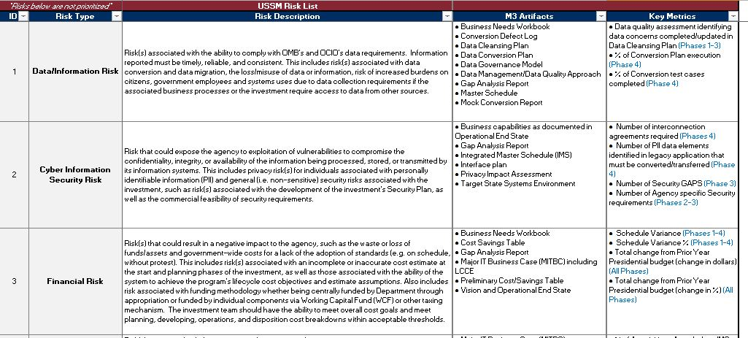

4
Tab: | Phase Tabs 0-4
Each risk will be assessed as Low, Medium, or High. That assessment will translate into a numeric value that gets assigned to each respective risk.
A rating of 'Low'=1, 'Medium'=3, 'High'=5. The rating value assigned, and the values for all other risks evaluated in the Phase are then summed and averaged to compute the Overall Rating of the risk level for an agency in each given Phase (see Step 1).
Lower score = lower assessed risk, higher score = higher assessed risk.
6
Migrating agencies perform self-assessments, and explain justification for a 'low' rating, or any mitigation strategies they may have in place for medium and high risk areas here.
OSSPI performs an independent assessment against the criteria listed, and takes into account the migrating agency's strategy to mitigate the risk.

5

Migrating agencies perform self-assessments, and explain justification for a 'low' rating, or any mitigation strategies they may have in place for medium and high risk areas here.

3

Each Phase 'definition' (Objective) per the M3 Framework is inserted here, for reference.

1

All ratings within the Phase are rolled up here to reflect the Overall Phase Risk rating as determined by both your Agency and by OSSPI.

2

These criteria are used to rate a specific risk category as Low, Medium, or High risk.

Tab:

Tab:

Tab:

Tab:

7
Tab:

Ratings assigned through the self-assessment and by OSSPI are reflected here.
NOTE: OSSPI ratings take into account the size of the migration, and type of the migration, visible in the Parameters Tab
Tab:

Tab: | Dashboard

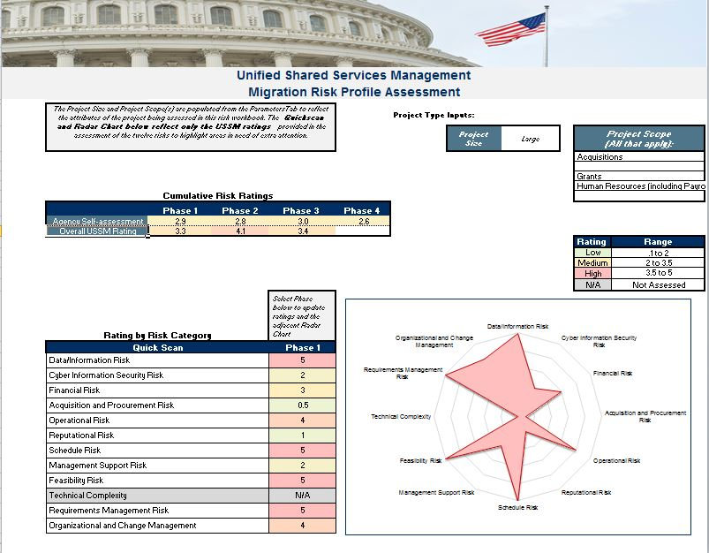

3

The 'Project Type Inputs' reflect OSSPIs assessment of the size of the migration.
The project scope(s) refer to the type of migration.

1

The Cumulative Risk Ratings tie together all of the risks that have been assessed within each Phase. The first reflects the cumulative rating as assessed by your agency; the second reflects OSSPI's cumulative rating.
Any past or future Phases that are unevaluated by your agency or OSSPI will be blank.
4

The range of scores assigned to each level of risk is listed here.
Low=0.1-2.0, Med=2.0-3.5, High=3.5-5.0
The migrating agency's goal is to attain the lowest score possible and demonstrate effective risk identification and mitigation.

2
5
The 'Quick Scan' lists the risk types, and the associated risk assigned to the migrating agency by OSSPI for the selected Phase.
This bullseye diagram provides a visual of the ratings assigned by OSSPI for risk type in any assessed Phase.
This enables the migrating agency to focus on developing mitigation strategies that can result in lower risk scores assigned by OSSPI.

Tab: | Parameters
4
OSSPI determines the size of the project activities (small or large). Agency size, scope of migration and complexity are all considered by OSSPI when making this determination.

1

The migration taking place has five potential types, listed here.
Some projects involve multiple types; this example shows a migration that involves Financial Management and Grants.

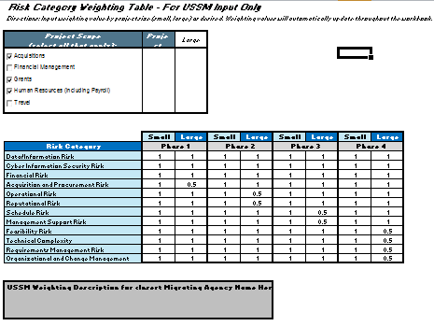

2
OSSPI then assigns 'weights' to each key risk by assigning a value (0-1).
This enables OSSPI to determine a risk score for each Key Risk that best reflects each migration's unique attributes.
Here, Financial Risk is being weighted by 0.5. This reflects the need for less emphasis on this Key Risk for this migration in Phase 0.

3

An explanation of why these weights were applied will be described here.

End

Dashboard
Office of Shared Solutions and Performance Improvement Migration Risk Profile Assessment

 | The Project Size and Project Scope(s) are populated from the ParametersTab to reflect the attributes of the project being assessed in this risk workbook. The Quickscan and Radar Chart below reflect only the OSSPI ratings provided in the assessment of the twelve risks to highlight areas in need of extra attention. |  |  |  |  | Project Type Inputs:
 |  |  |  |  |  |  | Project Size | Large | Project Scope (All that apply):
 |  |  |  |  |  |  |  |  | Acquisitions

 |  |  |  |  |  |  |  |  | Grants
 |  |  |  |  |  |  |  |  | Human Resources (including Payroll)
 | Cumulative Risk Ratings
 |  | Phase 1 | Phase 2 | Phase 3 | Phase 4
 | Agency Self-assessment
 | Overall OSSPI Rating
 |  |  |  |  |  |  |  |  | Rating | Range
 |  |  |  |  |  |  |  |  | Low | .1 to 2
 |  |  |  |  |  |  |  |  | Medium | 2 to 3.5
 |  |  |  |  |  |  |  |  | High | 3.5 to 5
 |  |  |  |  |  |  |  |  | N/A | Not Assessed
Data/Information Risk |  |  | 0
Cyber Information Security Risk |  |  | 0
Financial Risk |  |  | 0
Acquisition and Procurement Risk |  |  | 0
Operational Risk |  |  | 0
Reputational Risk |  |  | 0
Schedule Risk |  |  | 0
Management Support Risk |  |  | 0
Feasibility Risk |  |  | 0
Technical Complexity |  |  | 0
Requirements Management Risk |  |  | 0
Organizational and Change Management |  |  | 0
 | Rating by Risk Category |  |  | Select Phase below to update ratings and the adjacent Radar Chart
 | Quick Scan |  |  | Phase 1
 | Data/Information Risk |  |  | #VALUE!
 | Cyber Information Security Risk |  |  | #VALUE!
 | Financial Risk |  |  | #VALUE!
 | Acquisition and Procurement Risk |  |  | #VALUE!
 | Operational Risk |  |  | #VALUE!
 | Reputational Risk |  |  | #VALUE!
 | Schedule Risk |  |  | #VALUE!
 | Management Support Risk |  |  | #VALUE!
 | Feasibility Risk |  |  | #VALUE!
 | Technical Complexity |  |  | N/A
 | Requirements Management Risk |  |  | 0
 | Organizational and Change Management |  |  | 0

