Overview
Overview
Release FY2025

FFM Business Capabilities (FFMSRs)
FMCF Context | The Federal Integrated Business Framework (FIBF) is a model that enables the Federal government to coordinate and document common business needs across agencies, focusing on outcomes, data, and cross-functional end-to-end business processes. The Federal Financial Management System Requirements (FFMSRs) were originally developed to support the adoption of uniform financial systems, standards, and reporting required by the Federal Financial Management Improvement Act of 1996 (FFMIA). When the FFMSRs were originally developed, the focus was on documenting Federal government unique business capabilities (i.e., capabilities not found in commercial sector financial systems). More recently, the FFMSRs have been incorporated into additional materials and their use expanded beyond compliance with FFMIA. The FFMSRs, now also referred to as Federal Financial Management (FFM) Business Capabilities, were incorporated into the Financial Management Capability Framework (FMCF). The FFMSRs along with the FFM Function and Activities provide the common set of business capabilities that are the foundation for all offerings in the Financial Management (FM) Quality Service Management Office (QSMO) Marketplace. | 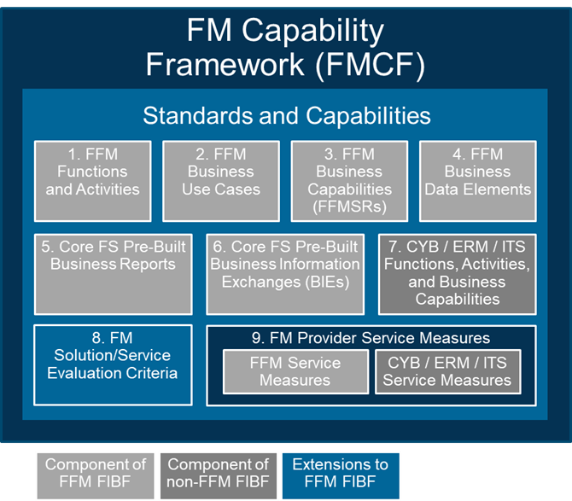
Purpose | The Federal Financial Management System Requirements implement the Office of Management and Budget (OMB) and the Department of the Treasury (Treasury) objective to help achieve shorter-term, lower-cost, and more incremental financial management system modernization. The requirements are: -Focused on business rather than technology; -Neutral to the system solution [shared federal or commercial service, custom commercial off-the-shelf/government off-the-shelf (COTS/GOTS) technology, automated or manual]; -Defined as federal government unique financial management data input, business process, and data output; -Applicable to both administrative systems as well as program operation systems that perform financial management business processes (that is, mixed systems); and -Referenced to their federal government authoritative sources.
Tab | Description
Cover | Provides the version publication date of the FFM Business Capabilities workbook
Change Log | Describes the change(s) that have occurred with the FFM Business Capabilities and the rationale for the change
Overview | Lists each workbook tab and provides an explanation of each tab's contents
Business Capability List | Description
Function ID and Name | Provides unique identifier and name for the FFM Function obtained from the FFM Functions and Activities list.
Activity ID and Name | Provides unique identifier and name for the FFM Activity obtained from the FFM Functions and Activities list.
Capability ID | Provides a unique identifier for the FFM Business Capability. In the example "FFM.010.010.011": "FFM" represents the Functional Area "Federal Financial Management" "010" represents the Function "Budget Execution" "010" represents the Activity "Budget Setup and Maintenance" "01" in the last three numbers represents the unique process group within the FFM Activity (group of input, process, and output capabilities) "1" as the last number represents the unique identifier for the business capability within the process group
I-Input P-Process O-Output | Classifies the capability as a unique: Input (I) - Information that is captured and used by the process Process (P) - Task to be performed and results recorded/documented Output (O) - Information that is provided as a result of task performance
Business Capability Statement [Federal Financial Management System Requirement (FFMSR)] | Provides the capability statements and the applicable short Authoritative Reference name, e.g., "TFM." The statements contain the phrases “consistent with” and “as specified by” to describe the association with the authoritative reference. If there is no Authoritative Reference for the statement, the statement does not include the reference. The capability statements are derived from Authoritative and Other References and comprise: • Data required by Federal statutes, standards, or guidance to accomplish processes; • Unique processes performed by the Federal Government throughout the Functional Area lifecycle; • Data required to be exchanged between Federal agencies or reported from agency systems as required by Federal statutes, standards, or guidance Throughout these statements, the phrases “consistent with” and “as specified” are used in association with authoritative source references, as follows: Consistent With: Conveys that as long as the content and meaning of the data/transaction/activity are equivalent to the data/transaction/activity as defined in the authoritative source, the requirement will be considered satisfied. As Specified: Conveys that the content and meaning as well as format of the data/report/transaction must match the specification defined in the authoritative source reference for the requirement to be considered satisfied.
Authoritative Reference | Provides a reference for the Business Capability from an Authoritative Reference that is recognized by members of a Community of Interest (COI) to be valid or trusted because it is highly reliable or accurate or is from an official publication or reference. Authoritative references are legislation, regulations, Office of Management and Budget (OMB) memoranda, Executive Orders, and Government policy/guidance containing specific requirements. If no Authoritative Reference is available, the statement "No Authoritative Reference Identified" is used.
Other Reference | Provides a non-authoritative reference for the Business Capability from other Federal documents or materials that contain guidance on business processes and data.
FFMSR Goal Group ID | Provides the identifier for a group of FFMSRs. The first two digits of the FFMSR group identifier correspond to the first two digits of the identifier of a goal defined in the “FFMIA Compliance Determination Framework” (Table 1 within Appendix D to OMB Circular No. A-123, Management of Financial Management Systems - Risk and Compliance).
FFMSR Goal Group Name | Provides the name for a group of FFMSRs.
FFMSR ID | Sequentially identifies the requirement within an FFMSR goal group.
Auth and Other References | A listing of the FFM Activity's references categorized as either Authoritative, Data Standard, or Other.

