Cover
Electronic Records Management Federal Integrated Business Framework (FIBF)
DRAFT Services Measures
August 18, 2023

Date | Change Description | Author of Change
2021-10-04 | Developed Performance Measures | NARA
2021-10-29 | Interagency Requirements Working Group review | NARA
2022-03-10 | Public review and Business Standards Council review | NARA
2022-07-06 | OMB Review | NARA
2023-08-23 | OMB Concurrence | NARA

Instructions
FIBF Service Measures Overview
The Federal Integrated Business Framework (FIBF) is a model that enables the Federal government to coordinate and document common business needs across agencies, focusing on outcomes, data, and cross-functional end-to-end business processes. The FIBF has five components described in the graphic below:
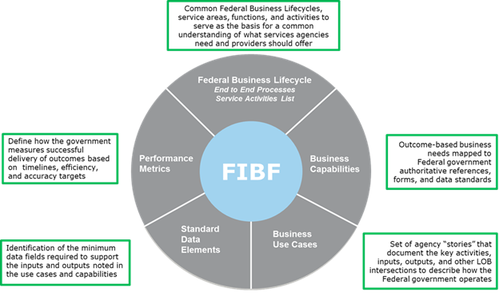
While the term used in the FIBF is “Performance Metrics,” the term Service Measures is used in this document when describing the items to be measured. This distinction is important because: • Metrics require a measurement baseline and measure success over time against established outcomes or objectives (e.g., x percent yearly decrease in the time to enter paper invoices into the system) • Measures evaluate one thing (one outcome or objective) at a point in time (e.g., count of invoices received this month, time from receipt to data entry of paper invoices) and must be defined before metrics can be provided • For service delivery, measures need to include both service activity measures (e.g., workload volume to be processed) and service performance measures (e.g., timeliness, quality, accuracy). The results of one often impact the other (e.g., higher than estimated workload may negatively impact timeliness), and therefore need to be defined and evaluated together as an integrated set of Service Measures.
The Electronic Records Management service area is an enabling function for all other service areas. All shared service areas will have to manage the records created in their business processes in accordance with the Federal Records Act, NARA regulations, policy, and guidance. Federal agencies have the ultimate responsibilty for managing their records and keeping them for as long as necessary no matter where they are located. NARA created the ERM-FIBF to define the business capabilities for records management in a consistent way so they can be incorporated into all the other service areas.
ERM Service Measures Overview
The ERM Service Measures idenified in this document support the functioning of a successful ERM program. These measures are not necessarily for an dedicated electronic records management system, but for shared services systems. NARA does not specify one approach agencies and shared service providers must take to manage records. Many approaches could be taken as long as records are managed. Records could be managed in the systems in which they were created or exported to a recordkeeping system. NARA's goal is for shared services to manage records throughout their entire lifecycle as part of the service offering to agencies. For example, a travel system would create records, assign a retention period, and dispose of records when no longer needed. Agencies can use and adapt these ERM Service Measures for their purposes. They can work with service providers to determine how the measures will be assessed and reported. Note: Records may exist in multiple places, such as email, collaborative platforms, and social media.
The draft service measures were review by NARA's FERMI Requirements Working Group.

Service Measures Definition and Purpose
Service Measures define what the government measures to determine successful delivery of services (performance) and to evaluate usage (activity) of the services. They identify specific measurement items that produce information useful for improving service delivery and customer satisfaction, determining costs of the service, and for making data-driven decisions to resolve issues in service delivery.
Service Measures are used to: • Level set service customer expectations and establish service agreements as to volume, timeliness, quality, etc., of the services the customer will receive • Communicate expectations to potential service providers during acquisition and develop quality assurance surveillance plans (QASPs) used after a service provider contract is awarded • Assess business and technical aspects of service delivery and identify trends or patterns in service activity and performance levels that may warrant a change in resources used to deliver the services • Identify service activities where the customer’s actions or a provider’s or sub-provider’s actions impact achieving the agreed-upon service performance levels • Support service improvement by identifying candidates for business process re-engineering and/or automation to improve effectiveness and efficiency • Collect data needed to execute service costing, pricing, and billing (including allocation of costs across customers).

