Introduction
Federal Financial Management Standard Data Elements
February 2021
Purpose
Treasury’s Office of Financial Innovation and Transformation (FIT) is designated as the managing partner for the Federal Financial Management Line of Business (FMLoB). The FMLoB is a federal government-wide initiative providing financial management leadership and guidance to participating agencies.
In this capacity, FIT has developed a set of reference documents to guide agencies in improving the cost, quality, and performance of federal financial activities and solutions. These references are available on the FIT website and include:
• Federal Financial Management System Requirements (FFMSR): Defines financial system standards and reporting requirements capabilities, with references to underlying standards and regulations.
• Federal Financial Management Functions & Activities List: Defines a taxonomy of FM capabilities and services, with references to OMB Circular A-11 and the FFMSR.
• Federal Financial Management Business Use Cases (Federal FM Business Use Cases): Establishes a system-agnostic view of the flow of events to complete the federal FM business processes, with links to the FFMSR.

This document includes the FM Standard Business Data Elements necessary to support the requirements described in the Federal FM Business Use Cases and the FFMSR. This document identifies the data elements system providers should include in their software solutions, enabling agencies and providers to have a definitive list of agreed-upon data elements to execute federal financial management processes. Agencies can use these data elements when evaluating their current FM systems, proposing process improvements, or planning system acquisitions and transitions. System providers should include these elements in their offerings.
Federal Financial Management Standard Data Elements were included from the following sources:
• Fiscal Service Data Registry (FSDR): An authoritative reference for information about government-wide financial data elements, developed by the Bureau of the Fiscal Service.
• DATA Act Information Model Schema (DAIMS): The Digital Accountability and Transparency Act of 2014 (DATA Act) formalized the establishment of government-wide standards for spending data. The Office of Management and Budget (OMB) and Treasury created the DAIMS to provide information on data elements, their authoritative sources, and formats required for reporting to USASpending.gov.
• FMLoB used information from authoritative sources to define additional data elements to meet the requirements detailed in the Federal FM Business Use Cases and the FFMSR, when necessary information was not captured in existing DAIMS and FSDR elements.

ORGANIZATION AND CONTENT
The data elements in this document are organized as follows:
• Line of Business (LoB) Managing Partner: The managing partner for the data element. This is either Treasury FIT for the FMLoB, or left blank, which signifies this element has applicability across multiple LoBs and is not managed by a single LoB.
• Service Area: Identifies whether the element is related to the federal financial management (FM) service area or is common, which refers to elements that are also present in other LoB systems (e.g., a federal acquisition system).
• Data Element Source: Identifies whether the data element is derived from the FSDR, DAIMS, or the list of elements created by FIT.
• Date Element Label: The name of the data element. The naming convention follows the ISO/IEC 11179 standard for metadata registry. The element names are listed without spaces.
• Definition: Contains the definition of the data element.
• Example Value: Demonstrates an acceptable data entry value. In instances where this field is left blank, more information on the example value can be found in the authoritative source.
• Service Function and Activity: The applicable service activity as detailed in the Functions and Activities document. In Figure 1 below, service function is a further breakdown of the service area, into categories of services provided to service customers. Examples of FM service functions include Budget Execution, Payable Management, and General Ledger Management. The service function is also associated with business processes found in the Federal FM Business Use Cases.

The service activity corresponds to a specific service activity within an overarching service function. In Figure 1, the reference corresponds to Budget Set-Up and Maintenance, which falls under the service function Budget Execution. If a data element is linked to this service function and activity, then it is necessary to meet the requirements outlined in the Federal FM Business Use Cases and the FM Functions and Activities List.
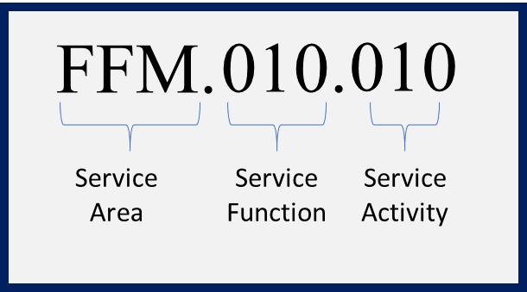
Figure 1: Functions and Activities Identifier Notation

• Business Capability Reference: The corresponding system requirements as detailed in the FFMSR. The first three digits of the ID associate the function with the federal financial management function and the fourth digit sequentially identifies the requirement within each function. In Figure 2, this refers to a requirement included in the function of Defining General Ledger Accounts and Attributes. If a data element is associated with a business capability reference, then the data element is necessary to meet the requirements defined in this reference.
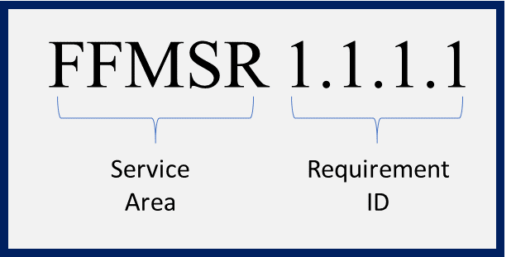
Figure 2: FFMSR Identifier Notation

• Authoritative Reference: The authoritative references that contain additional clarification related to the data elements (E.g., OMB Circular A-11).

