Workbook Overview
Workbook Overview
Release FY2025

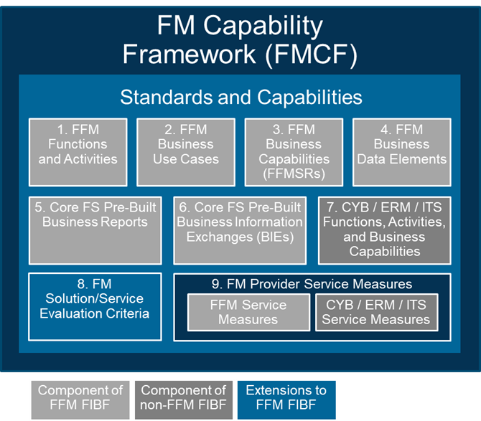
FFM Functions and Activities
FMCF Context | The Federal Integrated Business Framework (FIBF) is a model that enables the Federal government to coordinate and document common business needs across agencies, focusing on outcomes, data, and cross-functional end-to-end business processes. The Federal Financial Management (FFM) Functions and Activities are part of FIBF. The FIBF can be used to guide performance and investment discussions as well as for acquiring and implementing government-wide solutions. To that end, FFM FIBF components are included in the Financial Management Capability Framework (FMCF). This framework is the foundation for all offerings in the Financial Management (FM) Quality Service Management Office (QSMO) Marketplace. The FFM Functions and Activities list provides the list of capabilities needed/used by the federal government.
Purpose | The FFM Functions and Activities list defines the FFM functions and activities that an agency performs to support its mission. The FFM Functional Area has 10 functions (e.g., Payable Management) and 51 activities (e.g., Payment Disbursement). This list can be helpful when: -Conducting an acquisition with a software vendor as an authoritative reference for the scope of financial management capabilities; -Determining the scope of the financial management activities performed by an agency that can then be linked to requirements and uses cases for further evaluation; -Onboarding new staff as a general awareness of financial management activities.
Workbook Tab | Description
Cover | Provides the current version of the FFM Functions and Activities list.
Change Log | Provides the change(s) that have occurred in the FFM Functions and Activities list and the rationale for the change.
Workbook Overview | Provides a description of the FFM Functions and Activities workbook content.
Function-Activity List | Provides the identifier, name and description for FFM Functions and Activities.
Auth and Other References | A listing of the FFM Activity's references categorized as either Authoritative, Data Standard, or Other.

