Cover
Travel Federal Integrated Business Framework (FIBF)
Travel and Expense (T&E) Management Standard Data Elements
Version 1.4
Nov. 24, 2020

Version | Date | Change Description | Author of Change
1.1 | 2018-03-16 | Revised to address GSA feedback | MITRE
1.2 | 2018-04-06 | Revised to address GSA feedback and incorporate revised capabilities | MITRE
1.3 | 2020-02-21 | Changed "transportation carrier" to "transportation provider" on relevant worksheets, updated two authoritative source references, changed relevant data element labels, revised domain values for expense type and travel type, added a new data element and associated information, and mapped additionl capabilities to a data element. | MITRE
1.4 | 11/24/2020 | Amend Service Lead for from "ACQ" to "GSA Office of Governmentwide Policy" for Standard Data Elements 63, 64, 65, 66, 67, and 68, and amended references from “OMB M-15-02/Appendix C to OMB Circular No. A-123..” to “M-18-20” generally. Remove references specifically to sections of Appendix C to A-123 | GSA

Instructions
FIBF Overview and Standard Data Elements Description
The Federal Integrated Business Framework (FIBF) is a model for defining common mission support services. FIBF enables agencies to better coordinate their business needs by emphasizing required outcomes, data flow, process and performance standards.
The Standard Data Element List provides names and definitions and identifies logical data groups and essential attributes for the inputs and outputs in the Business Capabilities.
The Standard Data Element List is used to:
• Define government-wide travel key business data which may be served by federal or commercial travel shared service provider(s)
• Ensure business information/data concepts needed for mission support services (e.g., Service Areas, Functions and Activities) are documented and directly linked to authoritative sources (i.e., Federal Travel Regulation, Foreign Affairs Manual)
• Enable Line of Business (LOB) Managing Partners to identify, rationalize, and define consistent, cross-agency data elements, data characteristics, and data values that may be implemented in different ways by service consumers and providers
• Enable LOB Managing Partners, Category Managers, Federal shared service providers, and service consumer agencies to assess whether service/solution offerings can accommodate data essential to execute government service Functions and Activities
• Together with Business Capabilities and Business Use Cases, help industry gain insight into the data essential to execute government service Functions and Activities
Used in combination with other FIBF products, Standard Data Elements methodically describe Service Area business needs that a future provider must fulfill

Guiding Principles
-Derive from Business Capability Inputs (I) and Outputs (O) and associated Service Activities. Since Authoritative sources are the basis of Business Capabilities, Business Data Elements represent only the business information needed to execute the capabilities
• A capability may be associated with one or more Business Data Elements • Business Data Elements are organized in the life cycle order of the Business Capabilities; when a Business Data Element is needed for more than one capability, it is associated with all the relevant capabilities
-Use terminology consistent with Business Capabilities. While terminology may differ from that of individual agencies or other sources, Business Capability verbiage establishes a common standard about agencies’ business process needs. Terminology choice is therefore deliberate; it reflects the wording of Authoritative Sources, not agencies.
-Focus on the perspective of the Federal government. Select Business Data Elements that represent the Federal government's business information needs as defined by Authoritative sources, taking care to not select elements because they are convenient and are known to exist within a commercial solution.
-Use language that is agnostic to: • Specific agency/program • Who performs the information collection or creation (e.g., service consumer, internal service organization, external service provider) • The system, technology, solution, or manual/automated methods used to capture/provide the information. Choose terms that are neutral to automated/manual, type of system/solution (i.e., shared Federal or commercial service, custom commercial off-the-shelf/Government off-the-shelf (COTS/GOTS) software), and vendor-specific product data structures and terminology
- Do not include Business Data Elements that may be necessary for technology solution development or operation reasons (e.g., update date/time stamp and user ID), unless they are also used by the service consumer.
-Use engineering naming standards (National Information Exchange Model (NIEM) and International Organization for Standardization (ISO)) to build the Business Data Element label so that any user can interpret the label name and definition and understand the type of data associated with the Business Capability.
-Focus on Federal agency information within the boundary of the target Service Area (e.g., Travel and Transportation Management) and be cognizant of the terminology of interfacing Service Area(s) (e.g., only FFM makes payments/disburses funds; other Service Areas provide an approved payment request for disbursement of funds).
-Specify a Business Data Element’s attribute only when essential to accomplishing the Service Activity or effectively exchange data with another Service Area, or when it has already been established by a government-wide standard. Unless necessary by policy or regulation, Business Data Elements do not dictate the information that a system must capture for the Business Data Element

Maintenance of the Business Data Element List
Structure/Grammar Usage
- Read the Business Capability and identify data needed to execute the Business Capability. Refer to Business Use Cases for context around how the Business Capability is used. Also review the Authoritative Source from which the Business Capability was created to identify specific terminology.
- Start the Data Element Definition with a noun and include a verb and description of the Data Element (e.g., The rate used to determine the allocation of indirect costs to an activity/program)
- Once a Data Element has been created, "reuse" the Business Data Element by listing all pertinent Service Activities (Column F) and Business Capabilities (Column G). Multiple instances of the same Business Data Element should not be created.
- Look for opportunities to develop Business Data Element domain values (Column O) to reduce the number of redundant data elements. For example, if a Business Capability requires a record of changes in status (e.g., Reservation Status Types - Cancelled; Unused; Processed; Confirmed), use one Business Data Element (i.e., ReservationStatusTypeName) to indicate type of status information needed (i.e., Reservation), and list the different status possibilities as Domain Values.
- List Business Data Elements in life cycle order as defined in the FIBF Service Area, Function, Service Activity document
- Do not include elements whose value can be easily calculated (i.e., derived) using other Business Data Elements. The intent is to identify the minimum data needs and not prescribe all ways that Business Data Elements must be captured unless specifically described in an Authoritative Source.
- If a specific Business Data Element label is identified in an Authoritative source, adopt the same label used by the source for consistency. If no exact match exists from the source, use the ISO 11179-5 standard to identify the appropriate components needed to build the Business Data Element label.
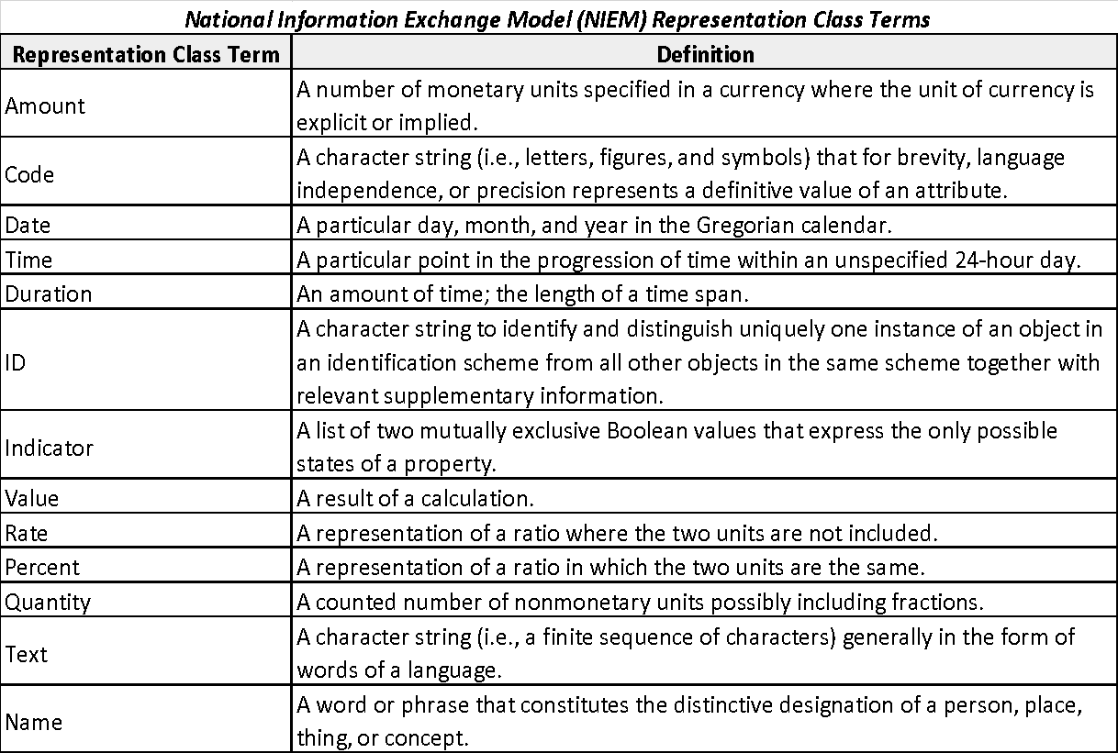

Structure for ISO 11179-5 Data Element Label: Object Class Term + Qualifier Term + Property Term + Representation Term = Data Element Label
Example:
TravelReservation (Object Class Term) + EvaluationResults (Property Term) + Text (Representation Term) = TravelReservationEvaluationResultsText

Object Class Terms are utilized at the start of the data element label. These class names provide conceptual grouping to types of elements.
Object Class Terms for TRT FIBF Standard Data Elements:
• EmailAddress
• Fare
• LOA
• Location
• Lodging
• NonFederalSource
• OfficialTravelDocument
• PaymentMethod
• PerDiem
• Person
• PNR
• SpecialNeedsAccommodation
• Telephone
• Ticket
• TMC
• Transportation
• TravelAuthorization
• TravelerEmergency
• Traveler
• TravelException
• TravelExpense
• TravelLocation
• TravelPeriod
• TravelPersonnel
• TravelPurpose
• TravelReport
• TravelReservation
• Travel Vendor
• Voucher

- When a Business Data Element Definition is provided in a source (i.e., complete or near complete copy of the source verbiage), enter the definition from the source with the source number annotated in parentheses after the definition.
- If the the final wording of the Business Data Element Definition was derived from multiple sources to more explicitly meet the requirements of the LoB capability, then list the source reference numbers in parentheses separated by a comma and followed by “Augmented”.
- Include an Example Value (Column E) for the Business Data Element only in the following instances: (1) The Example Value is defined in a referenced source. (2) Industry needs the Example Value to understand the government’s intent (3) The government has a compelling need for the Example Value (4) The government has reached consensus with the Example Value
-Columns I-R are optional attributes. Overall, FIBF Standard Data Elements provide enough detail for a provider to understand the government’s business information need, and then indicate the data elements within its own solution that can capture the same information. Attributes are left blank to allow a future provider to demonstrate that they can fulfill the government's data need in the format of their solution. FIBF does not prescribe how the solution should operate.
The optional attribute Data Group Name (Column I) is filled in and provides example data groups for each Data Element Label. These Data Group Names correspond to data referenced in the Business Capabilities.
Data Group Names for TRT FIBF Standard Data Elements:
• Contact Information
• Fare Information
• Line of Accounting Information
• Location Information
• Non-Federal Funding Source Information
• Official Travel Document Information
• Travel Ticket Information
• Travel Authorization Information
• Travel Exception Information
• Travel Expense Information
• Travel Itinerary Information
• Travel Personnel Name
• Travel Personnel Profile Information
• Travel Purpose Information
• Travel Reservation Information
• Travel Vendor Information
• Travel Voucher Information
• Traveler Payment Information

Maintaining the Standard Data Element List/Updates
The following circumstances will influence the need to review and update the Business Data Element list:

- New Business Capabilities – When Business Capabilities are identified, or removed, revisions to the Standard Data Element list may be needed to ensure that the list reflects the business information needs for current processes associated with the TRT Service Area and its Functions

- Changes to Authoritative and/or Other Sources – Revisions to sources impact the information required for travel processes and Business Capabilities. If sources are revised in a way that provides more explicit business data needs, this will prompt the need to review Business Data Element attributes.

- Cross-agency Agreement on Standardized Process – When cross-agency collaboration identifies recommendations to standardize processes and/or apply common Domain Values to specific data needs, these agreed upon standards may impact the attributes for specific Business Data Elements.

Search Tool Instructions
The Search Tool is used to facilitate viewing all Business Data Elements associated with one or more capabilities.
A.) On the Search Tool tab within the Standard Data Element List spreadsheet, enter Capability ID(s) for review in column A. (Capability IDs are listed in the tables below)
B.) Once all desired capabilities are listed, click the Run button.
C.) The Business Capability Definition will populate in Row 1 , above each capability number. The Business Capability ID populates in Row 2 and all Business Data Elements associated with the listed Business Capability ID populate below the ID.
D.) Multiple IDs can be entered; one per row. Each ID will populate in a separate column, beginning with column C.
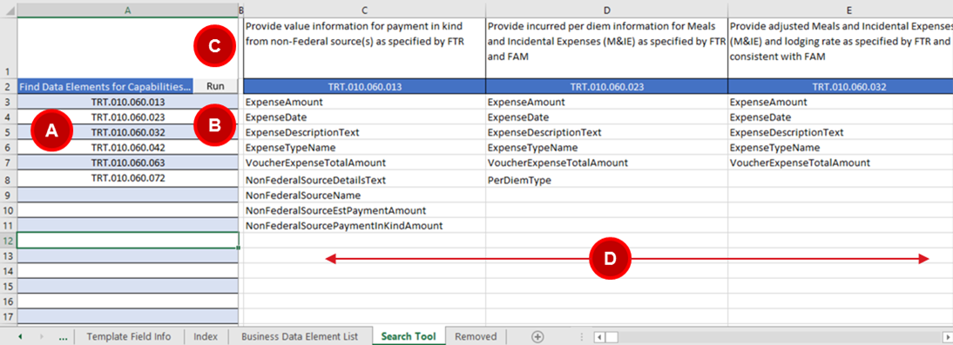

Note: The following situations will not produce results in the Search Tool:
- The Business Capability refers to capturing a policy. Policies are not designated as Business Data Elements given the content and variety of policies (e.g., Select Business Capabilities for TRT.010.100 Temporary Duty (TDY) and Local Travel Policy Management and Audit).
- The Business Capability refers to system-related travel reservation deficiencies, errors, and compliance. System-checks are not designated as Business Data Elements (e.g., Select Business Capabilities for TRT.010.020 Travel Reservation Assistance and Processing).

