Cover
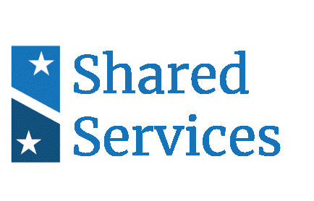

Business Needs Workbook
Office of Shared Solutions and Performance Improvement
Version 5.0
April 2021

Instructions
Instructions and Guidance

Purpose: | This workbook accompanies the M3 Playbook (hereinafter referred to as "the playbook") and is intended to help customer and provider organizations begin discussions around compatibility and fit during Phase 2 (Selection). This workbook is ultimately intended to help customers, with the help of QSMOs, select a provider that will best meet their target state needs and enable providers to evaluate whether customers are ready to begin the modernization/migration effort.

Inputs: | Prior to beginning the workbook, the Executive Sponsor, Business Owners, Program Manager, PMO Lead, Functional Lead, Functional SMEs, and Technical Lead/Solution Architect within the customer organization should work in close collaboration with to complete the planning activities and associated documentation outlined in Phase 0 (Assessment) and Phase 1 (Readiness). Documentation related to the target-state in particular, such as the Initial Target State Operations, Target State Systems Environment, and Initial Scope of Services, will frame many of the responses within this workbook. Customers should engage the stakeholders within their organization with the necessary functional or technical expertise to conduct the planning activities that are a pre-requisite for completing the workbook.

 | 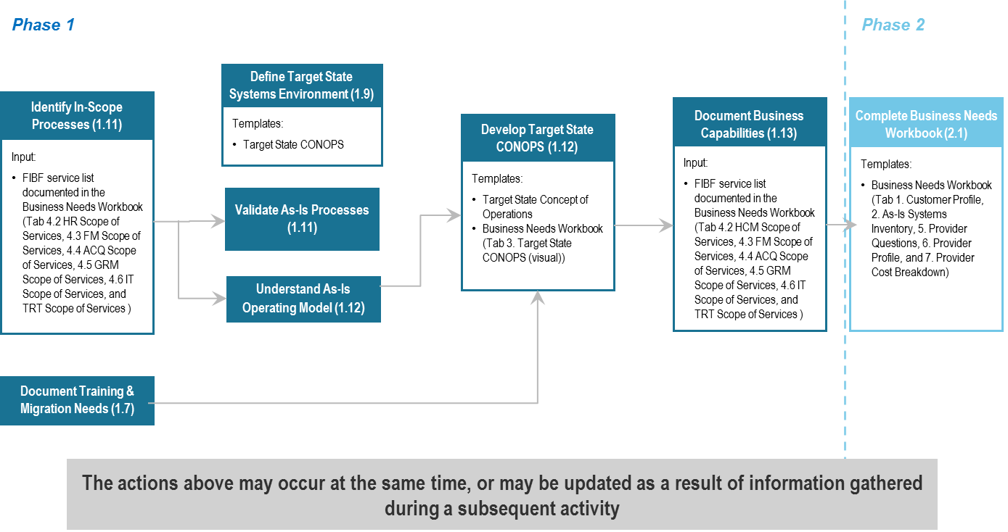

Completion: | Customers, QSMOs, and providers should complete this workbook together, and then use the responses contained in this workbook to support the customer's provider selection process. This workbook should be considered an input to the selection process. To complete this workbook, customers should first provide a response to all customer-specific questions throughout the worksheets. These cells are formatted with a green background. Customers can add additional questions to the workbook as needed. Responses may vary in length but should be comprehensive enough to communicate the need to the receiving party. Once finished, customers will send this workbook to the providers to fill out their desired capabilities and/or questions. Providers should provide a response in the cells formatted with a blue background. Customers, QSMOs, and providers should continue to engage as providers are completing their responses to ensure the desired capabilities and/or questions posed are understood and accounted for. It is expected that further, more detailed discussions will occur during Phase 3 (Engagement) and Phase 4 (Migration). If the customer organization is not planning a modernization, migration or the purchase of transaction processing services related to Human Capital Management, Financial Management, Acquisition, Grants Management, Information Technology, or Travel and Transportation Management, it should work with OSSPI to tailor what is required from the workbook. *Please note that Human Capital Management, Information Technology Services and Travel and Transportation Management service areas are considered draft until the full list is completed. OSSPI will continue to refine and release updates to the Service Activity and Service Activity Descriptions as they are made available.

Provider Evaluation: | Customers will use the providers' responses as a basis for determining which provider is best able to provide their desired capabilities. Customers can use the following sample criteria as part of their provider evaluation: - Services Alignment: the services that the customer organization requires in comparison to what is offered by the provider. - Technical Alignment: the customer organization’s business requirements related to technology (e.g. interfaces, hardware/software compatibility, security) in comparison to what is offered by the provider. - Capacity and Timing: the customer organization’s modernization schedule and magnitude of technical needs in comparison to the provider’s availability and ability to accommodate the capacity of the customer organization. - Experience & Technical Knowledge: factors such as the experience and knowledge of the provider and its staff as it relates to the specific needs of the customer organization, an existing relationship with the customer organization for another service, and/or familiarity with the work of the customer organization. - Cost: the overall estimated cost of migrating to the provider, including non-recurring migration costs and recurring Operations and Maintenance (O&M) costs.

